How to use this sample template
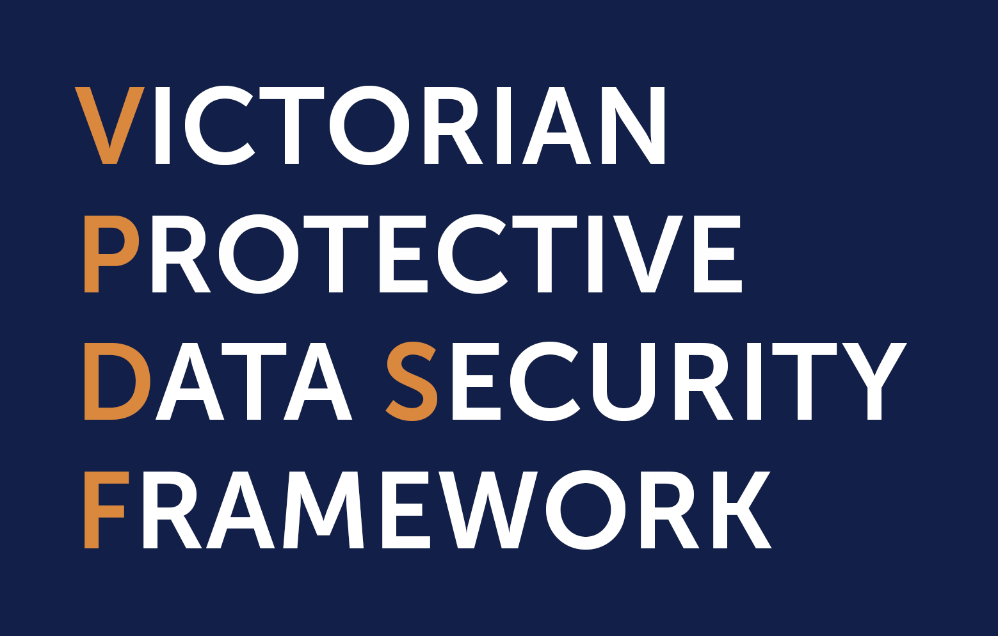 SAMPLE INFORMATION ASSET REGISTER (IAR) TEMPLATE

INSTRUCTIONS - How to use this sample template
Prior to using this template, please read Practitioner Guide: Identifying and Managing Information Assets
A) If your organisation has a tool or system already in place to register your information assets, you are encouraged to use that in the first instance.
B) If you do have another tool or system, we encourage you to cross reference the fields on this sample template and consider updating or enhancing your existing register / system, so that it captures all relevant attributes for each information asset
C) This template provides 3 options (set out across the different tabs) for organisations to use. These tabs present different fields to register unique attributes of your information assets.
D) Organisations need to choose which tab is appropriate for their work program, and refer to the fields on that tab.
How do organisations group together or split out information assets and capture them in an IAR -
There is no set process to follow when defining what is and isn’t an information asset. Each organisation will have unique information holdings, business requirements and expectations around the management of their material. These differences mean that some businesses will group their information in different ways to others. Practically speaking, organisations should define their information assets at a level of granularity that allows any individual components to be managed usefully as a single unit. Too broad and the organisation will not have enough detail to properly manage the material, too fine and it will have thousands of information assets. When deciding how to logically group information into a broader asset it is worth considering: • the business context in which the material is being used • the security value (Business Impact Level assessment outcome) of the material • the business classification (records management) of the material • any legal, regulatory or administrative obligations surrounding the management or use of the material • any business engagement activities that it may support For more guidance on Information Asset Registers refer to Pracitioner Guide: Identifying and Managing Information Assets For more guidance on terms used in this IAR, refler to the VPDSF Glossary

Which tab should you use?
If you are creating an IAR to simply address the VPDSF, please ref to the tab titled > |  | VPDSF Requirements
 |  | This tab includes the minimum fields that an organisation should register for each information asset, for the Victorian Protective Data Security Framework (VPDSF).
OR if you are using an IAR to address the VPDSF, as well other legal, administrative and regulatory requirements that your organisation may have, please refer to the tab titled > |  | CORE (inc. VPDSF reqs)
 |  | This tab includes a list fields that organisations should record attributes of their information assets in. The fields on this tab will help you meet the requirements of the VPDSF, as well as other existing legal and regulatory information management (IM) references across Victorian Government. Organisations must consider their specific operating requirements and relevant legislative and regulatory obligations when developing their own specific IAR. The core fields represent the more common reqiurements for the majority of Victorian Government agencies or bodies.
OR if your organisation already has an information asset register in place, but you are looking at maturing your IM practices, your organisation may want to consider some of the fields captured under the tab titled > |  | SUPPLEMENTARY
 |  | This tab includes a list of supplementary fields that organisations can consider including in their IAR. These fields are based on existing legal or regulatory references across Victorian Government. Organisations must be mindful of their specific operating requirements and relevant legislative and regulatory obligations when developing their own specific IAR, as not all fields are listed.

DOCUMENT DETAILS
Protective Marking | N/A
Approved for unlimited public release? | Yes – Authorised for release
Publication Date | November 2019
Review Date | November 2020
Document Status | Final V2.0
Author | Information Security Unit - Office of the Vicorian Information Commissioner

Overview - Legal & Regulatory
LEGAL AND REGULATORY OBLIGATIONS*
The list below outlines the Victorian Government legal and regulatory references considered during the development of this sample template. * This is not an exhaustive list of all IM obligations that your organisation operates under. Instead this sample template aims to set out the main legal and regulatory requirements relating to the management of information assets and associated metadata. Given the variety of organisations that come under the VPDSF, you will need to consider whether there are additional requirements that you need to include in your organisations IAR that may not be presented in this template, but may also find that some of these references and fields do not apply.
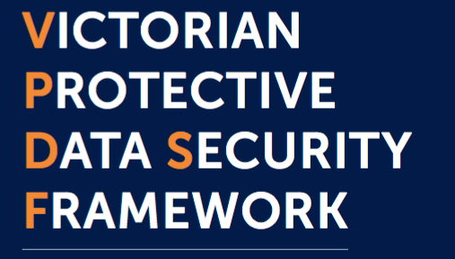 | Victorian Protective Data Security Framework (VPDSF) Supports the minimum requirements of the Victorian Protective Data Security Standards (VPDSS) and reference particular privacy considerations that organisations should look to capture in their IAR
 | Public Record Office Victoria (PROV) To assist Victorian government bodies with managing their information assets in accordance with the Public Records Act 1973 (Vic)
 | DataVic Access Policy The DataVic Access Policy is applicable to all agencies (that is, all Departments and Public bodies) of the State. 'Department' and ‘Public body’ are defined in the Financial Management Act 1994. Public bodies include State business corporations and statutory authorities.
 | FOI Requirements To assist organisations to identify information assets that are required to be listed in information statements published in accordance with Part II of the Freedom of Information Act 1982 (Vic).
 | Whole of Victorian Government (WoVG) Information Management To assist Victorian Government bodies in meeting information management best practice
 | Victorian Auditor Generals Office Recommendations Assist Victorian public sector organisations meet the requirements

Victorian Government Data Directory MetaData Standard & the sample VPDSF IAR template

A standardised metadata schema is available to assist VPS organisations map their efforts when registering information assets on an internal Victorian Government Data Directory. This internal directory aims to capture metadata about VPS datasets that can be shared between agencies and bodies under authorised conditions. Agencies or bodies can search for datasets across the VPS and then either request access to the data, or request access via the data custodian. This STD is NOT intended as a metadata standard for agencies’ operational IAR’s, but rather a schema to map to, and assist with searchability / discoverability of datasets across the VPS. To find out more, refer to https://www.enterprisesolutions.vic.gov.au/wp-content/uploads/2018/09/IM-STD-09-Victorian-Government-Data-Directory-Metadata-Standard2.pdf

