Tabelle1
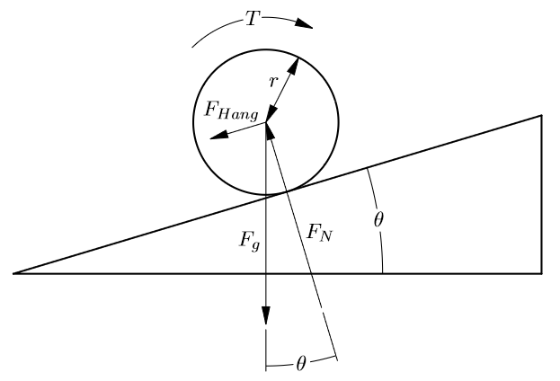
 | Value | unit |  | Value | Unit
Kv | 190.00 | min^-1*V^-1 | Incline | 5.00 | %
KT | 0.04 | N*m*A^-1 | Angle | 2.86 | °
Voltage | 36.00 | V | Angle (rad) | 0.05
Wheel Diameter | 80.00 | mm | Mass | 100.00 | kg
N | 36.00 |  | g | 9.81 | m*s^-2
n | 15.00
Transmission Ratio | 2.40 |  | F | 48.99 | N
I_max (Battery) | 60.00 | A | F_N | 979.78 | N
I_max (per Motor) | 30.00 | A | Torque (Wheel) | 1.96 | N*m
Pole pairs | 7.00 |  | Torque (Shaft) | 0.82 | N*m

Speed (km/h) | 42.98 | km*h^-1
Speed (m/s) | 11.94 | m*s^-1
Direct Driven Speed (km/h) | 103.14 | km*h^-1
Direct Driven Speed (m/s) | 28.65 | m*s^-1
Shaft RPM | 6840.00 | min^-1
eRPM | 47880
Torque (Wheel) | 3.13 | N*m
Torque (Shaft) | 1.31 | N*m

