Summary
Summary

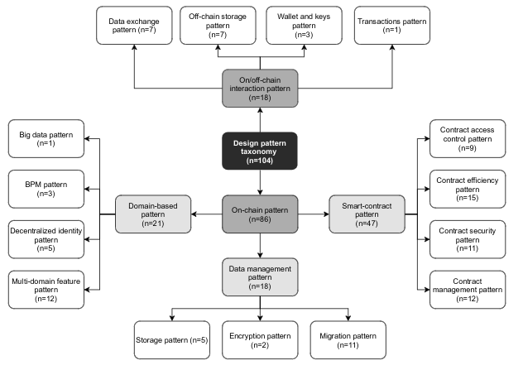
Papers
Number of papers: | 21
Number of papers from snowballing: | #REF!
Number of accepted papers: | #REF!

Patterns
Number of patterns: | 161
Number of unique patterns: | 115

Pattern classification scheme:

