Sheet2
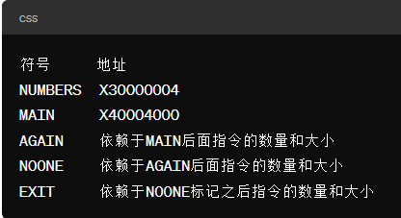
01 |  | .DATA | X30000004
02 |  | .ALIGN | 3
03 | NUMBERTS: | .WORD | X30000004
04 | ;
05 |  | .TEXT | X40004000
06 |  | .GLOBAL | MAIN
07 | MAIN: | ADDI | R4.R0,NUMBERS | ;R4,数据地址
08 |  | ADDI | R1,R0,#31 | ;R1,存放结果
09 |  | LW | R2 | ;R2,整数值
0A | ;
0B | AGAIN: | BEQZ | R2,NOONE | ;等于零时分支跳转
0C |  | SLTI | R5,R2,#0 | ;设置是否小于条件操作
0D |  | BNEZ | R5,EXIT
0E |  | SUBI | R1,R1,#1
0F |  | SLLI | R2,R2,#1 | ;左移立即数
10 |  | J | AGAIN
11 | NOONE: | ADDI | R1,R0,#-1
12 | EXIT: | TRAP | x00

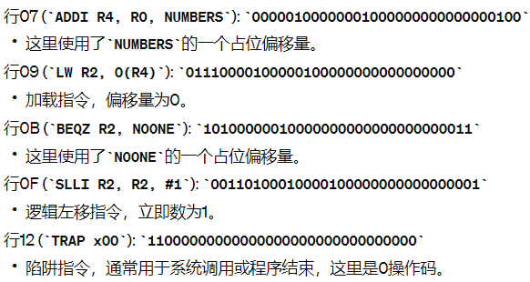
 |  |  |  |  | 第二题

标记 | 地址

