Summary
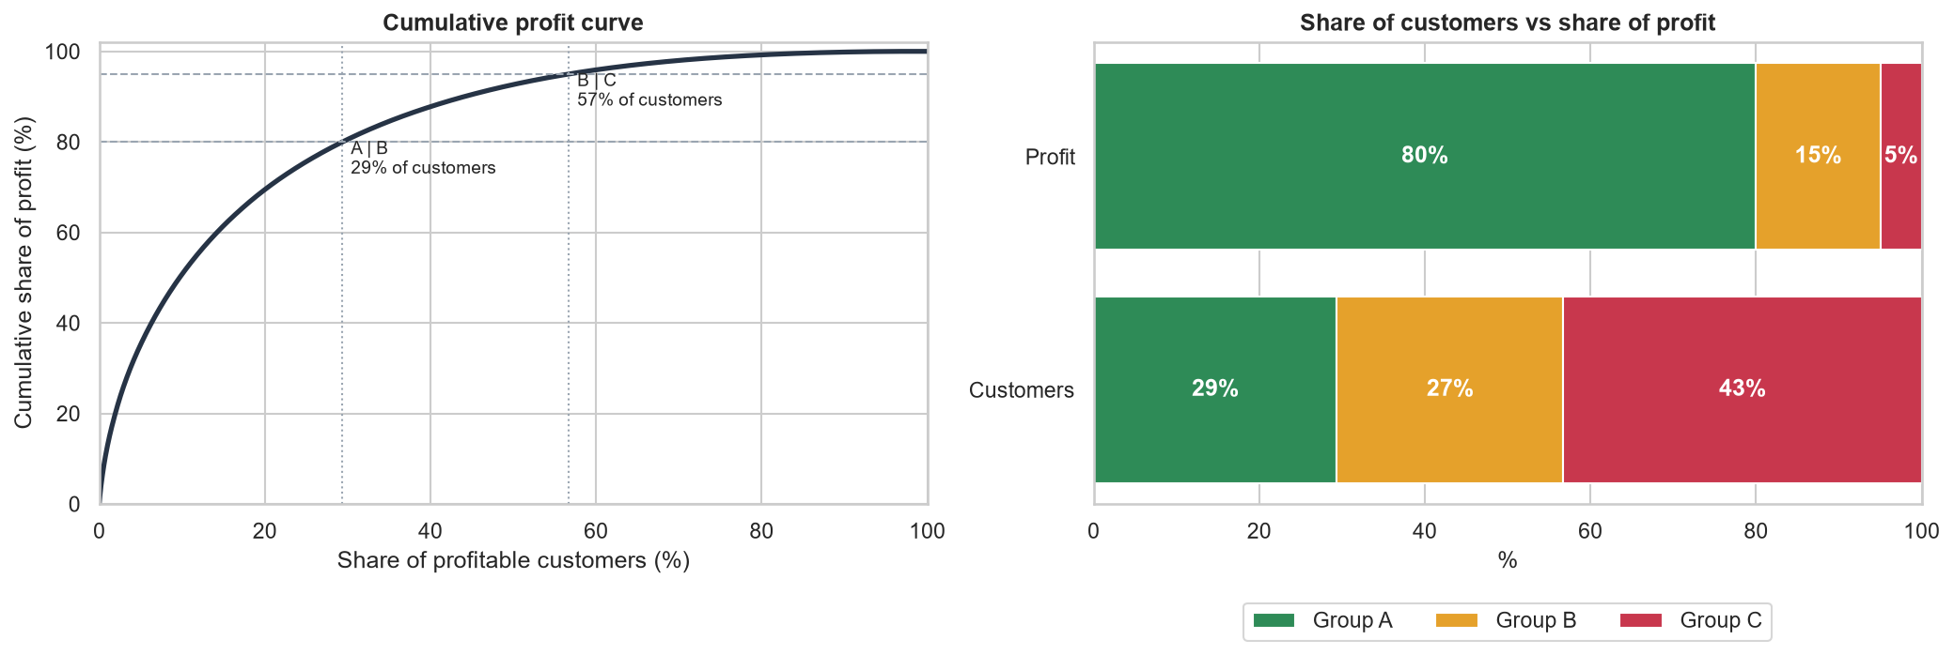
ABC Customer Profit Analysis
Which customers carry the profit, and which customers lose money

Key findings
• Group A: 4,031 customers (29.4% of profitable customers) generate 80% of profit.
• Group C: 5,937 customers (43.3%) generate only 5% of profit.
• Income and occupation are almost identical across groups; demographics do not identify A customers.
• 3,695 customers (21%) have negative lifetime profit and destroy $267K, equal to 20% of A-C profit.
• 78% of loss-making customers' order lines carry discounts above 20% (22% across all customers).

Sheets in this workbook
ABC summary: customers, profit and shares by group
Customer list: every customer with lifetime profit and group

Source: Synthetic educational e-commerce data, 51,290 order lines, 2020-2023

