Summary
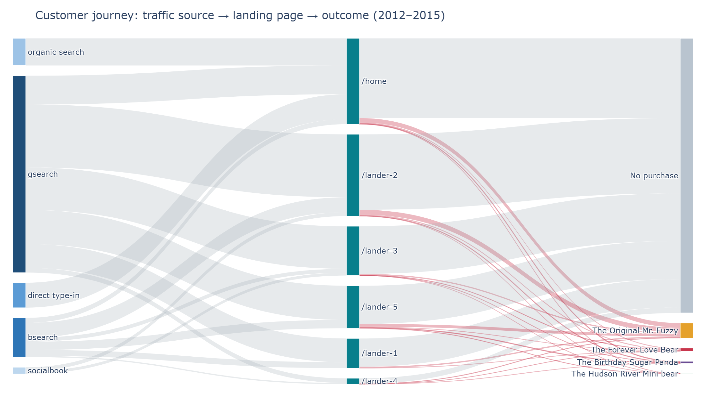
Customer Journey Sankey Analysis
Traffic source to landing page to outcome, with a fair landing-page comparison

Key findings
• /home receives all brand and untagged traffic; landers receive only paid non-brand traffic.
• Site-wide conversion doubled from 4.1% (2012) to 8.4% (2015), flattering later landing pages.
• Same period, desktop non-brand: /lander-5 9.95% vs /lander-2 8.37% (+1.57 pp, 95% CI +1.03 to +2.12).
• /lander-3 serves only mobile traffic and converts at 3.4%.
• The socialbook pilot campaign converts at about 1%.

Sheets in this workbook
By source: sessions, orders and conversion by source and campaign
Landing pages: live dates, sessions, conversion and mobile share
Fair comparison: same-period non-brand comparison

Source: Maven Fuzzy Factory e-commerce dataset (Maven Analytics), March 2012 to March 2015

