Summary
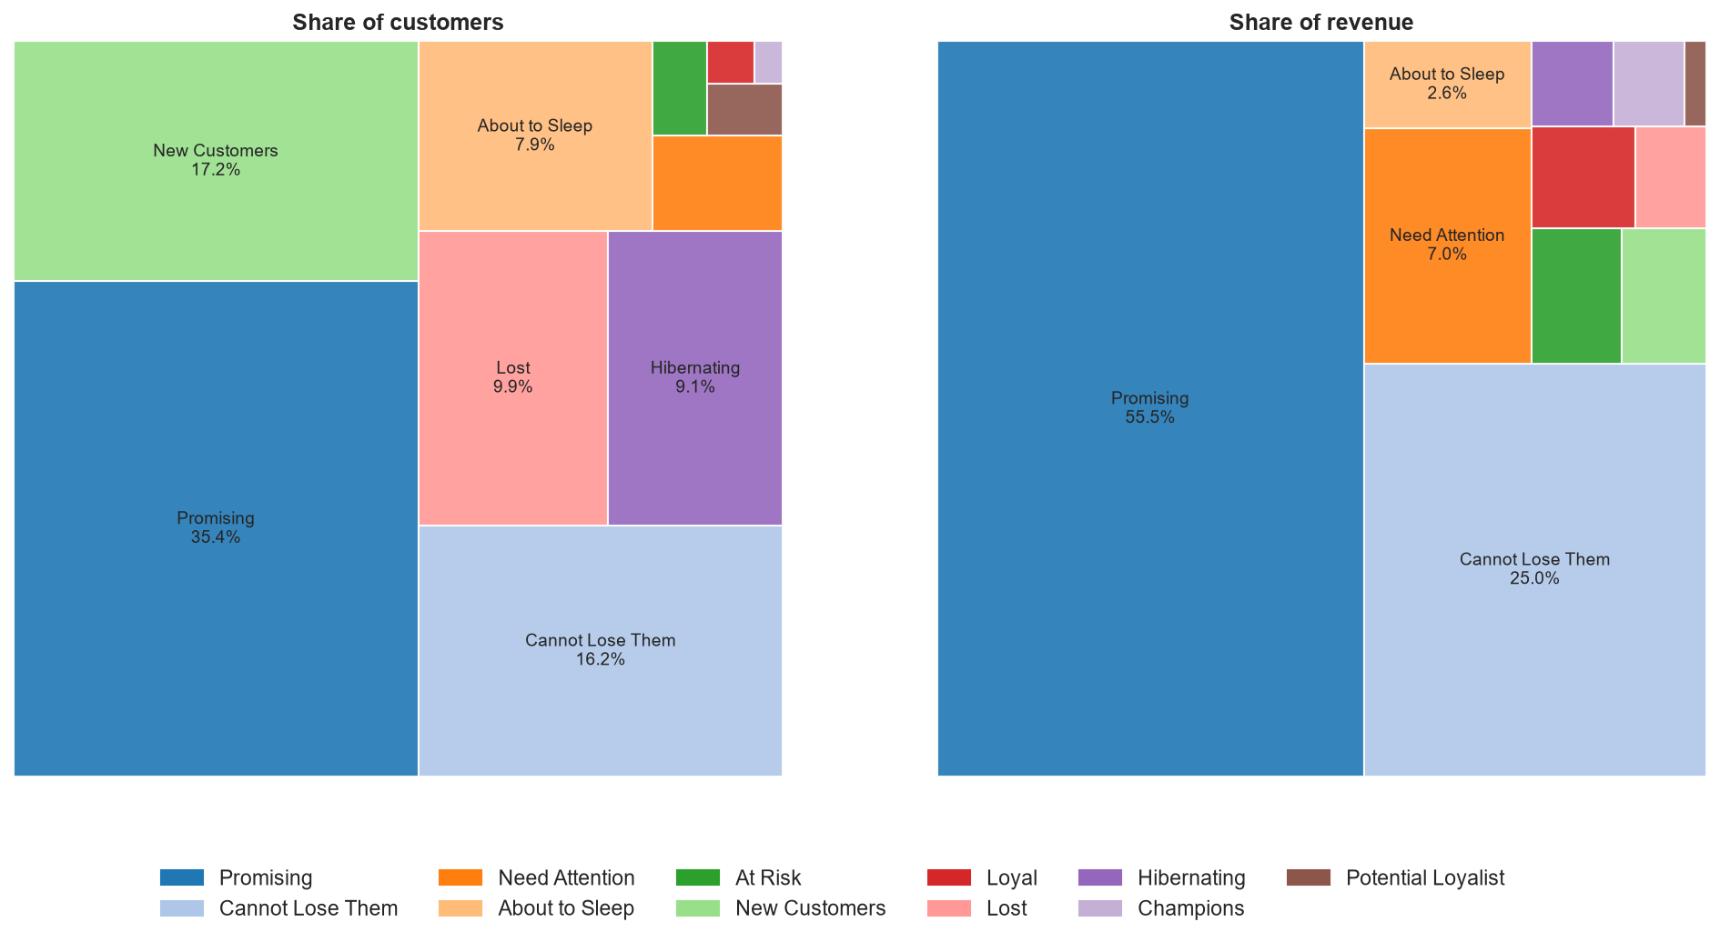
RFM Customer Segmentation
Whom to reward, develop and win back

Key findings
• Promising (35.4% of customers) and Cannot Lose Them (16.2%) hold 80.5% of revenue.
• 88.7% of customers placed one or two orders, so segments are driven mainly by recency and spend.
• Cannot Lose Them customers have not ordered for 979 days on average.
• Champions and Loyal customers are 0.6% of customers but spend about three times more per head.
• Need Attention: 2.2% of customers, 7.0% of revenue, $1,007 per customer.

Sheets in this workbook
Segments: customers, revenue and behaviour by segment
Customer scores: R, F, M scores and segment for every customer

Source: Synthetic educational e-commerce data, 51,290 order lines, 2020-2023

