Sheet1
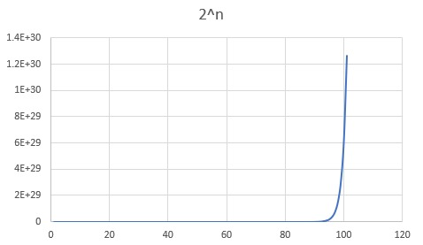
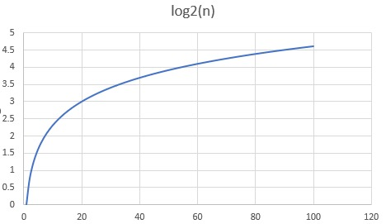
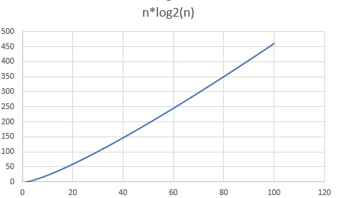
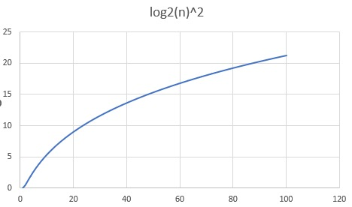
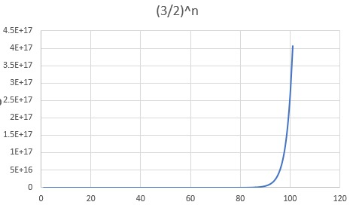
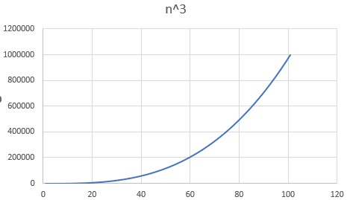
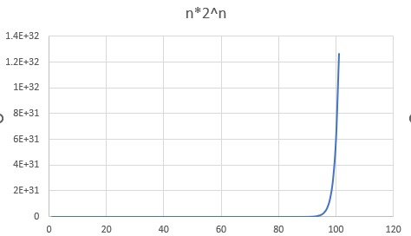
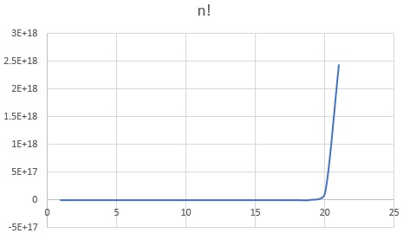
n | 2^n | log2(n) | n*log2(n) | log2(n)^2 | (3/2)^n | n^3 | 2^log2(n) | n*2^n | log2(log2(n)) | square root | n!
0 | 1 | not defined | not defined | not defined | 1 | 0 | not defined | 0 | not defined | 0 | 1
1 | 2 | 0 | 0 | 0 | 1.5 | 1 | 1 | 2 | not defined | 1 | 1
2 | 4 | 0.69314718056 | 1.3862943611 | 0.48045301392 | 2.25 | 8 | 1.6168066722 | 8 | -0.36651292058 | 1.4142135624 | 2
3 | 8 | 1.0986122887 | 3.295836866 | 1.2069489608 | 3.375 | 27 | 2.1414860639 | 24 | 0.094047827617 | 1.7320508076 | 6
4 | 16 | 1.3862943611 | 5.5451774445 | 1.9218120557 | 5.0625 | 64 | 2.6140638154 | 64 | 0.32663425998 | 2 | 24
5 | 32 | 1.6094379124 | 8.0471895622 | 2.590290394 | 7.59375 | 125 | 3.0513293597 | 160 | 0.47588499533 | 2.2360679775 | 120
6 | 64 | 1.7917594692 | 10.750556815 | 3.2104019956 | 11.390625 | 216 | 3.4623689566 | 384 | 0.58319808078 | 2.4494897428 | 720
7 | 128 | 1.9459101491 | 13.621371043 | 3.7865663082 | 17.0859375 | 343 | 3.852807616 | 896 | 0.66572981058 | 2.6457513111 | 5040
8 | 256 | 2.0794415417 | 16.635532333 | 4.3240771253 | 25.62890625 | 512 | 4.2264358184 | 2048 | 0.73209936809 | 2.8284271247 | 40320
9 | 512 | 2.1972245773 | 19.775021196 | 4.8277958433 | 38.443359375 | 729 | 4.5859625619 | 4608 | 0.78719500818 | 3 | 362880
10 | 1024 | 2.302585093 | 23.02585093 | 5.3018981105 | 57.665039062 | 1000 | 4.9334096679 | 10240 | 0.83403244525 | 3.1622776602 | 3628800
11 | 2048 | 2.3978952728 | 26.376848001 | 5.7499017393 | 86.497558594 | 1331 | 5.2703372121 | 22528 | 0.87459138292 | 3.3166247904 | 39916800
12 | 4096 | 2.4849066498 | 29.818879797 | 6.1747610582 | 129.74633789 | 1728 | 5.5979812308 | 49152 | 0.91023509337 | 3.4641016151 | 479001600
13 | 8192 | 2.5649493575 | 33.344341647 | 6.5789652063 | 194.61950684 | 2197 | 5.9173423185 | 106496 | 0.94193873475 | 3.6055512755 | 6227020800
14 | 16384 | 2.6390573296 | 36.946802615 | 6.964623589 | 291.92926025 | 2744 | 6.2292450605 | 229376 | 0.97042178128 | 3.7416573868 | 87178291200
15 | 32768 | 2.7080502011 | 40.620753017 | 7.3335358917 | 437.89389038 | 3375 | 6.5343793001 | 491520 | 0.99622889295 | 3.8729833462 | 1307674368000
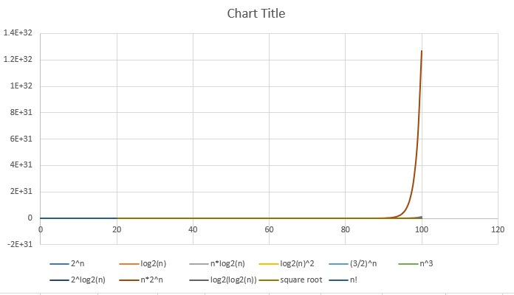
16 | 65536 | 2.7725887222 | 44.361419556 | 7.6872482227 | 656.84083557 | 4096 | 6.833329631 | 1048576 | 1.0197814405 | 4 | 20922789888000
17 | 131072 | 2.8332133441 | 48.164626849 | 8.0270978529 | 985.26125336 | 4913 | 7.1265969998 | 2228224 | 1.0414115248 | 4.1231056256 | 355687428096000
18 | 262144 | 2.8903717579 | 52.026691642 | 8.3542488988 | 1477.89188 | 5832 | 7.4146148687 | 4718592 | 1.0613851298 | 4.2426406871 | 6.4023737057E+15
19 | 524288 | 2.9444389792 | 55.944340604 | 8.669720902 | 2216.8378201 | 6859 | 7.6977615341 | 9961472 | 1.0799182995 | 4.3588989435 | 1.2164510041E+17
20 | 1048576 | 2.9957322736 | 59.914645471 | 8.9744118548 | 3325.2567301 | 8000 | 7.976369668 | 20971520 | 1.0971887004 | 4.472135955 | 2.4329020082E+18
21 | 2097152 | 3.0445224377 | 63.934971192 | 9.2691168738 | 4987.8850951 | 9261 | 8.2507338166 | 44040192 | 1.113344054 | 4.582575695
22 | 4194304 | 3.0910424534 | 68.002933974 | 9.5545434485 | 7481.8276427 | 10648 | 8.5211163695 | 92274688 | 1.1285083976 | 4.6904157598
23 | 8388608 | 3.1354942159 | 72.116366966 | 9.8313239781 | 11222.741464 | 12167 | 8.7877523657 | 192937984 | 1.1427868063 | 4.7958315233
24 | 16777216 | 3.1780538303 | 76.273291928 | 10.100026149 | 16834.112196 | 13824 | 9.0508534051 | 402653184 | 1.1562690064 | 4.8989794856
25 | 33554432 | 3.2188758249 | 80.471895622 | 10.361161576 | 25251.168294 | 15625 | 9.3106108612 | 838860800 | 1.1690321759 | 5
26 | 67108864 | 3.258096538 | 84.710509989 | 10.615193051 | 37876.752441 | 17576 | 9.5671985424 | 1744830464 | 1.1811431408 | 5.0990195136
27 | 134217728 | 3.295836866 | 88.987595382 | 10.862540647 | 56815.128662 | 19683 | 9.8207749159 | 3623878656 | 1.1926601163 | 5.1961524227
28 | 268435456 | 3.3322045102 | 93.301726285 | 11.103586898 | 85222.692992 | 21952 | 10.071484977 | 7516192768 | 1.2036341 | 5.2915026221
29 | 536870912 | 3.36729583 | 97.65157907 | 11.338681207 | 127834.03949 | 24389 | 10.319461832 | 15569256448 | 1.2141099979 | 5.3851648071
30 | 1073741824 | 3.4011973817 | 102.03592145 | 11.568143629 | 191751.05923 | 27000 | 10.564828051 | 32212254720 | 1.2241275407 | 5.4772255751
31 | 2147483648 | 3.4339872045 | 106.45360334 | 11.792268121 | 287626.58885 | 29791 | 10.807696821 | 66571993088 | 1.2337220363 | 5.5677643628
32 | 4294967296 | 3.4657359028 | 110.90354889 | 12.011325348 | 431439.88327 | 32768 | 11.048172941 | 137438953472 | 1.2429249919 | 5.6568542495
33 | 8589934592 | 3.4965075615 | 115.38474953 | 12.225565127 | 647159.82491 | 35937 | 11.286353692 | 283467841536 | 1.2517646307 | 5.7445626465
34 | 17179869184 | 3.5263605246 | 119.89625784 | 12.43521855 | 970739.73737 | 39304 | 11.52232958 | 584115552256 | 1.2602663262 | 5.8309518948
35 | 34359738368 | 3.5553480615 | 124.43718215 | 12.640499838 | 1456109.606 | 42875 | 11.756184996 | 1202590842880 | 1.2684529661 | 5.9160797831
36 | 68719476736 | 3.5835189385 | 129.00668178 | 12.841607982 | 2184164.4091 | 46656 | 11.987998792 | 2473901162496 | 1.2763452613 | 6
37 | 137438953472 | 3.6109179126 | 133.60396277 | 13.038728172 | 3276246.6136 | 50653 | 12.217844785 | 5085241278464 | 1.2839620095 | 6.0827625303
38 | 274877906944 | 3.6375861597 | 138.22827407 | 13.232033069 | 4914369.9204 | 54872 | 12.44579221 | 10445360463872 | 1.2913203187 | 6.164414003
39 | 549755813888 | 3.6635616461 | 142.8789042 | 13.421683935 | 7371554.8806 | 59319 | 12.67190611 | 21440476741632 | 1.2984358016 | 6.2449979984
40 | 1099511627776 | 3.6888794541 | 147.55517816 | 13.607831627 | 11057332.321 | 64000 | 12.896247699 | 43980465111040 | 1.305322741 | 6.3245553203
41 | 2199023255552 | 3.7135720667 | 152.25645473 | 13.790617495 | 16585998.481 | 68921 | 13.118874671 | 90159953477632 | 1.3119942346 | 6.4031242374
42 | 4398046511104 | 3.7376696183 | 156.98212397 | 13.970174175 | 24878997.722 | 74088 | 13.339841486 | 184717953466368 | 1.3184623205 | 6.4807406984
43 | 8796093022208 | 3.7612001157 | 161.73160497 | 14.14662631 | 37318496.583 | 79507 | 13.55919962 | 378231999954944 | 1.3247380862 | 6.5574385243
44 | 17592186044416 | 3.7841896339 | 166.50434389 | 14.320091185 | 55977744.875 | 85184 | 13.776997801 | 774056185954304 | 1.3308317646 | 6.6332495807
45 | 35184372088832 | 3.8066624898 | 171.29981204 | 14.490679311 | 83966617.312 | 91125 | 13.993282207 | 1.583296744E+15 | 1.3367528183 | 6.7082039325
46 | 70368744177664 | 3.8286413965 | 176.11750424 | 14.658494943 | 125949925.97 | 97336 | 14.208096659 | 3.2369622322E+15 | 1.3425100135 | 6.7823299831
47 | 140737488355328 | 3.8501476017 | 180.95693728 | 14.823636555 | 188924888.95 | 103823 | 14.421482784 | 6.6146619527E+15 | 1.3481114857 | 6.8556546004
48 | 281474976710656 | 3.8712010109 | 185.81764852 | 14.986197267 | 283387333.43 | 110592 | 14.633480175 | 1.3510798882E+16 | 1.3535647976 | 6.9282032303
49 | 562949953421312 | 3.8918202981 | 190.69919461 | 15.146265233 | 425081000.14 | 117649 | 14.844126526 | 2.7584547718E+16 | 1.3588769911 | 7
50 | 1.1258999068E+15 | 3.9120230054 | 195.60115027 | 15.303923995 | 637621500.21 | 125000 | 15.053457763 | 5.6294995342E+16 | 1.3640546329 | 7.0710678119
51 | 2.2517998137E+15 | 3.9318256327 | 200.52310727 | 15.459252806 | 956432250.32 | 132651 | 15.261508158 | 1.148417905E+17 | 1.3691038556 | 7.1414284285
52 | 4.5035996274E+15 | 3.9512437186 | 205.46467337 | 15.612326924 | 1434648375.5 | 140608 | 15.468310438 | 2.3418718062E+17 | 1.3740303948 | 7.2111025509
53 | 9.0071992547E+15 | 3.9702919136 | 210.42547142 | 15.763217879 | 2151972563.2 | 148877 | 15.673895882 | 4.773815605E+17 | 1.3788396219 | 7.2801098893
54 | 1.8014398509E+16 | 3.9889840466 | 215.40513851 | 15.911993724 | 3227958844.8 | 157464 | 15.878294411 | 9.7277751951E+17 | 1.3835365736 | 7.3484692283
55 | 3.6028797019E+16 | 4.0073331852 | 220.40332519 | 16.058719257 | 4841938267.3 | 166375 | 16.081534671 | 1.981583836E+18 | 1.388125979 | 7.4161984871
56 | 7.2057594038E+16 | 4.0253516907 | 225.41969468 | 16.203456234 | 7262907400.9 | 175616 | 16.28364411 | 4.0352252661E+18 | 1.3926122836 | 7.4833147735
57 | 1.4411518808E+17 | 4.0430512678 | 230.45392227 | 16.346263554 | 10894361101 | 185193 | 16.484649049 | 8.2145657203E+18 | 1.3969996712 | 7.5498344353
58 | 2.8823037615E+17 | 4.0604430105 | 235.50569461 | 16.487197442 | 16341541652 | 195112 | 16.684574745 | 1.6717361817E+19 | 1.4012920836 | 7.6157731059
59 | 5.764607523E+17 | 4.0775374439 | 240.57470919 | 16.626311606 | 24512312478 | 205379 | 16.883445453 | 3.4011184386E+19 | 1.4054932385 | 7.6811457479
60 | 1.1529215046E+18 | 4.0943445622 | 245.66067373 | 16.763657394 | 36768468717 | 216000 | 17.081284485 | 6.9175290276E+19 | 1.4096066464 | 7.7459666924
61 | 2.3058430092E+18 | 4.1108738642 | 250.76330571 | 16.899283927 | 55152703075 | 226981 | 17.278114254 | 1.4065642356E+20 | 1.4136356249 | 7.8102496759
62 | 4.6116860184E+18 | 4.127134385 | 255.88233187 | 17.033238232 | 82729054613 | 238328 | 17.473956331 | 2.8592453314E+20 | 1.4175833126 | 7.874007874
63 | 9.2233720369E+18 | 4.1431347264 | 261.01748776 | 17.165565361 | 1.2409358192E+11 | 250047 | 17.668831485 | 5.8107243832E+20 | 1.4214526816 | 7.9372539332
64 | 1.8446744074E+19 | 4.1588830834 | 266.16851734 | 17.296308501 | 1.8614037288E+11 | 262144 | 17.862759727 | 1.1805916207E+21 | 1.4252465486 | 8
65 | 3.6893488147E+19 | 4.1743872699 | 271.33517254 | 17.425509079 | 2.7921055932E+11 | 274625 | 18.055760348 | 2.3980767296E+21 | 1.4289675858 | 8.0622577483
66 | 7.3786976295E+19 | 4.189654742 | 276.51721297 | 17.553206857 | 4.1881583898E+11 | 287496 | 18.247851954 | 4.8699404355E+21 | 1.4326183301 | 8.1240384046
67 | 1.4757395259E+20 | 4.2046926194 | 281.7144055 | 17.679440024 | 6.2822375847E+11 | 300763 | 18.439052506 | 9.8874548235E+21 | 1.4362011919 | 8.1853527719
68 | 2.9514790518E+20 | 4.2195077052 | 286.92652395 | 17.804245274 | 9.423356377E+11 | 314432 | 18.629379344 | 2.0070057552E+22 | 1.4397184637 | 8.2462112512
69 | 5.9029581036E+20 | 4.2341065046 | 292.15334882 | 17.927657892 | 1.4135034566E+12 | 328509 | 18.818849224 | 4.0730410915E+22 | 1.443172327 | 8.3066238629
70 | 1.1805916207E+21 | 4.248495242 | 297.39466694 | 18.049711822 | 2.1202551848E+12 | 343000 | 19.007478342 | 8.264141345E+22 | 1.4465648595 | 8.3666002653
71 | 2.3611832414E+21 | 4.262679877 | 302.65027127 | 18.170439734 | 3.1803827772E+12 | 357911 | 19.19528236 | 1.6764401014E+23 | 1.4498980416 | 8.4261497732
72 | 4.7223664829E+21 | 4.276666119 | 307.91996057 | 18.289873094 | 4.7705741659E+12 | 373248 | 19.382276433 | 3.4001038677E+23 | 1.4531737619 | 8.4852813742
73 | 9.4447329657E+21 | 4.2904594411 | 313.2035392 | 18.408042216 | 7.1558612488E+12 | 389017 | 19.568475234 | 6.894655065E+23 | 1.456393823 | 8.5440037453
74 | 1.8889465931E+22 | 4.3040650932 | 318.5008169 | 18.524976327 | 1.0733791873E+13 | 405224 | 19.753892969 | 1.3978204789E+24 | 1.4595599466 | 8.602325267
75 | 3.7778931863E+22 | 4.3174881135 | 323.81160852 | 18.640703611 | 1.610068781E+13 | 421875 | 19.938543406 | 2.8334198897E+24 | 1.4626737779 | 8.6602540378
76 | 7.5557863726E+22 | 4.3307333403 | 329.13573386 | 18.755251265 | 2.4151031715E+13 | 438976 | 20.122439886 | 5.7423976432E+24 | 1.4657368903 | 8.7177978871
77 | 1.5111572745E+23 | 4.3438054219 | 334.47301748 | 18.868645543 | 3.6226547572E+13 | 456533 | 20.30559535 | 1.1635911014E+25 | 1.4687507892 | 8.7749643874
78 | 3.022314549E+23 | 4.3567088267 | 339.82328848 | 18.980911801 | 54339821358091 | 474552 | 20.488022349 | 2.3574053482E+25 | 1.471716916 | 8.8317608663
79 | 6.0446290981E+23 | 4.3694478525 | 345.18638034 | 19.092074535 | 8.1509732037E+13 | 493039 | 20.669733066 | 4.7752569875E+25 | 1.4746366516 | 8.8881944173
80 | 1.2089258196E+24 | 4.3820266347 | 350.56213077 | 19.202157427 | 122264598055705 | 512000 | 20.850739327 | 9.6714065569E+25 | 1.4775113194 | 8.94427191
81 | 2.4178516392E+24 | 4.3944491547 | 355.95038153 | 19.311183373 | 183396897083557 | 531441 | 21.031052619 | 1.9584598278E+26 | 1.4803421887 | 9
82 | 4.8357032785E+24 | 4.4067192473 | 361.35097828 | 19.419174524 | 275095345625335 | 551368 | 21.210684101 | 3.9652766883E+26 | 1.4831304777 | 9.0553851381
83 | 9.6714065569E+24 | 4.4188406078 | 366.76377045 | 19.526152317 | 412643018438003 | 571787 | 21.38964462 | 8.0272674422E+26 | 1.4858773558 | 9.1104335791
84 | 1.9342813114E+25 | 4.4308167988 | 372.1886111 | 19.632137505 | 618964527657005 | 592704 | 21.567944721 | 1.6247963016E+27 | 1.488583946 | 9.1651513899
85 | 3.8685626228E+25 | 4.4426512565 | 377.6253568 | 19.737150187 | 928446791485507 | 614125 | 21.74559466 | 3.2882782294E+27 | 1.4912513281 | 9.2195444573
86 | 7.7371252455E+25 | 4.4543472963 | 383.07386748 | 19.841209836 | 1.3926701872E+15 | 636056 | 21.922604416 | 6.6539277112E+27 | 1.4938805398 | 9.2736184955
87 | 1.5474250491E+26 | 4.4659081187 | 388.53400632 | 19.944335324 | 2.0890052808E+15 | 658503 | 22.098983701 | 1.3462597927E+28 | 1.4964725797 | 9.3273790531
88 | 3.0948500982E+26 | 4.4773368145 | 394.00563967 | 20.04654495 | 3.1335079213E+15 | 681472 | 22.274741968 | 2.7234680864E+28 | 1.4990284086 | 9.3808315196
89 | 6.1897001964E+26 | 4.4886363697 | 399.48863691 | 20.14785646 | 4.7002618819E+15 | 704969 | 22.449888425 | 5.5088331748E+28 | 1.5015489518 | 9.4339811321
90 | 1.2379400393E+27 | 4.4998096703 | 404.98287033 | 20.248287069 | 7.0503928228E+15 | 729000 | 22.62443204 | 1.1141460354E+29 | 1.5040351004 | 9.4868329805
91 | 2.4758800786E+27 | 4.5108595065 | 410.48821509 | 20.347853488 | 1.0575589234E+16 | 753571 | 22.798381551 | 2.2530508715E+29 | 1.5064877133 | 9.5393920142
92 | 4.9517601571E+27 | 4.521788577 | 416.00454909 | 20.446571936 | 1.5863383851E+16 | 778688 | 22.971745478 | 4.5556193446E+29 | 1.5089076185 | 9.5916630466
93 | 9.9035203143E+27 | 4.5325994932 | 421.53175286 | 20.544458165 | 2.3795075777E+16 | 804357 | 23.144532124 | 9.2102738923E+29 | 1.5112956145 | 9.643650761
94 | 1.9807040629E+28 | 4.5432947823 | 427.06970953 | 20.641527479 | 3.5692613666E+16 | 830584 | 23.316749589 | 1.8618618191E+30 | 1.5136524718 | 9.6953597148
95 | 3.9614081257E+28 | 4.5538768916 | 432.6183047 | 20.737794744 | 5.3538920498E+16 | 857375 | 23.488405773 | 3.7633377194E+30 | 1.5159789343 | 9.7467943448
96 | 7.9228162514E+28 | 4.5643481915 | 438.17742638 | 20.833274413 | 8.0308380748E+16 | 884736 | 23.659508385 | 7.6059036014E+30 | 1.5182757199 | 9.7979589711
97 | 1.5845632503E+29 | 4.5747109785 | 443.74696491 | 20.927980537 | 1.2046257112E+17 | 912673 | 23.830064949 | 1.5370263528E+31 | 1.5205435226 | 9.8488578018
98 | 3.1691265006E+29 | 4.5849674787 | 449.32681291 | 21.02192678 | 1.8069385668E+17 | 941192 | 24.000082811 | 3.1057439706E+31 | 1.5227830127 | 9.8994949366
99 | 6.3382530011E+29 | 4.5951198501 | 454.91686516 | 21.115126437 | 2.7104078502E+17 | 970299 | 24.169569143 | 6.2748704711E+31 | 1.5249948382 | 9.9498743711
100 | 1.2676506002E+30 | 4.605170186 | 460.5170186 | 21.207592442 | 4.0656117754E+17 | 1000000 | 24.338530951 | 1.2676506002E+32 | 1.5271796258 | 10

