Dashboard
Africa Health Dashboard |  |  |  |  |  | ← Home

HayMedics Healthcare Analytics • 53 countries • 2000–2022

Year | 2022 |  |  | Showing: Maternal mortality ratio Unit: per 100,000 births Category: Mortality ↓ lower is better
Indicator | Maternal mortality ratio

COUNTRIES REPORTING |  | CONTINENT AVERAGE | CHANGE SINCE 2000 | TOP PERFORMER | NEEDS ATTENTION
53 |  | 301.5 | -281.4 | Egypt, Arab Rep. | Nigeria

of 53 |  | per 100,000 births | vs year-2000 average | value: 24.0 | value: 1,016.0

GEOGRAPHIC VARIATION — four indicators mapped across Africa (2022)

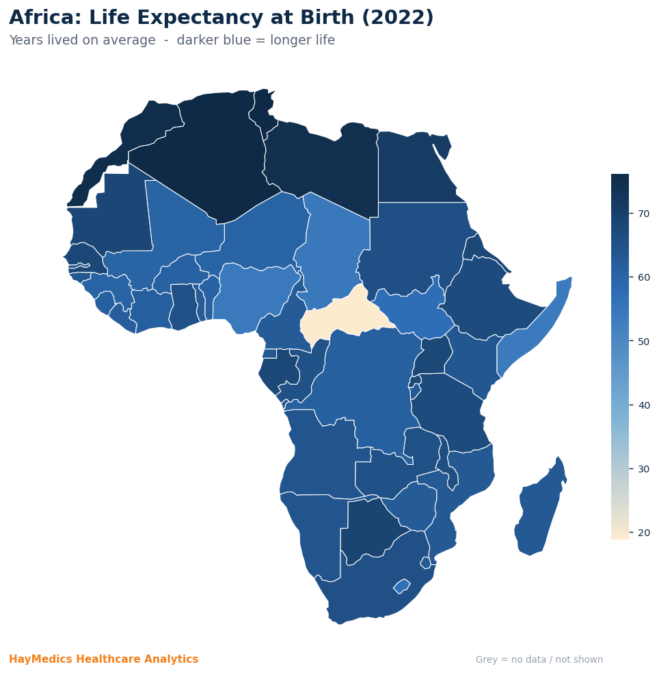
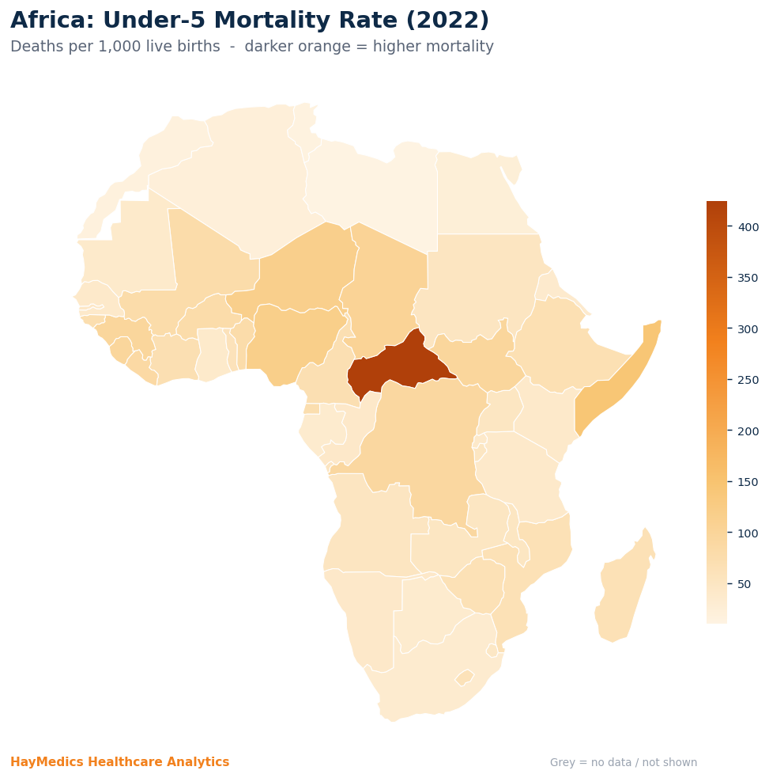

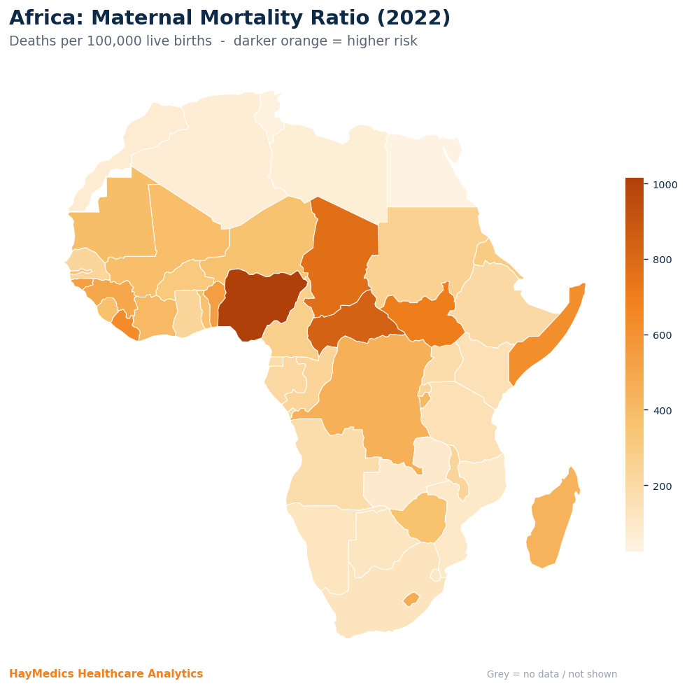
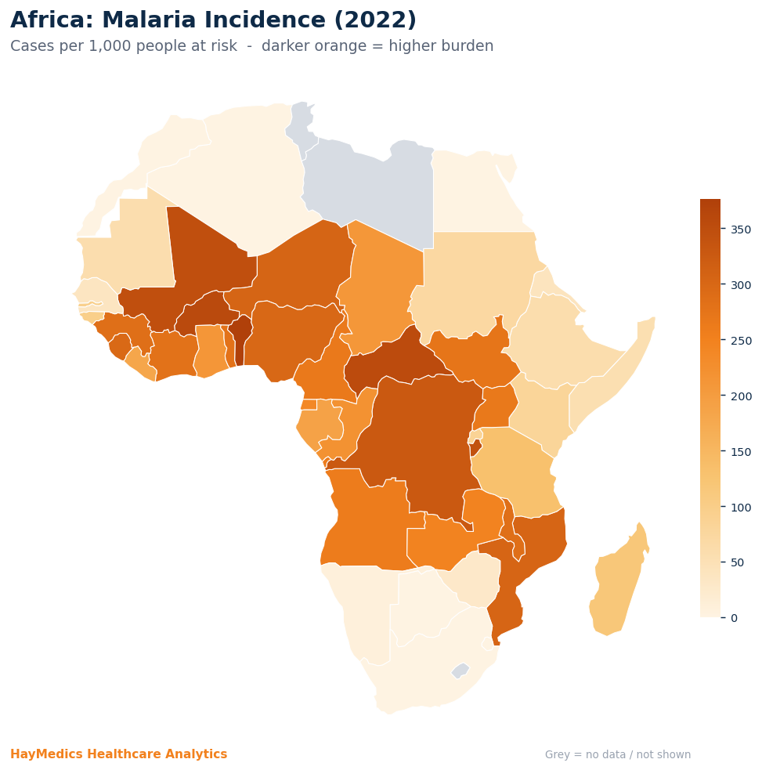

PERFORMANCE — reacts to the Year & Indicator you select above

Top 10 Countries (selected indicator)
 | 0
Seychelles | 89
Sao Tome and Principe | 82
Morocco | 71
Algeria | 64
Mauritius | 61
Libya | 60
Cabo Verde | 42
Tunisia | 38
Egypt, Arab Rep. | 24
Continent Trend 2000–2022 (selected indicator)
2000 | 582.9245283
2001 | 560.66037736
2002 | 540.90566038
2003 | 518.94339623
2004 | 501.24528302
2005 | 495.22641509
2006 | 491.32075472
2007 | 493.71698113
2008 | 499.88679245
2009 | 500.35849057
2010 | 488.16981132
2011 | 472.60377358
2012 | 452.60377358
2013 | 434.45283019
2014 | 424.50943396
2015 | 408.01886792
2016 | 389.52830189
2017 | 375.83018868
2018 | 346.73584906
2019 | 344.64150943
2020 | 330.39622642
2021 | 349.1509434
2022 | 301.50943396

Average by Income Group (selected indicator)
Low income | 423.9047619
Lower middle income | 268.5
Upper middle income | 109.375
High income | 89
Worst 10 Countries (selected indicator)
Lesotho | 477
Guinea | 500
Guinea-Bissau | 539
Benin | 547
Somalia, Fed. Rep. | 622
Liberia | 634
South Sudan | 704
Chad | 775
Central African Republic | 841
Nigeria | 1016

