Bug Report
Defect Report |  | Defect Report |  | Defect Report

Release | V.1.0 | Release | V.1.0 | Release | V.1.0
Title | User is not able to signup if he/she enters a first name with three charachters | Title | The location of the loader in the login page is wrong | Title | No available task message will appear when adding a total of 5 tasks
Description | It happens in all the browsers and all the screen views, the first name that we used during the testing is HAT | Description | After logging and while waiting the response from the server, the loader will appear in a wrong location, down with alot of margin | Description | In the todo page and when you add 5 todos, the message "No available tasks" will appear
Steps | 1- Enter a first name with "HAT". 2- Fill a correct last name. 3- Fill a correct email formate, and the email should not be registered in the database. 4- Fill a correct password. 5- Fill a correct confirm password. 6- Click on signup button | Steps | 1- Go to login page 2- Fill the email 3- Fill the password 4- Click on login 5- Check the loader | Steps | 1- Go to Todos Page 2- Add 5 tasks
Expected Results | Should be able to signup correctly | Expected Results | The loader should appear correctly in the correct location | Expected Results | No available tasks should not be visible
Actual Result | This error message was displayed "First Name is required, and it should be more than 3 characters" | Actual Result | The loader will be displayed in a wrong location | Actual Result | No available task is visible
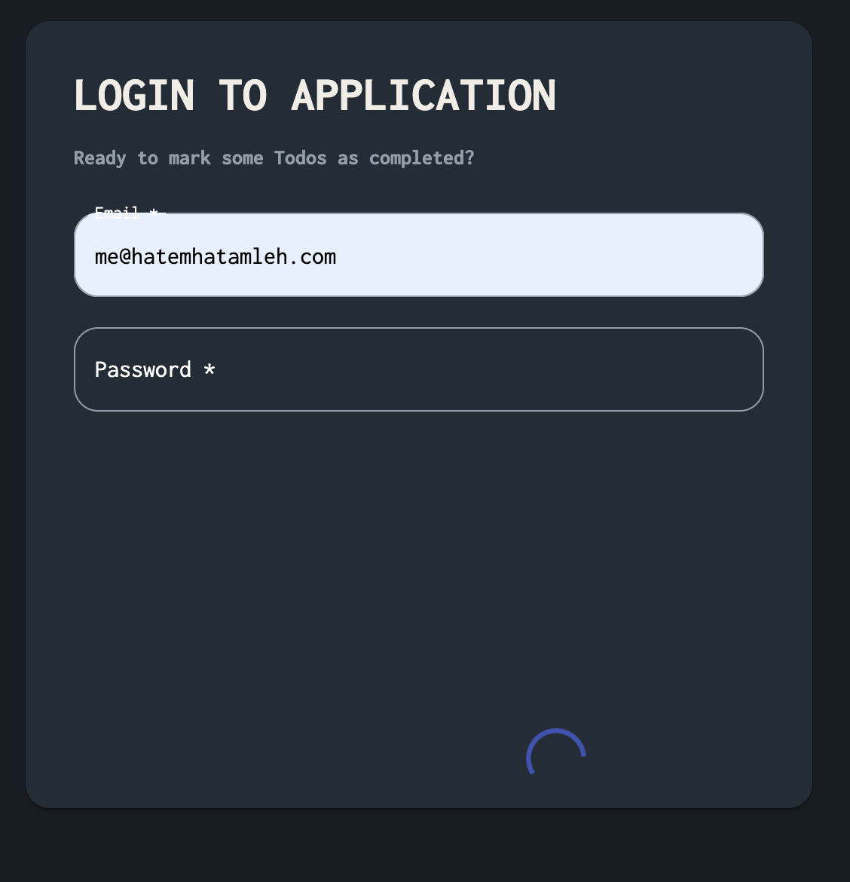
Environment | Chrome V.97 | Environment | Chrome V.97 | Environment | Chrome V.97
Screenshot / Video | 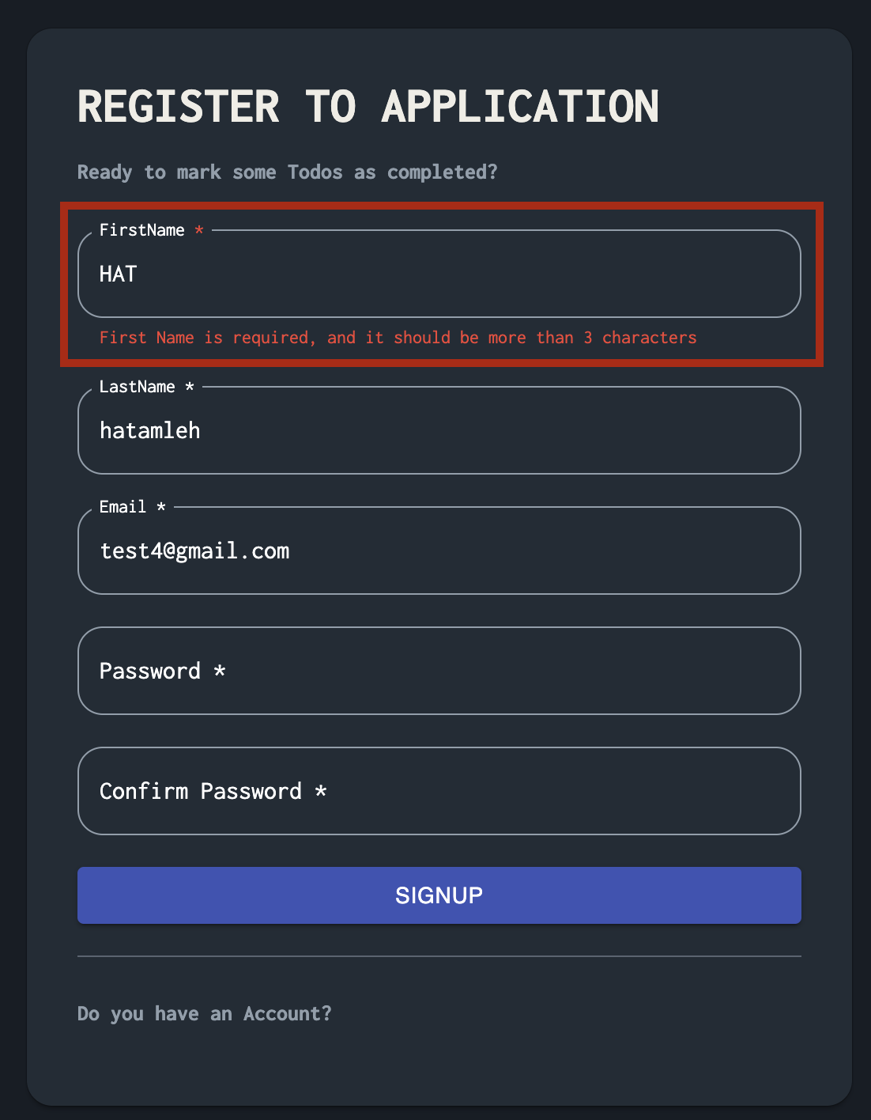 | Screenshot / Video |  | Screenshot / Video | 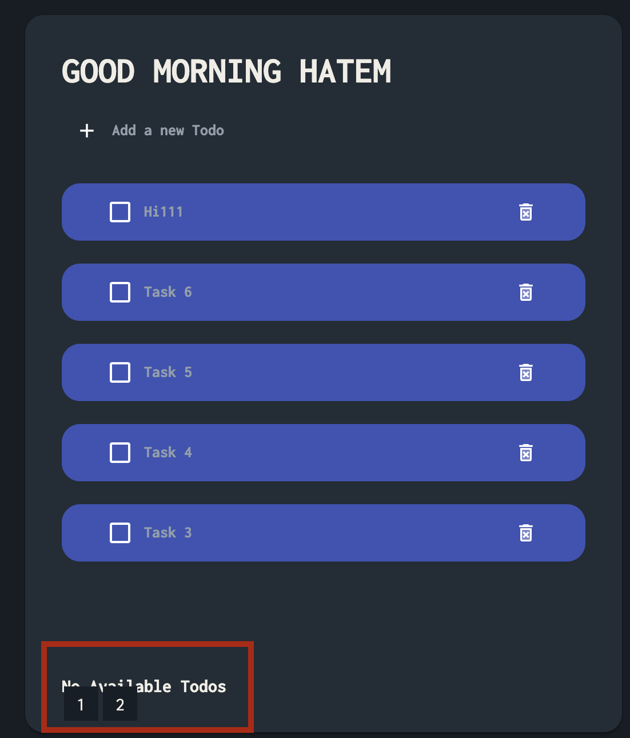
Rate | 2022-05-05 | Rate | 2022-05-05 | Rate | 2022-05-05
Priority | B | Priority | C | Priority | A
Status | Open | Status | Open | Status | Open
© Copy rights for QAcart 2022 |  | © Copy rights for QAcart 2022 |  | © Copy rights for QAcart 2022

Defect Report |  | Defect Report

Release | V.1.0 | Release | V.1.0
Title | when the user's first name is 2 letters it returns a message in the todo list that says "Good afternoon + the username registered into the database" | Title | when user insert the email and pass correctelly in the login box the loading shall emerge under the pass box but it is not
Description | it should return the word "User" instead | Description | the loading emerges at the end of the loging page to the right side
Steps | 1- Enter a first name with "HA". 2- Fill a correct last name. 3- Fill a correct email formate, and the email should not be registered in the database. 4- Fill a correct password. 5- Fill a correct confirm password. 6- Click on signup button 7- on the todo page the message mentioned is displayed | Steps | 1- Enter a correct email 2- Fill a correct pass 3- Click login
Expected Results | should return good evening User | Expected Results | should show loading under the pass box
Actual Result | it returns "Good afternoon HA" | Actual Result | loading happening at the end of the login box
Environment | Chrome V.97 | Environment | Chrome V.97
Screenshot / Video |  | Screenshot / Video
Rate | 2023-05-04 | Rate | 2023-05-02
Priority | B | Priority | B
Status | Open | Status | Open
© Copy rights for QAcart 2022 |  | © Copy rights for QAcart 2022

Defect Report |  | Defect Report

Release | V.1.0 | Release | V.1.0
Title | Pagination should be working successfully without the pagination message that "No Available Todos" if we added more than 5 todo Items | Title | The App designing is not suiting the mobile screen
Description | the pagination message that "No Available Todos" with the pagination in the same time even if it should not be there after adding the sixth todo item | Description | The design of the App on the mobile screen is not fitting the screen well4
Steps | Adding more than 5 todo Items | Steps | Trying the App over the mobile screen
Expected Results | Pagination should be working successfully without the pagination message that "No Available Todos" if we added more than 5 todo Items | Expected Results | supposed to be working fine and fit the mobile screen but it did not
Actual Result | The pagination message that "No Available Todos" is displayed along with the pagination | Actual Result | Did not fit the mobile screen
Environment | Chrome V.97 | Environment | Chrome V.97
Screenshot / Video |  | Screenshot / Video
Rate | 2023-05-02 | Rate | 2023-05-03
Priority | B | Priority | A
Status | Open | Status | Open
© Copy rights for QAcart 2022 |  | © Copy rights for QAcart 2022

