1.Prepare the data
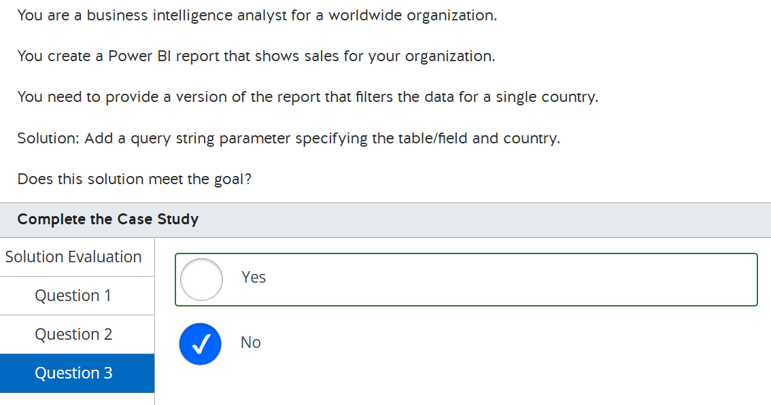
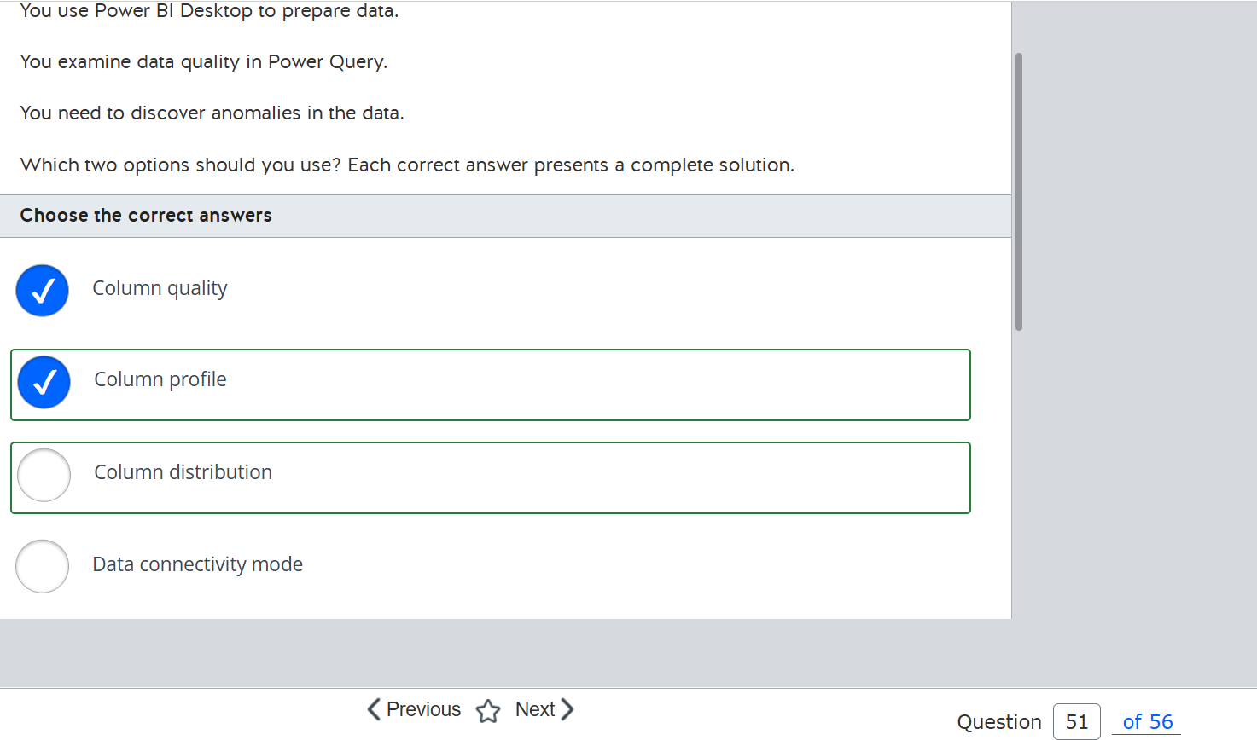
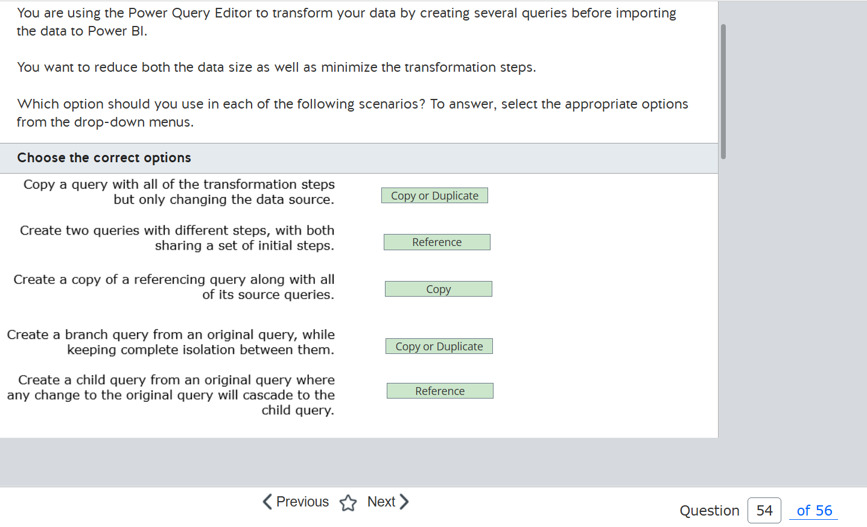
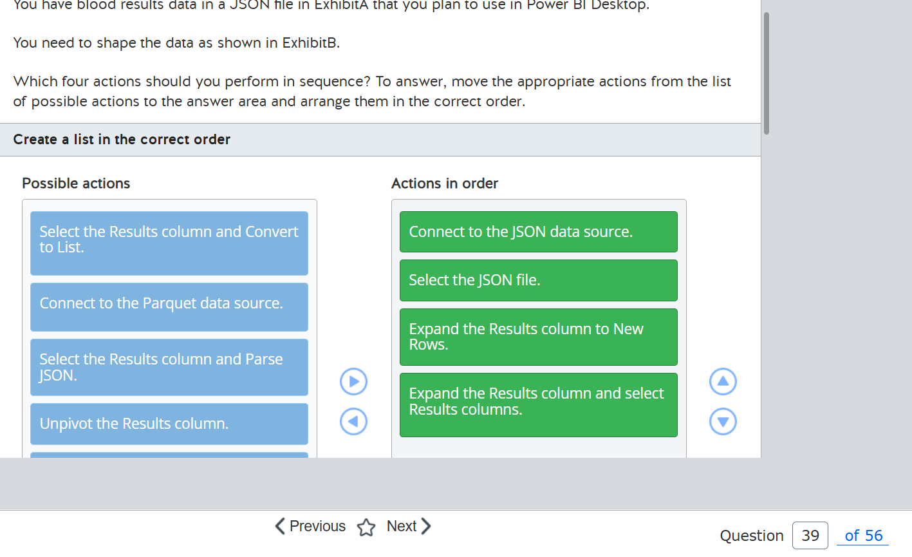
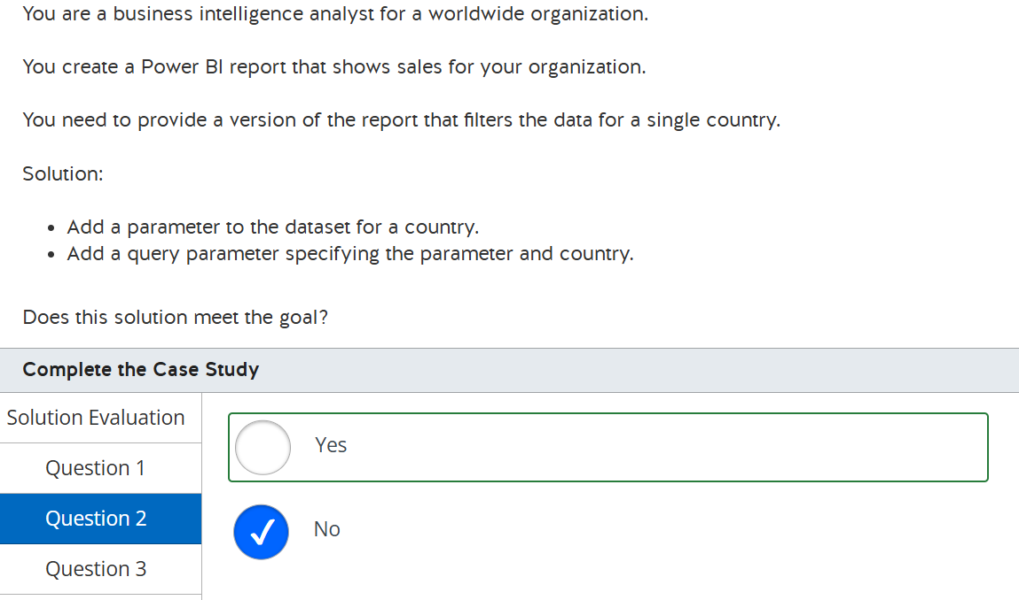
2 | https://www.youtube.com/watch?v=LDWEoWoabAI&ab_channel=KahanDataSolutions
 | https://www.udemy.com/course/pl-300-da-100-microsoft-power-bi-data-analyst-exam-prep/learn/lecture/31201820#overview

2.Visualization
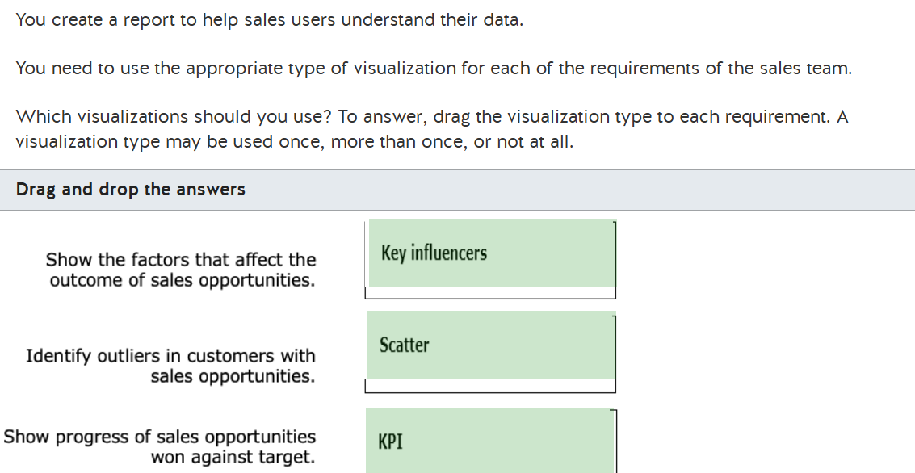

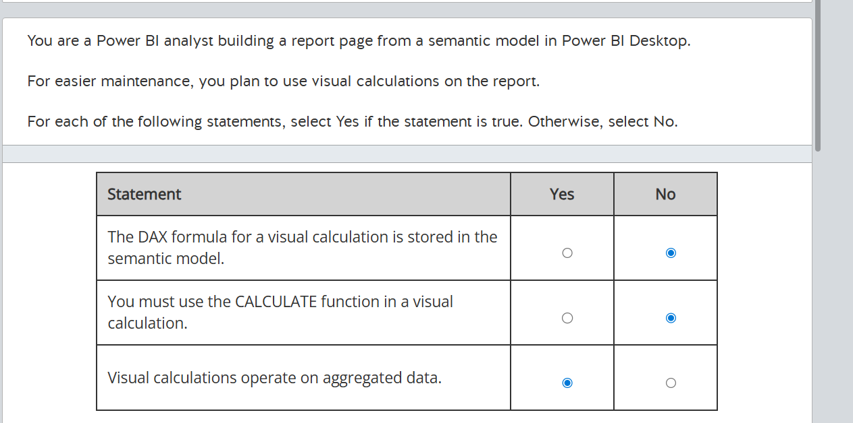

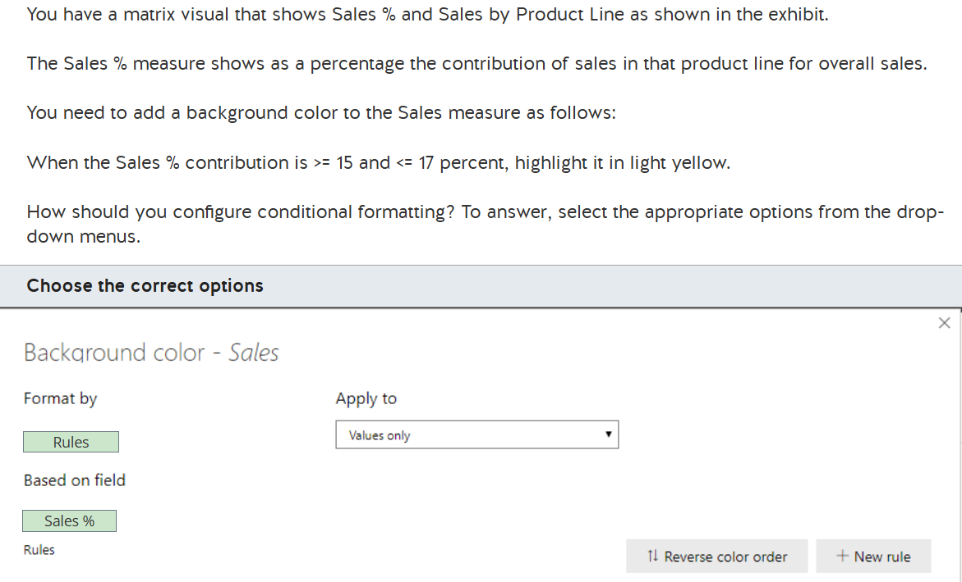

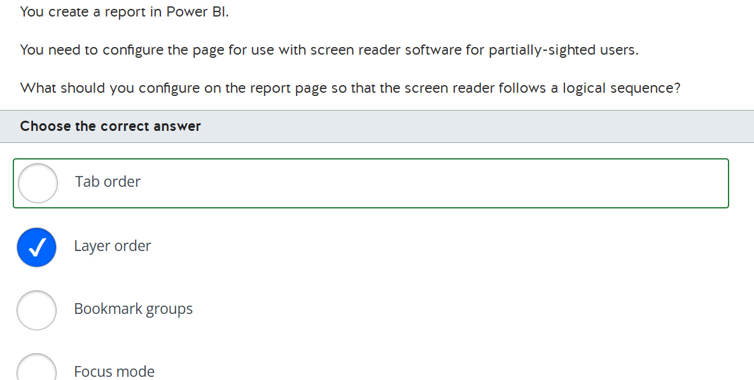

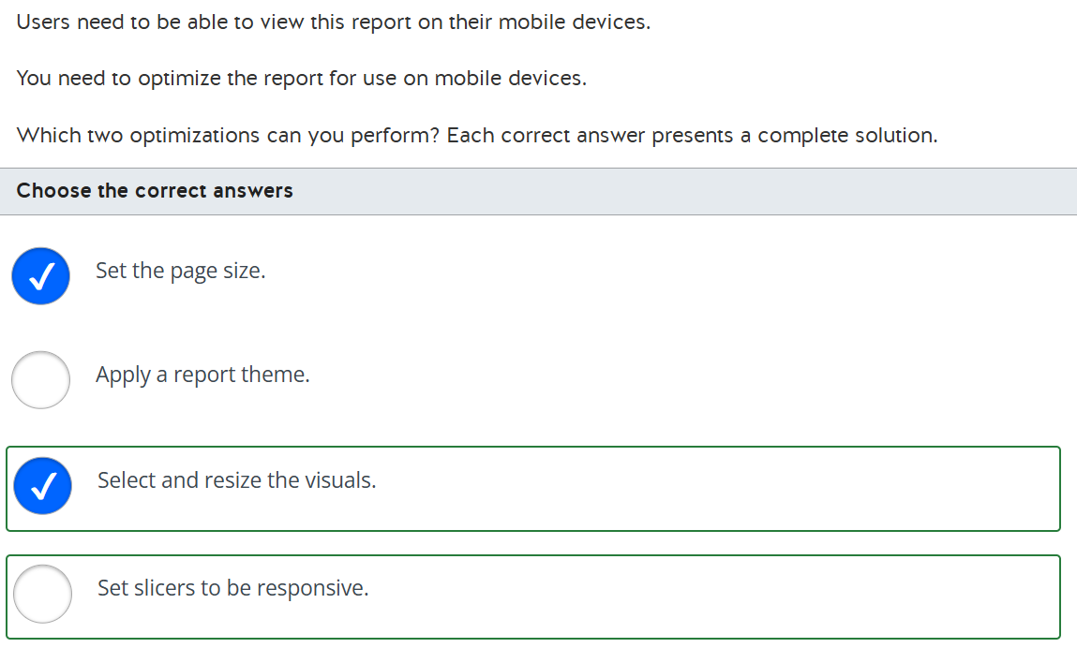

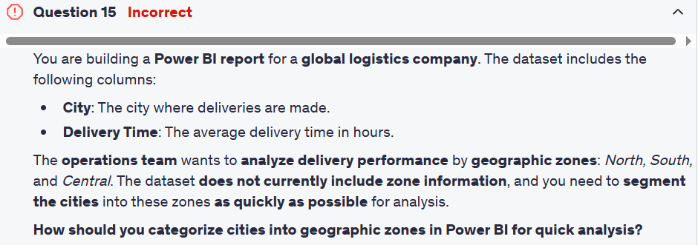

1.Parameters
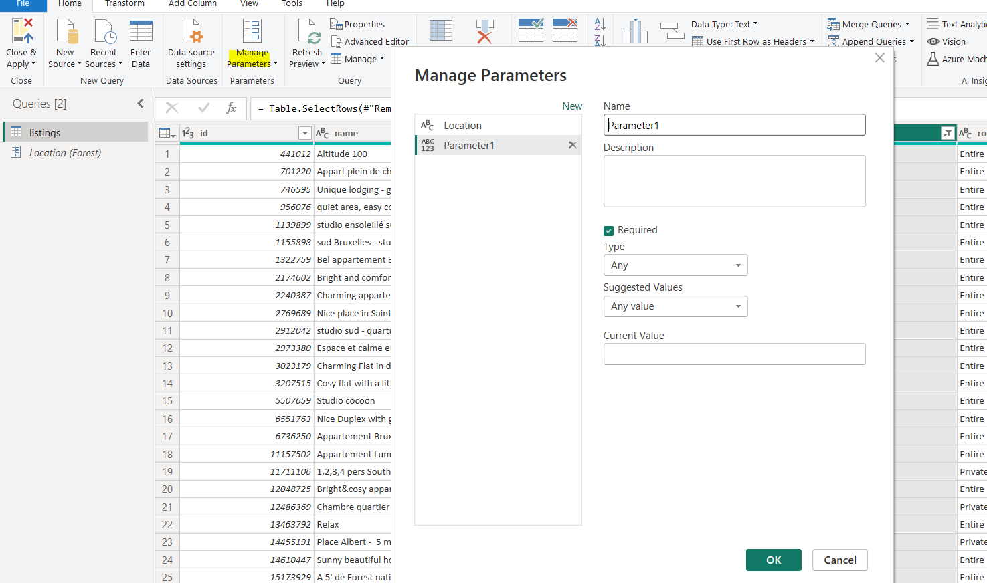
 | 1.Parameters allows to filter dynamically dataset before to be on the report |  |  | 2.Multiple value see docuemntation
 |  |  |  | https://learn.microsoft.com/en-us/training/modules/get-data/3b-parameters

 | You can create list, any value or query |  | Same logic but first step change

 | 1)any value
 | 2)list
 | 3)Query

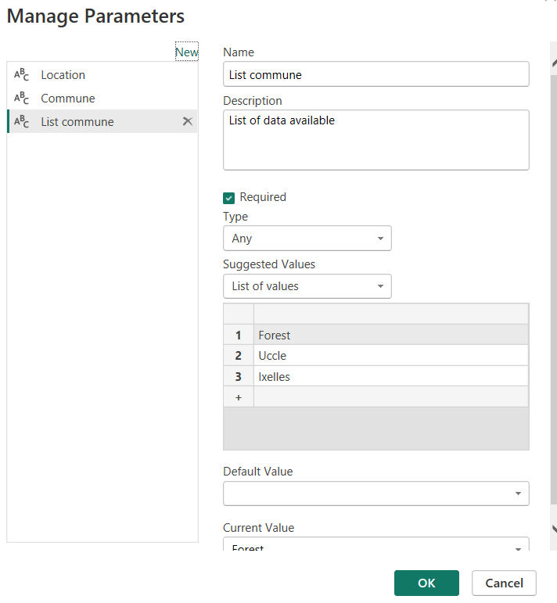
 |  |  |  |  | 3)
 |  | 2)

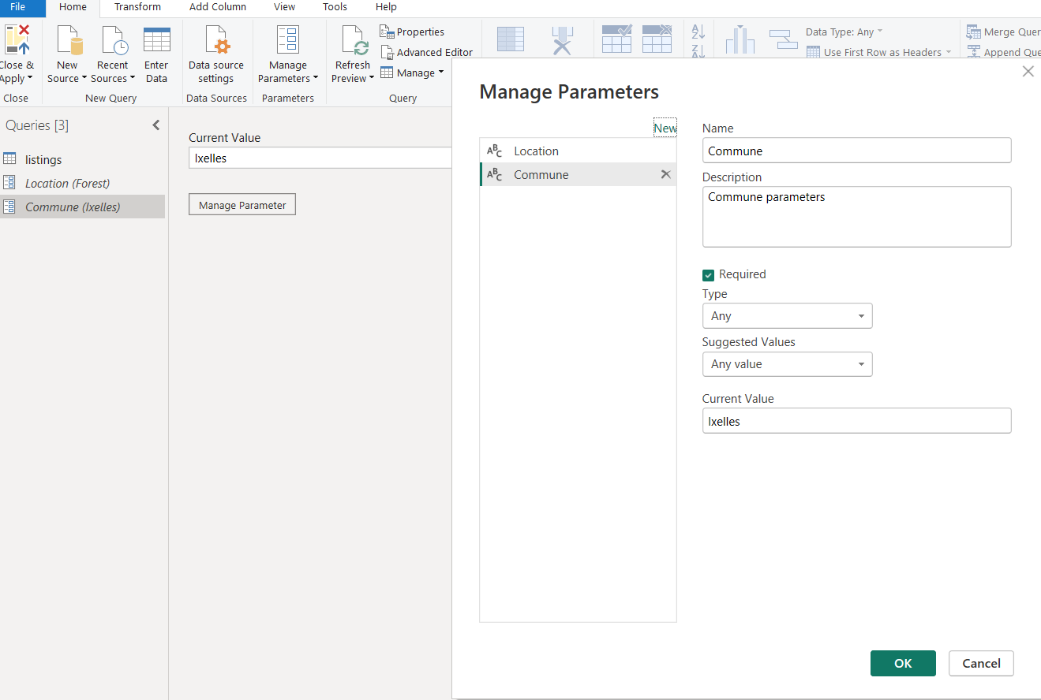

1)

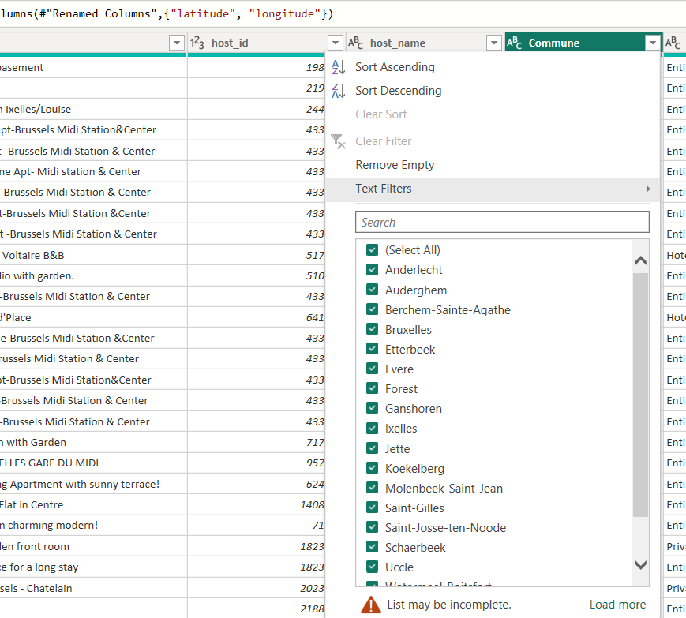
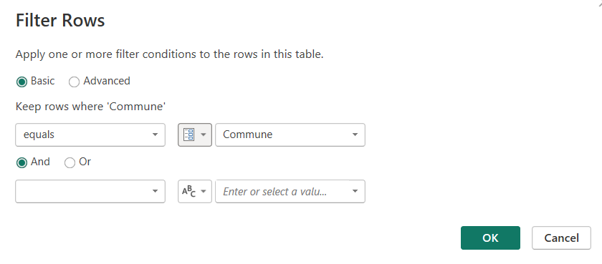

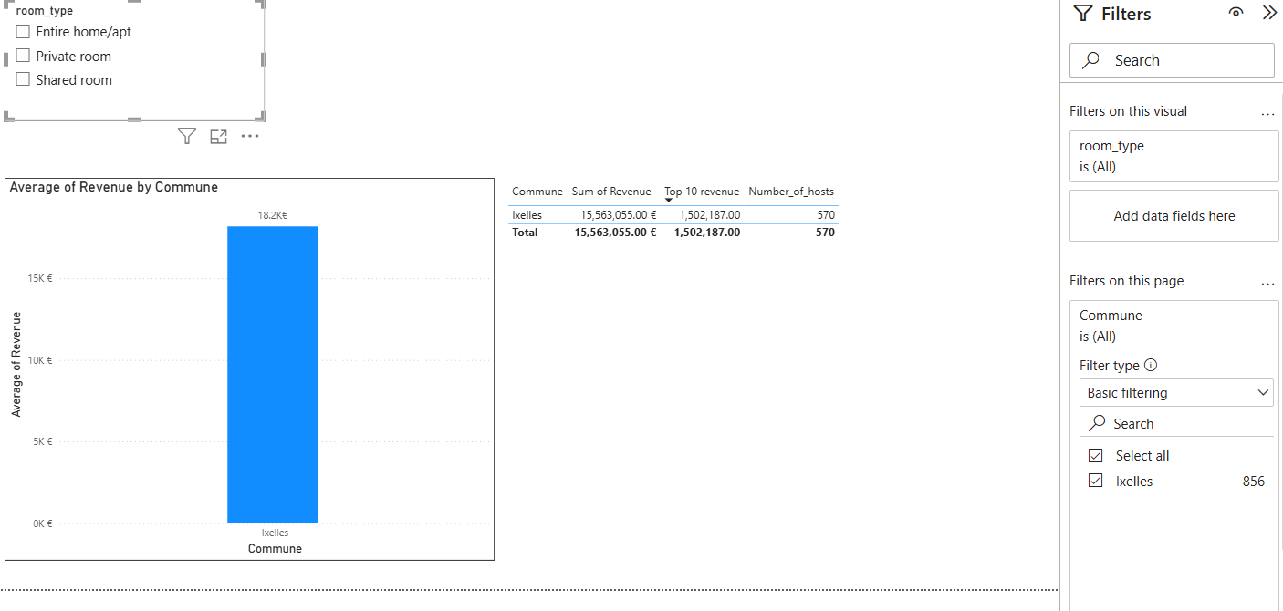

2) List

2.Profile data
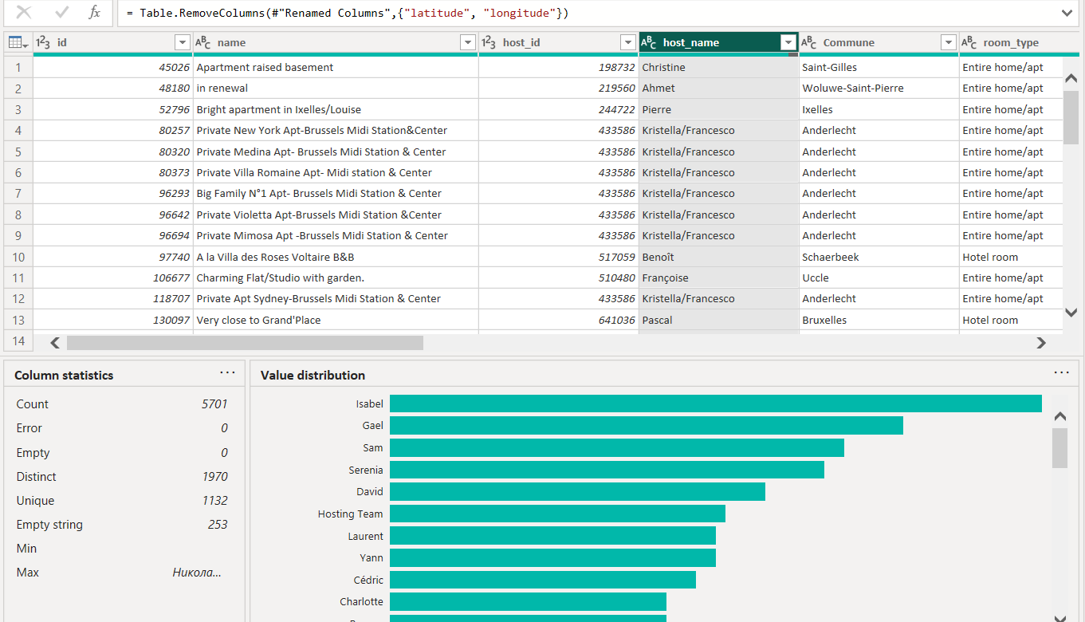
This will allow you to find anomalie in data thanks to column distribution,profile and quality | Important entire dataset ! Select below it is by default 1000

Column distribution : Column distribution shows you the distribution of the data within the column and the counts of distinct and unique values, both of which can tell you details about the data counts. Distinct values are all the different values in a column, including duplicates and null values, while unique values do not include duplicates or nulls. Therefore, distinct in this table tells you the total count of how many values are present, while unique tells you how many of those values only appear once. | 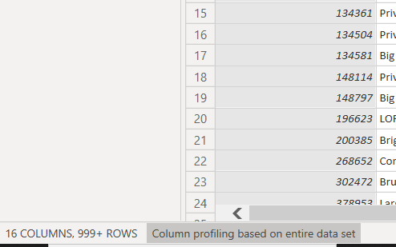

Column quality : Column quality shows you the percentages of data that is valid, in error, and empty. In an ideal situation, you want 100 percent of the data to be valid.

Column Profile : ives you a more in-depth look into the statistics within the columns for the first 1,000 rows of data. This column provides several different values, including the count of rows, which is important when verifying whether the importing of your data was successful. For example, if your original database had 100 rows, you could use this row count to verify that 100 rows were, in fact, imported correctly. Additionally, this row count will show how many rows that Power BI has deemed as being outliers, empty rows and strings, and the min and max, which will tell you the smallest and largest value in a column, respectively. This distinction is particularly important in the case of numeric data because it will immediately notify you if you have a maximum value that is beyond what your business identifies as a "maximum." This value calls to your attention these values, which means that you can then focus your efforts when delving deeper into the data. In the case where data was in the text column, as seen in the previous image, the minimum value is the first value and the maximum value is the last value when in alphabetical order. | he Value distribution graph tells you the counts for each distinct value in that specific column. In our case Isabelle comes a lot

4.Copy,duplicate,reference
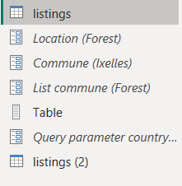
Copy queries | When you press COPY then you can paste this query many times using PASTE option. As result you receive the same query with same connection and transformations. No connection to initial query.

Duplicate | When you press DUPLICATE you can have only 1 copy of query at one time. To repeat this action you need to press DUPLICATE one more time. As result you receive the same query with same connection and transformations. No connection to initial query.

Reference | 3) If you press REFERENCE then it uses previous query as reference and apply all new steps based on reference query. Once you change initial query then it will automatically apply to dependent query. You can have many dependent queries which will change automatically once intial one is updated.

 | Difference between copy and Duplicate , the source are duplicated in copy and in duplicate they are referenced see example I will duplicate a reference and copy a reference
 | Listing source --> Listings(2) reference ---> Listings (3) Duplicate , if I change the source it will involve the duplicate directly the reference is not duplicated but referenced

 | With copy it is not the case the reference is copied and the copy of the table 4
 | Listing source --> Listings(2) reference --> Listings (3) Copy of reference ---> Lisgintgs (4) Copy of listings (2) but pointed to listings (3)

6x.Revision Prepare data
1.Dataverse it allows you to easily manager your data | 5.Dynamic parameters
2.Directquery vs Import
3.Files from folder
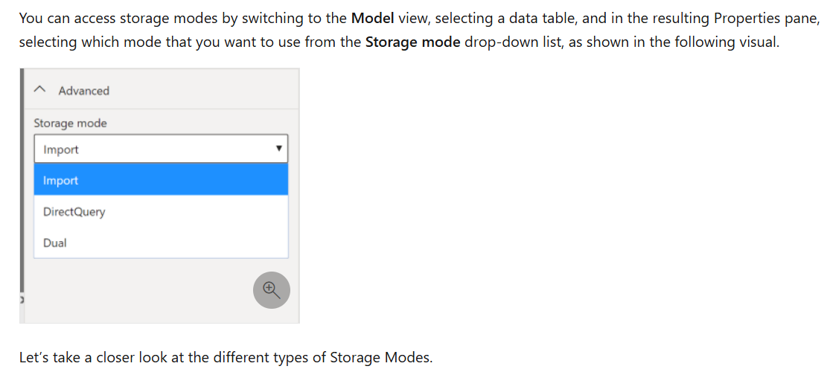
4. Azure analysis service (import or live)

2. Import wil

Import mode The Import mode allows you to create a local Power BI copy of your semantic models from your data source. You can use all Power BI service features with this storage mode, including Q&A and Quick Insights. Data refreshes can be scheduled or on-demand. Import mode is the default for creating new Power BI reports.

DirectQuery mode The DirectQuery option is useful when you don't want to save local copies of your data because your data won't be cached. Instead, you can query the specific tables that you'll need by using native Power BI queries, and the required data will be retrieved from the underlying data source. Essentially, you're creating a direct connection to the data source. Using this model ensures that you're always viewing the most up-to-date data, and that all security requirements are satisfied. Additionally, this mode is suited for when you have large semantic models to pull data from. Instead of slowing down performance by having to load large amounts of data into Power BI, you can use DirectQuery to create a connection to the source, solving data latency issues as well. | Dual (Composite mode) In Dual mode, you can identify some data to be directly imported and other data that must be queried. Any table that is brought in to your report is a product of both Import and DirectQuery modes. Using the Dual mode allows Power BI to choose the most efficient form of data retrieval.

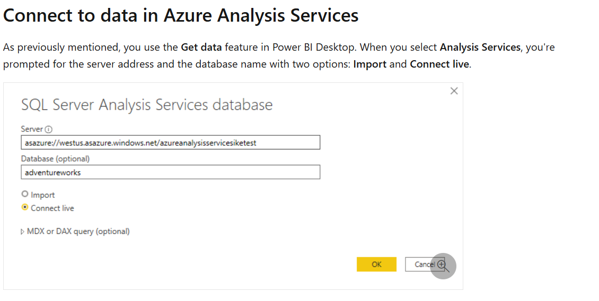

Select files if they are same combine and transform it will create on table will columns append

5

7.Visualization
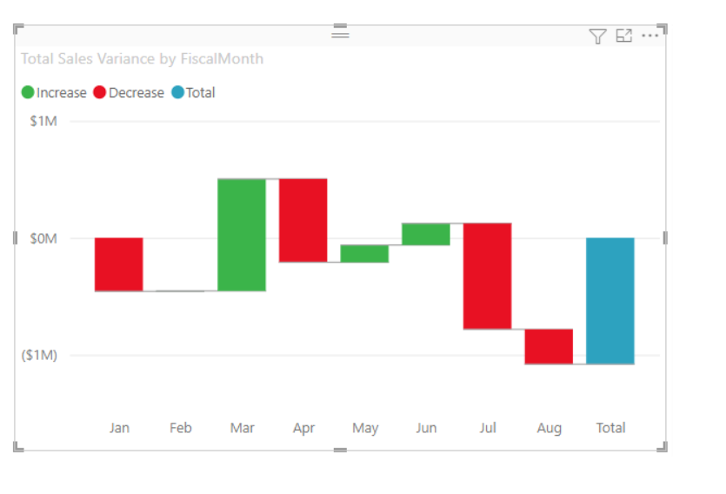
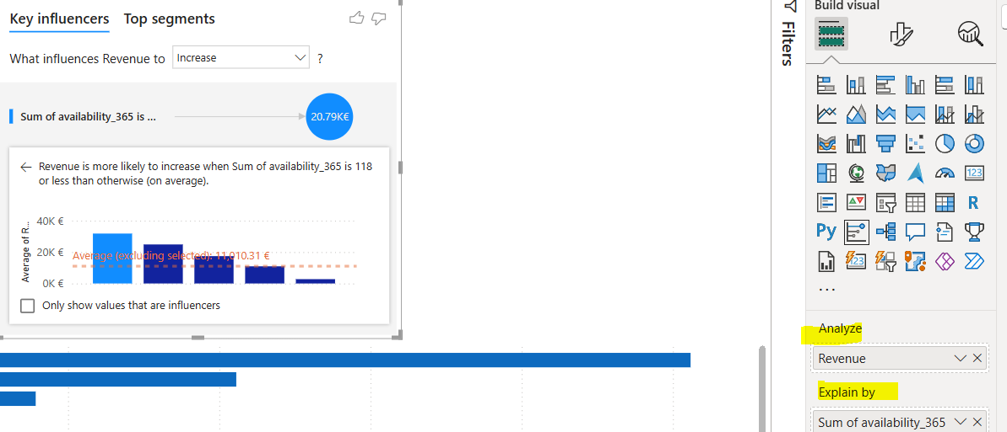
Key influencers : | Identify outliers :

KPI:

Scatter (help to identify outlier)

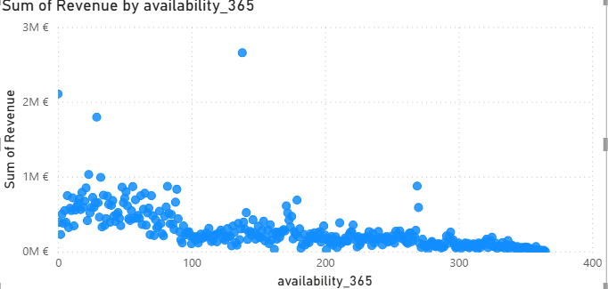
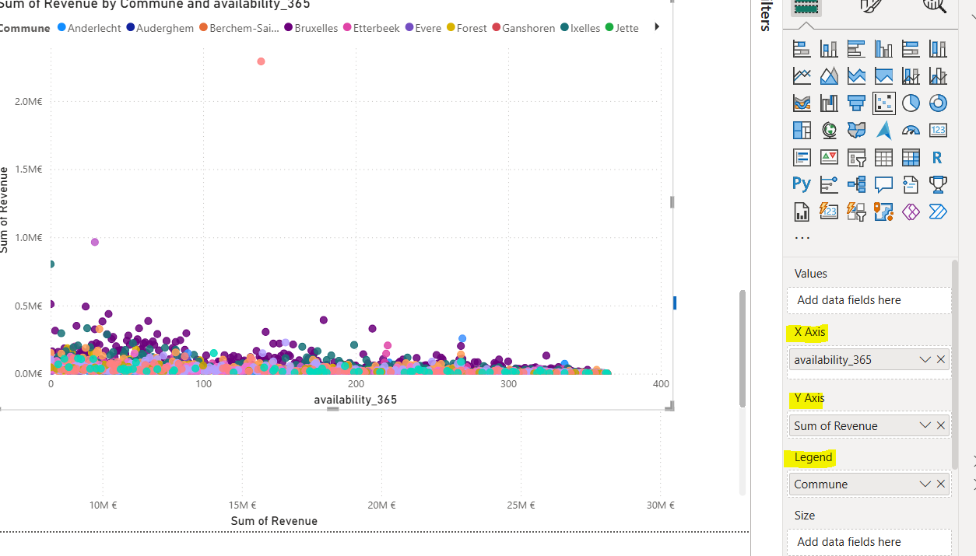

4.Card visual

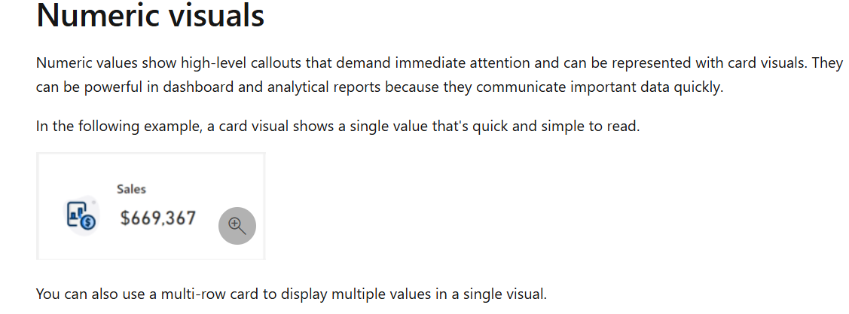

5. Treemap

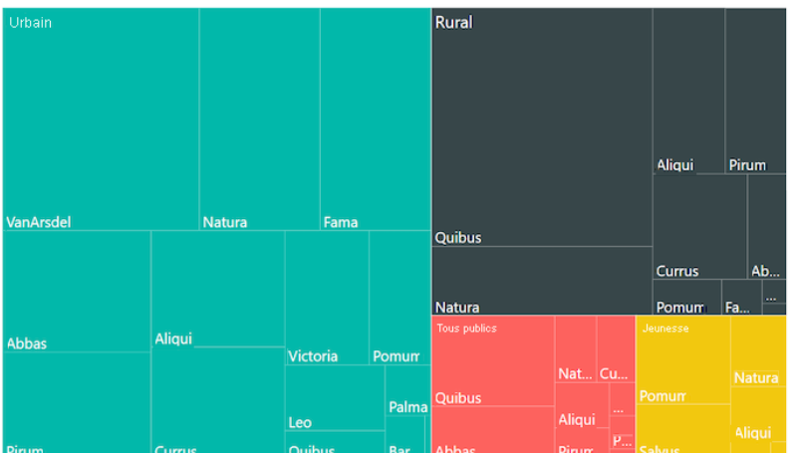

6. Waterfall

8.format table and matrix
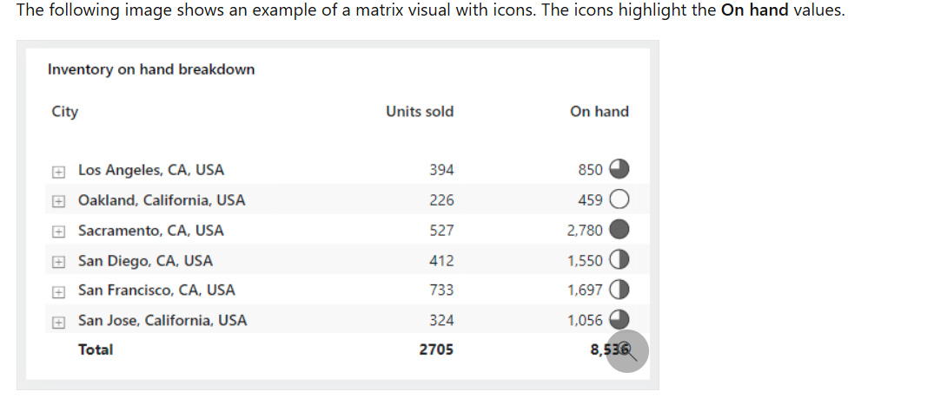

1.Group
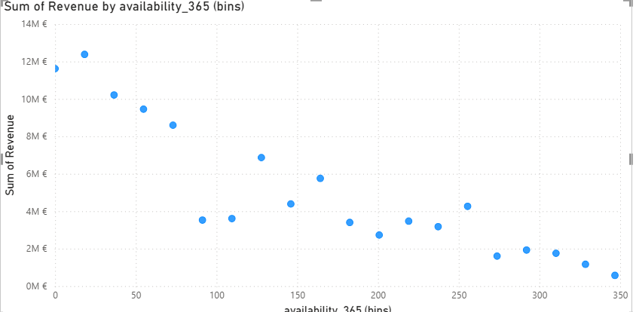
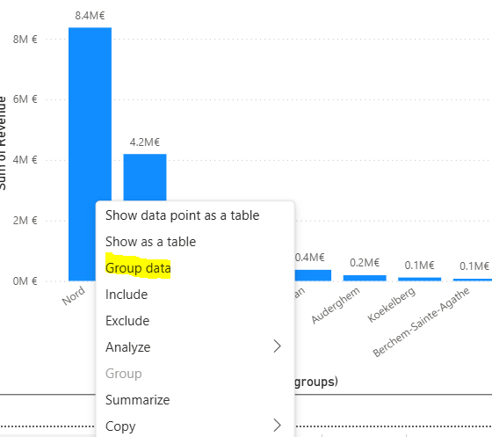
List or Bin | Bin size or bin count

List will aggregate in groups | Count give you the number or round
 | Bin size is the numerical value of the size

