Info
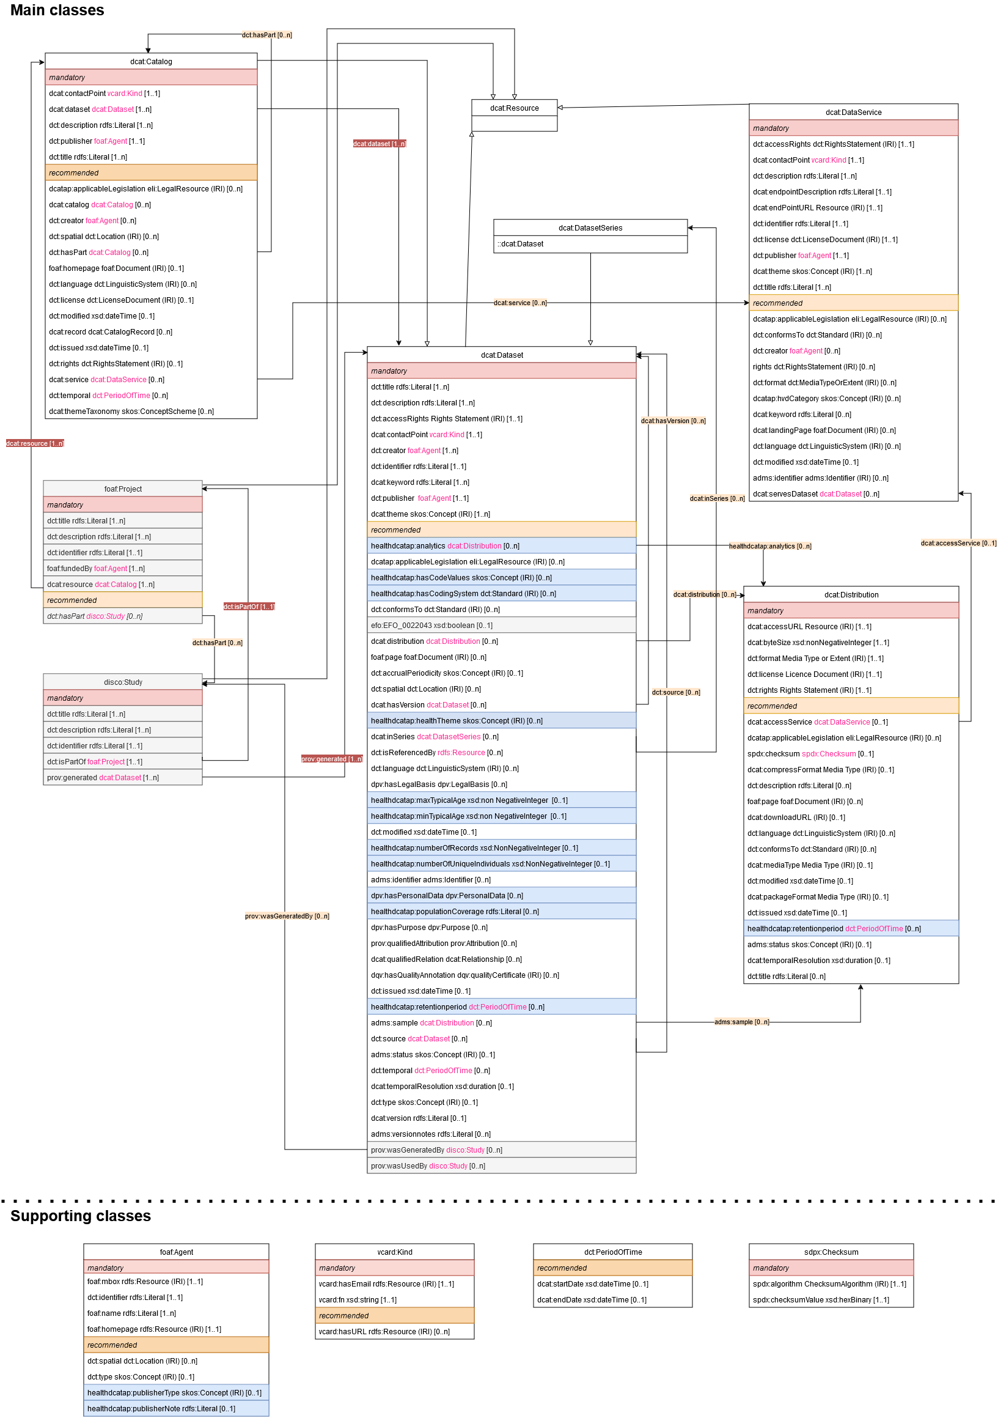
This spreadsheet includes the classes (see individual tabs) and properties (listed per class) of the v2 Health-RI core metadata schema, as also described on Github (https://github.com/Health-RI/health-ri-metadata/tree/develop).
As visible in the UML diagram to the right, there are a number of main classes (top; yellow tabs in this spreadsheet) and supporting classes (bottom; blue tabs in this spreadsheet).
While mapping your metadata to this schema, it is possible that you will not (have to) make use of all main classes. You may for example only use the dcat:Catalog and dcat:Dataset.
Please see also Github for further information.

