Info
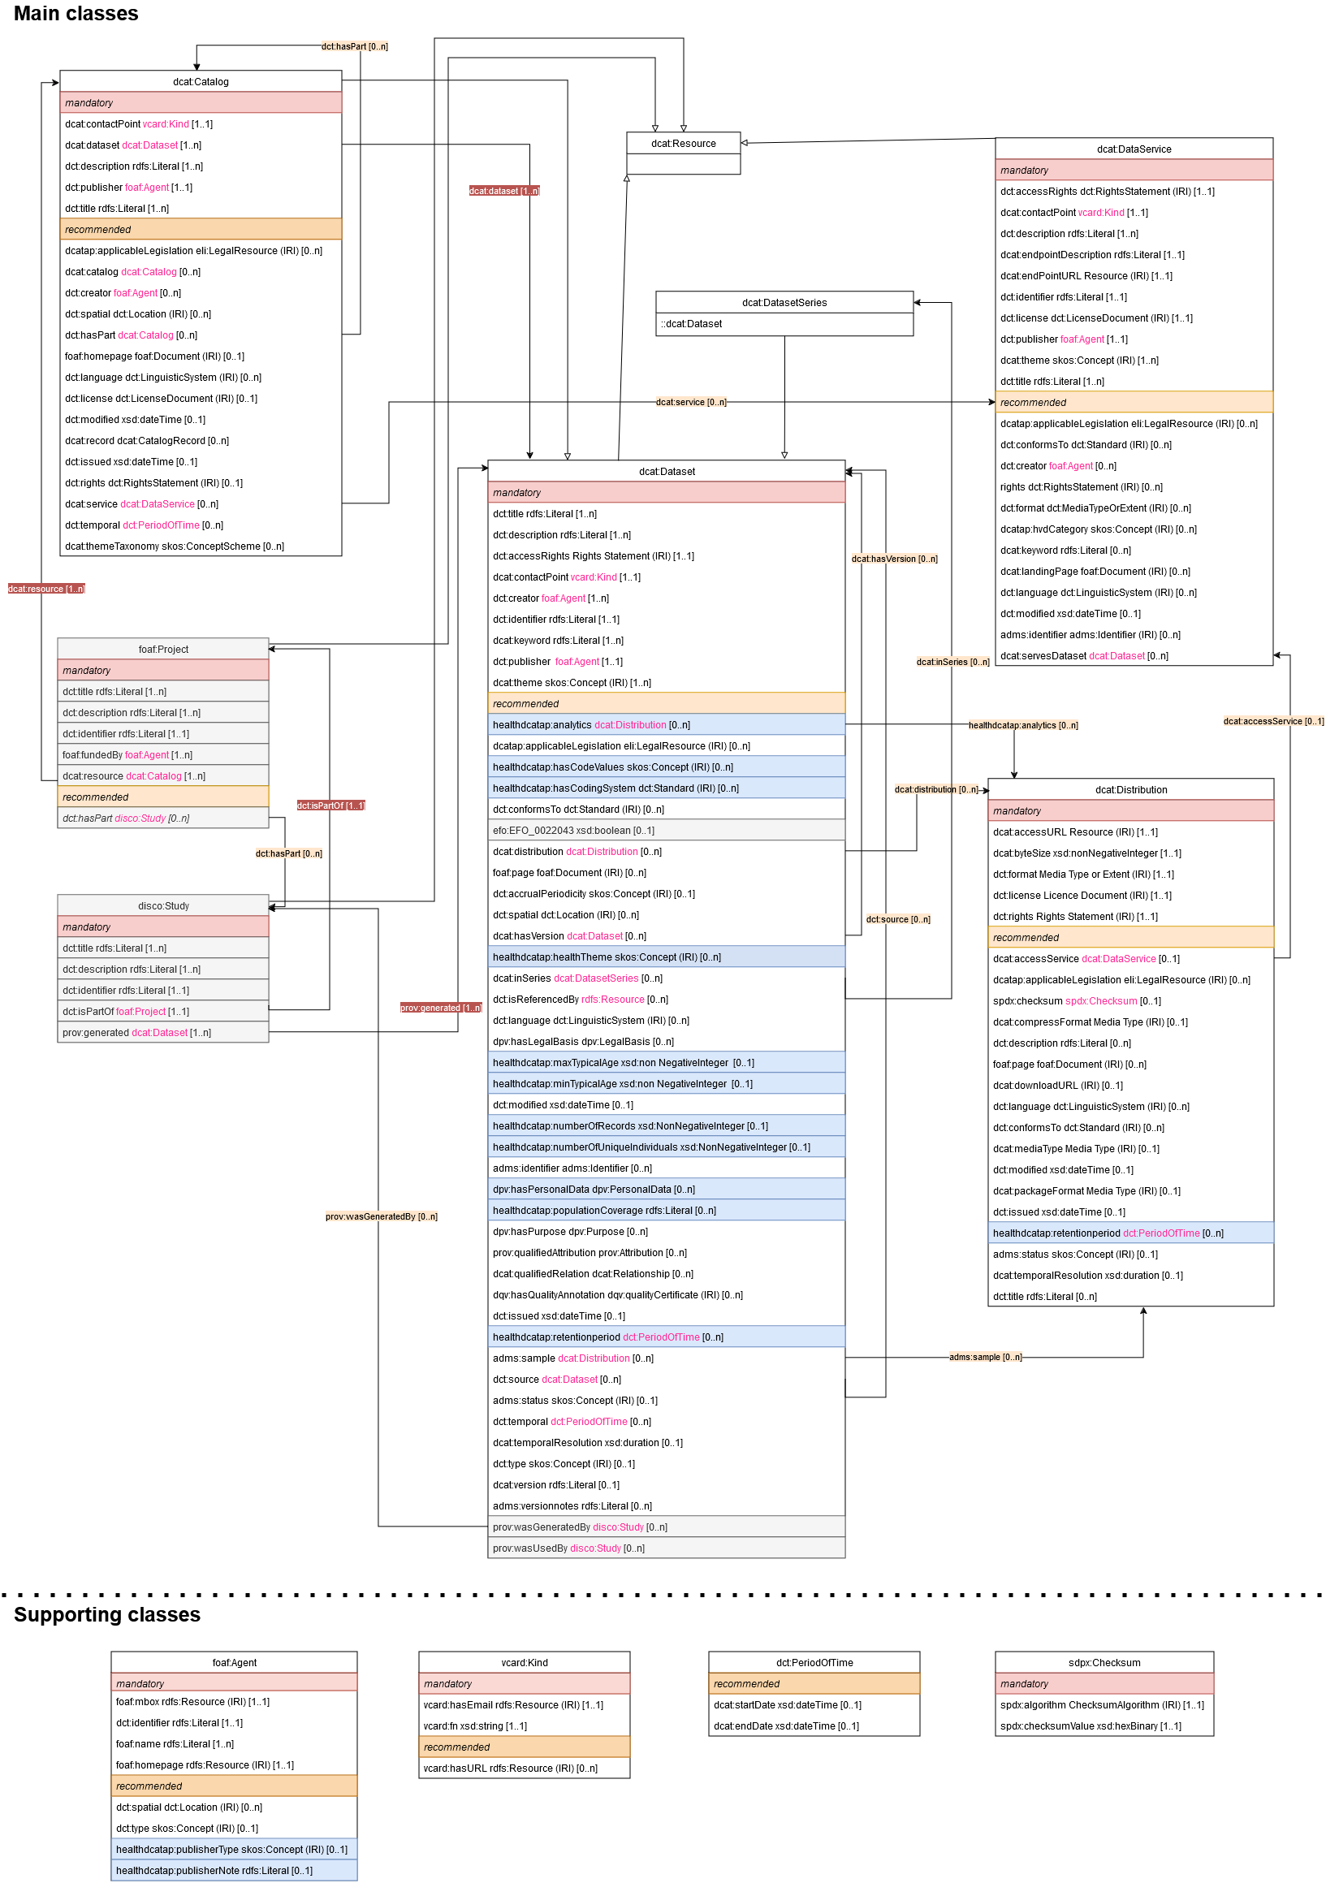
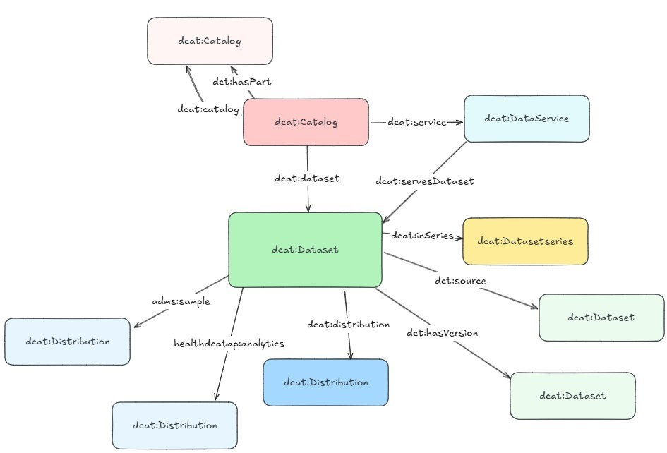
This spreadsheet includes the classes (see individual tabs) and properties (listed per class in each tab) of the v2 Health-RI core metadata schema, as also described on Github (click this box to be directed here).
You can view a simplified overview of the classes and the relations between them to the right. Below that you find the UML diagram of the model, which displays all classes and their respective properties.
As visible in the UML diagram to the right, there are a number of main classes (top; red and yellow tabs in this spreadsheet) and supporting classes (bottom; blue tabs in this spreadsheet). In the UML, each class is depicted by a box. The mandatory properties of each class are listed at the top, below that the recommended properties. Properties marked in blue are introduces in the v2 model based on HealthDCAT-AP.
While mapping your metadata to this schema, it is possible that you will not (have to) make use of all main classes. You may for example only use the dcat:Catalog and dcat:Dataset (and since they both use Kind and Agent, those will be needed as well).
Please see also Github for further information (click this box to be directed here).

What do you see for each class and properties?
- Each tab represents the mandatory and recommended properties of the class.
- For each property, the label, definitions, property URI and usage note is stated.
- If applicable, the controlled vocabulary to be used in the class is stated.
- The requirement level (mandatory / recommended) and cardinality (how often the property must and may be filled) and range (how the property should be filled) are stated for each property.
- Whenever a property points to another class, the range of that class is marked in orange (for example: publisher uses the foaf:Agent class)
If this is the case, go to the respective tab of that class and fille the properties of that class
If you need to use that class multiple times (multiple instances), add extra columns per instance of that class you need
- The history of the property (same as in v1 of the Health-RI schema, adjusted or new) as well as source of constraint (DCAT-AP / DCAT-AP NL / HealthDCAT-AP) are stated.
- Next to that, there is room for your values / metadata (green column).

User Guide
Quick guide on how to use this document for your Metadata Mapping (see also general information below in green or mapping tutorial in yellow):
- The tabs indicated in red below are the mandatory classes (Catalog, Dataset, Agent and Kind). You will always have to provide metadata for these classes for onboarding.
- You might use one or more of the remaining classes (indicated in orange and blue tabs in this file), depending on the context and structure of your data. Again, it is possible that not all classes are required to describe your data. For more information, see recommendations page linked below in blue. - On the tab of each class, you can filter on "mandatory" in the "Requirement level" column to view only mandatory properties.
- Enter the values for your resource.
- Whenever a property points to another class, the range of that class is marked in orange (for example: publisher uses the foaf:Agent class)
If this is the case, go to the respective tab of that class and fille the properties of that class
If you need to use that class multiple times (multiple instances), add extra columns per instance of that class you need This is the case if you want to describe multiple datasets
This is also the case for foaf:Agent which is used by dct:publisher and dct:creator in several classes, so it could be you need to describe separate Agents for different purposes (for example if the publisher of your catalogue is differernt from the publisher of your dataset, or if you would like to add all members of a consortium as separate creators)
- Remove the "requirement level" filter and check whether you have additional information to add for the recommended properties ⚠ ️It is important to realise that the more complete your metadata is, the better findable and reusable your resource becomes. Filing in recommended classes and fields is therefore recommended - Repeat the process for all mandatory classes.
- If you need the same class multiple times (to describe multiple datasets, or to describe the Agent class for the publisher of your dataset and the publisher of your catalogue), add new columns for the values of each instance of the required class.
- Continue with other classes you want to use to describe your resource.

Metadata mapping - General Information (click here)
Metadata mapping - Step-by-step tutorial (click here)
Recommendations for mapping to classes (click here)

