Parameters
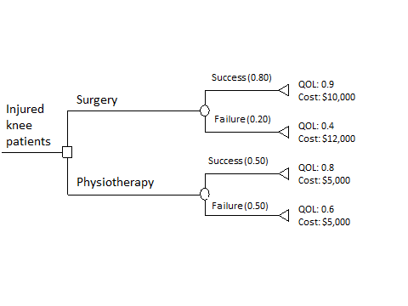
Parameters

Intervention | Probabilities | Utilities | Cost
Surgery Success | 0.8 | 0.9 | $10,000.00
Surgery Failure | 0.2 | 0.4 | $12,000.00
Physiotherapy success | 0.5 | 0.8 | $5,000.00
Physiotherapy success | 0.5 | 0.6 | $5,000.00
Years | 1

Sensitivity Analysis Probabilities | 0
Sensitivity Analysis Utilities | 0%
Sensitivity Analysis Cost | 0%

ICER | $54,000.00

