Intro



2024/25 Q3 QART Data collection

The Patient Safety Improvement Programmes support the NHS Patient Safety Strategy by prioritising the most important safety issues and improving care.
The current programmes are:
* PSIRF
* Medicines Safety
* Maternity and Neonatal
* Maternity and Neonatal Culture

Signatory
Details of who completed this template

Name
Position
Email
Date

Please complete areas in grey.

Medicines
Medicines Safety
A structured approach to improvement
(1) Whole Systems Approach Framework
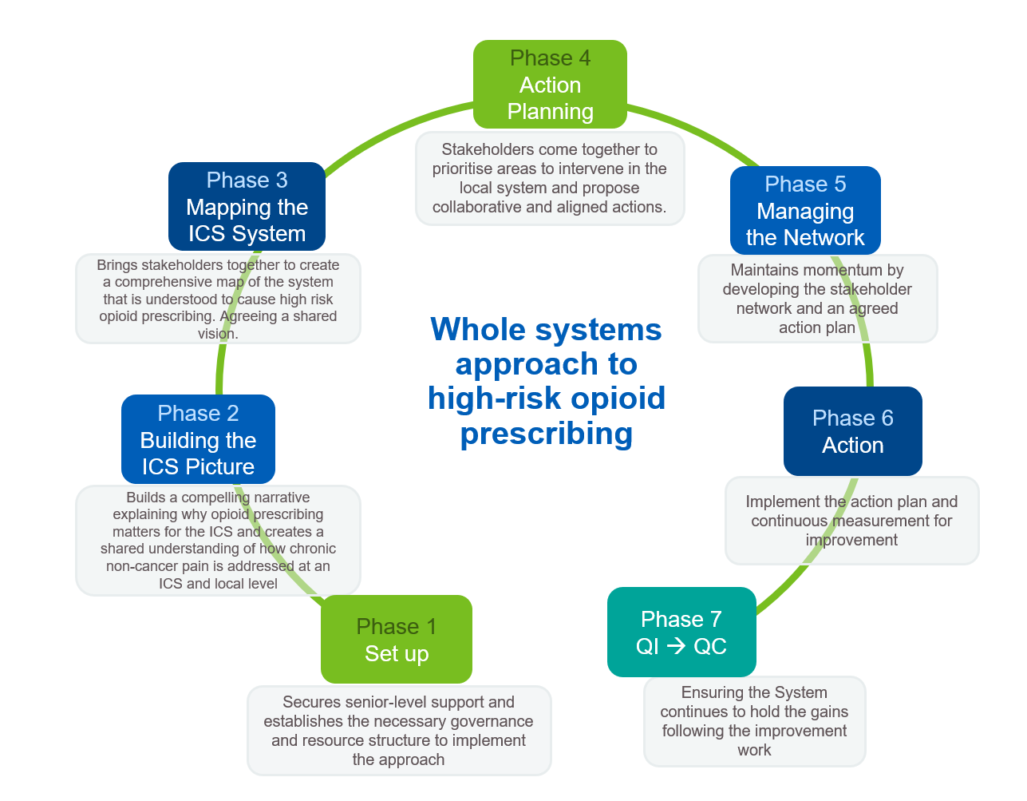
ICB code | Name of ICB | Receiving Support for Whole System Approach this Qtr? | If yes, please indicate the Phase (1-7) the ICB is working through this Qtr | If no, please briefly describe the support provided this Qtr (if any) | If no, is this ICB working through a Whole System Approach independently of PSC support?

(2) Identifying change ideas/ initiatives that have data
Please indicate in the table (Y/N/ unsure) if you are aware of projects/ inititives/ change ideas being tested that have data that is showing Qualitative/ Quantitative/ Sustained improvement and/ or are being spread. |  | Qualitative Improvement | Quantitative Improvement | Sustainable improvement | Spread
 |  | there is qualitative improvement | the improvement is demonstrated by data | the improvement has been maintained for 3 months as a result of embedding the change, demonstrated by data | the inititve/ change idea is being scaled up / spread to other organisations/ sites/ wards etc.
ICB code | Name of ICB | (Please provide links to qualitative data in the Narrative Slide) | (Please provide links to data in the Narrative Slide) | (Please provide links to data in the Narrative Slide) | (Please provide links to data in the Narrative Slide)

 | Medicines Safety- Pipeline Diagnostic:
 | Psychotropics in Learning Disability

 | Milestones

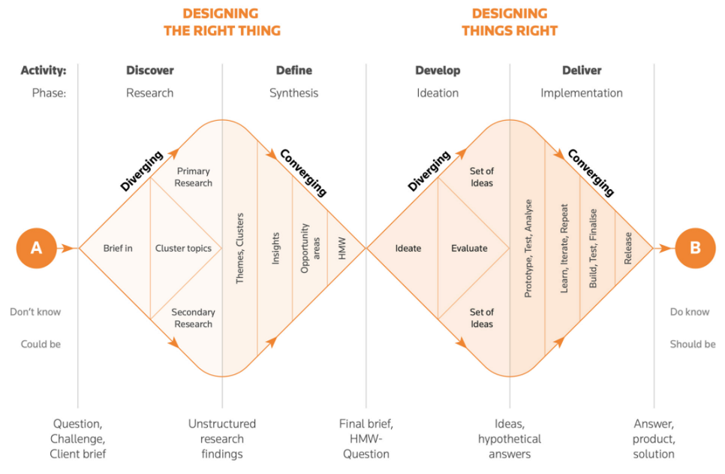
Deliverable |  | Q1 |  | Q2 |  | Q3 |  | Q4
 |  | Milestone from Support offer | Update (including link) | Milestone from Support offer | Update (including link) | Milestone from Support offer | Update (including link) | Milestone from Support offer | Update (including link)
1 | A rapid evidence review |  |  |  |  |  |  |  |  | Discover/ Define | Working with the PSCs/ ICSs
2 | System wide semi structured interviews across a wide range of ICSs across England exploring problem themes with wide ranging stakeholders. |  |  |  |  |  |  |  |  | Develop | Working with the National Team
3 | Identification of any actions already undertaken that were designed to address the problem theme(s) |  |  |  |  |  |  |  |  | Deliver | Working with the National Team/ ICSs
4 | Benefits mapping
5 | Development of harm statements
6 | Final Report writing
7 | Opportunities for implementation/ testing
8 | theory of change
9 | Execution Plan
10 | Identification of measures
11 | Measurement framework
12 | Comms and engagemen plan
13 | scale up plan
14 | EQIA
15 | Refine prototype with system

 | Medicines Safety- Pipeline Diagnostic:
 | Fall inducing medicines in Frailty

 | Milestones
Deliverable |  | Q1 |  | Q2 |  | Q3 |  | Q4
 |  | Milestone from Support offer | Update (including link) | Milestone from Support offer | Update (including link) | Milestone from Support offer | Update (including link) | Milestone from Support offer | Update (including link)
1 | A rapid evidence review |  |  |  |  |  |  |  |  | Discover/ Define | Working with the PSCs/ ICSs
2 | System wide semi structured interviews across a wide range of ICSs across England exploring problem themes with wide ranging stakeholders. |  |  |  |  |  |  |  |  | Develop | Working with the National Team
3 | Identification of any actions already undertaken that were designed to address the problem theme(s) |  |  |  |  |  |  |  |  | Deliver | Working with the National Team/ ICSs
4 | Benefits mapping
5 | Development of harm statements
6 | Final Report writing
7 | Opportunities for implementation/ testing
8 | theory of change
9 | Execution Plan
10 | Identification of measures
11 | Measurement framework
12 | Comms and engagemen plan
13 | scale up plan
14 | EQIA
15 | Refine prototype with system

A&S definitions

NATIONAL PATIENT SAFETY IMPROVEMENT PROGRAMMES 2022/23 - NHS ENGLAND
ADOPTION, SPREAD & SUSTAINABILITY - Staging Guide

 | Stage & Definition | Critical Questions for AHSN/PSCs | Y/N | Guiding Questions for determining the stage (Note: this is not an exhaustive list of Questions)
 | Stage 0: No Information The Organisation has not been contacted or has yet to respond to contact made | No information available due to no communication | Y/N | -No information available due to no communication
 | Stage 1: Knowledge The Organisation is aware of the intervention | Has the Organisation confirmed knowledge/awareness of the intervention through any communication made e.g. via direct contact/events or Network meeting by the PSC? | Y/N | - Is the Organisation and key influencers aware of the intervention? - Is there evidence of any communication made direct or via Network meetings with key stakeholders (primary/secondary/community/others) by the PSC to confirm this?
 | Stage 2: Interest The Organisation's interest in the intervention has been gAUged | Has the Organisation's interest been assessed e.g. via emails/ correspondence/ minutes or any system wide plans? | Y/N | - Has the Organisation's interest been assessed via formal communication through the AHSN/PSC? - Has the Organisation expressed a positive interest/intent in delivering the patient safety intervention? - Has the Organisation identified the intervention as a clinical priority either directly or via the Organisation's forward plans (e.g. as an ICS or via a Network)?
 | Stage 3: Decision The Organisation has decided if this would be worth pursuing further | Has the Organisation decided to implement the intervention? If the Organisation decides not to pursue please select 'No' and provide reasons and actions taken. | Y/N | - Has the Organisation identified the intervention/programme as a clinical priority? - Is the Organisation engaging with the Patient Safety Network or relevant clinical or other Networks? - Is the Organisation identifying resources to deliver the intervention? - Have timeframes been agreed or are timeframes being agreed with the Organisation to deliver the intervention as part of the patient safety programme objectives?
 | Stage 4: Implementation Part of the Organisation is testing or implementing the intervention | Has the Organisation started testing or implementing the intervention? | Y/N | - Has a Senior Sponsor being assigned to implement the intervention/prog in the Organisation? - Are clinical teams & senior personnel engaged/involved in testing and/or implementing the intervention? - Is the Organisation engaging via their AHSN/PSC for Network meetings and QI events (including QI training where relevant) to implement the intervention? - Is evidence-based QI methodology used by the Organisation supported by the PSC for testing / implementation of the intervention? - Are you as a PSC monitoring progress (or have plans to monitor progress) through local measurement plans?
 | Stage 5: Adoption Part of the Organisation has adopted the intervention | Is the intervention adopted in its entirety in one or more units (e.g. sites/wards/practice/premises) in the Organisation? | Y/N | - Are the Organisation's clinical / programme leads and/or Lead sponsors sharing processes, learning, experiences and challenges with all units/sites within the Organisation? - Is the Organisation attending and participating in clinical / Network meetings / QI events regularly? - Is the Organisation applying QI methodology to improve the uptake of the intervention in its entirety at all their sites? - Is the intended improvement measured (over time) through a local measurement plan using appropriate tools (e.g. evaluating processes; outcomes via audits or dashboards to improve recording/reporting)
 | Stage 6: Spread* The intervention has been adopted and spread in all the appropriate settings of the Organisation | Is the intervention adopted and spread in its entirety in all the appropriate settings of the Organisation? | Y/N | - Is the intervention adopted and spread in its entirety in all the appropriate settings of the Organisation? - Is this measured/validated via QARTs or audits/tools e.g. dashboards where available or is there a plan to validate the spread?
 | Stage 7: Sustained* The intervention has become integrated into practice for over a year in all appropriate settings of the Organisation | Is the intervention sustained in its entirety in all appropriate settings of the Organisation for over a year? | Y/N | - Is the intervention sustained in its entirety in all appropriate settings of the Organisation for over a year? - Is this validated via QARTs or audits/tools e.g. dashboards where available or is there a plan to validate the sustainability and improvement over time (e.g. outcomes)?
 | Note: The staging (1-7) should reflect where the Organisation is in relation to the programme/ intervention in the present time. It is not a measure of PSC input/support.
 | Contact: england.psimprovement@nhs.net

Engagement Definitions
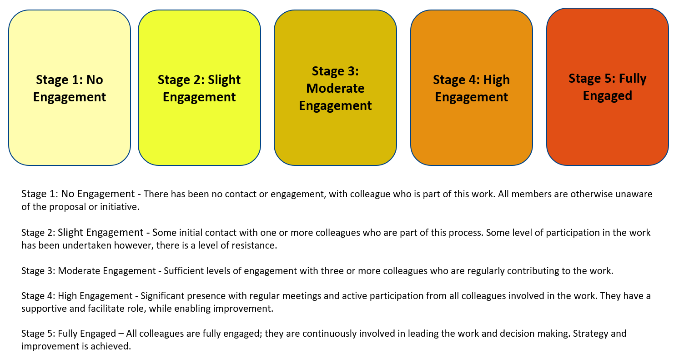

Network Maturity Matrix
