LZW encode
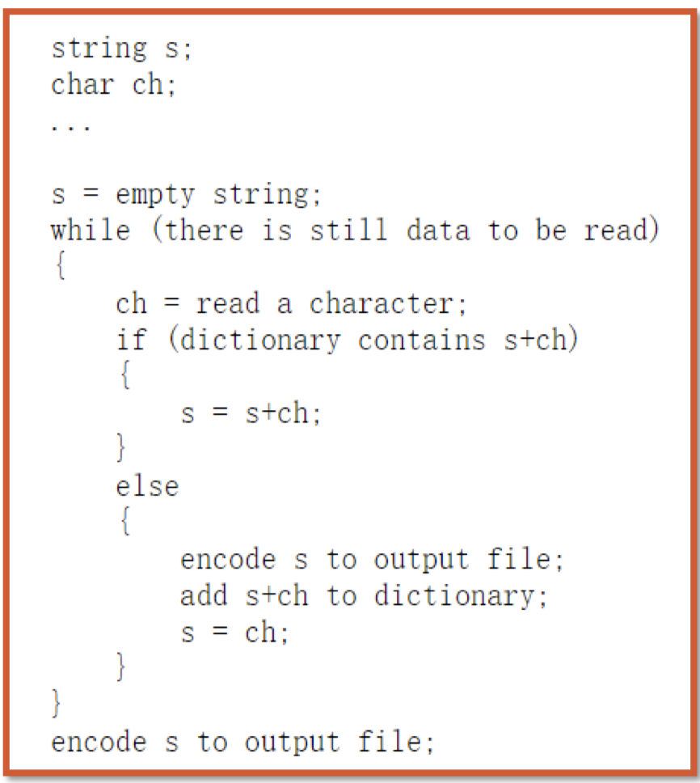
Original text | peterpepper
Index | Entry | ch | s+ch | Seen(s+ch)? | s | encode_last_s | encoded output | new entry | Input | Current String | seen before? | Encoded output | New entry
0 | p | p |  | TRUE | p |  |  |  | p | p | TRUE
1 | e | e | pe | FALSE | e | 0 | 0 | pe / 4 | pe | pe | FALSE | 0 | pe / 4
2 | t | t | et | FALSE | t | 1 | 0,1 | et / 5 | pet | et | FALSE | 0,1 | et / 5
3 | r | e | te | FALSE | e | 2 | 0,1,2 | te / 6 | pete | te | FALSE | 0,1,2 | te / 6
4 | pe | r | er | FALSE | r | 1 | 0,1,2,1 | er / 7 | peter | er | FALSE | 0,1,2,1 | er / 7
5 | et | p | rp | FALSE | p | 3 | 0,1,2,1,3 | rp / 8 | peterp | rp | FALSE | 0,1,2,1,3 | rp / 8
6 | te | e | pe | TRUE | pe |  | 0,1,2,1,3 |  | peterpe | pe | TRUE | 0,1,2,1,3
7 | er | p | pep | FALSE | p | 4 | 0,1,2,1,3,4 | pep / 9 | peterpep | pep | FALSE | 0,1,2,1,3,4 | pep / 9
8 | rp | p | pp | FALSE | p | 0 | 0,1,2,1,3,4,0 | pp / 10 | peterpepp | pp | FALSE | 0,1,2,1,3,4,0 | pp / 10
9 | pep | e | pe | TRUE | pe |  | 0,1,2,1,3,4,0 |  | peterpeppe | pe | TRUE | 0,1,2,1,3,4,0
10 | pp | r | per | FALSE | r | 4 | 0,1,2,1,3,4,0,4 | per / 11 | peterpepper | per | FALSE | 0,1,2,1,3,4,0,4 | per / 11
11 | per |  |  |  |  |  | 0,1,2,1,3,4,0,4 |  | peterpepper | r | 0 | 0,1,2,1,3,4,0,4
12 |  |  |  |  |  |  | 0,1,2,1,3,4,0,4 |  | peterpepper |  | 0 | 0,1,2,1,3,4,0,4
13 |  |  |  |  |  |  |  |  | peterpepper |  | 0
14 |  |  |  |  |  |  |  |  | peterpepper |  | 0
 |  |  |  |  |  |  |  |  | peterpepper |  | 0

 |  |  |  |  |  | add last char | 3
 |  |  |  |  |  | added

LZW decode
Input | 1,0,3,6,0,4,5,3,2,8
Comma free | 1036045328
Index | Entry | Encoded Input | Dictionary Translation | Decoded Output | prev+ch | New Dictionary
0 | a | 1 | b | b
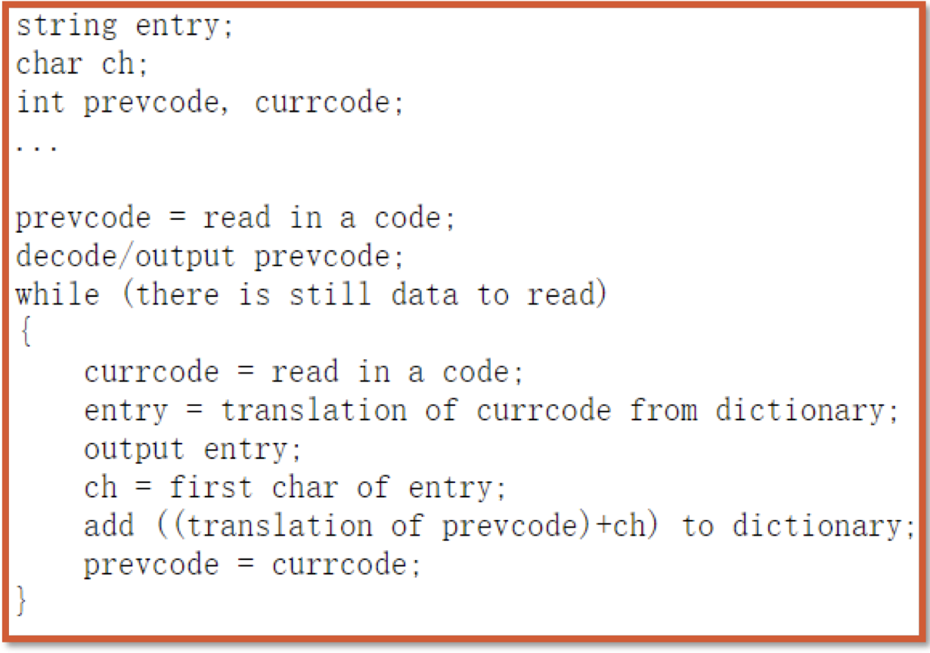
1 | b | 10 | a | ba | ba | ba / 5
2 | d | 103 | n | ban | an | an / 6
3 | n | 1036 | an | banan | na | na / 7
4 | _ | 10360 | a | banana | ana | ana / 8
5 | ba | 103604 | _ | banana_ | a_ | a_ / 9
6 | an | 1036045 | ba | banana_ba | _b
7 | na | 10360453 | n | banana_ban | ban
8 | ana | 103604532 | d | banana_band | nd
9 | a_ | 1036045328 | ana | banana_bandana | da
10 |  |  | #VALUE! | #VALUE! | #VALUE!
11 |  |  | #VALUE! | #VALUE! | #VALUE!
12 |  |  | #VALUE! | #VALUE! | #VALUE!
13 |  |  | #VALUE! | #VALUE! | #VALUE!
14 |  |  | #VALUE! | #VALUE! | #VALUE!
15

Var len coding
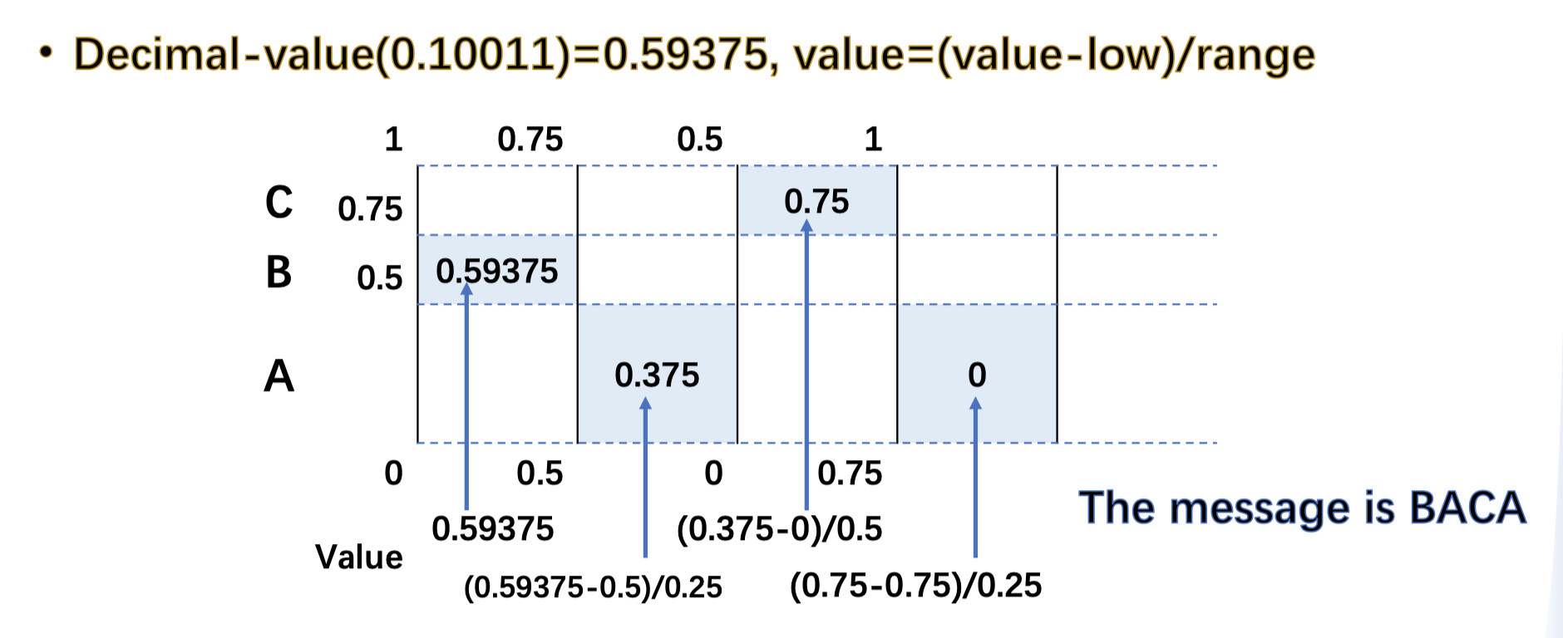
Symbol | Prob | SelfInformation I(A)
C | 0.05 | 4.3219280949
O | 0.25 | 2
V | 0.2 | 2.3219280949
I | 0.4 | 1.3219280949
D | 0.1 | 3.3219280949

 | Entropy | 2.0414460712
 | Lower Bound of BPS (encoded message # bits)/(original message #symbol)
 | Entropy + 1 is the upper bound
Shannon
Step 1 : sort
Symbol | Prob
I | 0.4
O | 0.25
V | 0.2
D | 0.1
C | 0.05

Step 2 : divide (no need to maintain the order)
IOVDC(1)
ID(0.5) |  | OVC(0.5)
I(0.4) | D(0.1) | O(0.25) | VC(0.25)
 |  |  | V(0.2) | C(0.05)

Step 3: codeword
I | 00
O | 10
V | 110
D | 01
C | 111

Step 4 : encode

Huffman
Step 1: sort
C | 0.05
D | 0.1
V | 0.2
O | 0.25
I | 0.4

Step 2: build tree
Find the nodes with least frequency, Assign the children to a parent and delete it from the list
List: | CDVOI
Loop1 | P1VOI
Loop2 | OP2I
Loop3 | IP3
Loop4
Loop5
Loop6
P4(1)
I(0.4) | P3(0.6)
 | P2(0.35) |  |  | O(0.25)
 | P1(0.15) |  | V(0.2)
 | C(0.05) | D(0.1)

Step 3 : codeword
C
D
V
O
I

Step 4: encode

Arithmetic
Step 1 : sort and calculate range
Symbol | Prob | Range lower | Range upper
I | 0.4 | 0 | 0.4
O | 0.25 | 0.4 | 0.65
V | 0.2 | 0.65 | 0.85
D | 0.1 | 0.85 | 0.95
C | 0.05 | 0.95 | 1

Step 2: to decimal
Next Symbol | low | high | range
V | 0.65 | 0.85 | 0.2
I | 0.65 | 0.73 | 0.08
D | 0.718 | 0.726 | 0.008

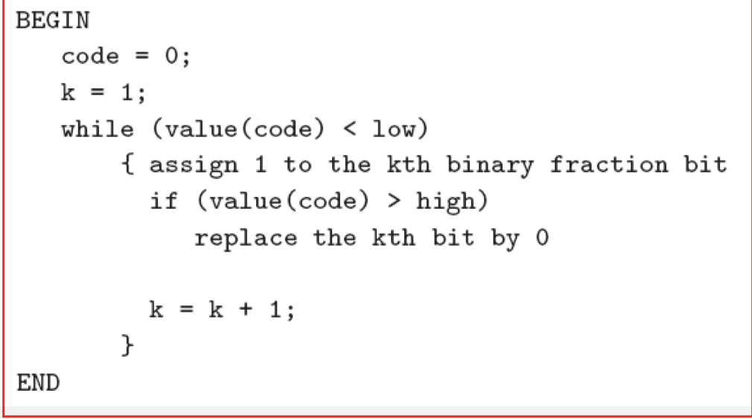
Lower | 0.718
Upper | 0.726
Step 3: to binary |  | Decimal
k | kth binary | 0 | if > upperbound | replaced kth binary | replaced decimal | if < lowerbound
1 | 1 | 0.5 | FALSE | 1 | 0.5 | TRUE
2 | 1 | 0.75 | TRUE | 0 | 0.5 | TRUE
3 | 1 | 0.625 | FALSE | 1 | 0.625 | TRUE
4 | 1 | 0.6875 | FALSE | 1 | 0.6875 | TRUE
5 | 1 | 0.71875 | FALSE | 1 | 0.71875 | FALSE
6 | 1
7 | 1
8 | 1
9 | 1
10 | 1

Binary | 10111

Arithmetic Decoding
Step 1: conver binary to decimal |  |  | https://www.rapidtables.com/convert/number/binary-to-decimal.html

