Orders
Order Number | Full Name | Phone | Postcode | Address | CPF(Tax ID) | City (Billing) | State Code (Billing) | Country Code (Billing) | Item Name | Variant |  | Quantity
10865 | Claudio Cesar Dos Santos Carrerette | (28) 3562-2386 | 29460-000 | Praça Astolfo lobo,27,Loja 2,Centro | 814.595.217-49 | Bom Jesus do Norte | ES | BR | Lord | Gold | 23 cm | 1
10863 | Antenor Piraja de Azevedo Filho | (21) 97562-8711 | 21940-006 | Rua Jorge de Lima, 191, Casa, Jardim Guanabara | 804.068.827-20 | RJ | RJ |  | BCO Gold | Black and Gold | 19 cm | 1
10862 | Marcio Silveira | (61) 3797-1870 | 70660-042 | AOS 04, BLOCO B, 502, Apto 502, Octogonal | 029.426.507-45 | Brasília | DF |  | BCO Gold | Black and Gold | 19 cm | 1
10860 | ANTONIO CESAR RUSSI CESAR | (41) 98866-8297 | 80010-020 | CASA, 298, apto 113, centro | 201.065.489-72 | CURITIBA | PR |  | Ballanox | Gold | 19 cm | 1
10858 | Douglas Fortes | (49) 99146-6159 | 89703-078 | Rua Romano Ancelmo Fontana, 935, Apto 36, Bairro Jardim | 720.863.190-53 | Concórdia | SC |  | Breezly | Marrom B |  | 1
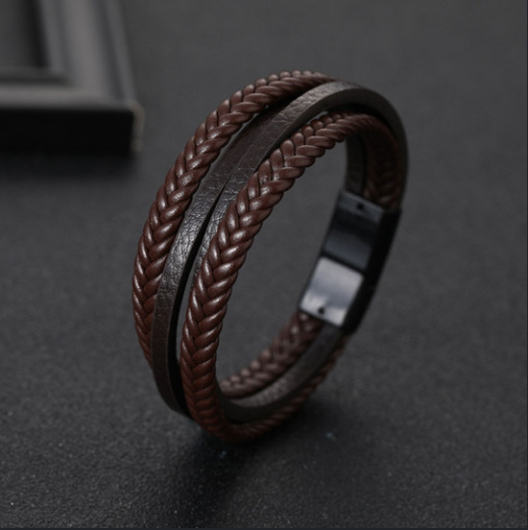
10856 | Billy Grahan Pimenta de Mendonça | (55) 22981-1369 | 28540-000 | Rua Edwin Theodoro, 36, Casa, Santa Tereza | 868.273.087-15 | Cordeiro | RJ |  | Lord | Gold | 21 cm | 1
10852 | NELSON OLIVEIRA | (11) 99489-8983 | 07096-080 | RUA RONALDO, 118, 118, 118 | 027.240.628-76 | GUARULHOS | SP |  | Ballanox | Gold | 21cm | 1
 |  |  |  |  |  |  |  |  | Ballanox | Gold | 19 cm | 1
 |  |  |  |  |  |  |  |  | Ballanox | Black | 19 cm | 1
10849 | alberto Garufi | (11) 99643-4226 | 05541-050 | Rua Heitor Ariente, 290, Casa, Vertentes | 029.427.798-61 | São Paulo |  |  | Ballanox | Black | 21cm | 1
10848 | Jairo Moraes | (11) 99143-4434 | 09571-300 | Rua Sílvia, 1072, Apto 96, Olímpico | 681.778.364-04 | São Caetano do Sul |  |  | Ballanox | Black | 19 cm | 1
10847 | Abrilino de Souza Ramos | (45) 99975-1701 | 85851-010 | Rua Almirante Barroso, 1293, 503, Centro | 929.291.688-20 | Foz do Iguaçu | PR |  | BCO Gold | Black and Silver | 23 cm | 1
10845 | Paulo Guilherme | (24) 9976-3856 | 27140-470 | Rua Santo Antônio de Padua, 73, , Muqueca | 002.039.067-05 | Barra do Piraí | RJ |  | Lord | Black | 19 cm | 1
10844 | Regiane Fatima .orars Isidoro | (11) 4412-6539 | 12943-320 | Rua Prof. Aracy Bueno Conti, 15, , Jardim Alvinopolis | 068.551.318-16 | Atibaia | SP |  | BCO Gold | Black and Gold | 19 cm | 1
10841 | Fernando De Mari | (51) 98115-0274 | 95900-024 | Rua Pinheiro Machado, 290, , Centro | 425.390.720-20 | Lajeado | RS |  | Shades B&G | Estilo 01 | 19 cm | 1
10840 | Roberio Moreno Lima | (75) 99977-1011 | 48500-000 | Travessa Antônio Da Silva Dantas, 39, Casa, Dengo | 152.626.004-25 | Euclides Da Cunha | BA |  | Ballanox | Black | 21cm | 1
10836 | Luiz Nazareno Rocha Maciel Maciel | (49) 3224-4563 | 88501-440 | Rua amador Duarte Ávila, 100, , | 295.726.659-87 | Lages | SC |  | BCO Gold | Black and Silver | 21 cm | 1
10835 | Marcelo da Costa Viana | (31) 3649-8643 | 33045-170 | Av. Dr.Ângelo Teixeira da Costa, 581, , Frimisa | 498.946.766-34 | Santa Luzia | MG |  | Ballanox | Gold | 21cm | 1
10834 | Eduardo de Mattos Fiuza Fiuza | (31) 3547-8983 | 34012-000 | Av. Veredas das Gerais, 987, , Condomínio Veredas das Geraes | 402.825.706-91 | Nova Lima |  |  | Lord | Black | 19 cm | 1
10833 | Lúcio Carrera | (91) 99100-7674 | 66645-105 | PASSAGEM DOIS DE JUNHO, 380, , Castanheira | 040.101.672-20 | Belém | PA |  | BCO Gold | Black and Silver | 19 cm | 1
 |  |  |  |  |  |  |  |  | Ballanox | Silver | 19 cm | 1
10829 | Igor Gaspar | (21) 99458-0305 | 20950-202 | Av. Marechal Rondon, 1768, 908, Riachuelo | 076.705.257-97 | Rio de Janeiro | RJ |  | BCO Gold | Black and Gold | 19 cm | 1
10827 | Normélio Schneider | (45) 99934-1188 | 85955-000 | Rua Ramiro Barcelos, 152, Casa, Centro | 645.000.049-04 | Maripá | PR |  | BCO Gold | Black and Gold | 19 cm | 1
10826 | Ricardo Lusvardi Magalhães | (35) 99877-5333 | 37470-000 | Alameda das violetas, 115, Casa 03, Vale dos pinheiros | 287.185.158-19 | São Lourenço | MG |  | Lord | Black | 23 cm | 1
10821 | Luiz Otávio Pinto Brito Brito | (71) 3495-7774 | 40285-001 | Av. Dom João VI, 02, Ed. Mirante de Brotas , apto 615, Brotad | 087.436.222-91 | Salvafor | BA |  | BCO Gold | Black and Silver | 21 cm | 1
10547 | Rita de cassia de almeida Theodoro | (21) 98375-1541 | 22783-127 | Av Salvador Allende, 1001, Bl 3 apto 209, Barra da Tijuca | 002.600.147-02 | Rio de janeiro | RJ |  | Rubico | Listras Ouro | 19 cm | 1

