T statistic
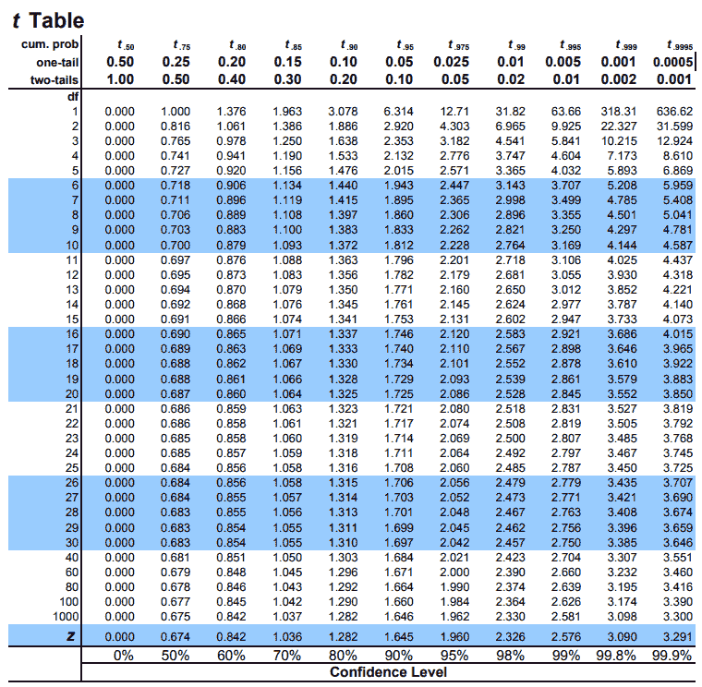
Null Hypothesis: The engagement (minutes watched) in Q2 2021 is higher than or equal to the one in Q2 2022 - μ1≥μ2

Alternative Hypothesis: The engagement (minutes watched) in Q2 2021 is lower than the one in Q2 2022 - μ1<μ2

df | 1000
significance level | 0.05

Free Plan Students | Count | Mean | Variance | Pooled Variance | T-Statistics | Critical Value
Q2 2021 | 5280 | 14.21 | 599.11 | 600.65 | -3.95 | 1.645
Q2 2022 | 5994 | 16.04 | 602.02

Paying Students | Count | Mean | Variance | T-Statistics | Critical Value
Q2 2021 | 2281 | 360.10 | 249616.21 | 5.15 | 1.645
Q2 2022 | 2758 | 292.22 | 176555.89
Paid Plan: Left-tailed test: We reject the null hypothesis if the t-statistic is less than the critical value.
5.15 < 1.645 — this statement is false, therefore we fail to reject the null hypothesis and do not accept the alternative hypothesis.
There is no statistically significant evidence (at α = 0.05) to suggest that group 1 (Paid Plan students in Q2 2021) had lower engagement than group 2 (Paid Plan students in Q2 2022).
In fact, the result supports that engagement in Q2 2021 was higher or equal.
Free Plan:
Left-tailed test: We reject the null hypothesis if the t-statistic is less than the critical value.
–3.95 < –1.645 — this statement is true, therefore we reject the null hypothesis and accept the alternative hypothesis.
There is statistically significant evidence (at α = 0.05) that group 1 (Free Plan Students in Q2 2021) had lower engagement than group 2 (Free Plan Students in Q2 2022).

Values
Calculating Mean and Median Values
Free Plan Students
mins watched | 2021 paid 0 | 2021 paid 1 | 2022 paid 0 | 2022 paid 1 | Categorty | Mean
mean | 14.21 | 360.10 | 16.04 | 292.22 | 2021 | 14.21
median | 2.79 | 161.93 | 4.98 | 119.75 | 2022 | 16.04
std | 24.48 | 499.62 | 24.54 | 420.19
size | 5280 | 2281 | 5994 | 2758
 |  |  |  |  | Categorty | Mean
Confidence Intervals |  |  |  |  | 2021 | 360.10
 |  |  |  |  | 2022 | 292.22
mins watched | 2021 paid 0 | 2021 paid 1 | 2022 paid 0 | 2022 paid 1
Maragin of Error | 0.66 | 20.50 | 0.62 | 15.68
Paid Plan Students
lower bound | 13.55 | 339.60 | 15.41 | 276.54
upper bound | 14.87 | 380.61 | 16.66 | 307.90

