T statistic
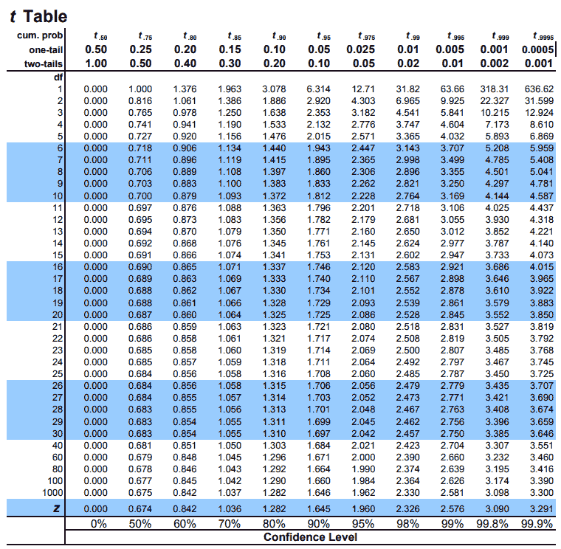
Null Hypothesis: The engagement (minutes watched) in Q2 2021 is higher than or equal to the one in Q2 2022 - μ1≥μ2

Alternative Hypothesis: The engagement (minutes watched) in Q2 2021 is lower than the one in Q2 2022 - μ1<μ2

df | 1000
significance level | 0.05

Free Plan Students | Count | Mean | Variance | Pooled Variance | T-Statistics | Critical Value
Q2 2021 | 5280 | 14.21 | 599.11 | 600.65 | -3.95 | 1.645
Q2 2022 | 5994 | 16.04 | 602.02

Paying Students | Count | Mean | Variance | T-Statistics | Critical Value
Q2 2021 | 2281 | 360.10 | 249616.21 | 5.15 | 1.645
Q2 2022 | 2758 | 292.22 | 176555.89
Paid Plan: Left-tailed test: We reject the null hypothesis if the t-statistic is less than the critical value.
5.15 < 1.645 — this statement is false, therefore we fail to reject the null hypothesis and do not accept the alternative hypothesis.
There is no statistically significant evidence (at α = 0.05) to suggest that group 1 (Paid Plan students in Q2 2021) had lower engagement than group 2 (Paid Plan students in Q2 2022).
In fact, the result supports that engagement in Q2 2021 was higher or equal.
Free Plan:
Left-tailed test: We reject the null hypothesis if the t-statistic is less than the critical value.
–3.95 < –1.645 — this statement is true, therefore we reject the null hypothesis and accept the alternative hypothesis.
There is statistically significant evidence (at α = 0.05) that group 1 (Free Plan Students in Q2 2021) had lower engagement than group 2 (Free Plan Students in Q2 2022).

