核心对照
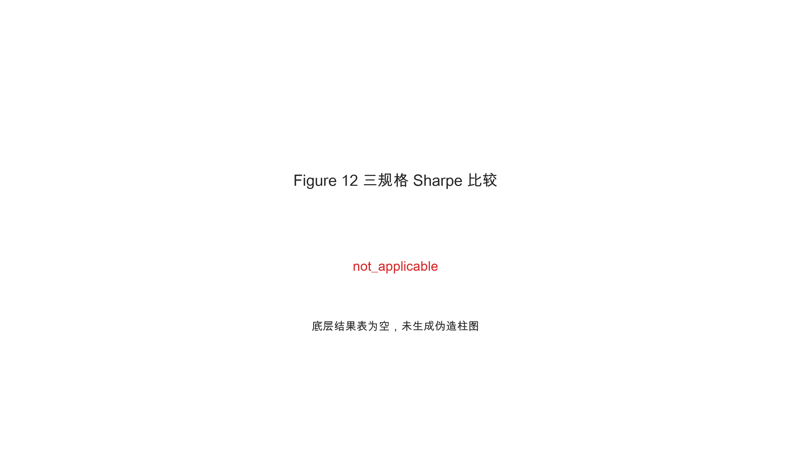

Sharpe汇总
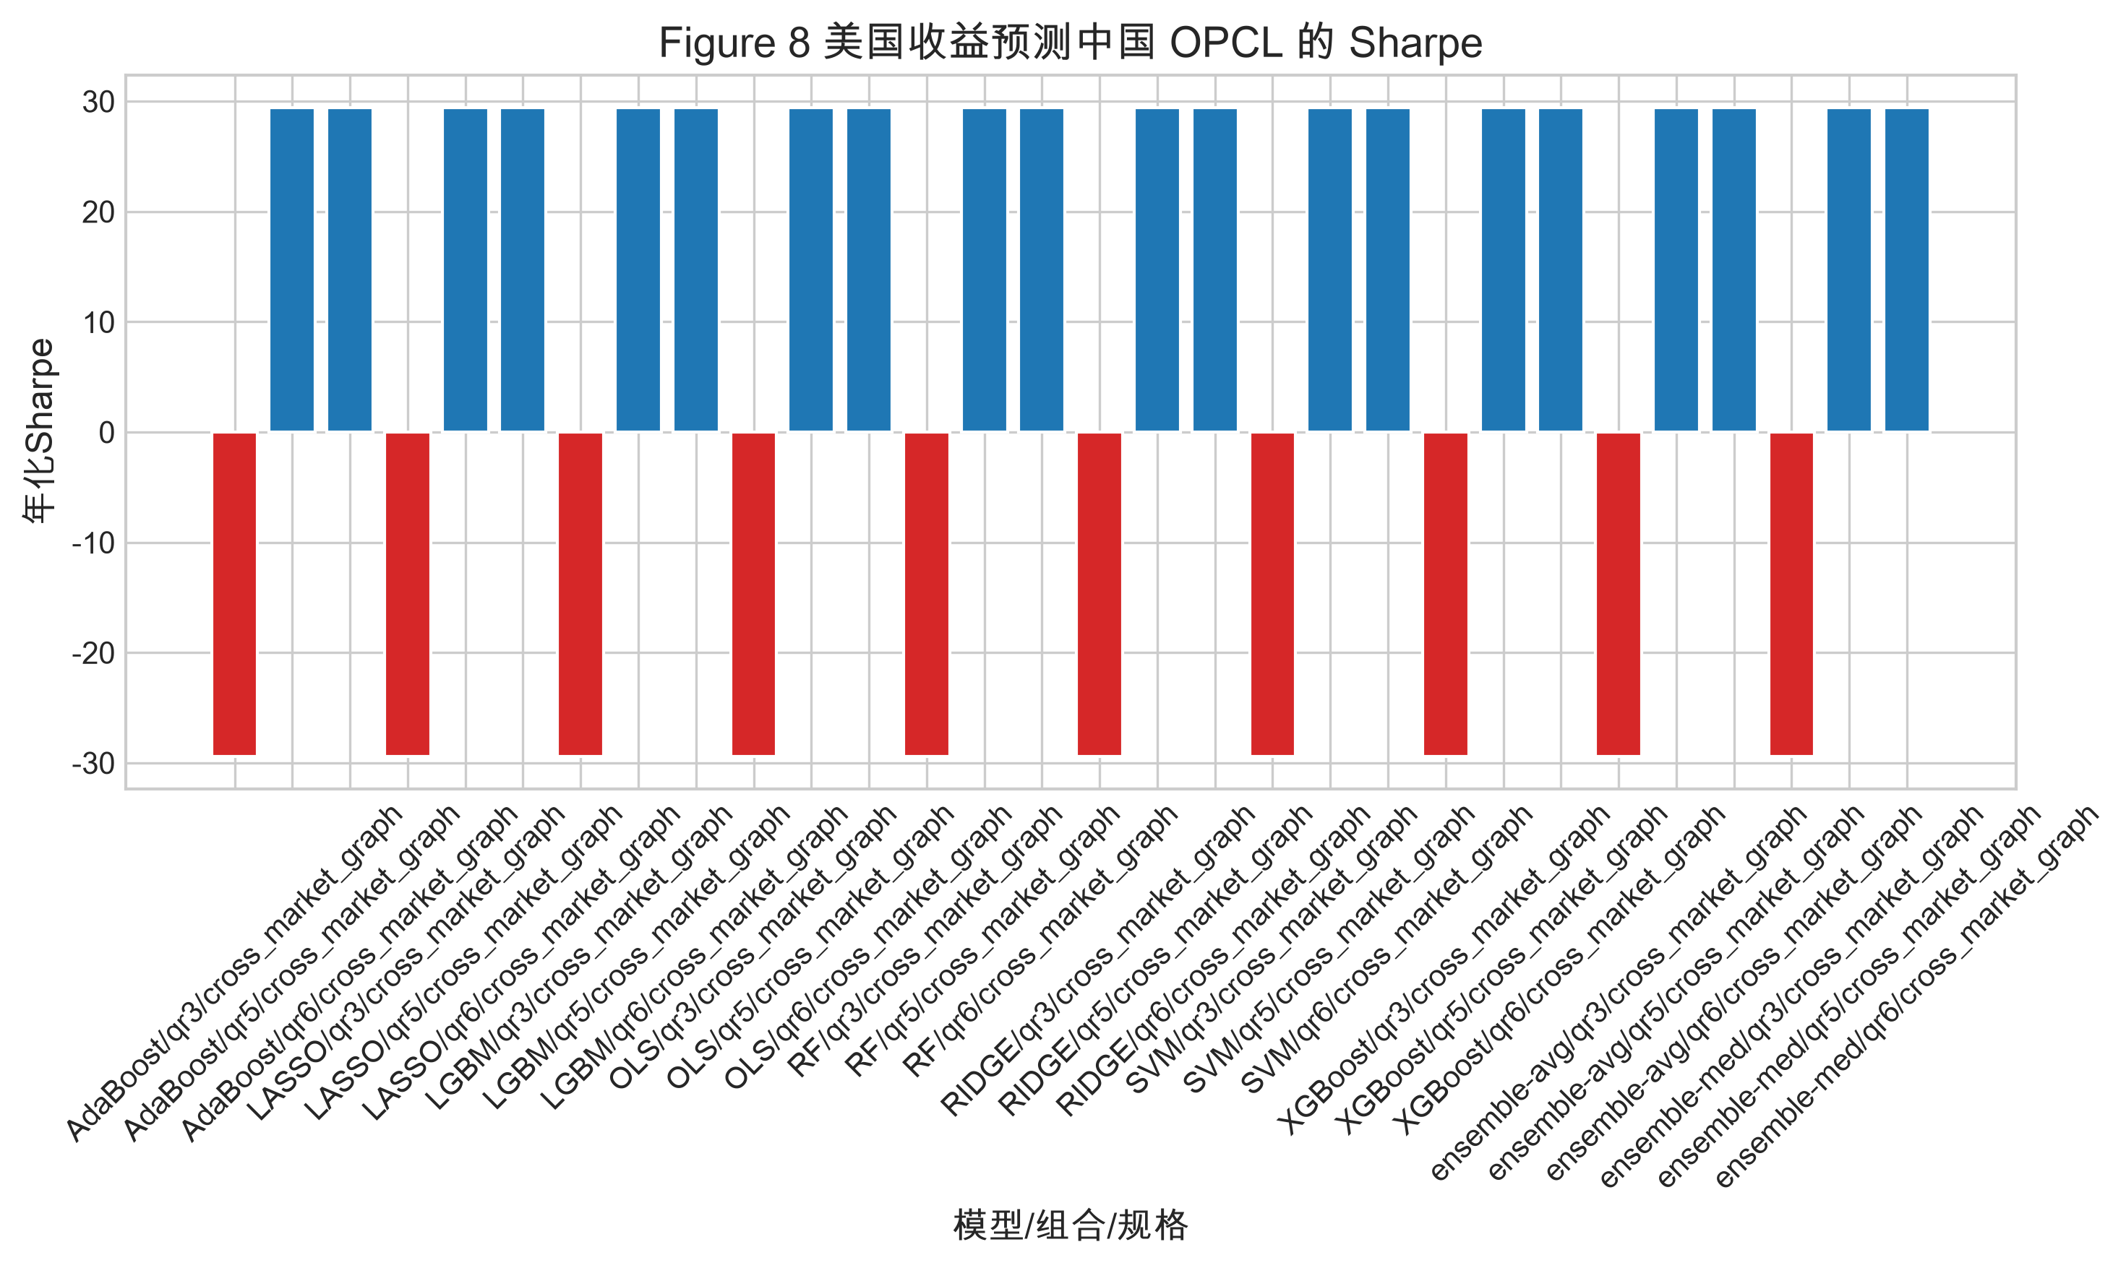
specification | feature_set | direction | target_market | model | portfolio | retained_fraction | observation_count | pnl_mean | pnl_std | annualized_sharpe | sharpe_status | total_pnl
cross_market_graph | pvclcl_excess | US_TO_CN | CN | AdaBoost | qr1 | 1 | 5 | 0 | 0 |  | zero_volatility | 0
cross_market_graph | pvclcl_excess | US_TO_CN | CN | AdaBoost | qr2 | 0.8 | 5 | 0 | 0 |  | zero_volatility | 0
cross_market_graph | pvclcl_excess | US_TO_CN | CN | AdaBoost | qr3 | 0.6 | 5 | -24.64 | 13.28240942 | -29.448563243 | ok | -123.2
cross_market_graph | pvclcl_excess | US_TO_CN | CN | AdaBoost | qr4 | 0.4 | 5 | 0 | 0 |  | zero_volatility | 0
cross_market_graph | pvclcl_excess | US_TO_CN | CN | AdaBoost | qr5 | 0.2 | 5 | 24.64 | 13.28240942 | 29.448563243 | ok | 123.2
cross_market_graph | pvclcl_excess | US_TO_CN | CN | AdaBoost | qr6 | 0.1 | 5 | 24.64 | 13.28240942 | 29.448563243 | ok | 123.2
cross_market_graph | pvclcl_excess | US_TO_CN | CN | LASSO | qr1 | 1 | 5 | 0 | 0 |  | zero_volatility | 0
cross_market_graph | pvclcl_excess | US_TO_CN | CN | LASSO | qr2 | 0.8 | 5 | 0 | 0 |  | zero_volatility | 0
cross_market_graph | pvclcl_excess | US_TO_CN | CN | LASSO | qr3 | 0.6 | 5 | -24.64 | 13.28240942 | -29.448563243 | ok | -123.2
cross_market_graph | pvclcl_excess | US_TO_CN | CN | LASSO | qr4 | 0.4 | 5 | 0 | 0 |  | zero_volatility | 0
cross_market_graph | pvclcl_excess | US_TO_CN | CN | LASSO | qr5 | 0.2 | 5 | 24.64 | 13.28240942 | 29.448563243 | ok | 123.2
cross_market_graph | pvclcl_excess | US_TO_CN | CN | LASSO | qr6 | 0.1 | 5 | 24.64 | 13.28240942 | 29.448563243 | ok | 123.2
cross_market_graph | pvclcl_excess | US_TO_CN | CN | LGBM | qr1 | 1 | 5 | 0 | 0 |  | zero_volatility | 0
cross_market_graph | pvclcl_excess | US_TO_CN | CN | LGBM | qr2 | 0.8 | 5 | 0 | 0 |  | zero_volatility | 0
cross_market_graph | pvclcl_excess | US_TO_CN | CN | LGBM | qr3 | 0.6 | 5 | -24.64 | 13.28240942 | -29.448563243 | ok | -123.2
cross_market_graph | pvclcl_excess | US_TO_CN | CN | LGBM | qr4 | 0.4 | 5 | 0 | 0 |  | zero_volatility | 0
cross_market_graph | pvclcl_excess | US_TO_CN | CN | LGBM | qr5 | 0.2 | 5 | 24.64 | 13.28240942 | 29.448563243 | ok | 123.2
cross_market_graph | pvclcl_excess | US_TO_CN | CN | LGBM | qr6 | 0.1 | 5 | 24.64 | 13.28240942 | 29.448563243 | ok | 123.2
cross_market_graph | pvclcl_excess | US_TO_CN | CN | OLS | qr1 | 1 | 5 | 0 | 0 |  | zero_volatility | 0
cross_market_graph | pvclcl_excess | US_TO_CN | CN | OLS | qr2 | 0.8 | 5 | 0 | 0 |  | zero_volatility | 0
cross_market_graph | pvclcl_excess | US_TO_CN | CN | OLS | qr3 | 0.6 | 5 | -24.64 | 13.28240942 | -29.448563243 | ok | -123.2
cross_market_graph | pvclcl_excess | US_TO_CN | CN | OLS | qr4 | 0.4 | 5 | 0 | 0 |  | zero_volatility | 0
cross_market_graph | pvclcl_excess | US_TO_CN | CN | OLS | qr5 | 0.2 | 5 | 24.64 | 13.28240942 | 29.448563243 | ok | 123.2
cross_market_graph | pvclcl_excess | US_TO_CN | CN | OLS | qr6 | 0.1 | 5 | 24.64 | 13.28240942 | 29.448563243 | ok | 123.2
cross_market_graph | pvclcl_excess | US_TO_CN | CN | RF | qr1 | 1 | 5 | 0 | 0 |  | zero_volatility | 0
cross_market_graph | pvclcl_excess | US_TO_CN | CN | RF | qr2 | 0.8 | 5 | 0 | 0 |  | zero_volatility | 0
cross_market_graph | pvclcl_excess | US_TO_CN | CN | RF | qr3 | 0.6 | 5 | -24.64 | 13.28240942 | -29.448563243 | ok | -123.2
cross_market_graph | pvclcl_excess | US_TO_CN | CN | RF | qr4 | 0.4 | 5 | 0 | 0 |  | zero_volatility | 0
cross_market_graph | pvclcl_excess | US_TO_CN | CN | RF | qr5 | 0.2 | 5 | 24.64 | 13.28240942 | 29.448563243 | ok | 123.2
cross_market_graph | pvclcl_excess | US_TO_CN | CN | RF | qr6 | 0.1 | 5 | 24.64 | 13.28240942 | 29.448563243 | ok | 123.2
cross_market_graph | pvclcl_excess | US_TO_CN | CN | RIDGE | qr1 | 1 | 5 | 0 | 0 |  | zero_volatility | 0
cross_market_graph | pvclcl_excess | US_TO_CN | CN | RIDGE | qr2 | 0.8 | 5 | 0 | 0 |  | zero_volatility | 0
cross_market_graph | pvclcl_excess | US_TO_CN | CN | RIDGE | qr3 | 0.6 | 5 | -24.64 | 13.28240942 | -29.448563243 | ok | -123.2
cross_market_graph | pvclcl_excess | US_TO_CN | CN | RIDGE | qr4 | 0.4 | 5 | 0 | 0 |  | zero_volatility | 0
cross_market_graph | pvclcl_excess | US_TO_CN | CN | RIDGE | qr5 | 0.2 | 5 | 24.64 | 13.28240942 | 29.448563243 | ok | 123.2
cross_market_graph | pvclcl_excess | US_TO_CN | CN | RIDGE | qr6 | 0.1 | 5 | 24.64 | 13.28240942 | 29.448563243 | ok | 123.2
cross_market_graph | pvclcl_excess | US_TO_CN | CN | SVM | qr1 | 1 | 5 | 0 | 0 |  | zero_volatility | 0
cross_market_graph | pvclcl_excess | US_TO_CN | CN | SVM | qr2 | 0.8 | 5 | 0 | 0 |  | zero_volatility | 0
cross_market_graph | pvclcl_excess | US_TO_CN | CN | SVM | qr3 | 0.6 | 5 | -24.64 | 13.28240942 | -29.448563243 | ok | -123.2
cross_market_graph | pvclcl_excess | US_TO_CN | CN | SVM | qr4 | 0.4 | 5 | 0 | 0 |  | zero_volatility | 0
cross_market_graph | pvclcl_excess | US_TO_CN | CN | SVM | qr5 | 0.2 | 5 | 24.64 | 13.28240942 | 29.448563243 | ok | 123.2
cross_market_graph | pvclcl_excess | US_TO_CN | CN | SVM | qr6 | 0.1 | 5 | 24.64 | 13.28240942 | 29.448563243 | ok | 123.2
cross_market_graph | pvclcl_excess | US_TO_CN | CN | XGBoost | qr1 | 1 | 5 | 0 | 0 |  | zero_volatility | 0
cross_market_graph | pvclcl_excess | US_TO_CN | CN | XGBoost | qr2 | 0.8 | 5 | 0 | 0 |  | zero_volatility | 0
cross_market_graph | pvclcl_excess | US_TO_CN | CN | XGBoost | qr3 | 0.6 | 5 | -24.64 | 13.28240942 | -29.448563243 | ok | -123.2
cross_market_graph | pvclcl_excess | US_TO_CN | CN | XGBoost | qr4 | 0.4 | 5 | 0 | 0 |  | zero_volatility | 0
cross_market_graph | pvclcl_excess | US_TO_CN | CN | XGBoost | qr5 | 0.2 | 5 | 24.64 | 13.28240942 | 29.448563243 | ok | 123.2
cross_market_graph | pvclcl_excess | US_TO_CN | CN | XGBoost | qr6 | 0.1 | 5 | 24.64 | 13.28240942 | 29.448563243 | ok | 123.2
cross_market_graph | pvclcl_excess | US_TO_CN | CN | ensemble-avg | qr1 | 1 | 5 | 0 | 0 |  | zero_volatility | 0
cross_market_graph | pvclcl_excess | US_TO_CN | CN | ensemble-avg | qr2 | 0.8 | 5 | 0 | 0 |  | zero_volatility | 0
cross_market_graph | pvclcl_excess | US_TO_CN | CN | ensemble-avg | qr3 | 0.6 | 5 | -24.64 | 13.28240942 | -29.448563243 | ok | -123.2
cross_market_graph | pvclcl_excess | US_TO_CN | CN | ensemble-avg | qr4 | 0.4 | 5 | 0 | 0 |  | zero_volatility | 0
cross_market_graph | pvclcl_excess | US_TO_CN | CN | ensemble-avg | qr5 | 0.2 | 5 | 24.64 | 13.28240942 | 29.448563243 | ok | 123.2
cross_market_graph | pvclcl_excess | US_TO_CN | CN | ensemble-avg | qr6 | 0.1 | 5 | 24.64 | 13.28240942 | 29.448563243 | ok | 123.2
cross_market_graph | pvclcl_excess | US_TO_CN | CN | ensemble-med | qr1 | 1 | 5 | 0 | 0 |  | zero_volatility | 0
cross_market_graph | pvclcl_excess | US_TO_CN | CN | ensemble-med | qr2 | 0.8 | 5 | 0 | 0 |  | zero_volatility | 0
cross_market_graph | pvclcl_excess | US_TO_CN | CN | ensemble-med | qr3 | 0.6 | 5 | -24.64 | 13.28240942 | -29.448563243 | ok | -123.2
cross_market_graph | pvclcl_excess | US_TO_CN | CN | ensemble-med | qr4 | 0.4 | 5 | 0 | 0 |  | zero_volatility | 0
cross_market_graph | pvclcl_excess | US_TO_CN | CN | ensemble-med | qr5 | 0.2 | 5 | 24.64 | 13.28240942 | 29.448563243 | ok | 123.2
cross_market_graph | pvclcl_excess | US_TO_CN | CN | ensemble-med | qr6 | 0.1 | 5 | 24.64 | 13.28240942 | 29.448563243 | ok | 123.2

