Chapt 9
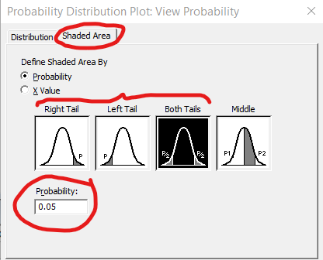
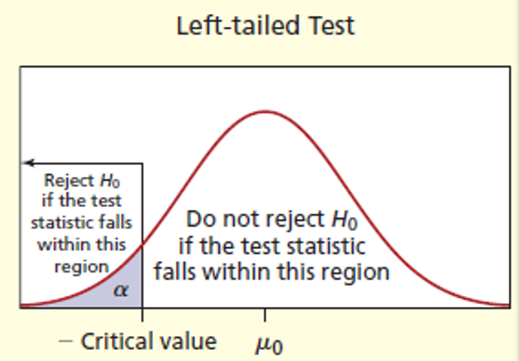
Critical Value |  |  |  |  | Decision Rule using Zcalc./Tcalc |  |  | One-Sample Hypothesis in MiniTab
alpha | 0.05 |  |  |  | Zcalc. | 3.3333
 | Zcrit. | Left-tailed | -1.644853627 |  |  | Left-tailed | FALSE |  | Step 1: | !!! For known std dev choose 1-Sample Z. For unknown std dev choose 1-Sample t
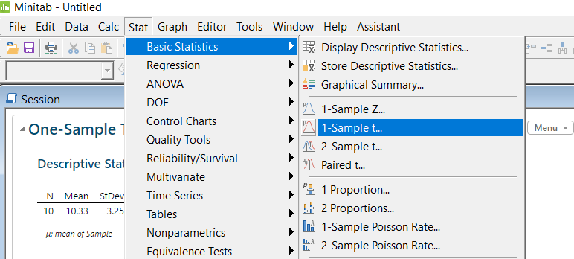
 |  | Right-tailed | 1.644853627 |  |  | Right-tailed | TRUE
 |  | Two-tailed | -1.9599639845 |  |  | Two-tailed | TRUE
 |  |  |  |  |  | !!! TRUE means Reject H_0
 |  |  |  |  | Tcalc. | 2.0000
 | Tcrit. | Left-tailed | -1.7530503557 |  |  | Left-tailed | FALSE
 |  | Right-tailed | 1.7530503557 |  |  | Right-tailed | TRUE
 |  | Two-tailed | 2.1314495456 |  |  | Two-tailed | FALSE

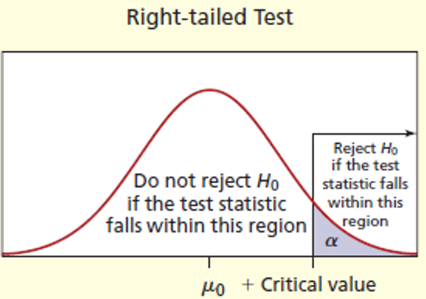
Test Statistics |  |  |  |  | Test Statistics for Proportion
mu_0 | 30 |  |  |  | pi_0 | 0.1
xBar | 40 |  |  |  | pi | 0.15
n | 16 |  |  |  | n | 260 |  |  | Step 2:
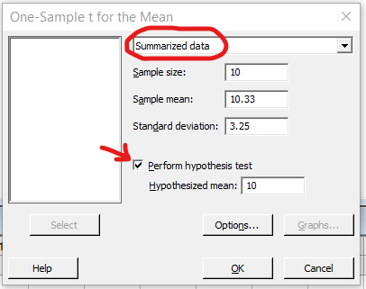
 | Known std dev (sigma) |  |  |  | Zcalc. | 2.6874 |  |  |  |  | Sample size |  | n
 | sigma | 12 |  |  |  |  |  |  |  |  | Sample mean |  | xBar
 |  |  |  |  | !!! This required passing normality check |  |  |  |  |  | Standard deviation |  | s
 |  | Zcalc. | 3.3333 |  | n * pi > 10 |  | TRUE |  |  |  | Hypothesized mean |  | H0
 |  |  |  |  | n * (1 - pi) > 10 |  | TRUE
 | Unknown std dev
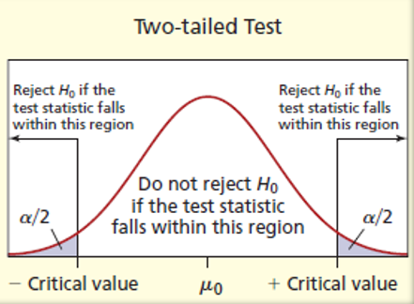
 | s | 20

 |  | Tcalc. | 2.0000

p-value |  |  |  |  |  | Decision Rule using p-value
Zcalc. | 2.6874 | !!! Must be a negative num for |  |  |  | p-value | 0.0038 |  | Step 3:
 |  | Two-tailed test |  |  |  |  | TRUE |  |  | Click the Options button in Step 2
 | Left-tailed |  | 0.9964 |  |  | !!! TRUE means Reject H_0
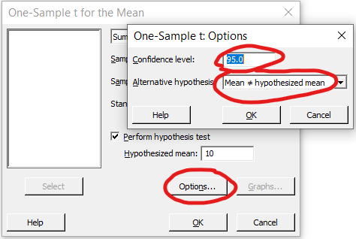
 | Right-tailed |  | 0.0036
 | Two-tailed |  | 1.9928

Tcalc. | 1.14
d.f. | 15 |  |  |  |  |  |  |  |  |  |  | Alternative hypothesis |  | What type of test
 | Left-tailed |  | 0.1361
 | Right-tailed |  | 0.2722 |  | Seem wrong!
 | Two-tailed |  | 0.8639

Confidence Interval
alpha | 0.05
xBar | 10.33
n | 10
 |  |  |  |  |  |  |  | Calculate p-value UNKNOWN std dev in MiniTab using Graph
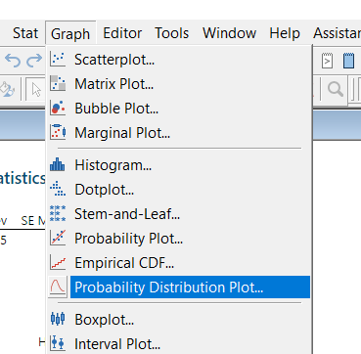
 | Known std dev (sigma)
 | sigma | 500 |  |  |  |  |  |  | Step 1:
 |  | z-score |  | 1.9599639845
 |  | Lower Bound |  | -299.56751615
 |  | Upper Bound |  | 320.2275

 | Unknown std dev
 | s | 3.25
 |  | t-score |  | 2.2621571628
 |  | Lower Bound |  | 8.0050900556
 |  | Upper Bound |  | 12.6549

 |  |  |  |  |  |  |  |  | Step 2:
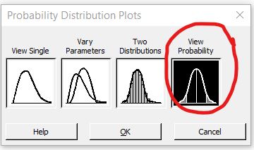

 |  |  |  |  |  |  |  |  | Step 3:
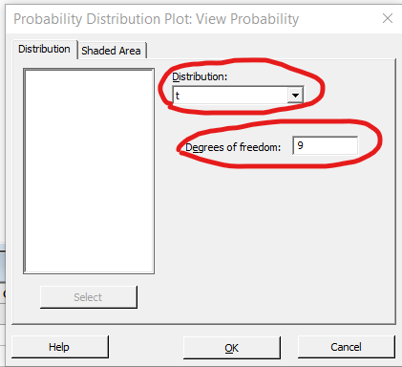

 |  |  |  |  |  |  |  |  |  |  | Degrees of freedom |  | n - 1

 |  |  |  |  |  |  |  |  | Step 4 : | Choose the Shaded Area in Step 3

Chapt 10
Critical Value |  |  |  |  |  | Decision Rule using Zcalc./Tcalc |  |  |  | Test Statistics for proportions with pi 1 - pi 2 = 0 |  |  |  |  |  | F test for equal variances
alpha | 0.05 |  |  |  |  |  |  |  |  | x1 | 10 |  | Normality Check
 | Zcrit. | Left-tailed | -1.6449 |  |  | For Zcalc. | Left-tailed | FALSE |  | x2 | 39 |  | FALSE | TRUE
 |  | Right-tailed | 1.6449 |  |  |  | Right-tailed | TRUE |  | n1 | 100 |  | TRUE | TRUE
 |  | Two-tailed | -1.9600 |  |  |  | Two-tailed | TRUE |  | n2 | 260 |  |  |  |  | Critical Value
 |  |  |  |  |  |  | !!! TRUE means Reject H_0 |  |  | D0 | 0 |  |  |  |  | alpha | 0.1
 |  |  |  |  |  |  |  |  |  |  | p1 | 0.1 |  |  |  | FL | Left-tailed | 0.36701588305
 | Tcrit. | Equal var | Left-tailed | -1.7459 |  | Equal var | Left-tailed | FALSE |  |  | p2 | 0.15 |  |  |  | FR | Right-tailed | 2.5053132016
 |  |  | Right-tailed | 1.7459 |  |  | Right-tailed | TRUE |  |  | pc | 0.13611111111 |  |  |  | FL,R | Two-tailed | 0.2720 | 3.2927
 |  |  | Two-tailed | 2.1199 |  |  | Two-tailed | TRUE |  |  | Zcalc. | -1.2392 | 1.3409 | (D0 != 0) |  | F distribution |  |  | Decision Rule
 |  | Unequal var | Left-tailed | -1.7531 |  | Unequal var | Left-tailed | FALSE |  |  |  |  |  |  |  | n1 | 8 |  | Left-tailed | FALSE
 |  |  | Right-tailed | 1.7531 |  |  | Right-tailed | TRUE |  | Test Statistics for Paired Data |  |  |  |  |  | n2 | 10 |  | Right-tailed | TRUE
 |  |  | Two-tailed | 2.1314 |  |  | Two-tailed | TRUE |  | n pair | 7 |  |  |  |  | xBar1 | 22.3 |  | Two-tailed | TRUE
 |  |  |  |  |  |  |  |  |  | dBar | 0.829 | <-- average of differences |  |  |  | xBar2 | 17.3
 |  |  |  |  |  |  |  |  |  | sd | 1.755 | <- std dev of differences |  |  |  | s1 | 36 |  |  |  | SOLVING IN MINITAB
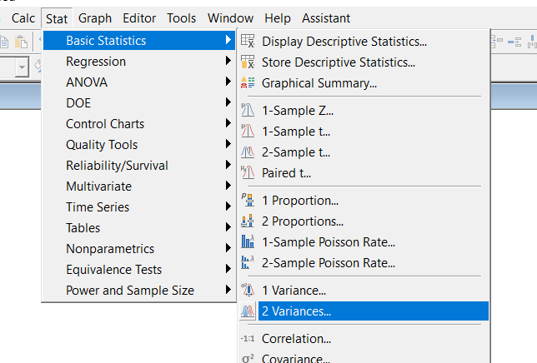
 |  |  |  |  | p-value |  |  |  | Reject? |  |  |  |  |  |  | s2 | 16
Test Statistics |  |  |  |  | Zcalc. |  | Left-tailed |  | TRUE |  | Tcrit. | Tcalc. | p-value | Reject?
xBar 1 | 38 |  |  |  |  |  | Right-tailed |  | TRUE | Left-tailed | -1.9432 | 1.250 | 0.8710 | FALSE
xBar 2 | 29 |  |  |  |  |  | Two-tailed |  | TRUE | Right-tailed | 1.9432 | 1.2498 | 0.1290 | FALSE | FALSE | Fcalc. | 5.0625
n1 | 8 |  |  |  | Tcalc. | Equal var | Left-tailed | 0.99923627829 | FALSE | Two-tailed | -2.4469 | 1.2497594512 | #NUM! | FALSE |  | Folder Fcalc. | 5.0625
n2 | 10 |  |  |  |  |  | Right-tailed | 0.0008 | TRUE
 |  |  |  |  |  |  | Two-tailed | 0.0015 | TRUE |  |  |  |  |  |  | p-value |  |  | Reject?
 | Known std dev (sigma) |  |  |  |  | Unequal var | Left-tailed | 1.0000 | FALSE
 | sigma 1 | 9 |  |  |  |  | Right-tailed | 0.0000 | TRUE |  |  |  |  |  |  | Two-tailed | If Fcalc > 1 | 0.027966970806 | TRUE
 | sigma 2 | 9 |  |  |  |  | Two-tailed | #NUM! | #NUM! |  |  |  |  |  |  |  | If Fcalc < 1 | 1.9720330292 | FALSE

 |  | Zcalc. | 2.1081851068

 | Unknown std dev (sigma), Assumed Equal
 | s 1 | 6
 | s 2 | 4
 |  | d.f. | 16
 |  | sp ^2 | 24.7500
 |  | Tcalc. | 3.8139

 | Unknown std dev (sigma), Assumed Unequal
 | s 1 | 2.4
 | s 2 | 2.5
 |  | d.f. | 15
 |  | Tcalc. | 7.7604

Confidence Interval
alpha | 0.05

 | Known std dev (sigma)
 |  | z(alpha/2) | 1.9600
 |  | Lower bound | 17.3672
 |  | Upper bound | 0.6328

95.00% | confidence that |  | 17.3672 | <= mu1 - mu2 <= |  | 0.6328
Reject H0 | TRUE
 |  |  |  |  | Reject?
 | Unknown std dev (sigma), Assumed Equal
 |  | t(alpha/2) | -2.1199
 |  | Lower bound | 3.997 |  | TRUE
 |  | Upper bound | 14.003

 | Unknown std dev (sigma), Assumed Unequal
 |  | t(alpha/2) | -2.1314
 |  | Lower bound | 6.528 |  | TRUE
 |  | Upper bound | 11.472

 | Proportion
 |  | z(alpha/2) | 1.9600
 |  | Lower bound | -0.1231 |  | FALSE
 |  | Upper bound | 0.0231

Chapt 17
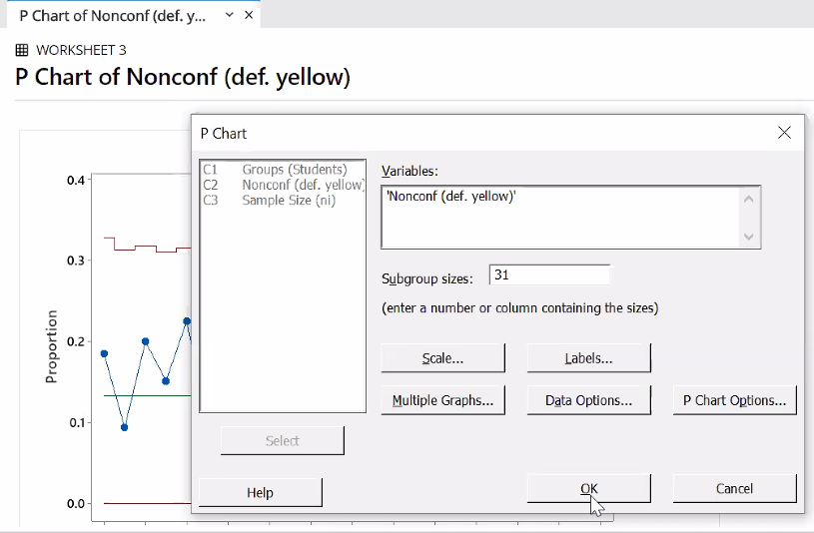
Control Limit for a Mean Known mu and sigma
n | 4
mu | 2.75
sigma | 0.044
 | UCL | 2.816
 | LCL | 2.684

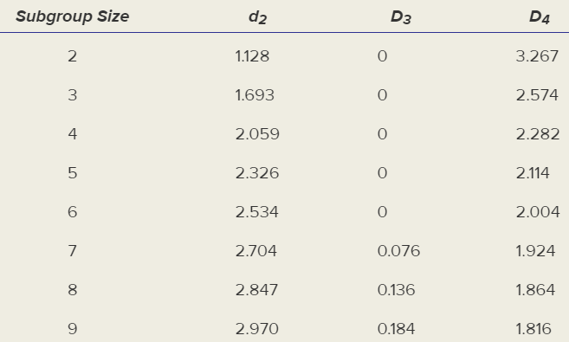
Control Limit for a Mean (Xbar chart)
xBarBar | 206.9
n | 5
 | sigma | 6
 |  | UCL | 214.94984472
 |  | LCL | 198.85015528

 | R Bar | 18.1
 | d2 | 2.326
 |  | UCL | 217.34011102
 |  | LCL | 196.45988898

Control Limit for a Range (R Bar chart)
R Bar | 18.1
 | D4 | 2.114
 | D3 | 0
 | UCL | 38.2634
 | LCL | 0
 | The centerline is R Bar

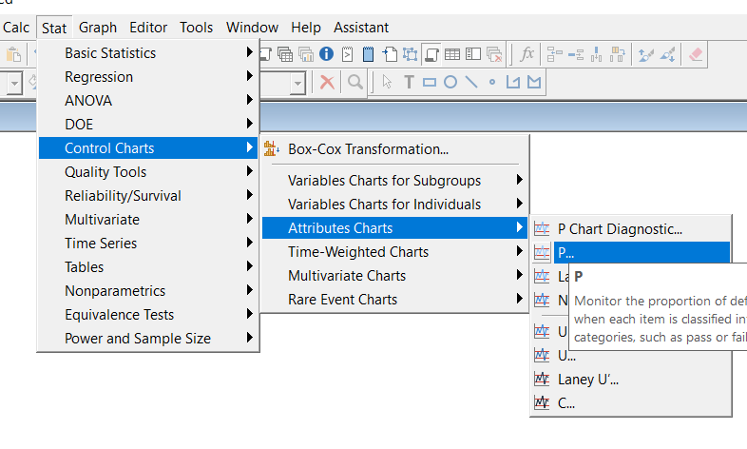
Control Limit for a Proportion (p chart) |  |  |  | To Do this in MiniTab
n | 50
pi | 0.068
Pass normality check |  | FALSE
 |  | TRUE
 | UCL | 0.175
 | LCL | 0.000

Chapt 11
Chocolate Chip | Sugar | Macademia | Oatmeal Raisin |  |  |  | Age Group | Shiny | Satin | Pebbled | Pattern
18 | 20 | 23 | 16 |  |  |  | Youth (under 21) | 6.7 | 6.6 | 5.5 | 4.3
21.3 | 24 | 18 | 24.91 |  |  |  | Adult (21 to 39) | 5.5 | 5.3 | 6.2 | 5.9
3 | 15 | 16 | 24 |  |  |  | Middle-Age (40 to 61) | 4.5 | 5.1 | 6.7 | 5.5
20 | 15 | 19 | 24.9 |  |  |  | Senior (62 and over) | 3.9 | 4.5 | 6.1 | 4.1

Anova: Single Factor |  |  |  |  |  |  | Anova: Two-Factor Without Replication
alpha | 0.05 |  |  |  |  |  | alpha | 0.05
SUMMARY |  |  |  |  |  |  | SUMMARY | Count | Sum | Average | Variance | Std. Dev
Groups | Count | Sum | Average | Variance | Std Dev. |  | Youth (under 21) | 4 | 23.1 | 5.775 | 1.2625 | 1.1236
Chocolate Chip | 4 | 62.3 | 15.575 | 72.12 | 8.49 |  | Adult (21 to 39) | 4 | 22.9 | 5.725 | 0.1625 | 0.4031
Sugar | 4 | 74 | 18.5 | 19.00 | 4.36 |  | Middle-Age (40 to 61) | 4 | 21.8 | 5.45 | 0.86333333333 | 0.9292
Macademia | 4 | 76 | 19 | 8.67 | 2.94 |  | Senior (62 and over) | 4 | 18.6 | 4.65 | 0.99666666667 | 0.9983
Oatmeal Raisin | 4 | 89.81 | 22.4525 | 18.69 | 4.32
TOTAL | 16 |  | 18.881875 |  |  |  | Shiny | 4 | 20.6 | 5.15 | 1.5033333333 | 1.2261
 |  |  |  |  |  |  | Satin | 4 | 21.5 | 5.375 | 0.7825 | 0.8846
ANOVA |  |  |  |  |  |  | Pebbled | 4 | 24.5 | 6.125 | 0.2425 | 0.4924
Source of Variation | SS | df | MS | F | P-value | F crit | Pattern | 4 | 19.8 | 4.95 | 0.78333333333 | 0.8851
Between Groups (Treatment) | 95.37826875 | 3 | 31.79275625 | 1.0733949058 | 0.39703052851 | 3.4902948195 | Total | 16 |  | 5.4 |  | 0.9345
Within Groups (Error) | 355.426575 | 12 | 29.61888125
 |  |  |  |  |  |  | ANOVA
Total | 450.80484375 | 15 |  |  |  |  | Source of Variation | SS | df | MS | F | P-value | F crit
 |  |  |  |  |  |  | Rows | 3.245 | 3 | 1.0817 | 1.46 | 0.2907 | 3.863
SS = Sum Squares ---> B19 is SSB and B20 is SSE |  |  |  |  |  |  | Columns | 3.165 | 3 | 1.0550 | 1.42 | 0.2999 | 3.863
DF1 = number of groups -1 = 4 - 1 = 3 ---> C19 |  |  |  |  |  |  | Error | 6.69 | 9 | 0.7433
DF2 = Total number of n - number of groups = SUM(B11:B14) - 4 = 16 - 4 = 12 ---> C20
MS = Estimated Variance |  |  |  |  |  |  | Total | 13.1 | 15
MSB is D19 = B19/C19 (Variance Between Groups)
MSE is D20 = B20/C20 (Variance within Groups)
F calc. = MSB/MSE ----> E19 = D19/D20 ---> Explained Variance/Unexplained Variance
p-value = F.DIST.RT(Fcalc., DF1, DF2) ---> F19 = F.DIST.RT(E19,C19,C20) ---> We are 39% certain that one mean is different
F crit. = F.INV.RT(alpha, DF1, DF2) ---> G19 - F.INV.RT(0.05, C19, C20)
Conclusion: If p-value < alpha -> Reject, else fail to reject.
ANOTHER WAY: F calc. > F crit -> Reject, else fail to reject.

Hartley's test for equal variances
H calc. = Variance max / Variance min = |  |  | 8.3218269231
H crit. = Refer to table 11.5
Conclusion: H calc. > H crit. -> Reject, else fail to reject (all variances are equal).
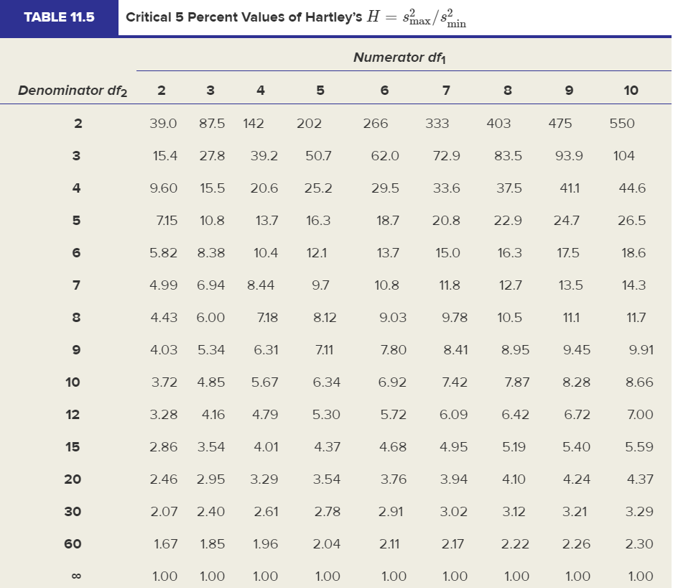

 |  |  | df1 = c
 |  |  | df2 = floor( (n/c) - 1 )

Tukey simultaneously comparison t-values ---> cuz it offers good power and maintains the desired overall prob of Type I error
 |  | Chocolate Chip | Sugar | Macademia | Oatmeal Raisin
 |  | 15.575 | 18.5 | 19 | 22.4525
Chocolate Chip | 15.575 |  | 0.76008 | 10.637759606
Sugar | 18.5
Macademia | 19
Oatmeal Raisin | 22.4525

T calc. =ABS(Mean1 - Mean2 / SQRT(MSE * (1/n1 + 1/n2))
T crit. = Refer to table 11.4
Conclusion: If T calc. > T crit. ---> The means of the pair differ
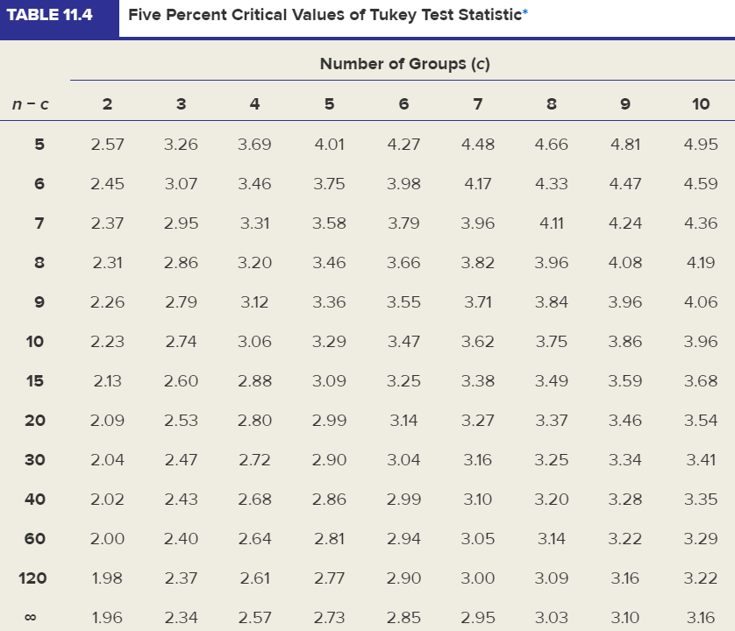

CI for estimating Tukey test Mean1 - Mean2
(Mean1 - Mean2) +_ t(alpha/2,d2) * S(Mean1 - Mean2)
S(Mean1 - Mean2) = SQRT(MSE * (1/n1 + 1/n2))
To calculate t(alpha/2, df2) = T.INV(alpha/2, df2)

alpha | 1
df2 | 1
MSE | 1
Mean 1 | 1
n1 | 1
Mean 2 | 1
n2 | 1
t(alpha/2,d2) | 0
S(Mean1 - Mean2) | 1.4142135624
 | Upper Bound | 0
 | Lower Bound | 0

Chapt 12
Critical Value |  |  |  | Decision Rule |  |  | Excel Simple regression -> Add trendline |  |  |  |  |  | Residual | (observed value of y - estimated value of y)
alpha | 0.05 |  |  |  |  |  | Step 1 | Highlight data columns |  |  |  |  | Step 3 | Select Residuals under Residuals
 |  |  |  | For Tcrit. | Left-tailed | FALSE | Step 2 | Click Insert -> Choose Scatter to create a graph
 | Tcrit. | Left-tailed | -1.812 |  | Right-tailed | TRUE | Step 3 | Click on the scatter plot to select the data |  |  |  |  | RESIDUAL OUTPUT
 |  | Right-tailed | 1.812 |  | Two-tailed | TRUE | Step 4 | Right click -> Add Trendline |  |  |  |  | Observation | Predicted Y | Residuals
 |  | Two-tailed | 2.228 |  |  |  | Step 5 | Choose Options -> Check Display Equation on chart |  |  |  |  | 1 | 12.2 | -2.2
 |  |  |  |  |  |  |  |  |  |  |  |  | 2 | 15 | 0
Tests statistics for Significant Correlation |  |  |  |  |  |  | The regression model: |  |  |  |  |  | 3 | 9.4 | 2.6
n | 12 |  |  |  |  |  |  |  |  |  |  |  | 4 | 13.6 | -2.6
r | 0.82 |  |  |  |  |  | Excel Data Analysis Regression |  |  |  |  |  | 5 | 16.4 | -1.4
 |  |  |  |  |  |  | X | Y |  | Step 1 | Data Tab -> Choose Data Analysis -> Select Regression |  | 6 | 19.2 | -1.2
 | Tcalc. | 4.530 |  |  |  |  | 2 | 10 |  | Step 2 | Select Y Range, X Range, Select Confidence Level |  | 7 | 15 | 2
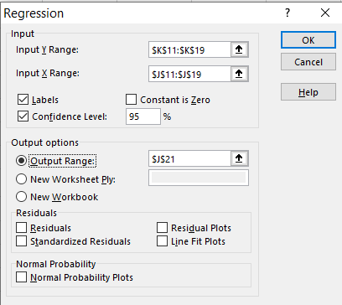
 | p-value | 0.0011 |  |  |  |  | 4 | 15 |  |  |  |  | 8 | 19.2 | 2.8
 | r crit. | 0.8069 |  |  |  |  | 0 | 12
 |  |  |  |  |  |  | 3 | 11
Conclusion | If t calc. > t crit. ---> Reject H0 ---> there's linear relationship |  |  |  |  |  | 5 | 15
OR | If p-value < alpha ---> Reject H0 |  |  |  |  |  | 7 | 18
OR | r > r crit. ---> Reject H0 |  |  |  |  |  | 4 | 17
Coefficent of Determination (measure fit)
= 1 - SSE/SST
= SSR/SST
 |  |  |  |  |  |  | 7 | 22
Calculate correlation coefficient
Use =CORREL(array1, array2) |  |  |  |  |  |  | SUMMARY OUTPUT

Inverval Estimate for Y |  |  |  |  |  |  | Regression Statistics
slope | 0.1667 |  |  |  |  |  | Multiple R | 0.8367 |  |  |  |  |  | n = df1 + df2 + 1
intercept | 1.8333 |  |  |  |  |  | R Square (R2) | 0.7 |  |  |  |  |  | k = df1
xi | 4 |  |  |  |  |  | Adjusted R Square | 0.65 |  |  |  |  |  | SSR L32 --> Regression sum of squares
n | 10 |  |  |  |  |  | Standard Error (Se) | 2.3664 | = SQRT(MSE) = SQRT(M33) |  |  |  |  | SSE L33 -> error sum of squares |  | --> If SSE relatively small compared
s_{e} = 0 means all predictions were perfect
MSE | 196.0698 |  |  |  |  |  | Observations (n) | 8 |  |  |  |  |  | SST L34 -> total sum of squares |  | to SST ---> a good fit model
xBar | 10.5 |  |  |  |  |  |  |  |  |  |  |  |  | MSR M31 = SSR/df1
 | 264.5 | <-- Sum of squares for x |  |  |  |  | ANOVA |  |  |  |  |  |  | MSE M32 = SSE/df2
 |  |  |  |  |  |  |  | df | SS | MS | F calc. | Significance F (p-value) |  | F calc. N32 = M32/M33
 | Se | 14.002 | <-- also calculated =SQRT(SSE/df2) |  |  |  | Regression | 1 | 78.4 | 78.4 | 14 | 0.0096036935903 |  | p-value O32 = F.DIST.RT(N32, K32, K33)
 | y-hat | 2.500 |  |  |  |  | Residual (Error E) | 6 | 33.6 | 5.6 |  |  |  | F crit. = F.INV.RT(alpha, K32, K33)
 | t calc. | -2.306 |  |  |  |  | Total | 7 | 112 |  |  |  |  | t crit. = T.INV.2T(alpha, K33)

 | Confidence interval for mean of Y |  |  |  |  |  |  | Coefficients (β) | Standard Error | t Stat (t calc.) | P-value for 2-tailed test | Lower 95% | Upper 95%
 | Lower bound | -13.9562 |  |  |  |  | Intercept | 9.4 | 1.7146428199 | 5.4821913291 | 0.001540255924 | 5.2044 | 13.5956
 | Upper bound | 18.9564 |  |  |  |  | X (Slope) | 1.4 | 0.37416573868 | 3.7416573868 | 0.0096036935903 | 0.4844 | 2.3156
y-hat = 1.4x + 9.4
 |  |  |  |  |  |  |  |  |  | M37 = K37 / L37 | N37 = T.DIST.2T(ABS(M37), K33) | O37 = K37-T.INV.2T(alpha,n-k-1)*L37 |  | P37 = K37+T.INV.2T(alpha,n-k-1)*L38
 | Prediction interval for yi |  |  |  |  |  |  |  | L38 = SQRT(M33/SSxx) | M38 = K38 / L38 | N38 = T.DIST.2T(ABS(M38), K33) | O38 = K38-T.INV.2T(alpha,n-k-1)*L38 |  | P38 = K38+T.INV.2T(alpha,n-k-1)*L39
 | Lower bound | -33.7413 |  |  |  |  |  |  |  |  |  | This means we're 95% certain for every $ invest the revenue increase between $0.48 and $2.31
 | Upper bound | 38.7415 |  |  |  |  | Conclusion: p-value != 0 ---> Reject H0 ---> There's correlation and we're 99% certain (based on O32)
 |  |  |  |  |  |  |  | OR F calc. > F crit. ---> Reject H0
 |  |  |  |  |  |  |  | OR if 0 is not between O38 and P38 --> Reject H0 -> there's a correlation i.e. is a significant predictor
 |  |  |  |  |  |  |  | OR tcalc. > t crit ---> Reject H0

 |  |  |  |  |  |  | For different test ---> Need to calculate different t crit.

 |  |  |  |  |  |  |  | 1.9623510303
 |  |  |  |  |  |  |  | 2.5807794935
 |  |  |  |  |  |  |  | 1.2824029814

Chapter 13
Adjusted R2 |  |  | Categorical Var
n | 50 |  | eg: A regression model to predict the price of diamonds included the following predictor var:
k (# predictors) | 4 |  | the weight of the stone (in carats where 1 carat = 0.2 gram)
SSE | 1584952 |  | the color rating (D, E, F, G, H or I), and the clarity rating (IF, VVS1, VVS2, VS1, or VS2)
SST | 2767685
 | Adjusted R | 0.3764 | ---> Only weight is the quantitaive predictor varible
NOTE: Ajusted R2 <= R2When more predictor is added, |  |  | Number of indicator variables would be included in the model in order to prevent the least
R^2 will not decrease, but adjusted R^2 may |  |  | sqaures estimation from failing: there're 6 values for rating so the model need (6 - 1). There're
increase/decrease/remain the same |  |  | 6 different values for Clarity so the model need (5 - 1) ---> TOTAL: 9 indicator variables
If adjusted R^2 is substantially smaller than R^2,
it suggests that the model contains useless predictors |  |  | ---> The model form for predicting diamond price:
 |  |  | Price = β0 + β1Weight + β2ColorD + β3ColorE + β4ColorF + β5ColorG + β6ColorH + β7ClarityIF + β8ClarityVVS1+ β9ClarityVVS2+ β10ClarityVS1
Predictor
n/k should be at least 10 (Evan's rule) |  |  | Correlation Matrix |  | ---> Calculate collinearity among the predictors (are the predictors correlate)
n/k should be at least 5 (Doane's rule) |  |  |  | Step 1 | (Excel) Choose Correlation in the Data Analysis tab |  |  | Step 1 | (Minitab) Choose Basic Statistics -> Correlation
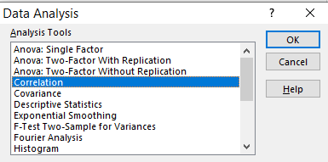
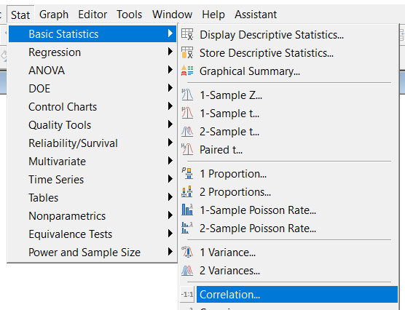
Test predictor for significance
 |  |  |  |  |  |  |  |  |  | If p-value in the Pairwise Pearson
 |  |  |  |  |  |  |  |  |  | Correlations section < alpha -> Reject H0
 |  |  |  |  |  |  |  |  |  | --> There's a correlation between these
 |  |  |  |  |  |  |  |  |  | 2 vars --> should remove either of the
= 0 means predictor X' is not related to Y |  |  |  |  |  |  |  |  |  | var from the model

Confidence Interval for conditional mean of Y
alpha | 0.05 |  |  | Step 2 | Select all the predictors for the Input range
n | 73
k | 4 |  | Variance Inflation Factor (VIF) |  |  | (relationship among predictors)
y hat | 0 |  |  | Step 1 | In Minitab, calculate regression
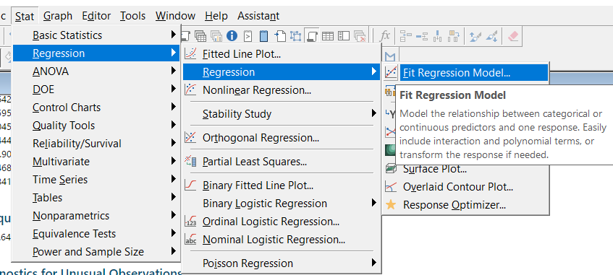
se | 2.1
 | t alpha/2 | 1.995
 | Lower Bound | -0.490
 | Upper Bound | 0.490

If using the quick rule for 95%, then
 | Lower Bound | -0.4916
 | Upper Bound | 0.4916

Approximate Prediction Interval for indiv Y-value
 | Lower Bound | -4.1905
 | Upper Bound | 4.1905 |  | Step 2 | Find the VIF column
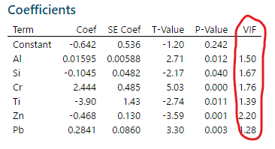
If using the quick rule for 95%, then
 | Lower Bound | -4.2000
 | Upper Bound | 4.2000

 |  |  |  | Step 3 | Inference
 |  |  |  |  | VIF = 1 | No variance inflation
 |  |  |  |  | VIF = 2 | Mild variance inflation
 |  |  |  |  | VIF = 10 | Strong variance inflation | Concern!
 |  |  |  |  | VIF = 100 | Severe variance inflation | Concern!
 |  |  |  | VIF > 10 suggests that multicollinearity will cause instability in the model

Chapter 14
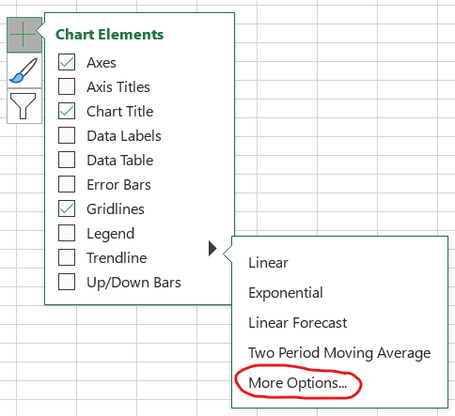
Add Trendline (Excel)
 |  | Step 1 | Select the Y column and Insert -> Select Line chart
Year | Labor Force
2007 | 173,966
2008 | 174,703
2009 | 173,159
2010 | 173,698
2011 | 174,043
2012 | 175,676
2013 | 175,199
2014 | 176,286
2015 | 178,005
2016 | 179,688

 |  | Step 2 | Click the X-axis and Select Data
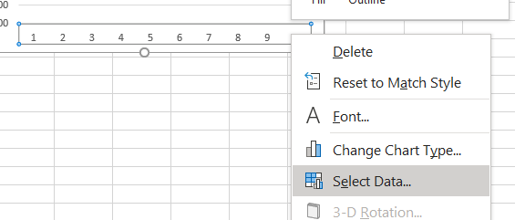

 |  | Step 3 | In the Horizontal Axis Label -> Click Edit -> Select the X column (without label) -> OK
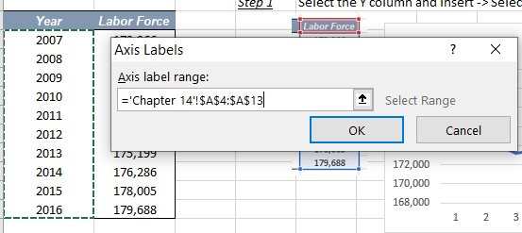

 |  | Step 4 | Click + icon -> Choose Trendline -> Choose More Options -> Choose display equation on chart

Chapter 15
 |  |  | p-value |  |  |  |  |  | Test for proportions |  |  | GOF Test
 |  |  | C calc. | 17.54 |  |  |  |  |  |  |  | H0: do not differ significantly from the trend
Chi-square test is always a right-tailed test |  |  |  | p-value | 0.00015532358065 |  |  |  |  |  |  | H1: differ significantly from the trend
Critical Value |  |  | Decision Rule |  |  |  |  |  | x1 | 40 |  | alpha | 0.01
alpha | 0.01 |  | Reject? | TRUE |  |  |  |  | n1 | 69 |  | m |  | <-- # of parameters (for uniform dist m = 0, poisson m = 1, normal dist m = 2)
rowNum | 2 |  |  |  |  |  |  |  | x2 | 61 |  | c | 2 | <-- # of classes
colNum | 3 |  |  |  | Observed Freq |  |  |  | n2 | 384 |  |  | df | 1
 | df | 2 |  | Location | France | UK | USA |  |  | pBar | 0.2229580574 |  | C crit. | 6.634896601
 | C crit. | 9.210340372 |  | Home | 56 | 68 | 35 | 159 |  | z calc. | 7.7328705605
 |  |  |  | Order | 19 | 19 | 28 | 66 |  | p-value | 1.0436096431E-14 | Expected frequency
Expected frequency |  |  |  | Client | 6 | 10 | 16 | 32 |  | C calc. | 59.797287105 | n | 220 | <-- Test is invalid if n < 25
n | 291 |  |  | Other | 12 | 9 | 13 | 34 |  |  |  | πj | 0.13 | <-- hypothesized proportion
Rj | 159 | <-- Total for row j |  |  | 93 | 106 | 92 | 291 |  |  |  |  | ej | 28.6
Cochran's Rule: e_{jk} > 5 for all cells
Dangerous zone: e_{jk} < 2
Infeasible: e_{jk} < 1
Cj | 93 | <-- Total for col i
 | ejk | 50.81443299 |  |  | Expected Freq |  |  |  |  |  |  | Color | Official πj | Observed | ej
Cochran's Rule: e_{jk} > 5 for all cells
Dangerous zone: e_{jk} < 2
Infeasible: e_{jk} < 1
Test Statistics |  |  |  | Location | France | UK | USA |  |  |  |  | Brown | 0.13 | 38 | 28.6
 |  |  |  | Home | 50.81443299 | 57.917525773 | 50.268041237 | 159 |  |  |  | Red | 0.13 | 30 | 28.6
 |  |  |  | Order | 21.092783505 | 24.041237113 | 20.865979381 | 66 |  |  |  | Blue | 0.24 | 44 | 52.8
 |  |  |  | Client | 10.226804124 | 11.656357388 | 10.116838488 | 32 |  |  |  | Orange | 0.2 | 52 | 44
 |  |  |  | Other | 10.865979381 | 12.384879725 | 10.749140893 | 34 |  |  |  | Yellow | 0.16 | 30 | 35.2
 |  |  |  |  | 93 | 106 | 92 | 291 |  |  |  | Green | 0.14 | 26 | 30.8

 |  |  |  | p-value | 0.0074789721039 |  |  |  |  |  |  |  | p-value | 0.17998336916
 |  |  |  | C calc. | 9.7913198314 |  |  |  |  |  |  |  | C calc. | 1.7977613778

 |  |  |  |  |  |  |  |  |  |  |  | Conclusion | If C calc. > C crit. ---> Reject H0
 |  |  |  |  |  |  |  |  |  |  |  |  | OR p-value < alpha ---> Reject H0

