Sheet1
 | Current in mA
Component | in | 5V(clean) | in2 | 5V | in3 | 3,3V(resonable) | in4 | 12V(clean) | in5 | -12V(clean) | in6 | -15V(buck) | in7 | 12V(Buck) | in8 | 15V(Buck) | 18V | Amount | Rationale
ADC | 45 | 90 |  | 0 | 27 | 54 |  | 0 |  | 0 |  | 0 |  | 0 |  | 0 |  | 2 |  |  | Current in mA
DAC | 30 | 90 |  | 0 | 40 | 120 |  | 0 |  | 0 |  | 0 |  | 0 |  | 0 |  | 3 | Icc = 28 Idd = 30 | Component | 5V | 5V(clean) | 8V(Buck) | 12V(Buck) | 12V(Buck)2 | 12V(clean) | -12V(clean) | 15V(buck) | -15V(buck) | 18V | Efficiency | Total current(mA) | Power | Lin pw diss
FPGA |  | 0 |  | 0 |  | 0 |  | 0 |  | 0 |  | 0 | 2000 | 2000 |  | 0 |  | 1 |  | 3,3V(reasonable) | 276 |  |  |  |  |  |  |  |  |  | 66 | 369.84 | 1.38 | 0.4692
Relay EA2-12NJ |  | 0 |  | 0 |  | 0 |  | 0 |  | 0 |  | 0 | 12 | 24 |  | 0 |  | 2 |  | 5V(Buck) |  |  |  |  |  |  |  |  |  | 1665 | 90 | 1831.5 | 10.6755
OPA1632 |  | 0 |  | 0 |  | 0 | 67 | 670 | 67 | 670 |  | 0 |  | 0 |  | 0 |  | 10 | 17(quicent)+50(output) | 5V(Clean) |  |  | 285 |  |  |  |  |  |  |  | 62.5 | 391.875 | 2.28 | 0.855
LCD 20x4 204LCDI2C |  | 0 | 1100 | 1100 |  | 0 |  | 0 |  | 0 |  | 0 |  | 0 |  | 0 |  | 1 | Idd =10, If(backlight)=1080 EL, Power supply = 5; "Nexxion uses max 500mA" | 8V(Buck) |  |  |  |  |  |  |  |  |  |  | 90 | 0 | 2.508
Op-amp LM4562 |  | 0 |  | 0 |  | 0 | 38 | 380 | 38 | 380 |  | 0 |  | 0 |  | 0 |  | 10 |  | 12V(Buck)FPGA |  |  |  |  |  |  |  |  |  | 2000 | 90 | 2200 | 26.4
Discrete | 10 | 10 | 10 | 10 | 10 | 10 | 10 | 10 | 10 | 10 | 10 | 10 | 10 | 10 | 10 | 10 |  | 1 | Resistors: 5mA, Leds:5mA | 12V(Buck) |  |  |  |  |  |  |  |  |  | 34 | 90 | 37.4 | 14.6025825
 |  | 0 |  | 0 |  | 0 |  | 0 |  | 0 |  | 0 |  | 0 |  | 0 |  |  |  | 12V(Clean) |  |  |  |  |  |  |  |  | 795 |  | 80 | 954 | 11.925 | 2.385
 |  | 0 |  | 0 |  | 0 |  | 0 |  | 0 |  | 0 |  | 0 |  | 0 |  |  |  | -12V(Clean) |  |  |  |  |  |  |  |  | 795 |  | 80 | 954 | 11.925 | 2.385
 |  | 0 |  | 0 |  | 0 |  | 0 |  | 0 |  | 0 |  | 0 |  | 0 |  |  |  | +15V(buck) |  |  |  |  |  |  |  |  |  |  | 90 | 0 | 13.1175
 |  | 0 |  | 0 |  | 0 |  | 0 |  | 0 |  | 0 |  | 0 |  | 0 |  |  |  | -15V(buck) |  |  |  |  |  |  |  |  |  |  | 92.1 | 0 | 12.867075
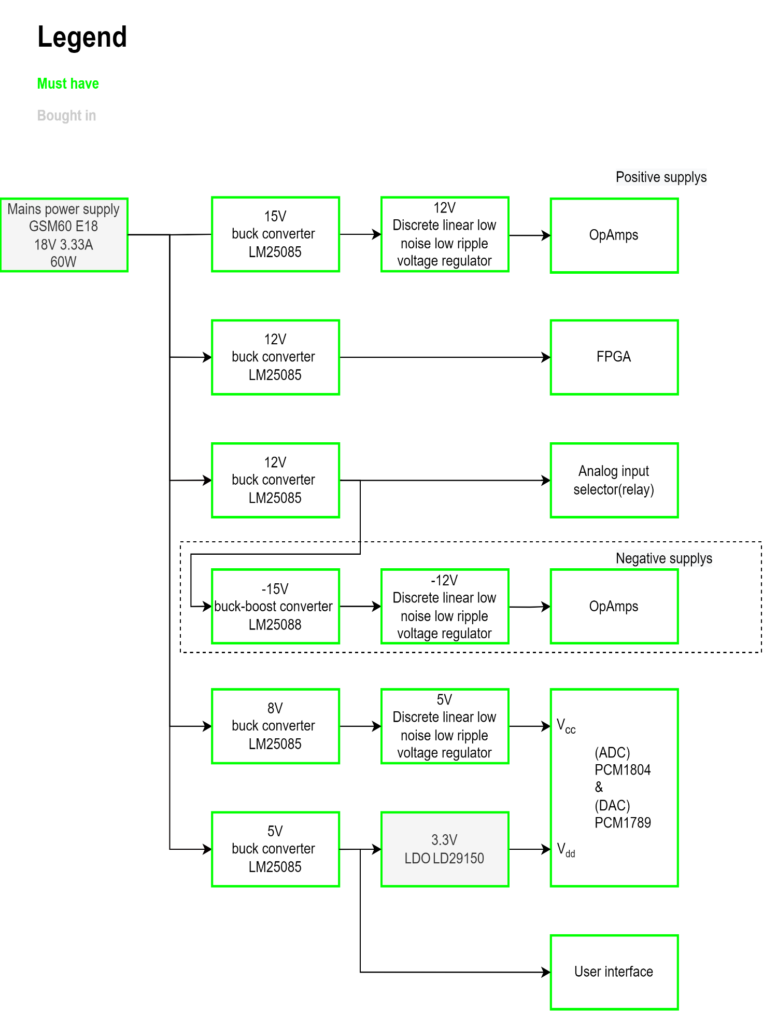
Microcontroller? |  |  |  |  |  |  |  |  |  |  |  |  |  |  |  |  |  |  |  | 18V |  |  |  |  |  |  |  |  |  |  | 90 | 0 | 74.03394075
Total |  | 190 |  | 1110 |  | 184 |  | 1060 |  | 1060 |  | 10 |  | 2034 |  | 10
Margin% |  | 50 |  | 50 |  | 50 |  | 50 |  | 50 |  | 50 |  | 50 |  | 50
Total with margin |  | 285 |  | 1665 |  | 276 |  | 1590 |  | 1590 |  | 15 |  | 3051 |  | 15

Datasheet
Calculation
Simulation
Estimation

