Spannungsteiler
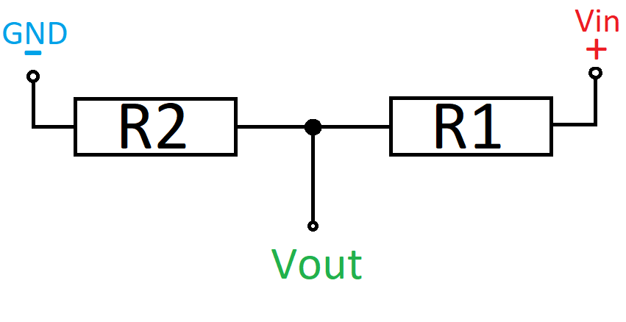
Vin | 5
R1 | 17000 | 5600
R2 | 33000 | 10000 | Gegebene Spannung | Gemessene Spannung
Faktor | 0.66 | 0.64102564103 | 4.457 | 2.942
Vout | 3.3 | 3.2051282051 | 4.169 | 2.752
 |  |  | 3.749 | 2.474
 | 1.5151515152 |  | 2.999 | 1.979

OpAmp
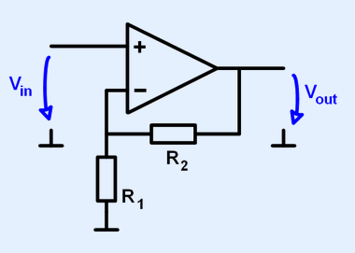
Vin | 3.3
R1 | 10000
R2 | 5600
Faktor | 1.56
Vout | 5.148

TLE42764
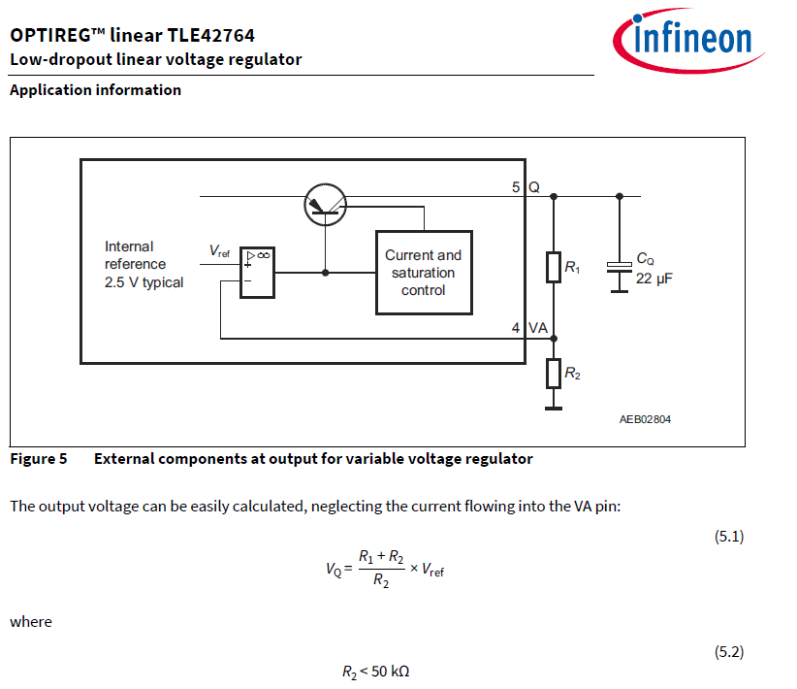
Vref | 2.5
R1 | 30000
R2 | 10000
Vq | 10

