Spannungsteiler
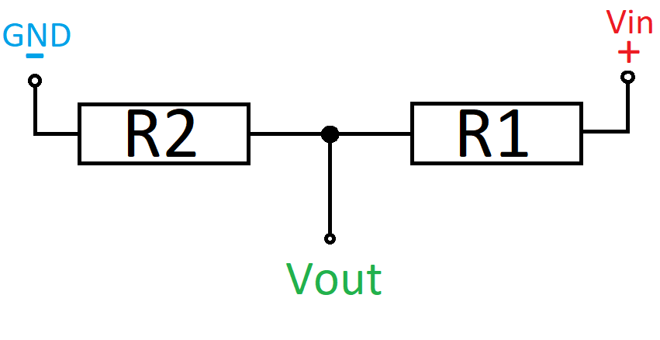
Vin | 5
R1 | 6000 | 18700
R2 | 11000 | 33000 | Gegebene Spannung | Gemessene Spannung
Faktor | 0.64705882353 | 0.63829787234 | 4.457 | 2.884
Vout | 3.2352941176 | 3.1914893617 | 4.169 | 2.698
 |  |  | 3.749 | 2.426
 | 1.5454545455 |  | 2.999 | 1.941

