Spannungsteiler
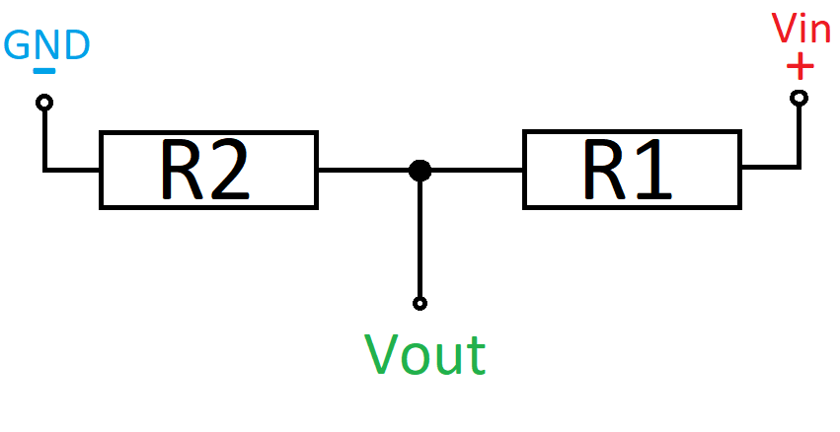
Vin | 5
R1 | 17000 | 82000
R2 | 33000 | 10000 | Gegebene Spannung | Gemessene Spannung
Faktor | 0.66 | 0.10869565217 | 4.457 | 2.942
Vout | 3.3 | 0.54347826087 | 4.169 | 2.752
 |  |  | 3.749 | 2.474
 | 1.5151515152 |  | 2.999 | 1.979

OpAmp
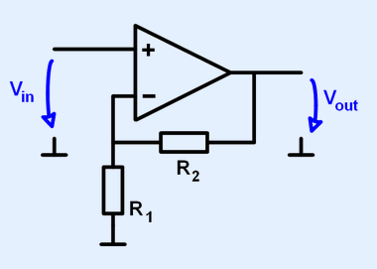
Vin | 3.3
R1 | 33000
R2 | 17000
Faktor | 1.5151515152
Vout | 5

