Dashboard
KEY INSIGHTS
ZOOLOGY has
the highest
avg CGPA
STATS and
BOTANY has
highest drop
rate
IT-121 is most
frequently failed
subject
Overall
promotion rate
98.94
Total Students
2540
All Programs
Average CGPA
2.83
Overall Average
Average SGPA
2.96
Overall Average
Promoted Students
2514
98.98% of Total
Dropped Students
26
1.02 of Total
Promotion Rate
98.94%
promoted/total

1.AVERAGE CGPA by DEPARTMENT
 | Total
Management Sciences | 2.89
Mathematics | 2.91
Islamic Studies | 2.97
Botany | 2.98
Urdu | 3.04
Chemistry | 3.10
Zoology | 3.14
INSIGHT
Zoology students have highest average cgpa while managment sciences have the least.
2.PROMOTION RATE vs DROP RATE by DEPARTMENT
 | Dropped | Promoted
Botany | 1.8% | 98.2%
Economics | 1.2% | 98.8%
Information Technology | 0.2% | 99.8%
Mathematics | 1.4% | 98.6%
Physics | 1.3% | 98.7%
Psychology | 1.8% | 98.2%
Statistics | 1.8% | 98.2%
Zoology | 0.6% | 99.4%
3.CGPA DISTRIBUTION
 | Total
2.00 - 2.49 | 474
2.50 - 2.99 | 913
3.00 - 3.49 | 806
3.50 - 4.00 | 209
Below 2.00 | 138

4.SGPA vs CGPA COMPARISON by DEPARTMENT
 | Average of cgpa | Average of sgpa
Botany | 2.98 | 3.39
Economics | 2.77 | 3.13
Information Technology | 2.79 | 2.79
Islamic Studies | 2.97 | 3.15
Mathematics | 2.91 | 3.05
Physics | 2.64 | 3.02
Psychology | 2.76 | 2.90
Statistics | 2.88 | 3.21
Zoology | 3.14 | 3.45
5.MOST FREQUENTLY FAILED SUBJECTS
 | Total
GE-106 | 22
ENG-306 | 24
ENG-307 | 24
PSY-207 | 29
ENG-324 | 32
ENG-322 | 46
IT-106 | 48
IT-406 | 80
GE-205 | 82
IT-121 | 93
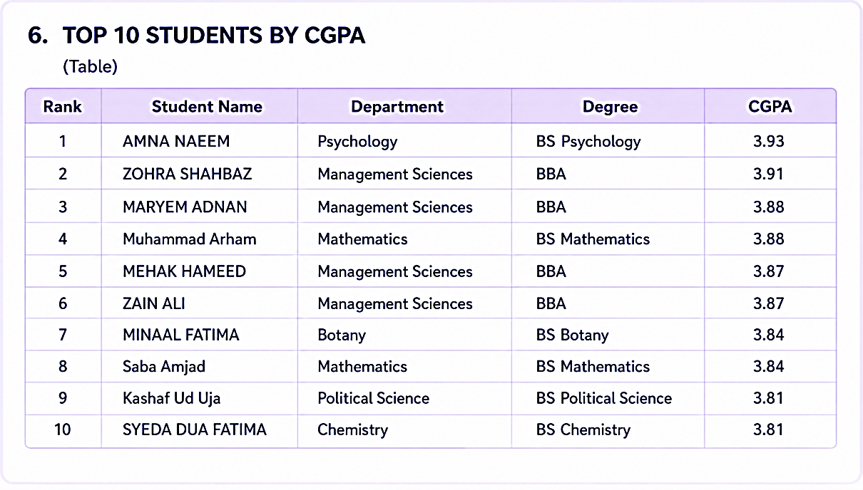

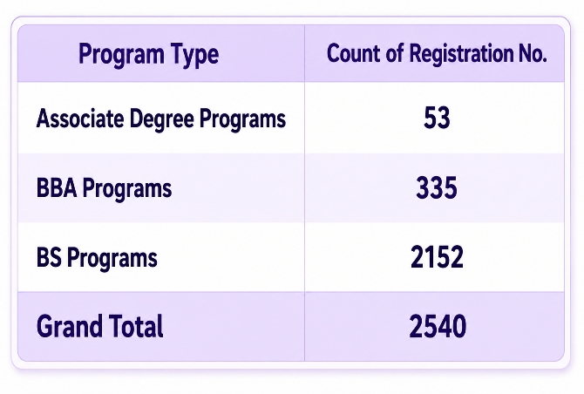
 | Total
Associate Degree Programs | 2.09%
BBA Programs | 13.19%
BS Programs | 84.72%
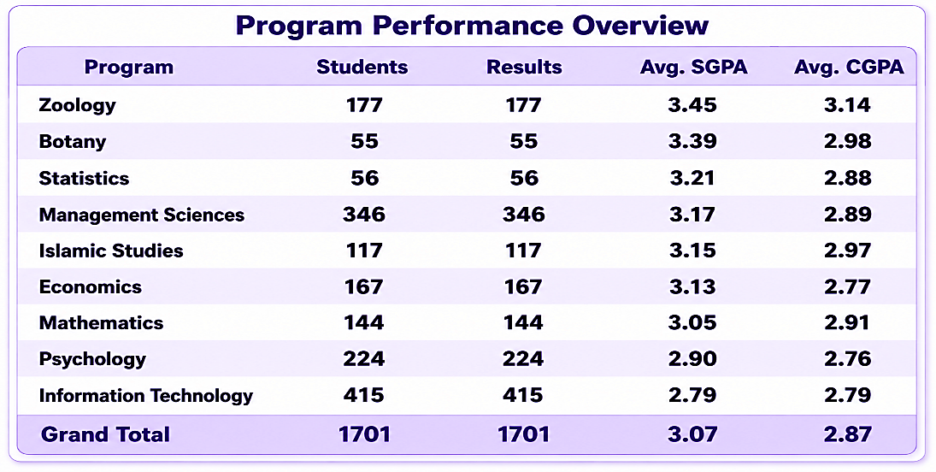
INSIGHT
Information technology and Pschycology have the worst CGPA and SGPA.
Zoology and Botany have highest avg SGPA and CGPA

OVERALL INSIGHT The overall performance is good with 98.98% promotion rate.
Focus area should be IT-121 and GE-205

