Sheet1
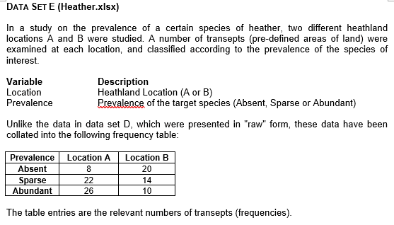
Frequencies
Location A vs Location B
 | Location A | Location B
Absent | 8 | 20
Sparse | 22 | 14
Abundant | 26 | 10
Total | 56 | 44

Percentages

 | Location A | Location B
Absent | 14.3 | 45.5
Sparse | 39.3 | 31.8
Abundant | 46.4 | 22.7
Total | 100 | 100

Interpretation
In Location A, the target species is considerably more prevalent, with almost half of the samples showing it to be abundant. In contrast, Location B has a much higher chance of the species being absent, appearing in nearly half of its samples. Overall, this pattern suggests that the target species tends to thrive more in Location A than in Location B.

