Diets
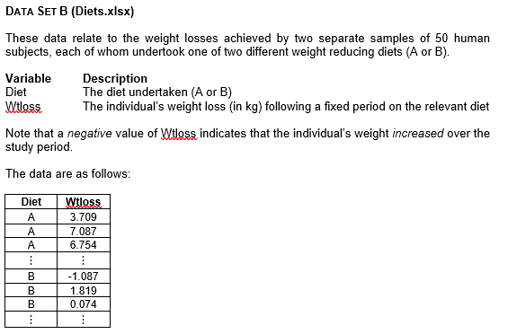
Diet | Wtloss
A | 3.709 |  |  |  |  |  | Class | Relative
A | 7.087 | Diet A | n | 50 | UCB | Frequency | Mark | Frequency
A | 6.754 |  | Mean | 5.341 | 0 | 1 | -1 | 0.02
A | 8.994 |  | SD | 2.536 | 2 | 3 | 1 | 0.06
A | 9.077 |  |  |  | 4 | 10 | 3 | 0.20
A | 6.413 |  | Min | -1.715 | 6 | 15 | 5 | 0.30
A | 5.877 |  | Max | 10.062 | 8 | 15 | 7 | 0.30
A | 2.572 |  | Range | 11.777 | 10 | 5 | 9 | 0.10
A | 7.520 |  |  |  | 12 | 1 | 11 | 0.02
A | 6.881 |  |  |  | Total | 50 | Total | 1
A | 7.265
Diet A
A | 3.477
A | 3.755
A | 8.760
A | 7.032
A | 9.052
A | 10.062
A | 4.840
A | 6.449
A | 9.019
A | -1.715
A | 4.718
A | 4.007
A | 7.241
A | 2.128
A | 6.968 |  |  |  |  |  |  |  | Interpretation
A | 4.853 |  |  |  |  |  |  |  | Diet A yields a somewhat higher average weight loss, and its distribution looks fairly balanced around the centre, suggesting that most participants experienced a moderate and similar degree of weight reduction. Although there is a slight tilt towards the lower end, negative or large positive outliers do not appear frequent. Diet B, on the other hand, has a slightly lower average weight loss and a wider overall range, indicating that results under this regimen can vary more from one individual to the next. Some participants may even have gained weight (indicated by negative values). Overall, Diet A appears to produce a more consistent outcome, while Diet B shows both modest and more extreme weight-loss values.
A | 0.055
A | 2.680
A | 3.746
A | 7.033
A | 5.033
A | 5.569
A | 6.712
A | 3.663
A | 2.741
A | 6.256
A | 5.349 |  |  |  |  |  | Class | Relative
A | 7.300 | Diet B | n | 50.00 | UCB | Frequency | Mark | Frequency
A | 5.445 |  | Mean | 3.71 | -4 | 1 | -5 | 0.02
A | 4.970 |  | SD | 2.77 | -2 | 0 | -3 | 0.00
A | 3.613 |  |  |  | 0 | 2 | -1 | 0.04
A | 7.568 |  | Min | -4.148 | 2 | 10 | 1 | 0.20
A | 5.861 |  | Max | 10.539 | 4 | 15 | 3 | 0.30
A | 4.157 |  | Range | 14.687 | 6 | 11 | 5 | 0.22
A | 0.203 |  |  |  | 8 | 8 | 7 | 0.16
A | 4.441 |  |  |  | 10 | 2 | 9 | 0.04
A | 5.875 |  |  |  | 12 | 1 | 11 | 0.02
A | 5.715 |  |  |  | Total | 50 | Total | 1
A | 0.280
B | -1.087
Diet B
B | 1.819
B | 0.074
B | 1.755
B | 1.889
B | 3.089
B | 4.008
B | 4.551
B | 1.372
B | 3.413
B | -4.148
B | 2.823
B | 2.865
B | 4.369
B | 6.337
B | 6.308
B | 3.494
B | 10.539
B | 3.840
B | 5.123
B | 5.485
B | -1.894
B | 8.016
B | 2.310
B | 3.882
B | 7.030
B | 7.727
B | 0.105
B | 3.650
B | 4.547
B | 4.985
B | 5.159
B | 4.760
B | 4.934
B | 3.106
B | 5.598
B | 2.162
B | 6.520
B | 7.046
B | 1.757
B | 1.848
B | 1.096
B | 2.145
B | 8.435
B | 6.099
B | 3.972
B | 2.409
B | 0.569
B | 7.013
B | 2.594

