Sheet1
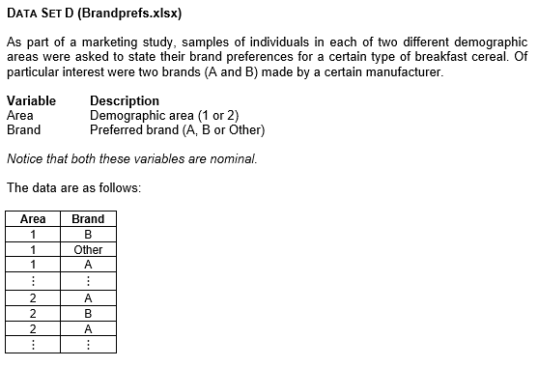
Area 1
Area | Brand
1 | B
1 | Other | Frequencies
1 | A
1 | B |  | Area 1 | Area 2
1 | Other | A | 11 | 19
1 | A | B | 17 | 30
1 | Other | Other | 42 | 41
1 | Other | Total | 70 | 90
1 | Other
1 | Other
1 | B | Percentages
1 | Other
1 | Other |  | Area 1 | Area 2
1 | A | A | 15.7 | 21.1
1 | A | B | 24.3 | 33.3
1 | A | Other | 60.0 | 45.6
1 | B | Total | 100 | 100
1 | A
1 | Other
1 | B
1 | A
1 | B
1 | Other
1 | Other
1 | B
1 | B
1 | Other | Interpretation
1 | Other | It is clear from the chart that Brand A is the least preferred, followed by Brand B, while the majority of respondents preferred another brand. (Interpretation from Charts Worksheet)
1 | Other
1 | Other
1 | Other
1 | B
1 | B
1 | Other
1 | Other
1 | B
1 | B
1 | B
1 | Other
1 | Other
1 | B
1 | Other
1 | Other
1 | Other
1 | Other
1 | Other
1 | Other
1 | Other
1 | Other
1 | Other
1 | A
1 | Other
1 | A
1 | Other
1 | Other
1 | Other
1 | A
1 | A
1 | Other
1 | Other
1 | Other
1 | Other
1 | Other
1 | Other
1 | B
1 | Other
1 | B
1 | Other
1 | Other
1 | B
2 | A
2 | B
2 | A
2 | Other
2 | A
2 | B
2 | Other
2 | Other
2 | B
2 | B
2 | Other
2 | B
2 | B
2 | Other
2 | Other
2 | A
2 | B
2 | A
2 | Other
2 | B
2 | Other
2 | Other
2 | A
2 | Other
2 | A
2 | B
2 | Other
2 | B
2 | Other
2 | B
2 | Other
2 | B
2 | Other
2 | B
2 | A
2 | A
2 | Other
2 | B
2 | Other
2 | Other
2 | A
2 | B
2 | B
2 | Other
2 | Other
2 | Other
2 | Other
2 | B
2 | B
2 | B
2 | Other
2 | Other
2 | B
2 | B
2 | A
2 | Other
2 | B
2 | A
2 | A
2 | B
2 | Other
2 | Other
2 | Other
2 | B
2 | Other
2 | Other
2 | A
2 | Other
2 | A
2 | B
2 | B
2 | Other
2 | Other
2 | B
2 | Other
2 | A
2 | Other
2 | A
2 | Other
2 | Other
2 | Other
2 | Other
2 | Other
2 | A
2 | B
2 | A
2 | B
2 | B
2 | Other
2 | Other

