Sheet1
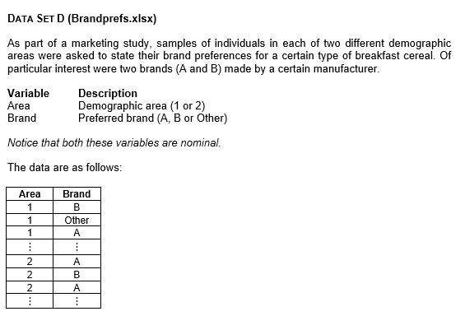
Area | Brand
1 | B
1 | Other | Frequencies |  | Frequencies
1 | A
1 | B |  | Area 1 |  | Area 2
1 | Other | A | 11 | A | 19
1 | A | B | 17 | B | 30
1 | Other | Other | 42 | Other | 41
1 | Other | Total | 70 | Total | 90
1 | Other
1 | Other
1 | B | Percentages |  | Percentages
1 | Other
1 | Other |  | Area 1 |  | Area 2
1 | A | A | 15.7 | A | 21.1
1 | A | B | 24.3 | B | 33.3
1 | A | Other | 60.0 | Other | 45.6
1 | B | Total | 100 | Total | 100
1 | A
1 | Other
1 | B
1 | A | Interpretation
1 | B | This analysis compares brand preferences between two demographic areas. In Area 1, about 15.7% choose Brand A, 24.3% pick Brand B, and 60% prefer other brands. In Area 2, around 21.1% opt for Brand A, 33.3% go for Brand B, and 45.6% choose other brands. These results show that Brand B is clearly more popular in Area 2. Meanwhile, a higher proportion of consumers in Area 1 pick other brands rather than A or B. Overall, Area 2 has greater preference for the two main brands (A and B), while Area 1 seems more open to alternatives outside these main brands.
1 | Other
1 | Other
1 | B
1 | B
1 | Other
1 | Other
1 | Other
1 | Other
1 | Other
1 | B
1 | B
1 | Other
1 | Other
1 | B
1 | B
1 | B
1 | Other
1 | Other
1 | B
1 | Other
1 | Other
1 | Other
1 | Other
1 | Other
1 | Other
1 | Other
1 | Other
1 | Other
1 | A
1 | Other
1 | A
1 | Other
1 | Other
1 | Other
1 | A
1 | A
1 | Other
1 | Other
1 | Other
1 | Other
1 | Other
1 | Other
1 | B
1 | Other
1 | B
1 | Other
1 | Other
1 | B
2 | A
2 | B
2 | A
2 | Other
2 | A
2 | B
2 | Other
2 | Other
2 | B
2 | B
2 | Other
2 | B
2 | B
2 | Other
2 | Other
2 | A
2 | B
2 | A
2 | Other
2 | B
2 | Other
2 | Other
2 | A
2 | Other
2 | A
2 | B
2 | Other
2 | B
2 | Other
2 | B
2 | Other
2 | B
2 | Other
2 | B
2 | A
2 | A
2 | Other
2 | B
2 | Other
2 | Other
2 | A
2 | B
2 | B
2 | Other
2 | Other
2 | Other
2 | Other
2 | B
2 | B
2 | B
2 | Other
2 | Other
2 | B
2 | B
2 | A
2 | Other
2 | B
2 | A
2 | A
2 | B
2 | Other
2 | Other
2 | Other
2 | B
2 | Other
2 | Other
2 | A
2 | Other
2 | A
2 | B
2 | B
2 | Other
2 | Other
2 | B
2 | Other
2 | A
2 | Other
2 | A
2 | Other
2 | Other
2 | Other
2 | Other
2 | Other
2 | A
2 | B
2 | A
2 | B
2 | B
2 | Other
2 | Other

