Diets
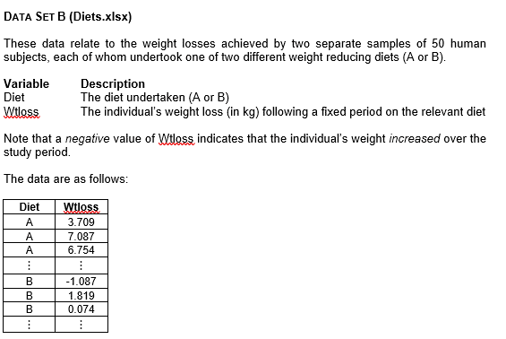
Diet | Wtloss
A | 3.709
A | 7.087 | Diet A | n | 50 | F-Test Two-Sample for Variances
A | 6.754 |  | Mean | 5.341
A | 8.994 |  | SD | 2.536 |  | Variable 1 | Variable 2
A | 9.077 |  |  |  | Mean | 5.3412 | 3.70996
A | 6.413 |  |  |  | Variance | 6.4292806122 | 7.6675935902
A | 5.877 | Diet B | n | 50 | Observations | 50 | 50
A | 2.572 |  | Mean | 3.710 | df | 49 | 49
A | 7.520 |  | SD | 2.769 | F | 0.83850044171
A | 6.881 |  |  |  | P(F<=f) one-tail | 0.26995147806
A | 7.265 |  |  |  | F Critical one-tail | 0.6221654675
A | 3.477
A | 3.755 |  |  |  | p2 | 0.53990295612
A | 8.760
A | 7.032
A | 9.052 |  |  |  | t-Test: Two-Sample Assuming Equal Variances
A | 10.062
A | 4.840 |  |  |  |  | Variable 1 | Variable 2
A | 6.449 |  |  |  | Mean | 5.3412 | 3.70996
A | 9.019 |  |  |  | Variance | 6.4292806122 | 7.6675935902
A | -1.715 |  |  |  | Observations | 50 | 50
A | 4.718 |  |  |  | Pooled Variance | 7.0484371012
A | 4.007 |  |  |  | Hypothesized Mean Difference | 0
A | 7.241 |  |  |  | df | 98
A | 2.128 |  |  |  | t Stat | 3.0721431792
A | 6.968 |  |  |  | P(T<=t) one-tail | 0.0013757718599
A | 4.853 |  |  |  | t Critical one-tail | 1.6605512171
A | 0.055 |  |  |  | P(T<=t) two-tail | 0.0027515437198
A | 2.680 |  |  |  | t Critical two-tail | 1.9844674545
A | 3.746
A | 7.033 |  |  |  | Difference in Means | 1.63124
A | 5.033
A | 5.569
A | 6.712
A | 3.663 |  |  |  | Interpretation
A | 2.741 |  |  |  | This analysis compares weight loss for two diets (A and B), each tested on 50 participants. We first checked whether the two groups had similar variance using an F-test, which showed there was no major difference. Then, a two-sample t-test (assuming equal variances) was run. Diet A had an average weight loss of about 5.34, while Diet B’s average was about 3.71, a difference of around 1.63. Because the p-value (about 0.0028) is lower than 0.05, this difference is statistically significant. Hence, Diet A seems to lead to more weight loss than Diet B.
A | 6.256
A | 5.349
A | 7.300
A | 5.445
A | 4.970
A | 3.613
A | 7.568
A | 5.861
A | 4.157
A | 0.203
A | 4.441
A | 5.875
A | 5.715
A | 0.280
B | -1.087
B | 1.819
B | 0.074
B | 1.755
B | 1.889
B | 3.089
B | 4.008
B | 4.551
B | 1.372
B | 3.413
B | -4.148
B | 2.823
B | 2.865
B | 4.369
B | 6.337
B | 6.308
B | 3.494
B | 10.539
B | 3.840
B | 5.123
B | 5.485
B | -1.894
B | 8.016
B | 2.310
B | 3.882
B | 7.030
B | 7.727
B | 0.105
B | 3.650
B | 4.547
B | 4.985
B | 5.159
B | 4.760
B | 4.934
B | 3.106
B | 5.598
B | 2.162
B | 6.520
B | 7.046
B | 1.757
B | 1.848
B | 1.096
B | 2.145
B | 8.435
B | 6.099
B | 3.972
B | 2.409
B | 0.569
B | 7.013
B | 2.594

