Sheet1
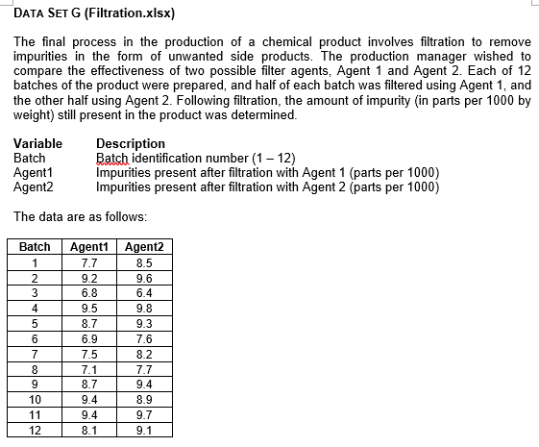
Batch | Agent1 | Agent2 | t-Test: Paired Two Sample for Means
1 | 7.7 | 8.5
2 | 9.2 | 9.6 |  | Agent1 | Agent2
3 | 6.8 | 6.4 | Mean | 8.250000 | 8.683333
4 | 9.5 | 9.8 | Variance | 1.059091 | 1.077879
5 | 8.7 | 9.3 | Observations | 12 | 12
6 | 6.9 | 7.6 | Pearson Correlation | 0.90105581177
7 | 7.5 | 8.2 | Hypothesized Mean Difference | 0
8 | 7.1 | 7.7 | df | 11
9 | 8.7 | 9.4 | t Stat | -3.2639385915
10 | 9.4 | 8.9 | P(T<=t) one-tail | 0.0037729973152
11 | 9.4 | 9.7 | t Critical one-tail | 1.7958848187
12 | 8.1 | 9.1 | P(T<=t) two-tail | 0.0075459946303
 |  |  | t Critical two-tail | 2.2009851601

 |  |  | Difference in Means | -0.433333

Interpretation
This paired t-test compares Filter Agent 1 and Filter Agent 2 using data from 12 batches. Agent 1 has an average score of about 8.250, whereas Agent 2’s average is roughly 8.683, resulting in a mean difference (Agent 1 – Agent 2) of about -0.433. In the two-tailed test, the p-value is approximately 0.0075, which is below the usual 0.05 threshold, indicating a statistically significant difference. Because Agent 2 has a higher average, it appears to perform better overall. If the focus were on a one-tailed test to see if Agent 1 is more effective, the results would not support that claim, as Agent 2’s mean consistently exceeds that of Agent 1.

