Diets
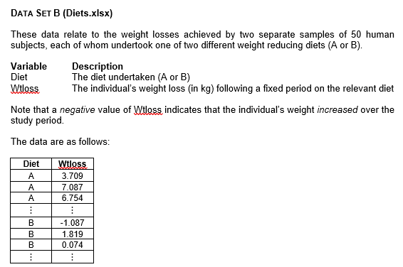
Diet | Wtloss
A | 3.709
A | 7.087 | Diet A | n | 50
A | 6.754 |  | Mean | 5.341
A | 8.994 |  | SD | 2.536
A | 9.077
A | 6.413
A | 5.877
A | 2.572
A | 7.520
A | 6.881
A | 7.265
A | 3.477
A | 3.755
A | 8.760
A | 7.032
A | 9.052
A | 10.062
A | 4.840
A | 6.449
A | 9.019
A | -1.715
A | 4.718 | Diet B | n | 50
A | 4.007 |  | Mean | 3.710
A | 7.241 |  | SD | 2.769
A | 2.128
A | 6.968
A | 4.853
A | 0.055 | Interpretation
A | 2.680 | This analysis compares two weight-reduction diets, Diet A and Diet B, each tested on 50 participants. Diet A’s average weight loss is around 5.341 (with a standard deviation of about 2.536), whereas Diet B’s average weight loss is about 3.710 (with a standard deviation of roughly 2.769). This suggests that, on average, Diet A leads to greater weight loss than Diet B. Therefore, Diet A appears more effective for weight reduction than Diet B.
A | 3.746
A | 7.033
A | 5.033
A | 5.569
A | 6.712
A | 3.663
A | 2.741
A | 6.256
A | 5.349
A | 7.300
A | 5.445
A | 4.970
A | 3.613
A | 7.568
A | 5.861
A | 4.157
A | 0.203
A | 4.441
A | 5.875
A | 5.715
A | 0.280
B | -1.087
B | 1.819
B | 0.074
B | 1.755
B | 1.889
B | 3.089
B | 4.008
B | 4.551
B | 1.372
B | 3.413
B | -4.148
B | 2.823
B | 2.865
B | 4.369
B | 6.337
B | 6.308
B | 3.494
B | 10.539
B | 3.840
B | 5.123
B | 5.485
B | -1.894
B | 8.016
B | 2.310
B | 3.882
B | 7.030
B | 7.727
B | 0.105
B | 3.650
B | 4.547
B | 4.985
B | 5.159
B | 4.760
B | 4.934
B | 3.106
B | 5.598
B | 2.162
B | 6.520
B | 7.046
B | 1.757
B | 1.848
B | 1.096
B | 2.145
B | 8.435
B | 6.099
B | 3.972
B | 2.409
B | 0.569
B | 7.013
B | 2.594

