Sheet1
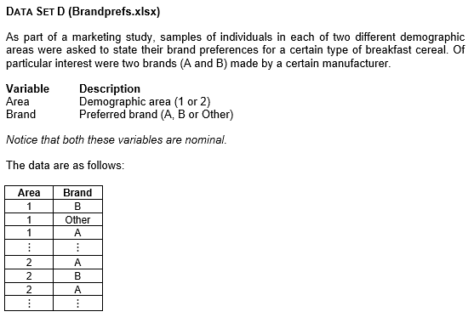
Area 1 vs Area 2
Area | Brand
1 | B
1 | Other | Frequencies
1 | A
1 | B |  | Area 1 | Area 2
1 | Other | A | 11 | 19
1 | A | B | 17 | 30
1 | Other | Other | 42 | 41
1 | Other | Total | 70 | 90
1 | Other
1 | Other
1 | B | Percentages
1 | Other
1 | Other |  | Area 1 | Area 2
1 | A | A | 15.7 | 21.1
1 | A | B | 24.3 | 33.3
1 | A | Other | 60.0 | 45.6
1 | B | Total | 100 | 100
1 | A
1 | Other
1 | B
1 | A
1 | B
1 | Other
1 | Other
1 | B
1 | B
1 | Other | Interpretation
1 | Other | It is clear from the chart that in both Areas, Brand A is least preferred, followed by Brand B, whilst even more respondents preferred some other brand. However, it is now very clear that Brand A and Brand B preferences were both higher in Area 2 than in Area 1, whilst the percentage of respondents who preferred other brands was lower in Area 2. (Interpretation from Charts Worksheet)
1 | Other
1 | Other
1 | Other
1 | B
1 | B
1 | Other
1 | Other
1 | B
1 | B
1 | B
1 | Other
1 | Other
1 | B
1 | Other
1 | Other
1 | Other
1 | Other
1 | Other
1 | Other
1 | Other
1 | Other
1 | Other
1 | A
1 | Other
1 | A
1 | Other
1 | Other
1 | Other
1 | A
1 | A
1 | Other
1 | Other
1 | Other
1 | Other
1 | Other
1 | Other
1 | B
1 | Other
1 | B
1 | Other
1 | Other
1 | B
2 | A
2 | B
2 | A
2 | Other
2 | A
2 | B
2 | Other
2 | Other
2 | B
2 | B
2 | Other
2 | B
2 | B
2 | Other
2 | Other
2 | A
2 | B
2 | A
2 | Other
2 | B
2 | Other
2 | Other
2 | A
2 | Other
2 | A
2 | B
2 | Other
2 | B
2 | Other
2 | B
2 | Other
2 | B
2 | Other
2 | B
2 | A
2 | A
2 | Other
2 | B
2 | Other
2 | Other
2 | A
2 | B
2 | B
2 | Other
2 | Other
2 | Other
2 | Other
2 | B
2 | B
2 | B
2 | Other
2 | Other
2 | B
2 | B
2 | A
2 | Other
2 | B
2 | A
2 | A
2 | B
2 | Other
2 | Other
2 | Other
2 | B
2 | Other
2 | Other
2 | A
2 | Other
2 | A
2 | B
2 | B
2 | Other
2 | Other
2 | B
2 | Other
2 | A
2 | Other
2 | A
2 | Other
2 | Other
2 | Other
2 | Other
2 | Other
2 | A
2 | B
2 | A
2 | B
2 | B
2 | Other
2 | Other

