SUPER
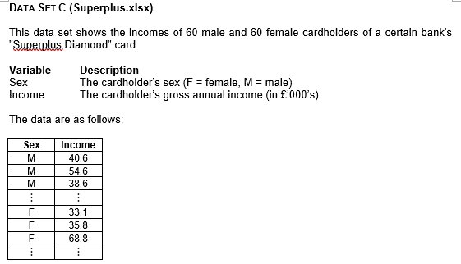
Sex | Income
M | 40.6 | Variable 1
M | 54.6 | Male | n | 60 | F-Test Two-Sample for Variances
M | 38.6 |  | Mean | 52.913
M | 58.2 |  | SD | 15.269 |  | Variable 1 | Variable 2
M | 34.6 |  |  |  | Mean | 52.913333333 | 44.233333333
M | 42.9 | Variable 2 |  |  | Variance | 233.12897175 | 190.17581921
M | 67.5 | Female | n | 60 | Observations | 60 | 60
M | 79.8 |  | Mean | 44.233 | df | 59 | 59
M | 54.4 |  | SD | 13.790 | F | 1.2258602209
M | 47.3 |  |  |  | P(F<=f) one-tail | 0.21824624019
M | 66.4 |  |  |  | F Critical one-tail | 1.5399566074
M | 69.0
M | 62.0 |  |  |  | p2 | 0.43649248038
M | 52.5
M | 72.6
M | 52.4 |  |  |  | t-Test: Two-Sample Assuming Equal Variances
M | 59.5
M | 59.1 |  |  |  |  | Variable 1 | Variable 2
M | 36.7 |  |  |  | Mean | 52.913333333 | 44.233333333
M | 54.6 |  |  |  | Variance | 233.12897175 | 190.17581921
M | 52.1 |  |  |  | Observations | 60 | 60
M | 49.9 |  |  |  | Pooled Variance | 211.65239548
M | 52.0 |  |  |  | Hypothesized Mean Difference | 0
M | 47.1 |  |  |  | df | 118
M | 40.8 |  |  |  | t Stat | 3.2679000007
M | 36.5 |  |  |  | P(T<=t) one-tail | 0.00070973521258
M | 57.1 |  |  |  | t Critical one-tail | 1.6578695221
M | 54.1 |  |  |  | P(T<=t) two-tail | 0.0014194704252
M | 32.4 |  |  |  | t Critical two-tail | 1.9802722493
M | 34.9
M | 64.1 |  |  |  | Difference in Means | 8.68
M | 54.0
M | 51.5
M | 50.8
M | 45.1 |  |  |  | Interpretation
M | 81.5 |  |  |  | A two-sample t-test (assuming equal variances) indicates that, on average, males earn about 8.68 more than females, with the test statistic providing strong evidence that this gap is unlikely to be due to chance (p < 0.05). In other words, the data support the claim that the population mean income for males exceeds that of females. To justify the use of the equal-variances version of the t-test, the F-test for two-sample variances was performed. This procedure compares the variability of incomes in the male and female samples. Because the F-test shows no significant difference in how spread out the two distributions are, it is appropriate to combine the two variances into one pooled estimate. The validity of this analysis relies on a few key assumptions. Each sample should be independently drawn from its respective population, and the data should be suitable for a t-test (meaning the sample sizes are large enough or the underlying distributions are not heavily skewed). By confirming these conditions and using the F-test results, we can be more confident that the observed difference in average incomes is genuine and not simply due to random variation.
M | 70.4
M | 39.2
M | 45.2
M | 80.9
M | 48.6
M | 31.0
M | 32.1
M | 33.9
M | 31.3
M | 51.0
M | 53.4
M | 58.3
M | 31.4
M | 56.3
M | 41.0
M | 47.9
M | 51.4
M | 33.1
M | 74.9
M | 77.2
M | 57.9
M | 80.1
M | 40.2
M | 100.9
F | 33.1
F | 35.8
F | 68.8
F | 31.6
F | 38.2
F | 42.0
F | 33.4
F | 50.3
F | 39.6
F | 30.7
F | 31.3
F | 61.3
F | 30.0
F | 38.1
F | 56.4
F | 35.7
F | 31.3
F | 40.4
F | 32.1
F | 66.4
F | 36.9
F | 35.9
F | 49.6
F | 62.8
F | 44.6
F | 32.5
F | 33.4
F | 55.3
F | 62.7
F | 54.4
F | 30.8
F | 49.1
F | 41.9
F | 32.5
F | 35.2
F | 47.4
F | 60.7
F | 33.0
F | 43.3
F | 34.8
F | 36.0
F | 51.6
F | 31.9
F | 34.1
F | 78.4
F | 30.4
F | 45.3
F | 52.6
F | 30.3
F | 36.6
F | 53.1
F | 36.5
F | 37.8
F | 34.0
F | 69.3
F | 77.2
F | 32.6
F | 82.9
F | 42.3
F | 57.8

