Sheet1
Area 1
Area 2
Area | Brand
1 | B
1 | Other | Frequencies
1 | A
1 | B |  | Area 1 | Area 2
1 | Other | A | 11 | 19
1 | A | B | 17 | 30
1 | Other | Other | 42 | 41
1 | Other | Total | 70 | 90
1 | Other
1 | Other
1 | B | Percentages
1 | Other
1 | Other |  | Area 1 | Area 2
1 | A | A | 15.7 | 21.1
1 | A | B | 24.3 | 33.3
1 | A | Other | 60.0 | 45.6
1 | B | Total | 100 | 100
1 | A
1 | Other
1 | B
1 | A
1 | B
1 | Other
1 | Other
1 | B
1 | B
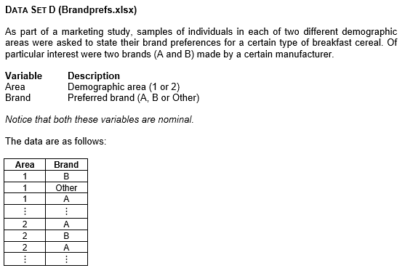
1 | Other | Interpretation
1 | Other | In Area 1, most consumers lean towards brands other than the two major options, with Brand A being the least chosen and Brand B sitting in the middle. In Area 2, there is still an overall preference for other brands, followed by Brand B, and then Brand A in last place; however, the difference between these choices is not as striking as it is in Area 1. Overall, these results suggest that in both areas, respondents are generally more inclined to look beyond the two main brand options.
1 | Other
1 | Other
1 | Other
1 | B
1 | B
1 | Other
1 | Other
1 | B
1 | B
1 | B
1 | Other
1 | Other
1 | B
1 | Other
1 | Other
1 | Other
1 | Other
1 | Other
1 | Other
1 | Other
1 | Other
1 | Other
1 | A
1 | Other
1 | A
1 | Other
1 | Other
1 | Other
1 | A
1 | A
1 | Other
1 | Other
1 | Other
1 | Other
1 | Other
1 | Other
1 | B
1 | Other
1 | B
1 | Other
1 | Other
1 | B
2 | A
2 | B
2 | A
2 | Other
2 | A
2 | B
2 | Other
2 | Other
2 | B
2 | B
2 | Other
2 | B
2 | B
2 | Other
2 | Other
2 | A
2 | B
2 | A
2 | Other
2 | B
2 | Other
2 | Other
2 | A
2 | Other
2 | A
2 | B
2 | Other
2 | B
2 | Other
2 | B
2 | Other
2 | B
2 | Other
2 | B
2 | A
2 | A
2 | Other
2 | B
2 | Other
2 | Other
2 | A
2 | B
2 | B
2 | Other
2 | Other
2 | Other
2 | Other
2 | B
2 | B
2 | B
2 | Other
2 | Other
2 | B
2 | B
2 | A
2 | Other
2 | B
2 | A
2 | A
2 | B
2 | Other
2 | Other
2 | Other
2 | B
2 | Other
2 | Other
2 | A
2 | Other
2 | A
2 | B
2 | B
2 | Other
2 | Other
2 | B
2 | Other
2 | A
2 | Other
2 | A
2 | Other
2 | Other
2 | Other
2 | Other
2 | Other
2 | A
2 | B
2 | A
2 | B
2 | B
2 | Other
2 | Other

