Diets
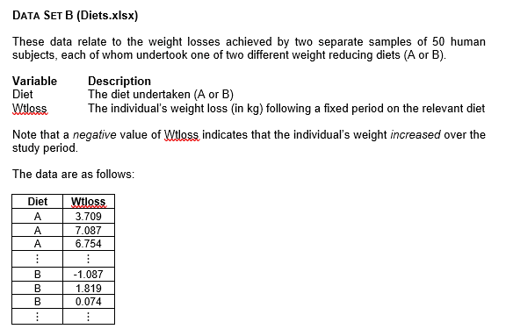
Diet | Wtloss
A | 3.709
A | 7.087 | Diet A | n | 50
A | 6.754 |  | Mean | 5.341
A | 8.994 |  | SD | 2.536
A | 9.077 |  | Median | 5.642
A | 6.413 |  | Q1 | 3.748
A | 5.877 |  | Q3 | 7.033
A | 2.572 |  | IQR | 3.285
A | 7.520
A | 6.881
A | 7.265
A | 3.477
A | 3.755
A | 8.760
A | 7.032
A | 9.052
A | 10.062
A | 4.840
A | 6.449
A | 9.019
A | -1.715
A | 4.718 | Diet B | n | 50
A | 4.007 |  | Mean | 3.710
A | 7.241 |  | SD | 2.769
A | 2.128 |  | Median | 3.745
A | 6.968 |  | Q1 | 1.953
A | 4.853 |  | Q3 | 5.404
A | 0.055 |  | IQR | 3.451
A | 2.680
A | 3.746
A | 7.033 | Interpretation
A | 5.033 | This analysis compares weight loss for two diets, each using 50 participants. For Diet A, the mean is about 5.341 and the median is about 5.642, with lower (Q1) and upper (Q3) quartiles at about 3.748 and 7.033, giving an IQR of around 3.285. The IQR shows how spread out the middle 50% of data is. For Diet B, the mean is around 3.710 and the median is 3.745, while Q1 is approximately 1.953 and Q3 is about 5.404, leading to an IQR of about 3.451. Although Diet B has a slightly wider middle range (IQR), Diet A’s higher mean and median point to overall greater weight loss. Therefore, Diet A appears more effective for weight reduction.
A | 5.569
A | 6.712
A | 3.663
A | 2.741
A | 6.256
A | 5.349
A | 7.300
A | 5.445
A | 4.970
A | 3.613
A | 7.568
A | 5.861
A | 4.157
A | 0.203
A | 4.441
A | 5.875
A | 5.715
A | 0.280
B | -1.087
B | 1.819
B | 0.074
B | 1.755
B | 1.889
B | 3.089
B | 4.008
B | 4.551
B | 1.372
B | 3.413
B | -4.148
B | 2.823
B | 2.865
B | 4.369
B | 6.337
B | 6.308
B | 3.494
B | 10.539
B | 3.840
B | 5.123
B | 5.485
B | -1.894
B | 8.016
B | 2.310
B | 3.882
B | 7.030
B | 7.727
B | 0.105
B | 3.650
B | 4.547
B | 4.985
B | 5.159
B | 4.760
B | 4.934
B | 3.106
B | 5.598
B | 2.162
B | 6.520
B | 7.046
B | 1.757
B | 1.848
B | 1.096
B | 2.145
B | 8.435
B | 6.099
B | 3.972
B | 2.409
B | 0.569
B | 7.013
B | 2.594

