Guidance
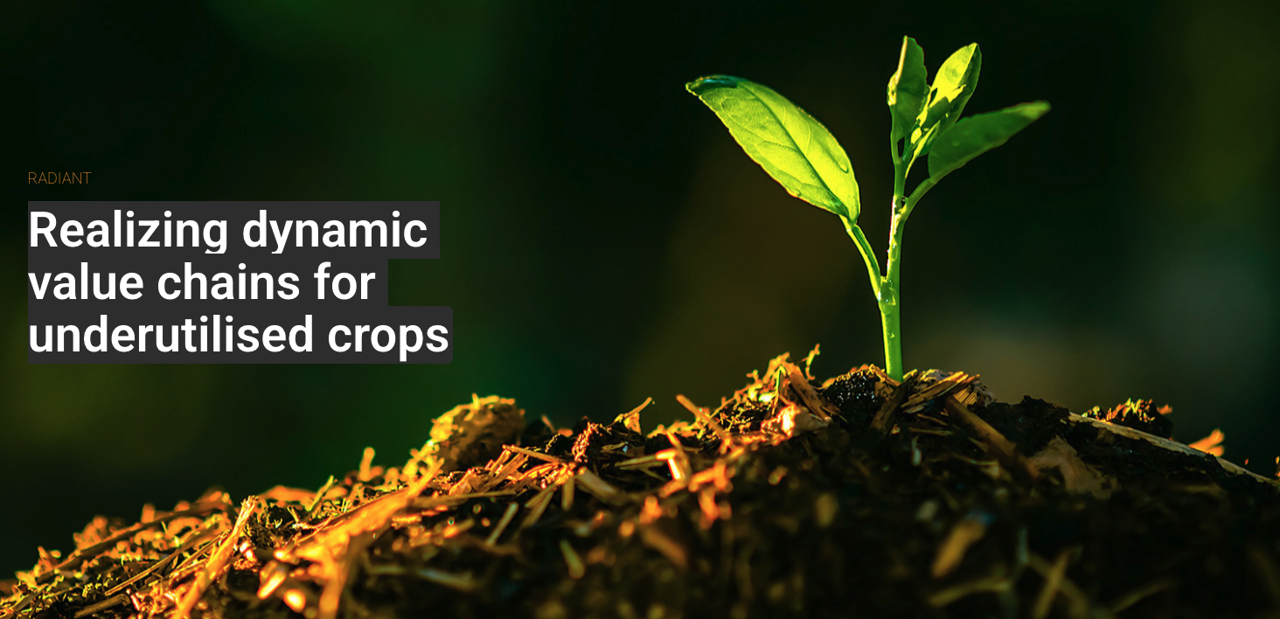

D4.5 RADIANT-Metrics, state-of-the-art quantitative framework & decision support tool

Disclaimer
This tool is developed by the University of Galway in collaboration with Trinity College Dublin, the University of Gastronomic Sciences (Pollenzo), and Wageningen University, under the RADIANT project (Grant No. 101000622 - RADIANT - H2020-SFS-2018-2020 / H2020-SFS-2020-2).

Purpose of the tool
• The tool is designed to present results from comparative case studies of underutilised crop (UC) value chains, versus conventional comparator value chains, within a novel framework that combines indicators pertinent to sustainability and resilience. It captures key metrics such as ecosystem services, economic indicators, life cycle assessment (LCA), and agricultural efficiency, all integrated into an interactive dashboard. • Users are encouraged to adapt the tool for other comparisons involving UC versus conventional crop value chains. Note that the tool does not support animal production. For detailed methodology, please refer to Deliverable 4.5 of the RADIANT project.

Input Data
General Information
• Clearly name the alternatives under comparison. These names will appear in the summary and subtitles of the dashboard graphics.

Life Cycle Assessment (LCA)
• Use external tools to calculate carbon footprints and other environmental impacts, following the EU Product Environmental Footprint impact assessment methodology. Paste relevant impact assessment results into the specified cells. • Specify the functional unit at the top of the LCA results. Ensure that each alternative reflects the achievement of the same functional unit (e.g., "Alternative 1: Barley flour from UC system" vs. "Alternative 2: Barley flour from conventional cropping").

Agricultural environmental efficiency
These indicators assess environmental efficiency, focusing on nitrogen (N) and phosphorus (P) use efficiency, as well as crop yields. Unlike Life Cycle Assessment (LCA), these indicators evaluate efficiency on a per-hectare basis for each alternative under analysis. Users can calculate these indicators using information on farm-level inputs (e.g. compost or synthetic fertilisers) and outputs (yields).

Agroecological indicators (ecosystem Services & resilience)
• Rate indicators from 0 to 3 based on farm-level practices for each alternative. Detailed rating descriptions are available in the "ES Rating" tab.

Economic indicators (economic viability & resilience)
• Rate indicators from 1 to 5 based on farm-level activities for each alternative. Detailed descriptions are provided in the "Econ. Rating" tab.

Dashboard
The dashboard automatically calculates and presents results based on “Input Data” and the "Normalisation & Calcs" tab. Users should not modify the dashboard tab.

Summary
Summary is simply a recap of the alternatives under analysis, informed by the user in the 'Input data' tab.

Overview
Provides a general analysis across four macro themes (LCA, Agricultural Efficiency, Ecosystem Services, and Economic Indicators) using a spider web graphic. Lines closer to the edges indicate higher impacts and lower performance.

Life Cycle Assessment
• Left Graphic: Displays environmental and resource efficiency indicators. Lines closer to the edges indicate lower efficiency. • Right Graphic: Shows consolidated single scores. Lower-positioned bubbles indicate better environmental performance. • A table summarizes the final normalized results.

Environmental efficiency
• Environmental agricultural efficiency: Left Graphic: Displays agricultural efficiency indicators. Lines closer to the edges indicate lower efficiency. • Right Graphic: Consolidates all efficiency indicators. Lower-positioned bubbles indicate better performance. • A table summarizes the final normalized results.

Ecosystem Services
• Left Graphic: Displays ecosystem service indicators. Lines closer to the edges indicate weaker delivery of ecosystem services. • Right Graphic: Consolidates all ecosystem service indicators. Lower-positioned bubbles represent better outcomes. • A table summarizes the final normalized results.

Economic Indicators:
• Left Graphic: Displays economic indicator ratings. Lines closer to the edges indicate weaker economic performance. • Right Graphic: Consolidates economic indicators. Lower-positioned bubbles indicate better economic resilience and viability. • A table summarizes the final normalized results.

Normalisation & Calcs
This tab facilitates intermediate calculations and normalization based on user input. Users should not alter this tab to maintain the integrity of calculations. It remains openly accessible to ensure methodological transparency, with final results displayed on the dashboard.

Dashboard
 |  | Summary
 |  | Alternative 1 | Fermented Acorns (Focused approach)
 |  | Alternative 2 | Pickled Olives

Overview
General Analysis
 |  |  | Alternative 1 | Alternative 2
 |  |  | Fermented Acorns (Focused approach) | Pickled Olives
 |  | Life Cycle Assessment | 1.00 | 0.07
 |  | Environmental efficiency indicators | 1.00 | 0.08
 |  | Ecosystem Services | 0.33 | 1.00
 |  | Economic indicators (economic viability & resilience) | 0.08 | 1.00

Life Cycle Assessment
Environmental impact (LCA)
Total environmental impact, normalised (LCA)
 |  |  | Alternative 1 | Alternative 2
 | - (Worse) |  | Fermented Acorns (Focused approach) | Pickled Olives
 |  | Carbon footprint | -3.33E-04 | -8.77E-06
 |  | Eutrophication (marine) | 4.14E-03 | 5.12E-05
 |  | Eutrophication (freshwater) | 8.30E-05 | 1.87E-05
 |  | Water consumption (AWARE) | 1.74E-05 | 1.66E-04
 |  | Resources depletion - mineral | 7.54E-05 | 2.98E-05
 |  | Resources depletion - non renewable energy | 1.37E-04 | 2.15E-05
 |  | Sum of normalised values, equal weights for single score (higher worst) | 4.12E-03 | 2.78E-04
 |  | normalisation between 0-1 (1=worst) | 1.00E+00 | 6.74E-02
 | + (Better)

Agricultura efficiency Indicators
Environmental efficiency indicators

Agriculture efficiency

 |  |  | Alternative 1 | Alternative 2
 | - (Worse) |  | Fermented Acorns (Focused approach) | Pickled Olives
 |  | N Balance | 0.00 | 0.00
 |  | P Balance | 0.00 | 0.00
 |  | Land occupation | 1.00 | 0.08
 |  | normalisation between 0-1 (1=worst) | 1.00 | 0.08

 | + (Better)

Ecosystem Services Impact
Ecosystem Services
Ecosystem services - Average

 | - (Worse)
 |  |  | Alternative 1 | Alternative 2
 |  |  | Fermented Acorns (Focused approach) | Pickled Olives
 |  | Carbon Sequestration | 0.33 | 0.67
 |  | Increase N fixation | 0.33 | 0.67
 |  | Minimise soil erosion | 0.00 | 0.67
 |  | Pest and Disease Control | 0.33 | 0.67
 |  | Pollination | 0.33 | 0.67
 |  | Biodiversity | 0.00 | 0.67
 |  | normalisation between 0-1 (1=worst) | 0.33 | 1.00

 | + (Better)

Economic indicators (economic viability & resilience)

Economic Indicators
Economic Indicators
 | 0.08 | 1
 |  |  | Alternative 1 | Alternative 2
 | - (Worse) |  | Fermented Acorns (Focused approach) | Pickled Olives
 |  | Profit | 0.00 | 0.50
 |  | Risk | 0.25 | 0.25
 |  | Diversification of activities | 0.00 | 0.75
 |  | Value chain lenght | 0.00 | 0.50
 |  | Power/trust | 0.00 | 0.75
 |  | Autonomy | 0.00 | 0.50
 | + (Better) | normalisation between 0-1 (1=worst) | 0.08 | 1.00

