W5
Position ID | Size | Serial number | Type | Diced | Quality | Location | Status
1 | 2.5 | 1 | PIN | No |  | On wafer
 |  | 2 | PIN | No |  | On wafer
 |  | 3 | DC | No | Not so bad | On wafer
 |  | 4 | DC | No | Not so bad | On wafer
 |  | 5 | strip | No | Not so bad | On wafer
 |  | 6 | strip | No | BAD | On wafer
 |  | 7 | strip | No | BAD | On wafer
 |  | 8 | strip | No | Not so bad | On wafer
 | 6 | 9 | strip | No | BAD | On wafer
 |  | 10 | strip | No | BAD | On wafer
 | 12 | 11 | strip | No |  | On wafer
 | 4 | 12 | Cross | No |  | On wafer
 |  | 13 | Cross | No |  | On wafer
 |  | 14 | Cross | No |  | On wafer
 |  | 15 | Cross | No |  | On wafer
2 | 2.5 | 1 | PIN | No |  | On wafer
 |  | 2 | PIN | No |  | On wafer
 |  | 3 | DC | No | Not so bad | On wafer
 |  | 4 | DC | No | Not so bad | On wafer
 |  | 5 | pixel | No | Not so bad | On wafer
 |  | 6 | pixel | No | BAD | On wafer
 |  | 7 | pixel | No | Not so bad | On wafer
 |  | 8 | pixel | No | Not so bad | On wafer
 | 6 | 9 | pixel | No | BAD | On wafer
 |  | 10 | pixel | No | BAD | On wafer
 | 12 | 11 | strip | No |  | On wafer
 | 4 | 12 | Cross | No |  | On wafer
 |  | 13 | Cross | No |  | On wafer
 |  | 14 | Cross | No |  | On wafer
 |  | 15 | Cross | No |  | On wafer
3 | 2.5 | 1 | PIN | Yes |  | In box
 |  | 2 | PIN | Yes |  | In box
 |  | 3 | DC | Yes | Not so bad | In box
 |  | 4 | DC | Yes | Not so bad | In box
 |  | 5 | strip | Yes | Not so bad | In box |  | Test wirebonding
 |  | 6 | strip | Yes | Not so bad | In box |  | Test wirebonding
 |  | 7 | strip | Yes | Not so bad | In box |  | Test wirebonding
 |  | 8 | strip | Yes | Not so bad | In box |  | Test wirebonding
 | 6 | 9 | strip |  | BAD
 |  | 10 | strip |  | BAD
 | 12 | 11 | strip
 | 4 | 12 | Cross
 |  | 13 | Cross
 |  | 14 | Cross
 |  | 15 | Cross
4 | 2.5 | 1 | PIN | Yes |  | In box
 |  | 2 | PIN | Yes |  | In box
 |  | 3 | DC | Yes | Not so bad | In box
 |  | 4 | DC | Yes | Not so bad | In box
 |  | 5 | pixel | Yes | BAD | In box
 |  | 6 | pixel | Yes | Not so bad | In box |  | Test wirebonding
 |  | 7 | pixel | Yes | Not so bad | In box |  | Test wirebonding
 |  | 8 | pixel | Yes | Not so bad | In box |  | Test wirebonding
 | 6 | 9 |  |  | BAD
 |  | 10 |  |  | BAD
 | 12 | 11 | strip
 | 4 | 12 | Cross
 |  | 13 | Cross
 |  | 14 | Cross
 |  | 15 | Cross
5 | 2.5 | 1 | PIN | No |  | On wafer
 |  | 2 | PIN | No |  | On wafer
 |  | 3 | DC | No | Not so bad | On wafer
 |  | 4 | DC | No | BAD | On wafer
 |  | 5 | strip | No | Not so bad | On wafer
 |  | 6 | strip | No | BAD | On wafer
 |  | 7 | strip | No | BAD | On wafer
 |  | 8 | strip | No | BAD | On wafer
 | 6 | 9 | strip | No | BAD | On wafer
 |  | 10 | strip | No | BAD | On wafer
 | 12 | 11 | strip | No |  | On wafer
 | 4 | 12 | Cross | No |  | On wafer
 |  | 13 | Cross | No |  | On wafer
 |  | 14 | Cross | No |  | On wafer
 |  | 15 | Cross | No |  | On wafer
6 | 2.5 | 1 | PIN | No |  | On wafer
 |  | 2 | PIN | No |  | On wafer
 |  | 3 | DC | No | Not so bad | On wafer
 |  | 4 | DC | No | BAD | On wafer
 |  | 5 | pixel | No | Not so bad | On wafer
 |  | 6 | pixel | No | BAD | On wafer
 |  | 7 | pixel | No | BAD | On wafer
 |  | 8 | pixel | No | Not so bad | On wafer
 | 6 | 9 | pixel | No | BAD | On wafer
 |  | 10 | pixel | No | BAD | On wafer
 | 12 | 11 | strip | No |  | On wafer
 | 4 | 12 | Cross | No |  | On wafer
 |  | 13 | Cross | No |  | On wafer
 |  | 14 | Cross | No |  | On wafer
 |  | 15 | Cross | No |  | On wafer
7 | 2.5 | 1 | PIN | No |  | On wafer
 |  | 2 | PIN | No |  | On wafer
 |  | 3 | DC | No | BAD | On wafer
 |  | 4 | DC | No | Not so bad | On wafer
 |  | 5 | strip | No | Not so bad | On wafer
 |  | 6 | strip | No | BAD | On wafer
 |  | 7 | strip | No | Not so bad | On wafer
 |  | 8 | strip | No | Not so bad | On wafer
 | 6 | 9 | strip | No | BAD | On wafer
 |  | 10 | strip | No | BAD | On wafer
 | 12 | 11 | strip | No |  | On wafer
 | 4 | 12 | Cross | No |  | On wafer
 |  | 13 | Cross | No |  | On wafer
 |  | 14 | Cross | No |  | On wafer
 |  | 15 | Cross | No |  | On wafer
8 | 2.5 | 1 | PIN | No |  | On wafer
 |  | 2 | PIN | No |  | On wafer
 |  | 3 | DC | No | Not so bad | On wafer
 |  | 4 | DC | No | Not so bad | On wafer
 |  | 5 | pixel | No | Not so bad | On wafer
 |  | 6 | pixel | No | Not so bad | On wafer
 |  | 7 | pixel | No | Not so bad | On wafer
 |  | 8 | pixel | No | BAD | On wafer
 | 6 | 9 | pixel | No | BAD | On wafer
 |  | 10 | pixel | No | BAD | On wafer
 | 12 | 11 | strip | No |  | On wafer
 | 4 | 12 | Cross | No |  | On wafer
 |  | 13 | Cross | No |  | On wafer
 |  | 14 | Cross | No |  | On wafer
 |  | 15 | Cross | No |  | On wafer
9 | 2.5 | 1 | PIN | No |  | On wafer
 |  | 2 | PIN | No |  | On wafer
 |  | 3 | DC | No | Not so bad | On wafer
 |  | 4 | DC | No | Not so bad | On wafer
 |  | 5 | strip | No | Not so bad | On wafer
 |  | 6 | strip | No | Not so bad | On wafer
 |  | 7 | strip | No | Not so bad | On wafer
 |  | 8 | strip | No | BAD | On wafer
 | 6 | 9 | strip | No | BAD | On wafer
 |  | 10 | strip | No | BAD | On wafer
 | 12 | 11 | strip | No |  | On wafer
 | 4 | 12 | Cross | No |  | On wafer
 |  | 13 | Cross | No |  | On wafer
 |  | 14 | Cross | No |  | On wafer
 |  | 15 | Cross | No |  | On wafer
10 | 2.5 | 1 | PIN | No |  | On wafer
 |  | 2 | PIN | No |  | On wafer
 |  | 3 | DC | No | Not so bad | On wafer
 |  | 4 | DC | No | BAD | On wafer
 |  | 5 | pixel | No | Not so bad | On wafer
 |  | 6 | pixel | No | Not so bad | On wafer
 |  | 7 | pixel | No | BAD | On wafer
 |  | 8 | pixel | No | Not so bad | On wafer
 | 6 | 9 | pixel | No | BAD | On wafer
 |  | 10 | pixel | No | BAD | On wafer
 | 12 | 11 | strip | No |  | On wafer
 | 4 | 12 | Cross | No |  | On wafer
 |  | 13 | Cross | No |  | On wafer
 |  | 14 | Cross | No |  | On wafer
 |  | 15 | Cross | No |  | On wafer
11 | 2.5 | 1 | PIN | No |  | On wafer
 |  | 2 | PIN | No |  | On wafer
 |  | 3 | DC | No | BAD | On wafer
 |  | 4 | DC | No | BAD | On wafer
 |  | 5 | strip | No | BAD | On wafer
 |  | 6 | strip | No | BAD | On wafer
 |  | 7 | strip | No | Not so bad | On wafer
 |  | 8 | strip | No | Not so bad | On wafer
 | 6 | 9 | strip | No | BAD | On wafer
 |  | 10 | strip | No | BAD | On wafer
 | 12 | 11 | strip | No |  | On wafer
 | 4 | 12 | Cross | No |  | On wafer
 |  | 13 | Cross | No |  | On wafer
 |  | 14 | Cross | No |  | On wafer
 |  | 15 | Cross | No |  | On wafer
12 | 2.5 | 1 | PIN | No |  | On wafer
 |  | 2 | PIN | No |  | On wafer
 |  | 3 | DC | No | Not so bad | On wafer
 |  | 4 | DC | No | BAD | On wafer
 |  | 5 | pixel | No | Not so bad | On wafer
 |  | 6 | pixel | No | Not so bad | On wafer
 |  | 7 | pixel | No | Not so bad | On wafer
 |  | 8 | pixel | No | Not so bad | On wafer
 | 6 | 9 | pixel | No | BAD | On wafer
 |  | 10 | pixel | No | BAD | On wafer
 | 12 | 11 | strip | No |  | On wafer
 | 4 | 12 | Cross | No |  | On wafer
 |  | 13 | Cross | No |  | On wafer
 |  | 14 | Cross | No |  | On wafer
 |  | 15 | Cross | No |  | On wafer
13 | 2.5 | 1 | PIN | No |  | In box
 |  | 2 | PIN | No |  | In box
 |  | 3 | DC | No | BAD | In box
 |  | 4 | DC | No | Not so bad | In box
 |  | 5 | pixel | No | Not so bad | In box
 |  | 6 | pixel | No | Not so bad | In box
 |  | 7 | pixel | No | Not so bad | In box
 |  | 8 | pixel | No | Not so bad | In box
 | 6 | 9 | pixel | No | BAD | In box
 |  | 10 | pixel | No | BAD | In box
 | 12 | 11 | strip | No |  | In box
 | 4 | 12 | Cross | No |  | In box
 |  | 13 | Cross | No |  | In box
 |  | 14 | Cross | No |  | In box
 |  | 15 | Cross | No |  | In box
14 | 2.5 | 1 | PIN | No |  | On wafer
 |  | 2 | PIN | No |  | On wafer
 |  | 3 | DC | No | Not so bad | On wafer
 |  | 4 | DC | No | BAD | On wafer
 |  | 5 | strip | No | Not so bad | On wafer
 |  | 6 | strip | No | Not so bad | On wafer
 |  | 7 | strip | No | BAD | On wafer
 |  | 8 | strip | No | BAD | On wafer
 | 6 | 9 | strip | No | BAD | On wafer
 |  | 10 | strip | No | BAD | On wafer
 | 12 | 11 | strip | No |  | On wafer
 | 4 | 12 | Cross | No |  | On wafer
 |  | 13 | Cross | No |  | On wafer
 |  | 14 | Cross | No |  | On wafer
 |  | 15 | Cross | No |  | On wafer
15 | 2.5 | 1 | PIN | No |  | On wafer
 |  | 2 | PIN | No |  | On wafer
 |  | 3 | DC | No | Not so bad | On wafer
 |  | 4 | DC | No | Not so bad | On wafer
 |  | 5 | pixel | No | Not so bad | On wafer
 |  | 6 | pixel | No | Not so bad | On wafer
 |  | 7 | pixel | No | Not so bad | On wafer
 |  | 8 | pixel | No | Not so bad | On wafer
 | 6 | 9 | pixel | No | BAD | On wafer
 |  | 10 | pixel | No | BAD | On wafer
 | 12 | 11 | strip | No |  | On wafer
 | 4 | 12 | Cross | No |  | On wafer
 |  | 13 | Cross | No |  | On wafer
 |  | 14 | Cross | No |  | On wafer
 |  | 15 | Cross | No |  | On wafer
16 | 2.5 | 1 | PIN | No |  | On wafer
 |  | 2 | PIN | No |  | On wafer
 |  | 3 | DC | No | BAD | On wafer
 |  | 4 | DC | No | Not so bad | On wafer
 |  | 5 | strip | No | Not so bad | On wafer
 |  | 6 | strip | No | BAD | On wafer
 |  | 7 | strip | No | Not so bad | On wafer
 |  | 8 | strip | No | Not so bad | On wafer
 | 6 | 9 | strip | No | BAD | On wafer
 |  | 10 | strip | No | BAD | On wafer
 | 12 | 11 | strip | No |  | On wafer
 | 4 | 12 | Cross | No |  | On wafer
 |  | 13 | Cross | No |  | On wafer
 |  | 14 | Cross | No |  | On wafer
 |  | 15 | Cross | No |  | On wafer
17 | 2.5 | 1 | PIN | No |  | On wafer
 |  | 2 | PIN | No |  | On wafer
 |  | 3 | DC | No | BAD | On wafer
 |  | 4 | DC | No | Not so bad | On wafer
 |  | 5 | pixel | No | Not so bad | On wafer
 |  | 6 | pixel | No | BAD | On wafer
 |  | 7 | pixel | No | Not so bad | On wafer
 |  | 8 | pixel | No | Not so bad | On wafer
 | 6 | 9 | pixel | No | BAD | On wafer
 |  | 10 | pixel | No | BAD | On wafer
 | 12 | 11 | strip | No |  | On wafer
 | 4 | 12 | Cross | No |  | On wafer
 |  | 13 | Cross | No |  | On wafer
 |  | 14 | Cross | No |  | On wafer
 |  | 15 | Cross | No |  | On wafer
18 | 2.5 | 1 | PIN | No |  | On wafer
 |  | 2 | PIN | No |  | On wafer
 |  | 3 | DC | No | BAD | On wafer
 |  | 4 | DC | No | BAD | On wafer
 |  | 5 | strip | No | BAD | On wafer
 |  | 6 | strip | No | Not so bad | On wafer
 |  | 7 | strip | No | Not so bad | On wafer
 |  | 8 | strip | No | Not so bad | On wafer
 | 6 | 9 | strip | No | BAD | On wafer
 |  | 10 | strip | No | BAD | On wafer
 | 12 | 11 | strip | No |  | On wafer
 | 4 | 12 | Cross | No |  | On wafer
 |  | 13 | Cross | No |  | On wafer
 |  | 14 | Cross | No |  | On wafer
 |  | 15 | Cross | No |  | On wafer
19 | 2.5 | 1 | PIN | No |  | On wafer
 |  | 2 | PIN | No |  | On wafer
 |  | 3 | DC | No | BAD | On wafer
 |  | 4 | DC | No | Not so bad | On wafer
 |  | 5 | pixel | No | BAD | On wafer
 |  | 6 | pixel | No | BAD | On wafer
 |  | 7 | pixel | No | BAD | On wafer
 |  | 8 | pixel | No | Not so bad | On wafer
 | 6 | 9 | pixel | No | BAD | On wafer
 |  | 10 | pixel | No | BAD | On wafer
 | 12 | 11 | strip | No |  | On wafer
 | 4 | 12 | Cross | No |  | On wafer
 |  | 13 | Cross | No |  | On wafer
 |  | 14 | Cross | No |  | On wafer
 |  | 15 | Cross | No |  | On wafer
21 | 2.5 | 1 | PIN | No |  | On wafer
 |  | 2 | PIN | No |  | On wafer
 |  | 3 | DC | No | BAD | On wafer
 |  | 4 | DC | No | BAD | On wafer
 |  | 5 | strip | No | BAD | On wafer
 |  | 6 | strip | No | BAD | On wafer
 |  | 7 | strip | No | BAD | On wafer
 |  | 8 | strip | No | BAD | On wafer
 | 6 | 9 | strip | No | BAD | On wafer
 |  | 10 | strip | No | BAD | On wafer
 | 12 | 11 | strip | No |  | On wafer
 | 4 | 12 | Cross | No |  | On wafer
 |  | 13 | Cross | No |  | On wafer
 |  | 14 | Cross | No |  | On wafer
 |  | 15 | Cross | No |  | On wafer
22 | 2.5 | 1 | PIN | No |  | On wafer
 |  | 2 | PIN | No |  | On wafer
 |  | 3 | DC | No | Not so bad | On wafer
 |  | 4 | DC | No | BAD | On wafer
 |  | 5 | pixel | No | Not so bad | On wafer
 |  | 6 | pixel | No | BAD | On wafer
 |  | 7 | pixel | No | Not so bad | On wafer
 |  | 8 | pixel | No | Not so bad | On wafer
 | 6 | 9 | pixel | No | BAD | On wafer
 |  | 10 | pixel | No | BAD | On wafer
 | 12 | 11 | strip | No |  | On wafer
 | 4 | 12 | Cross | No |  | On wafer
 |  | 13 | Cross | No |  | On wafer
 |  | 14 | Cross | No |  | On wafer
 |  | 15 | Cross | No |  | On wafer
23 | 2.5 | 1 | PIN | No |  | On wafer
 |  | 2 | PIN | No |  | On wafer
 |  | 3 | DC | No | Not so bad | On wafer
 |  | 4 | DC | No | BAD | On wafer
 |  | 5 | strip | No | Not so bad | On wafer
 |  | 6 | strip | No | BAD | On wafer
 |  | 7 | strip | No | Not so bad | On wafer
 |  | 8 | strip | No | Not so bad | On wafer
 | 6 | 9 | strip | No | BAD | On wafer
 |  | 10 | strip | No | BAD | On wafer
 | 12 | 11 | strip | No |  | On wafer
 | 4 | 12 | Cross | No |  | On wafer
 |  | 13 | Cross | No |  | On wafer
 |  | 14 | Cross | No |  | On wafer
 |  | 15 | Cross | No |  | On wafer
24 | 2.5 | 1 | PIN | No |  | In box
 |  | 2 | PIN | No |  | In box
 |  | 3 | DC | No | Not so bad | In box
 |  | 4 | DC | No | Not so bad | In box
 |  | 5 | pixel | No | Not so bad | In box
 |  | 6 | pixel | No | Not so bad | In box
 |  | 7 | pixel | No | BAD | In box
 |  | 8 | pixel | No | Not so bad | In box
 | 6 | 9 | pixel | No | Not so bad | In box
 |  | 10 | pixel | No | BAD | In box
 | 12 | 11 | strip | No |  | In box
 | 4 | 12 | Cross | No |  | In box
 |  | 13 | Cross | No |  | In box
 |  | 14 | Cross | No |  | In box
 |  | 15 | Cross | No |  | In box
25 | 2.5 | 1 | PIN | No |  | On wafer
 |  | 2 | PIN | No |  | On wafer
 |  | 3 | DC | No | Not so bad | On wafer
 |  | 4 | DC | No | Not so bad | On wafer
 |  | 5 | strip | No | Not so bad | On wafer
 |  | 6 | strip | No | BAD | On wafer
 |  | 7 | strip | No | BAD | On wafer
 |  | 8 | strip | No | Not so bad | On wafer
 | 6 | 9 | strip | No | Not so bad | On wafer
 |  | 10 | strip | No | BAD | On wafer
 | 12 | 11 | strip | No |  | On wafer
 | 4 | 12 | Cross | No |  | On wafer
 |  | 13 | Cross | No |  | On wafer
 |  | 14 | Cross | No |  | On wafer
 |  | 15 | Cross | No |  | On wafer
27 | 2.5 | 1 | PIN | No |  | On wafer
 |  | 2 | PIN | No |  | On wafer
 |  | 3 | DC | No | Not so bad | On wafer
 |  | 4 | DC | No | BAD | On wafer
 |  | 5 | pixel | No | BAD | On wafer
 |  | 6 | pixel | No | Not so bad | On wafer
 |  | 7 | pixel | No | Not so bad | On wafer
 |  | 8 | pixel | No | Not so bad | On wafer
 | 6 | 9 | pixel | No | BAD | On wafer
 |  | 10 | pixel | No | BAD | On wafer
 | 12 | 11 | strip | No |  | On wafer
 | 4 | 12 | Cross | No |  | On wafer
 |  | 13 | Cross | No |  | On wafer
 |  | 14 | Cross | No |  | On wafer
 |  | 15 | Cross | No |  | On wafer
28 | 2.5 | 1 | PIN | No |  | On wafer
 |  | 2 | PIN | No |  | On wafer
 |  | 3 | DC | No | Not so bad | On wafer
 |  | 4 | DC | No | Not so bad | On wafer
 |  | 5 | strip | No | Not so bad | On wafer
 |  | 6 | strip | No | Not so bad | On wafer
 |  | 7 | strip | No | Not so bad | On wafer
 |  | 8 | strip | No | Not so bad | On wafer
 | 6 | 9 | strip | No | BAD | On wafer
 |  | 10 | strip | No | BAD | On wafer
 | 12 | 11 | strip | No |  | On wafer
 | 4 | 12 | Cross | No |  | On wafer
 |  | 13 | Cross | No |  | On wafer
 |  | 14 | Cross | No |  | On wafer
 |  | 15 | Cross | No |  | On wafer
29 | 2.5 | 1 | PIN | No |  | On wafer
 |  | 2 | PIN | No |  | On wafer
 |  | 3 | DC | No | BAD | On wafer
 |  | 4 | DC | No | BAD | On wafer
 |  | 5 | pixel | No | Not so bad | On wafer
 |  | 6 | pixel | No | Not so bad | On wafer
 |  | 7 | pixel | No | Not so bad | On wafer
 |  | 8 | pixel | No | Not so bad | On wafer
 | 6 | 9 | pixel | No | BAD | On wafer
 |  | 10 | pixel | No | BAD | On wafer
 | 12 | 11 | strip | No |  | On wafer
 | 4 | 12 | Cross | No |  | On wafer
 |  | 13 | Cross | No |  | On wafer
 |  | 14 | Cross | No |  | On wafer
 |  | 15 | Cross | No |  | On wafer
30 | 2.5 | 1 | PIN | No |  | On wafer
 |  | 2 | PIN | No |  | On wafer
 |  | 3 | DC | No | BAD | On wafer
 |  | 4 | DC | No | BAD | On wafer
 |  | 5 | strip | No | BAD | On wafer
 |  | 6 | strip | No | BAD | On wafer
 |  | 7 | strip | No | Not so bad | On wafer
 |  | 8 | strip | No | BAD | On wafer
 | 6 | 9 | strip | No | BAD | On wafer
 |  | 10 | strip | No | BAD | On wafer
 | 12 | 11 | strip | No |  | On wafer
 | 4 | 12 | Cross | No |  | On wafer
 |  | 13 | Cross | No |  | On wafer
 |  | 14 | Cross | No |  | On wafer
 |  | 15 | Cross | No |  | On wafer
31 | 2.5 | 1 | PIN | No |  | On wafer
 |  | 2 | PIN | No |  | On wafer
 |  | 3 | DC | No | Not so bad | On wafer
 |  | 4 | DC | No | BAD | On wafer
 |  | 5 | pixel | No | Not so bad | On wafer
 |  | 6 | pixel | No | Not so bad | On wafer
 |  | 7 | pixel | No | Not so bad | On wafer
 |  | 8 | pixel | No | Not so bad | On wafer
 | 6 | 9 | pixel | No | BAD | On wafer
 |  | 10 | pixel | No | BAD | On wafer
 | 12 | 11 | strip | No |  | On wafer
 | 4 | 12 | Cross | No |  | On wafer
 |  | 13 | Cross | No |  | On wafer
 |  | 14 | Cross | No |  | On wafer
 |  | 15 | Cross | No |  | On wafer
32 | 2.5 | 1 | PIN | No |  | On wafer
 |  | 2 | PIN | No |  | On wafer
 |  | 3 | DC | No | Not so bad | On wafer
 |  | 4 | DC | No | BAD | On wafer
 |  | 5 | strip | No | Not so bad | On wafer
 |  | 6 | strip | No | Not so bad | On wafer
 |  | 7 | strip | No | BAD | On wafer
 |  | 8 | strip | No | Not so bad | On wafer
 | 6 | 9 | strip | No | BAD | On wafer
 |  | 10 | strip | No | BAD | On wafer
 | 12 | 11 | strip | No |  | On wafer
 | 4 | 12 | Cross | No |  | On wafer
 |  | 13 | Cross | No |  | On wafer
 |  | 14 | Cross | No |  | On wafer
 |  | 15 | Cross | No |  | On wafer
33 | 2.5 | 1 | PIN | No |  | On wafer
 |  | 2 | PIN | No |  | On wafer
 |  | 3 | DC | No | Not so bad | On wafer
 |  | 4 | DC | No | Not so bad | On wafer
 |  | 5 | pixel | No | BAD | On wafer
 |  | 6 | pixel | No | Not so bad | On wafer
 |  | 7 | pixel | No | Not so bad | On wafer
 |  | 8 | pixel | No | Not so bad | On wafer
 | 6 | 9 | pixel | No | BAD | On wafer
 |  | 10 | pixel | No | BAD | On wafer
 | 12 | 11 | strip | No |  | On wafer
 | 4 | 12 | Cross | No |  | On wafer
 |  | 13 | Cross | No |  | On wafer
 |  | 14 | Cross | No |  | On wafer
 |  | 15 | Cross | No |  | On wafer
34 | 2.5 | 1 | PIN | No |  | On wafer
 |  | 2 | PIN | No |  | On wafer
 |  | 3 | DC | No | BAD | On wafer
 |  | 4 | DC | No | Not so bad | On wafer
 |  | 5 | pixel | No | Not so bad | On wafer
 |  | 6 | pixel | No | Not so bad | On wafer
 |  | 7 | pixel | No | BAD | On wafer
 |  | 8 | pixel | No | Not so bad | On wafer
 | 6 | 9 | pixel | No | BAD | On wafer
 |  | 10 | pixel | No | BAD | On wafer
 | 12 | 11 | strip | No |  | On wafer
 | 4 | 12 | Cross | No |  | On wafer
 |  | 13 | Cross | No |  | On wafer
 |  | 14 | Cross | No |  | On wafer
 |  | 15 | Cross | No |  | On wafer
35 | 2.5 | 1 | PIN | No |  | In box
 |  | 2 | PIN | No |  | In box
 |  | 3 | DC | No | BAD | In box
 |  | 4 | DC | No | BAD | In box
 |  | 5 | strip | No | Not so bad | In box
 |  | 6 | strip | No | Not so bad | In box
 |  | 7 | strip | No | Not so bad | In box
 |  | 8 | strip | No | Not so bad | In box
 | 6 | 9 | strip | No | BAD | In box
 |  | 10 | strip | No | BAD | In box
 | 12 | 11 | strip | No |  | In box
 | 4 | 12 | Cross | No |  | In box
 |  | 13 | Cross | No |  | In box
 |  | 14 | Cross | No |  | In box
 |  | 15 | Cross | No |  | In box
36 | 2.5 | 1 | PIN | No |  | On wafer
 |  | 2 | PIN | No |  | On wafer
 |  | 3 | DC | No | Not so bad | On wafer
 |  | 4 | DC | No | Not so bad | On wafer
 |  | 5 | pixel | No | Not so bad | On wafer
 |  | 6 | pixel | No | Not so bad | On wafer
 |  | 7 | pixel | No | BAD | On wafer
 |  | 8 | pixel | No | BAD | On wafer
 | 6 | 9 | pixel | No | BAD | On wafer
 |  | 10 | pixel | No | BAD | On wafer
 | 12 | 11 | strip | No |  | On wafer
 | 4 | 12 | Cross | No |  | On wafer
 |  | 13 | Cross | No |  | On wafer
 |  | 14 | Cross | No |  | On wafer
 |  | 15 | Cross | No |  | On wafer
37 | 2.5 | 1 | PIN | No |  | On wafer
 |  | 2 | PIN | No |  | On wafer
 |  | 3 | DC | No | Not so bad | On wafer
 |  | 4 | DC | No | Not so bad | On wafer
 |  | 5 | strip | No | Not so bad | On wafer
 |  | 6 | strip | No | Not so bad | On wafer
 |  | 7 | strip | No | Not so bad | On wafer
 |  | 8 | strip | No | Not so bad | On wafer
 | 6 | 9 | strip | No | BAD | On wafer
 |  | 10 | strip | No | BAD | On wafer
 | 12 | 11 | strip | No |  | On wafer
 | 4 | 12 | Cross | No |  | On wafer
 |  | 13 | Cross | No |  | On wafer
 |  | 14 | Cross | No |  | On wafer
 |  | 15 | Cross | No |  | On wafer
38 | 2.5 | 1 | PIN | No |  | On wafer
 |  | 2 | PIN | No |  | On wafer
 |  | 3 | DC | No | Not so bad | On wafer
 |  | 4 | DC | No | Not so bad | On wafer
 |  | 5 | pixel | No | Not so bad | On wafer
 |  | 6 | pixel | No | Not so bad | On wafer
 |  | 7 | pixel | No | Not so bad | On wafer
 |  | 8 | pixel | No | Not so bad | On wafer
 | 6 | 9 | pixel | No | BAD | On wafer
 |  | 10 | pixel | No | BAD | On wafer
 | 12 | 11 | strip | No |  | On wafer
 | 4 | 12 | Cross | No |  | On wafer
 |  | 13 | Cross | No |  | On wafer
 |  | 14 | Cross | No |  | On wafer
 |  | 15 | Cross | No |  | On wafer
39 | 2.5 | 1 | PIN | No |  | On wafer
 |  | 2 | PIN | No |  | On wafer
 |  | 3 | DC | No | Not so bad | On wafer
 |  | 4 | DC | No | Not so bad | On wafer
 |  | 5 | strip | No | Not so bad | On wafer
 |  | 6 | strip | No | Not so bad | On wafer
 |  | 7 | strip | No | BAD | On wafer
 |  | 8 | strip | No | Not so bad | On wafer
 | 6 | 9 | strip | No | BAD | On wafer
 |  | 10 | strip | No | BAD | On wafer
 | 12 | 11 | strip | No |  | On wafer
 | 4 | 12 | Cross | No |  | On wafer
 |  | 13 | Cross | No |  | On wafer
 |  | 14 | Cross | No |  | On wafer
 |  | 15 | Cross | No |  | On wafer
40 | 2.5 | 1 | PIN | No |  | On wafer
 |  | 2 | PIN | No |  | On wafer
 |  | 3 | DC | No | Not so bad | On wafer
 |  | 4 | DC | No | Not so bad | On wafer
 |  | 5 | pixel | No | Not so bad | On wafer
 |  | 6 | pixel | No | Not so bad | On wafer
 |  | 7 | pixel | No | Not so bad | On wafer
 |  | 8 | pixel | No | Not so bad | On wafer
 | 6 | 9 | pixel | No | BAD | On wafer
 |  | 10 | pixel | No | BAD | On wafer
 | 12 | 11 | strip | No |  | On wafer
 | 4 | 12 | Cross | No |  | On wafer
 |  | 13 | Cross | No |  | On wafer
 |  | 14 | Cross | No |  | On wafer
 |  | 15 | Cross | No |  | On wafer
41 | 2.5 | 1 | PIN | No |  | On wafer
 |  | 2 | PIN | No |  | On wafer
 |  | 3 | DC | No | BAD | On wafer
 |  | 4 | DC | No | Not so bad | On wafer
 |  | 5 | strip | No | Not so bad | On wafer
 |  | 6 | strip | No | Not so bad | On wafer
 |  | 7 | strip | No | BAD | On wafer
 |  | 8 | strip | No | BAD | On wafer
 | 6 | 9 | strip | No | BAD | On wafer
 |  | 10 | strip | No | BAD | On wafer
 | 12 | 11 | strip | No |  | On wafer
 | 4 | 12 | Cross | No |  | On wafer
 |  | 13 | Cross | No |  | On wafer
 |  | 14 | Cross | No |  | On wafer
 |  | 15 | Cross | No |  | On wafer
42 | 2.5 | 1 | PIN | No |  | In box |  | 疑似错标成43
 |  | 2 | PIN | No |  | In box |  | 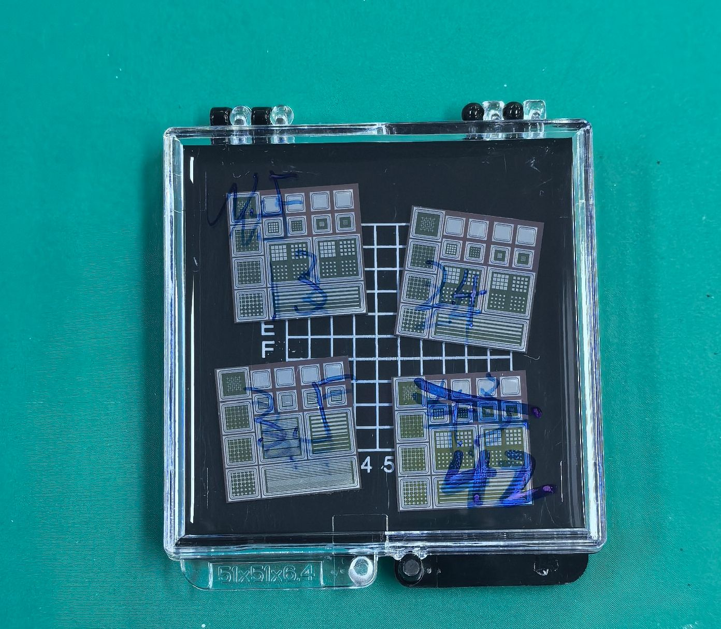
 |  | 3 | DC | No | Not so bad | In box
 |  | 4 | DC | No | Not so bad | In box
 |  | 5 |  | No | BAD | In box
 |  | 6 |  | No | BAD | In box
 |  | 7 |  | No | BAD | In box
 |  | 8 |  | No | BAD | In box
 | 6 | 9 |  | No | BAD | In box
 |  | 10 |  | No | BAD | In box
 | 12 | 11 | strip | No |  | In box
 | 4 | 12 | Cross | No |  | In box
 |  | 13 | Cross | No |  | In box
 |  | 14 | Cross | No |  | In box
 |  | 15 | Cross | No |  | In box
43 | 2.5 | 1 | PIN | No |  | On wafer
 |  | 2 | PIN | No |  | On wafer
 |  | 3 | DC | No | Not so bad | On wafer
 |  | 4 | DC | No | Not so bad | On wafer
 |  | 5 | pixel | No | Not so bad | On wafer
 |  | 6 | pixel | No | Not so bad | On wafer
 |  | 7 | pixel | No | Not so bad | On wafer
 |  | 8 | pixel | No | Not so bad | On wafer
 | 6 | 9 | pixel | No | BAD | On wafer
 |  | 10 | pixel | No | BAD | On wafer
 | 12 | 11 | strip | No |  | On wafer
 | 4 | 12 | Cross | No |  | On wafer
 |  | 13 | Cross | No |  | On wafer
 |  | 14 | Cross | No |  | On wafer
 |  | 15 | Cross | No |  | On wafer
44 | 2.5 | 1 | PIN | No |  | On wafer
 |  | 2 | PIN | No |  | On wafer
 |  | 3 | DC | No | BAD | On wafer
 |  | 4 | DC | No | BAD | On wafer
 |  | 5 |  | No | BAD | On wafer
 |  | 6 |  | No | BAD | On wafer
 |  | 7 |  | No | BAD | On wafer
 |  | 8 |  | No | BAD | On wafer
 | 6 | 9 |  | No | BAD | On wafer
 |  | 10 |  | No | BAD | On wafer
 | 12 | 11 | strip | No |  | On wafer
 | 4 | 12 | Cross | No |  | On wafer
 |  | 13 | Cross | No |  | On wafer
 |  | 14 | Cross | No |  | On wafer
 |  | 15 | Cross | No |  | On wafer
45 | 2.5 | 1 | PIN | No |  | On wafer
 |  | 2 | PIN | No |  | On wafer
 |  | 3 | DC | No | BAD | On wafer
 |  | 4 | DC | No | BAD | On wafer
 |  | 5 |  | No | BAD | On wafer
 |  | 6 |  | No | BAD | On wafer
 |  | 7 |  | No | BAD | On wafer
 |  | 8 |  | No | BAD | On wafer
 | 6 | 9 |  | No | BAD | On wafer
 |  | 10 |  | No | BAD | On wafer
 | 12 | 11 | strip | No |  | On wafer
 | 4 | 12 | Cross | No |  | On wafer
 |  | 13 | Cross | No |  | On wafer
 |  | 14 | Cross | No |  | On wafer
 |  | 15 | Cross | No |  | On wafer

Beam Test Pre-calibration
Type | Duty | ID | Size [mm] | Vbd on board [V] | Working bias [V] | Working current [uA] | Beta test | Laser test | Board | channel | electrod
strip | tracker | W6P3-7 | 2.5 | 153 | 152 | 3.7 | Done | Done | BT1 | 1 | 2 | 电极编号规则：所有板子都以高压接口在左边的情况为标准摆放方向。
 |  |  |  |  |  |  |  |  |  | 2 | 1 | Strip型：从左往右或从上往下电极编号从1开始增加。
 |  |  |  |  |  |  |  |  |  | 3 | 5 | Pixel型：从左上角第一个开始，编号从1开始增加
 |  |  |  |  |  |  |  |  |  | 4 | 4 | 如：1234
 |  |  |  |  |  |  |  |  |  | 5 | 3 | 5678
 |  | W6P18-6 | 2.5 | 161 | 160 | 3.3 | Done | Done | M4 | 1 | 4 | 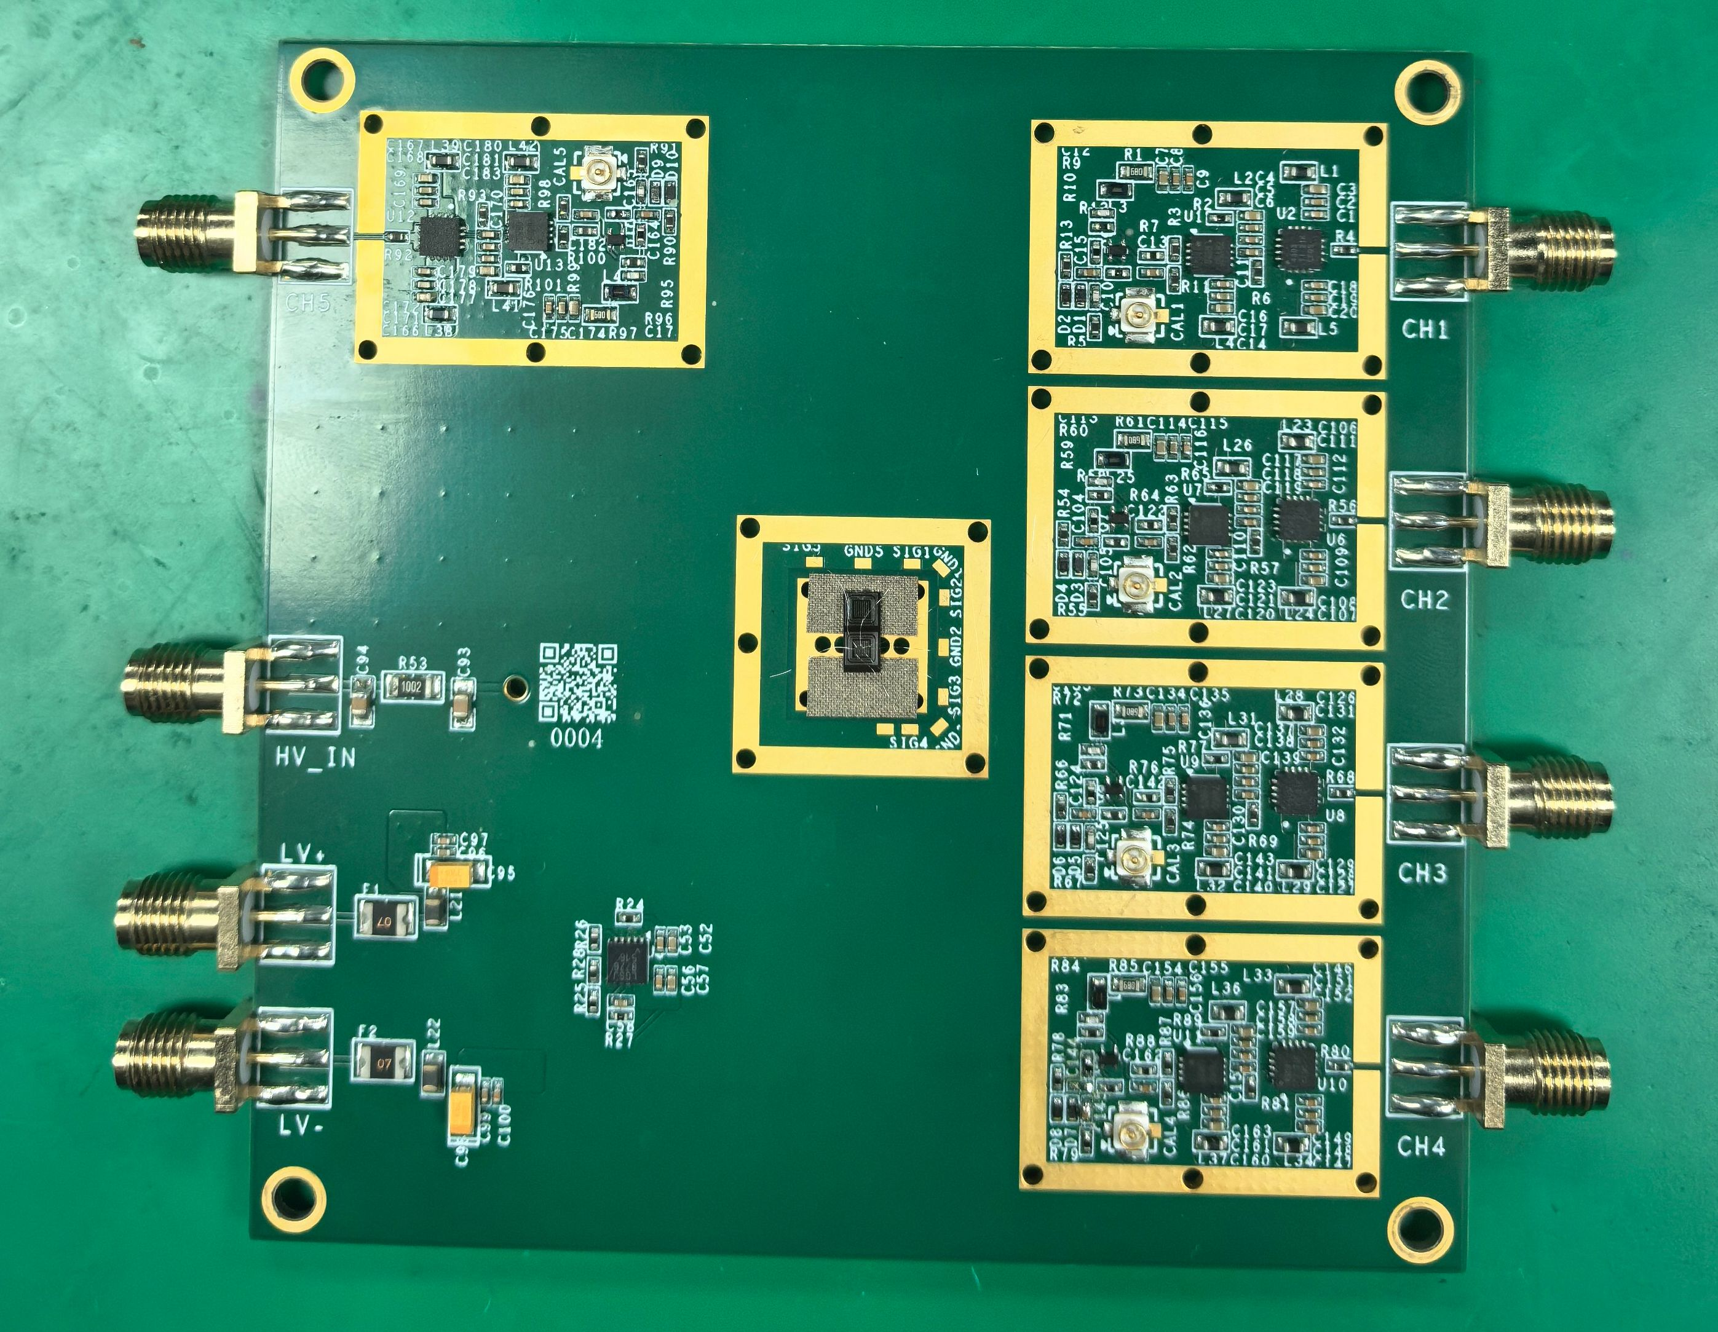
 |  |  |  |  |  |  |  |  |  | 2 | 5
 |  |  |  |  |  |  |  |  |  | 3 | 6
 |  |  |  |  |  |  |  |  |  | 4 | 2
 |  |  |  |  |  |  |  |  |  | 5 | 3
 |  | W6P18-7 | 2.5 | 163 | 160 | 1.7 | Done | Done | M3 | 1 | 3
 |  |  |  |  |  |  |  |  |  | 2 | 2
 |  |  |  |  |  |  |  |  |  | 3 | 5
 |  |  |  |  |  |  |  |  |  | 4 | 6
 |  |  |  |  |  |  |  |  |  | 5 | 4
 |  | W3P3-8 | 2.5 | 158 | 155 | 3.8 | Done | Done | BT2 | 1 | 3
 |  |  |  |  |  |  |  |  |  | 2 | 4
 |  |  |  |  |  |  |  |  |  | 3 | 5
 |  |  |  |  |  |  |  |  |  | 4 | 2
 |  |  |  |  |  |  |  |  |  | 5 | 1
 | DUT | W3P35-6 | 2.5 | 129 | 127 | 3.3 | Done | Done | BT4 | 1 | 4
 |  |  |  |  |  |  |  |  |  | 2 | 7
 |  |  |  |  |  |  |  |  |  | 3 | 6
 |  |  |  |  |  |  |  |  |  | 4 | 5
 |  |  |  |  |  |  |  |  |  | 5 | 3
 |  | W2P3-9 | 6 | 177 | 165 | 3.7 | Done | Not done | BT5 | 1 | 3
 |  |  |  |  |  |  |  |  |  | 2 | 4
 |  |  |  |  |  |  |  |  |  | 3 | 5
 |  |  |  |  |  |  |  |  |  | 4 | 6
 |  |  |  |  |  |  |  |  |  | 5 | 2
pixel |  | W6P4-5 | 2.5 | 162 | 160 | 3.6 | Done | Not done | BT3 | 1 | 7
 |  |  |  |  |  |  |  |  |  | 3 | 11
 |  |  |  |  |  |  |  |  |  | 4 | 10
 |  |  |  |  |  |  |  |  |  | 5 | 6
 |  | W6P10-6 | 2.5 | 130 | 116 | 4.8 | Done | Not done | BT6 | 1 | 7
 |  |  |  |  |  |  |  |  |  | 3 | 11
 |  |  |  |  |  |  |  |  |  | 4 | 10
 |  |  |  |  |  |  |  |  |  | 5 | 6

