Sheet1
 |  | -1000 | -970 | -940 | -910 | -880 | -850 | -820 | -790 | -760 | -730 | -700 | -670 | -640 | -610 | -580 | -550 | -520 | -490 | -460 | -430 | -400 | -370 | -340 | -310 | -280 | -250 | -220
Case | 3
 | Day1 | 100.00% | 98.24% | 98.05% | 97.92% | 97.79% | 97.63% | 97.39% | 96.78% | 95.35% | 92.28% | 86.05% | 75.15% | 60.21% | 43.97% | 29.90% | 19.24% | 12.19% | 7.80% | 5.11% | 3.42% | 2.36% | 1.69% | 1.21% | 0.87% | 0.63% | 0.45% | 0.32%
 | Day2 | 100.00% | 97.35% | 97.11% | 96.89% | 96.69% | 96.52% | 96.31% | 95.91% | 94.96% | 92.77% | 88.10% | 79.31% | 65.96% | 49.97% | 34.90% | 22.95% | 14.60% | 9.26% | 6.04% | 4.07% | 2.79% | 1.97% | 1.43% | 1.05% | 0.77% | 0.57% | 0.43%
 | Day3 | 100.00% | 97.76% | 97.56% | 97.40% | 97.22% | 97.02% | 96.70% | 95.98% | 94.40% | 91.09% | 84.76% | 74.16% | 59.76% | 44.18% | 30.45% | 20.10% | 13.13% | 8.60% | 5.80% | 4.04% | 2.91% | 2.14% | 1.59% | 1.19% | 0.89% | 0.64% | 0.46%
 | Day4 | 100.00% | 97.65% | 97.42% | 97.23% | 97.07% | 96.90% | 96.62% | 96.03% | 94.67% | 91.56% | 85.32% | 74.82% | 60.61% | 45.34% | 31.89% | 21.57% | 14.23% | 9.38% | 6.24% | 4.30% | 3.05% | 2.21% | 1.63% | 1.22% | 0.92% | 0.69% | 0.51%
 | Day5 | 100.00% | 97.90% | 97.71% | 97.56% | 97.37% | 97.18% | 96.84% | 96.15% | 94.57% | 91.31% | 85.21% | 75.31% | 61.96% | 47.41% | 34.25% | 23.71% | 15.97% | 10.66% | 7.32% | 5.16% | 3.80% | 2.83% | 2.13% | 1.63% | 1.23% | 0.92% | 0.67%
 | Day6 | 100.00% | 97.72% | 97.50% | 97.33% | 97.18% | 96.96% | 96.51% | 95.46% | 92.86% | 87.12% | 77.08% | 62.53% | 46.06% | 30.93% | 19.90% | 13.09% | 9.10% | 6.68% | 5.09% | 3.99% | 3.19% | 2.57% | 2.09% | 1.68% | 1.33% | 1.05% | 0.80%
 | Day7 | 100.00% | 98.01% | 97.84% | 97.70% | 97.56% | 97.40% | 97.13% | 96.45% | 94.62% | 90.24% | 81.38% | 67.61% | 51.17% | 35.88% | 24.39% | 16.63% | 11.84% | 8.87% | 6.99% | 5.71% | 4.79% | 4.05% | 3.41% | 2.87% | 2.38% | 1.94% | 1.54% | Due to changes,here increases
 | Day8 | 100.00% | 97.82% | 97.64% | 97.47% | 97.30% | 97.08% | 96.72% | 95.82% | 93.67% | 89.15% | 81.05% | 68.98% | 54.35% | 40.49% | 29.22% | 20.98% | 15.43% | 11.84% | 9.50% | 7.92% | 6.80% | 5.90% | 5.18% | 4.54% | 3.95% | 3.37% | 2.77% | Compared with above dates
 | Day9 | 100.00% | 96.96% | 96.79% | 96.61% | 96.45% | 96.22% | 95.74% | 94.50% | 91.59% | 85.75% | 75.58% | 61.91% | 47.54% | 35.22% | 26.04% | 19.85% | 15.74% | 13.06% | 11.11% | 9.60% | 8.31% | 7.20% | 6.20% | 5.29% | 4.44% | 3.60% | 2.81%

 |  |  |  |  |  |  |  |  |  |  |  |  |  |  | 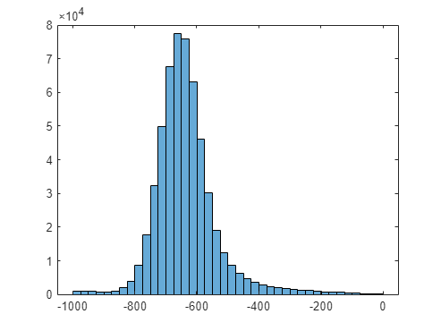



-600

-400

 |  |  |  | Threshold Value means: how many volumes will be remained,if volumes with smaller values are removed. -700 means: totol = img img(img<-700) = -3000; percentage = sum(img!=-3000)/sum(totol!=3000)

-1000 = 100%

