Sheet2
bug/issue/opinion

1) If register with used email. It appear nothing and all the fields is gone. |  | It should said that the email is used or something
2) Cant click into "ข้อตกลงการใช้งานและนโยบายความเป็นส่วนบุคคล" page. |  | It fine? It not in the figma
3) I hate mm/dd/yyyy |  | dd/mm/yyyy is way better

4)Register page design In vercel |  |  | In figma

5) when forget to check the "ข้อตกลงการใช้...... " cant click the "สมัครใช้งาน" button |  | I think it should show anything. user dont know that what happended

 | Vercel |  |  | Figma




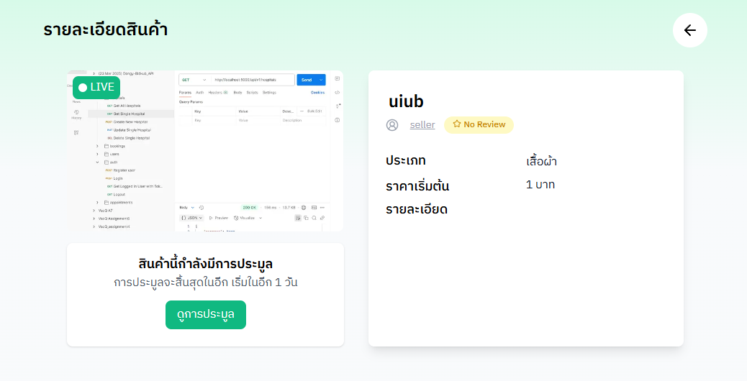

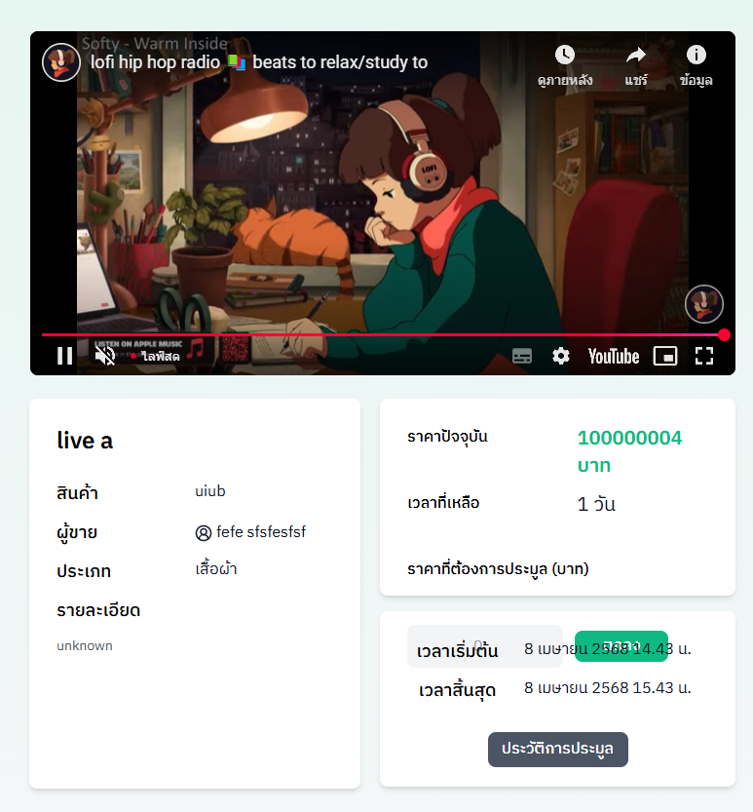

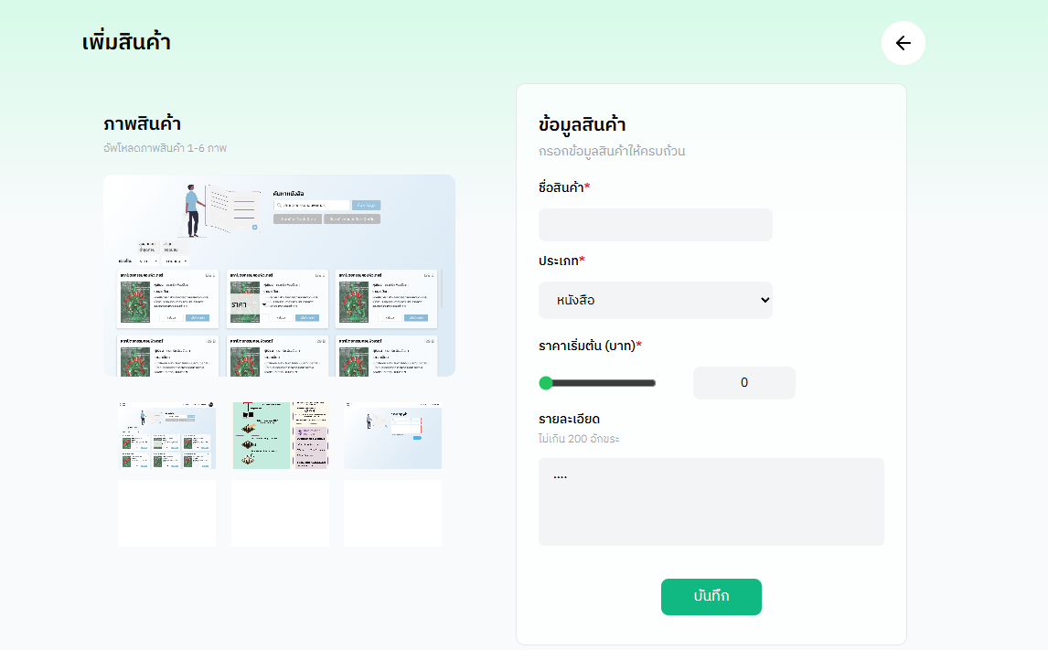

 |  |  |  |  |  | This thing is too hard to select the right price.

 |  |  |  |  |  | No limit

 |  |  |  |  | No limit

 | How to delete the uploaded img?
 |  |  |  | If I click "บันทึก" many times fast, the product gets added many times. It should add only once and block duplicate clicks. | Same as Product editing page

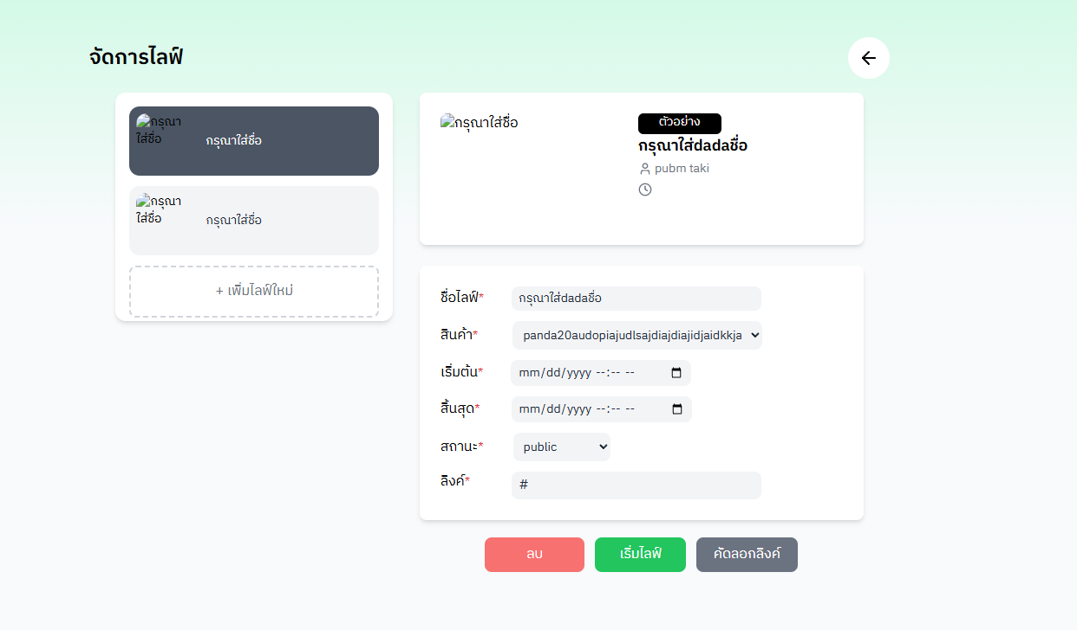

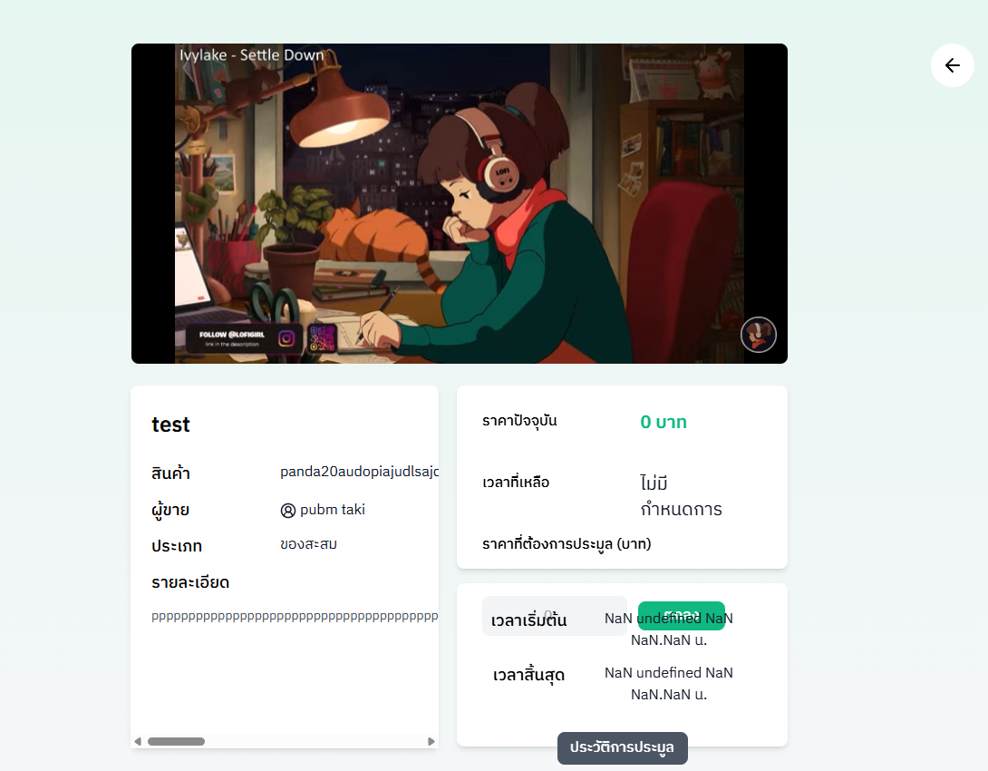



 |  |  |  |  |  |  |  | Break line?

 |  |  |  |  |  |  | Break line?

 |  |  |  | Look weird

 |  | Weird. Should it move into next line? for long desc

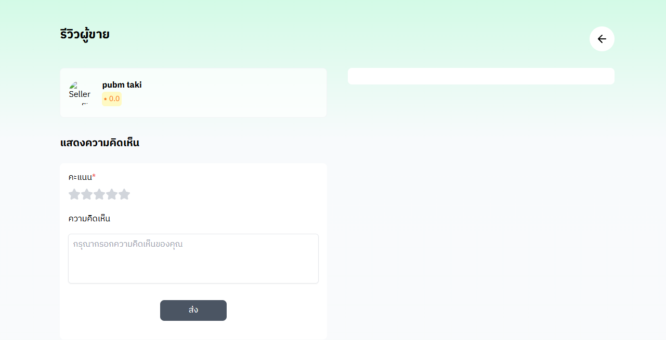

 |  |  |  | NO img???

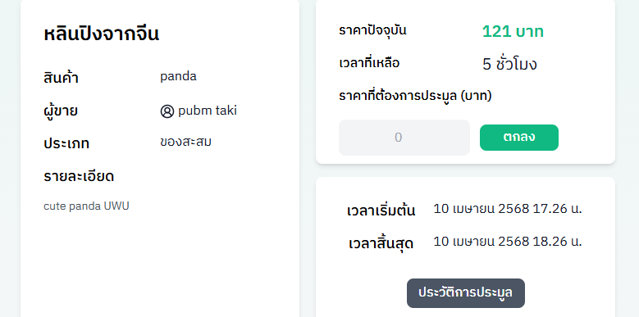

 |  |  |  | Default value should be "ราคาปัจจุบัน"?

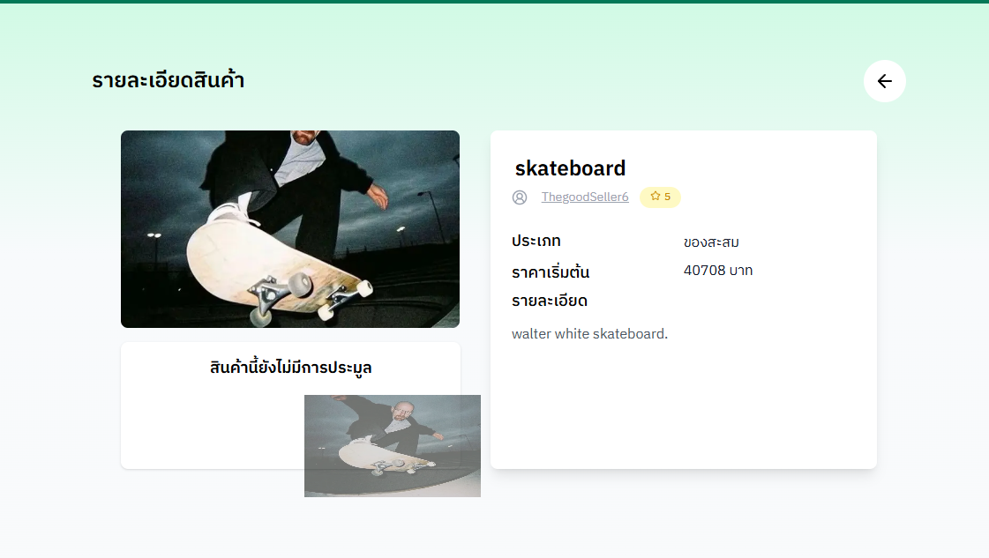

 |  |  |  | Image should look like this. but from above it got cut

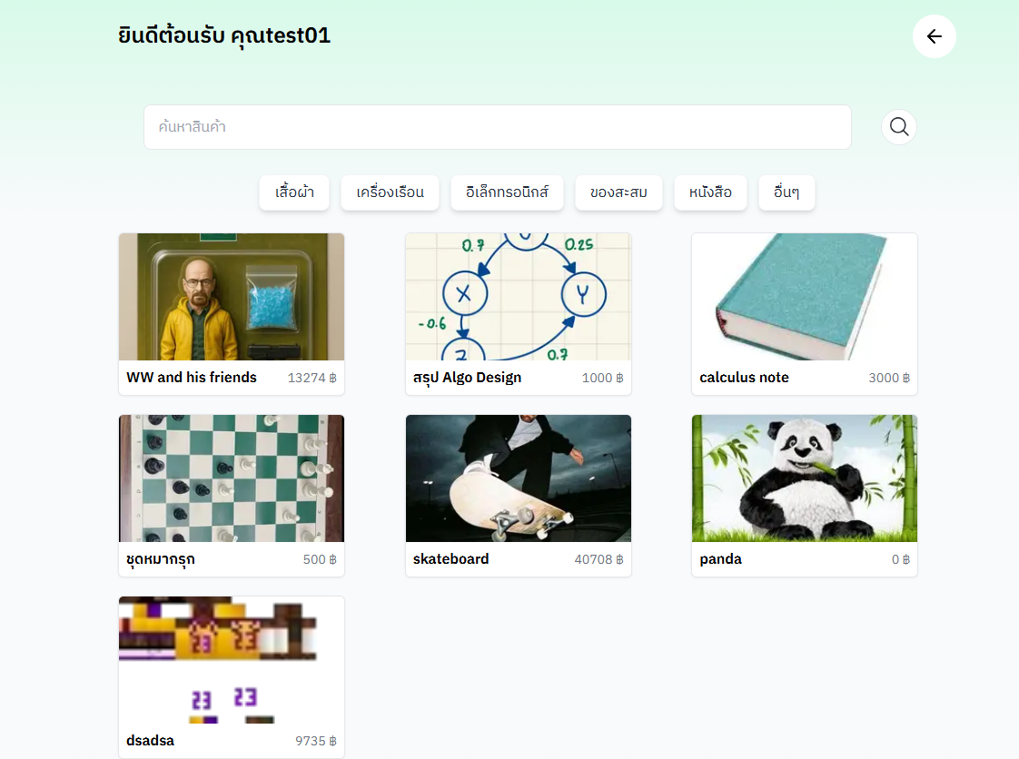

 |  |  | Finished bidding but it still shown. but cant click ดูการประมูล

 |  |  |  |  | ขึ้นว่า live อยู่ แต่พอไปดูคนขาย ไม่ขึ้นว่ามี live

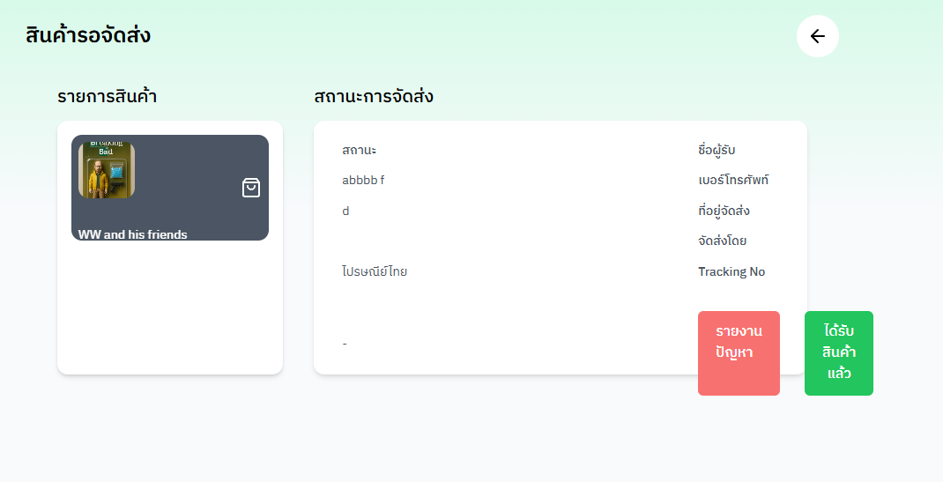

 |  |  |  |  | มันยื่นออกมา และ ปุ่มควรไม่การให้กดยืนยัน (ไม่งั้นมือลั่นง่ายไป)

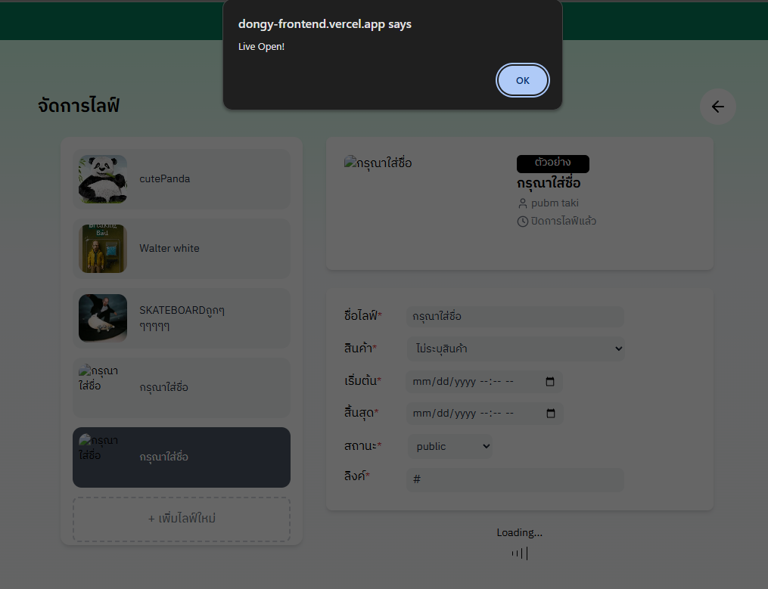

 |  |  |  | Can Open live with empty information...

Sheet3
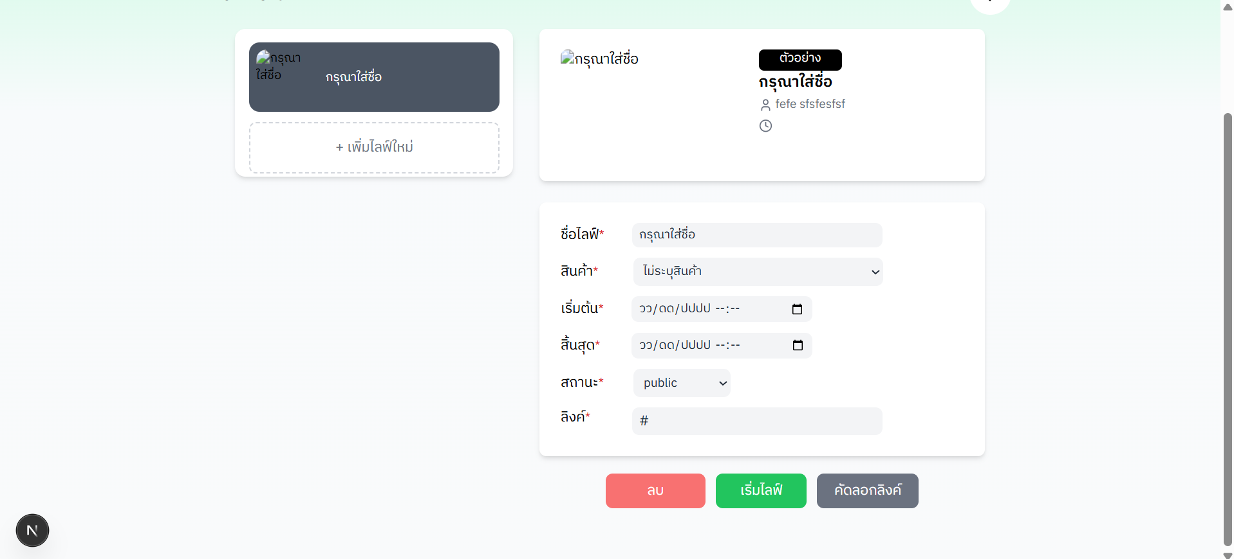
 | "กรุณาใส่ชื่อ" is currently not a placeholder. It still be a default text.

 | The input field are not really require. user can start live with an empty input field.

 |  | Maybe, when click at the copy link button, there should be pop up or any text show that the copy is successful.

When click these two buttons, it should refresh the page in order to get the new state.

