N_ER_Diagram
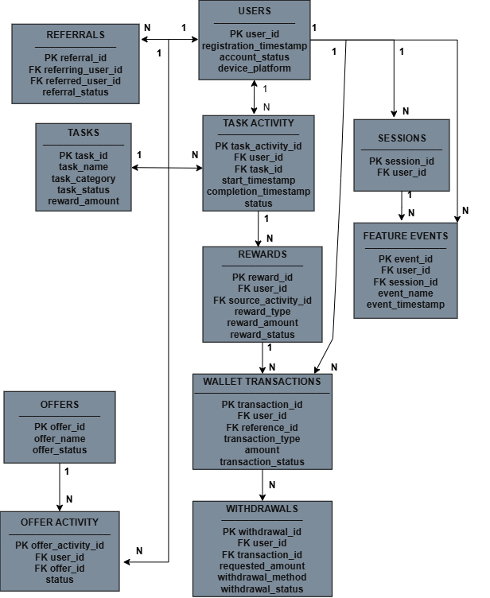

VELOOP Rewards — Entity Relationship Diagram

