Period 1
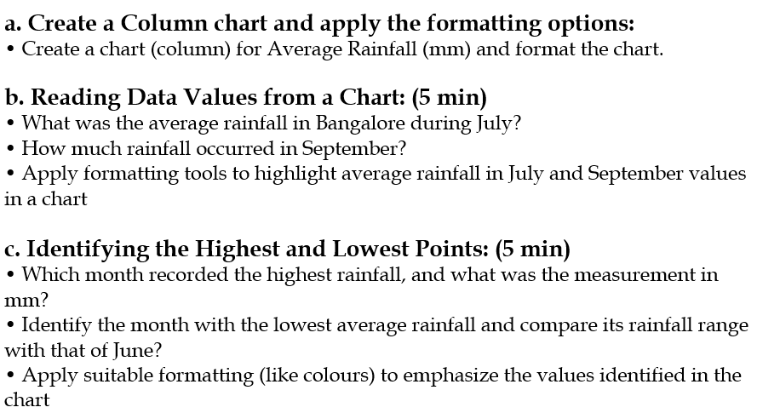
Weather Data (Bangalore - 2024)
Month | Average Rainfall (mm)
January | 5
February | 10
March | 15
April | 30
May | 55
June | 110
July | 125
August | 140
September | 130
October | 186
November | 60
December | 20

