All 42 logos
All 42 logo comparisons
Raw predictions are diagnostic and may contain severe defects. Returned results preserve originals when declined.
Thumbnails fit without enlargement. Detailed native and 4× comparison boards accompany the audit.

Case / cohort | Original input | Alpha reference | Raw diagnostic on black | Returned on checkerboard | Returned on black | Final outcome | Visual review notes
1. s0-0-thin Synthetic reference | 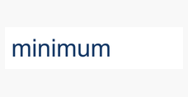 |  |  |  |  | Processed | Raw has pale outlines around thin stems and detached i dots on black. Refinement removes halo, preserving legibility and all dots; returned output looks consistent with reference at native and 4x.
2. s0-1-thin Synthetic reference | 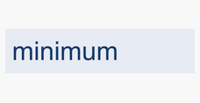 |  |  | 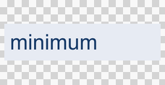 |  | Original retained | Large pale background strips survive above/right and below lettering. Refinement fixes some letter halos but cannot remove these regions. Original retained correctly.
3. s0-2-thin Synthetic reference | 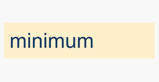 |  |  | 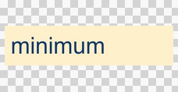 |  | Original retained | Most yellow background survives; i stems and dots are partially transparent; refinement adds small holes/speckles around strokes. Unsafe raw and refined outputs. Original retained.
4. s1-0-dots Synthetic reference | 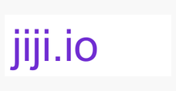 |  |  |  |  | Original retained | Second and third detached dot interiors punched out; one i stem has a transparent notch near top. Edge refinement removes surrounding halo but cannot restore missing foreground. Original retained.
5. s1-1-dots Synthetic reference | 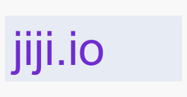 |  |  | 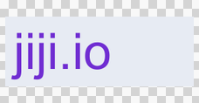 |  | Original retained | Same dot holes and upper stem notch as white variant, plus faint horizontal residue at dot/stem boundary after refinement. Original retained.
6. s1-2-dots Synthetic reference |  |  |  | 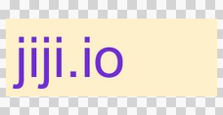 |  | Original retained | Dot holes and stem notch remain, with a yellow background island above dots and JPEG-colored fringes. Refinement largely cannot resolve them. Original retained.
7. s2-0-white-detail Synthetic reference |  |  |  |  |  | Processed | White T interior preserved, solid red disk intact. Raw has thin pale outer halo on black; refinement removes it without visible holes. Returned accepted.
8. s2-1-white-detail Synthetic reference |  |  |  |  |  | Processed | Gray-backed red disk and white T preserve their interiors. Raw pale rim removed by refinement; no conspicuous artifact in returned output at native/4x.
9. s2-2-white-detail Synthetic reference |  |  |  |  |  | Original retained | JPEG disk remains mottled from source and has a thin uneven warm/pale fringe around outer rim on black. White T remains present. Edge-uncertain refusal is reasonable.
10. s3-0-gradient Synthetic reference |  |  |  |  |  | Processed | Gradient and polygon geometry preserved. Bright raw inner-edge halo removed by refinement; returned native shape clean. Very small tip differences at 4x, no conspicuous new artifact.
11. s3-1-gradient Synthetic reference |  |  |  |  |  | Processed | Gradient continuous; raw bright lower edge is removed by refinement. Returned silhouette coherent at native and 4x; no visible interior holes.
12. s3-2-gradient Synthetic reference |  |  |  |  |  | Original retained | JPEG texture already in original remains; light lower diagonal fringe persists after diagnostic refinement. Tiny edge speckles visible on black. Original retention justified.
13. s4-0-tiny Synthetic reference | 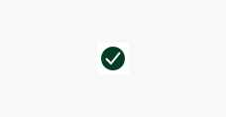 |  |  | 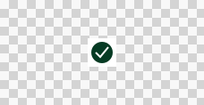 |  | Original retained | White interior checkmark becomes visibly gray/partly transparent against black; raw rim also pale. Refinement fixes outer rim but not lost white interior. Original retained.
14. s4-1-tiny Synthetic reference | 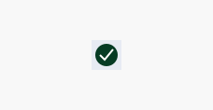 |  |  | 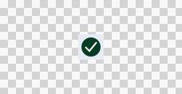 |  | Original retained | Checkmark dims on black compared with alpha reference, though less severely than white-background variant. Refinement cannot restore opacity. Original retained.
15. s4-2-tiny Synthetic reference |  |  |  |  |  | Original retained | Tiny JPEG checkmark has mottled green body and uneven perimeter; some compression is inherited from input, and pale edge contamination remains in raw/refined. Conservative refusal acceptable.
16. s5-0-wide Synthetic reference |  |  |  |  |  | Processed | Final replay now accepts the refined wide wordmark. Raw white halos outline letters, but refined output preserves the inspected lettering and removes those halos on white, black and checkerboard at native and 4x. No conspicuous new artifact in the inspected result.
17. s5-1-wide Synthetic reference | 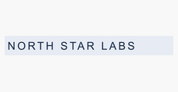 |  |  |  |  | Original retained | Large gray patch survives around NORTH STAR with irregular cutouts and opaque counters. Refinement creates sharp borders beside retained patch. Original retained correctly.
18. s5-2-wide Synthetic reference |  |  |  |  |  | Original retained | Almost entire yellow rectangle remains (near-opaque mask). Diagnostic refinement introduces pixel holes near letters without meaningful removal. Unsafe-mask refusal correct.
19. s6-0-outline Synthetic reference | 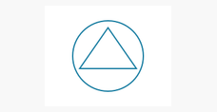 |  |  |  |  | Original retained | Pale halo persists around thin circle/triangle on black. Triangle lower-right joint is broken/nicked after refinement. Original retained correctly.
20. s6-1-outline Synthetic reference | 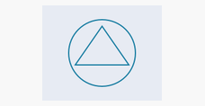 |  |  |  |  | Original retained | Same persistent pale outline and lower-right triangle break after refinement; blue stroke appears lighter than reference. Original retained correctly.
21. s6-2-outline Synthetic reference | 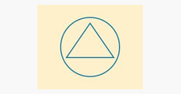 |  |  |  |  | Original retained | JPEG outline retains gray/yellow contamination on black and loses clean blue color; lower-right triangle joint imperfect. Refinement does not remove fringe. Original retained.
22. s7-0-disconnected Synthetic reference | 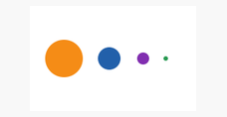 |  |  | 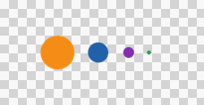 |  | Processed | All four colored circles including tiny detached green dot remain intact. Raw light rims on black are removed by refinement; returned output matches reference visually.
23. s7-1-disconnected Synthetic reference | 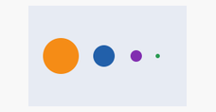 |  |  | 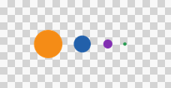 |  | Processed | Gray background removed; four detached circles and smallest green dot preserved. Refined and returned edges clean on black, white and checkerboard.
24. s7-2-disconnected Synthetic reference | 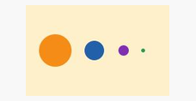 |  | 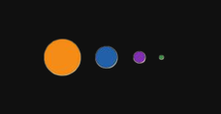 | 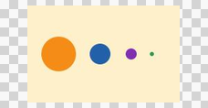 |  | Original retained | JPEG-colored rims and mottled edges remain, especially purple and blue circles; refinement roughens orange perimeter. All circles present, but not a clean removal.
25. real-0 Cached real asset |  |  |  |  |  | Original retained | COMPASS shape preserved but raw/refined retain conspicuous light outlines on black. Tight crop touches image border and prevents background-confidence/matting; possible future padding support, not threshold relaxation.
26. real-1 Cached real asset | 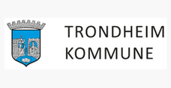 |  |  |  | 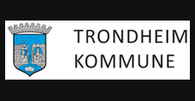 | Original retained | TRONDHEIM KOMMUNE lettering and crest broadly preserved, but residual light outlines and degraded soft crest perimeter persist. Source is low resolution and reference itself has edge contamination.
27. real-2 Cached real asset |  |  |  |  |  | Original retained | Model entirely removes the small sponsor logos above DRONE CHALLENGE. Circular badge survives, but missing top strip is major content loss.
28. real-3 Cached real asset |  |  |  |  |  | Original retained | Utiq lettering and gradient intact; raw/refined have gray halo along inner q and outer shapes on black. Tight crop gives mixed border and blocks matting; result not clean yet.
29. real-4 Cached real asset |  |  |  |  |  | Original retained | Koteng blue rectangular brand panel is partially erased, becoming a diffuse blue fog around dandelion. Text stays legible on checkerboard; its disappearance on black after matting is expected black-on-black, not text loss.
30. real-5 Cached real asset |  |  |  |  |  | Original retained | White iab.spain logo was flattened onto white, yielding blank input. No RGB information remains to reconstruct logo alpha; model produces empty output. Correct to retain input or seek original transparent source.
31. real-6 Cached real asset |  |  |  |  |  | Original retained | Raw retains white negative spaces inside flame/N-mark versus known alpha reference. Refinement clears some but leaves a bright rim in N and tagline; not a clean reference match. No need to hallucinate a new brand design.
32. real-7 Cached real asset |  | No alpha reference |  |  |  | Original retained | TradeBridge retains lettering but removes much of white b-shaped interior of green icon, leaving patchy white/transparent split. No alpha truth is available; visible white icon detail must be preserved conservatively.
33. dark-white Cached real asset | 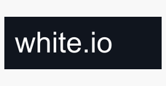 |  |  |  |  | Original retained | White.io text survives but a large irregular dark background blob hangs from top edge. Refinement produces more angular boundaries around text; severe artifact visible on white/checkerboard.
34. low-contrast Cached real asset |  |  |  |  |  | Original retained | soft.io lettering retained but blurred light edges visible on black, uneven i/dot stroke. Low foreground/background contrast provides no confident local core; refinement leaves mask mostly unchanged.
35. shadow Cached real asset | 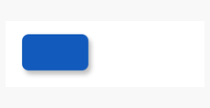 |  |  |  |  | Original retained | Blue rounded rectangle survives but intentional drop shadow is removed almost entirely. Thin rim remains on black. If removing shadow were desired this might be usable, but it differs from preservation reference.
36. full-bleed Cached real asset |  |  |  |  |  | Original retained | Full-bleed blue badge loses one irregular rectangle of panel below BAD while retaining most blue. Refinement creates outlines around white letters. Model has chosen inconsistent foreground; reject.
37. fresh-apple Fresh brand |  |  |  |  |  | Processed | Apple diagnostic refined result visually matches reference including detached leaf and bite, with raw halo removed on black. No visible loss or holes at native/4x. Final returned PNG is byte-identical to reviewed diagnostic refinement; clean output confirmed again at4x after production fix.
38. fresh-figma Fresh brand | 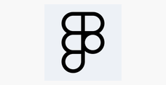 |  |  |  |  | Processed | Figma diagnostic refined outline and internal openings match alpha reference; raw gray rim removed. No visible stroke loss at native/4x. Final returned PNG is byte-identical to reviewed diagnostic refinement; clean output confirmed again at4x after production fix.
39. fresh-github Fresh brand |  |  |  |  |  | Original retained | GitHub JPEG outline and tail survive, but yellow/brown speckled edge contamination remains on black, including cat ears and circle. Refinement reduces continuous halo but leaves dotted residue.
40. fresh-google Fresh brand |  |  |  |  |  | Original retained | Google G retains a large white wedge between red and blue plus an interior white smear. Refinement removes only nearby fringe, leaving obvious white blob and introducing a dark gap around wedge.
41. fresh-instagram Fresh brand |  |  |  |  |  | Original retained | Tiny Instagram glyph preserves camera, dot and center circle, but uneven dark/gray rims persist; refined outline varies at corners and on black. JPEG source contamination remains unresolved.
42. fresh-notion Fresh brand |  |  |  |  |  | Original retained | Notion outline is retained, but interior panel remains uneven white patch with fuzzy cutout above N. Refinement makes patch boundary jagged. Reference interior is transparent; output inconsistent on checkerboard.

