Logo samples
Logo samples
All seven accepted examples, three declined diagnostics, and six fresh brand logos.
Images fit the panels without enlargement. Preserved results still contain their original background.

Logo / test case | Original input | Returned on checkerboard | Returned on black | Outcome | Review note
Thin wordmark Synthetic White background |  |  |  | Processed | Background removed with local edge matting. Canonical original retained separately.
Dotted lettering Synthetic White background |  | 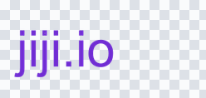 |  | Processed | Background removed with local edge matting. Canonical original retained separately.
White interior symbol Synthetic White background |  |  |  | Processed | Background removed with local edge matting. Canonical original retained separately.
White interior symbol Synthetic Pale blue background |  |  |  | Processed | Background removed with local edge matting. Canonical original retained separately.
Gradient mark Synthetic White background |  | 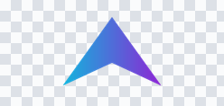 |  | Processed | Background removed with local edge matting. Canonical original retained separately.
Gradient mark Synthetic Pale blue background |  |  |  | Processed | Background removed with local edge matting. Canonical original retained separately.
Detached dots Synthetic White background | 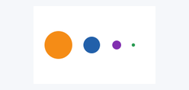 | 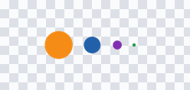 |  | Processed | Background removed with local edge matting. Canonical original retained separately.
Thin wordmark Synthetic Pale blue background | 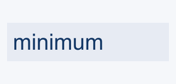 |  |  | Original retained | Background residue detected. Original retained.
Thin wordmark Synthetic JPEG on pale yellow |  | 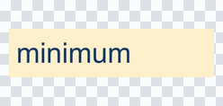 |  | Original retained | Logo detail could be lost. Original retained.
Thin outline Synthetic White background | 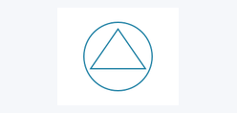 |  |  | Original retained | Edge colors could not be resolved safely. Original retained.
Apple Fresh brand logo 120 × 120 px | 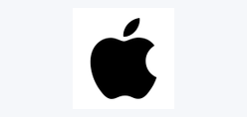 |  |  | Original retained | Logo detail could be lost. Original retained.
Figma Fresh brand logo 200 × 200 px | 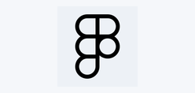 | 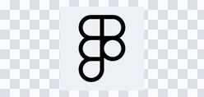 | 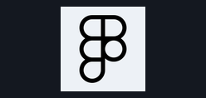 | Original retained | Logo detail could be lost. Original retained.
GitHub Fresh brand logo 100 × 100 px |  |  |  | Original retained | Logo detail could be lost. Original retained.
Google Fresh brand logo 300 × 300 px |  |  |  | Original retained | Background residue detected. Original retained.
Instagram Fresh brand logo 40 × 40 px |  | 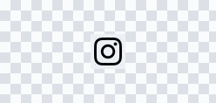 |  | Original retained | Logo detail could be lost. Original retained.
Notion Fresh brand logo 160 × 160 px |  |  |  | Original retained | Logo detail could be lost. Original retained.

