artificial sets
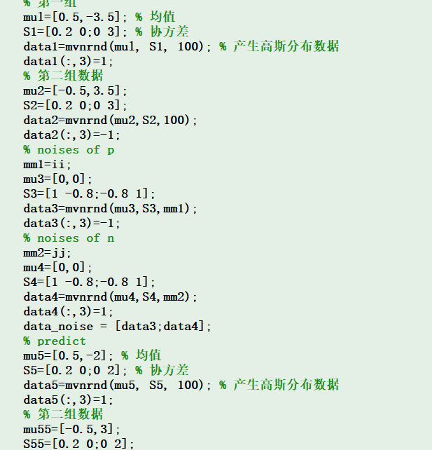
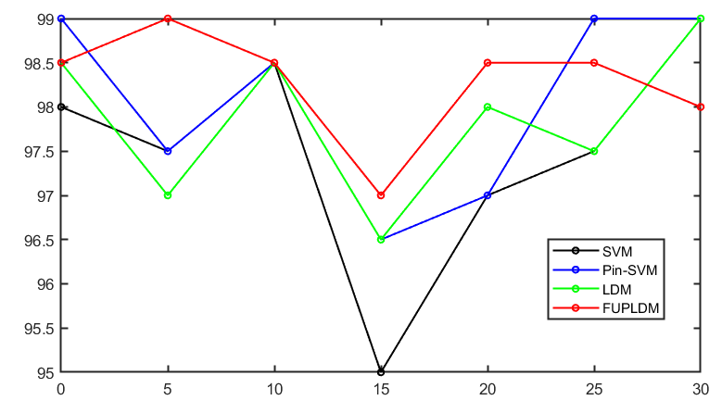
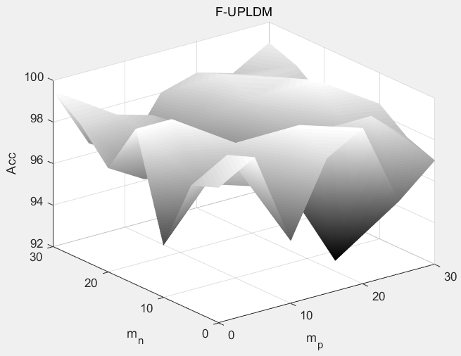
94.5 | 92 | 92 | 87.5 | 94 | 94.5 | 96 | 95.5 | 94.5 | 98 | 95 | 94.5 | 96 | 92 | 92 | 96 | 94 | 94.5 | 96 | 92 | 92 | 96 | 94 | 94.5 | 94.5 | 85.5 | 87.5 | 84.5 | 93 | 92 | 95.5 | 84.5 | 87 | 84 | 93 | 91.5 | 95.5 | 92 | 92 | 97.5 | 95 | 94 | 96 | 92 | 91 | 97.5 | 94.5 | 94
94.5 | 96 | 95 | 92 | 76.5 | 83 | 96 | 97.5 | 96 | 97 | 95 | 95.5 | 94.5 | 97.5 | 95 | 97 | 76.5 | 86.5 | 94.5 | 97.5 | 95 | 97 | 76.5 | 86.5 | 95.5 | 96 | 95 | 95 | 79.5 | 88.5 | 95 | 96.5 | 95.5 | 96 | 80 | 87.5 | 96 | 97.5 | 96.5 | 95 | 88.5 | 94.5 | 96 | 97.5 | 96.5 | 96 | 88.5 | 94.5
94.5 | 91.5 | 90 | 96 | 92 | 93.5 | 96 | 96 | 90 | 97 | 93 | 98 | 94.5 | 96 | 90 | 97 | 92 | 97 | 94.5 | 96 | 90 | 97 | 92 | 97 | 95.5 | 91 | 83.5 | 95.5 | 92 | 92.5 | 96 | 92 | 87 | 95 | 93 | 93 | 97 | 95.5 | 88 | 97.5 | 93.5 | 95.5 | 97 | 95.5 | 88.5 | 97.5 | 93.5 | 95
88 | 85 | 97 | 86.5 | 91 | 93 | 97.5 | 95 | 98 | 92.5 | 94 | 94.5 | 88 | 94 | 98 | 87.5 | 94 | 94.5 | 88 | 94 | 98 | 87.5 | 94 | 94.5 | 97 | 92 | 96.5 | 87.5 | 90 | 90.5 | 97.5 | 91.5 | 95.5 | 90 | 90.5 | 94 | 97.5 | 94 | 97.5 | 91.5 | 92 | 95 | 97.5 | 94 | 97.5 | 91.5 | 93 | 95
96.5 | 94 | 89.5 | 83.5 | 93 | 93.5 | 97 | 97 | 94.5 | 95.5 | 96.5 | 95.5 | 96.5 | 97 | 89.5 | 90 | 95.5 | 93.5 | 96.5 | 97 | 89.5 | 90 | 95.5 | 93.5 | 96.5 | 96.5 | 96 | 89.5 | 93 | 95 | 96.5 | 97 | 96 | 92 | 91.5 | 91 | 97 | 97.5 | 96.5 | 97 | 96.5 | 96.5 | 97 | 97.5 | 96.5 | 97 | 96.5 | 96.5
95 | 87.5 | 94 | 92.5 | 85 | 90.5 | 95 | 95.5 | 96.5 | 95.5 | 93.5 | 96 | 95 | 95 | 95 | 95.5 | 91.5 | 93 | 95 | 95 | 95 | 95.5 | 91.5 | 93 | 95 | 88 | 92.5 | 95.5 | 87 | 91 | 95 | 88.5 | 92.5 | 95 | 86.5 | 90.5 | 96.5 | 92.5 | 94.5 | 96 | 91.5 | 96.5 | 96.5 | 94 | 94.5 | 96 | 91.5 | 96
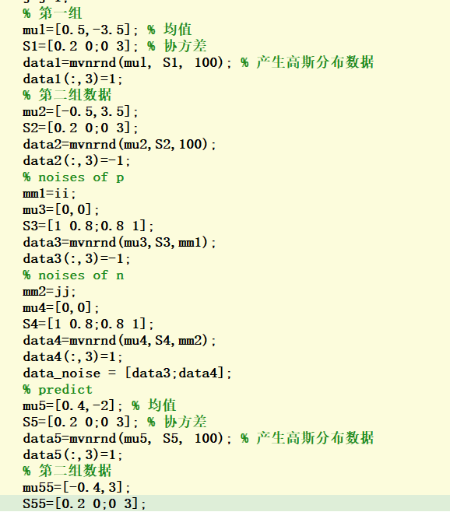

98.5 | 96 | 94 | 94 | 96 | 96 | 98.5 | 99 | 97 | 99 | 97.5 | 97.5 | 98.5 | 96 | 95.5 | 98.5 | 96.5 | 97 | 98.5 | 96 | 95.5 | 98.5 | 96.5 | 97 | 98 | 94 | 93 | 94.5 | 96.5 | 96 | 98 | 94 | 92 | 94 | 96.5 | 96 | 98.5 | 97.5 | 96 | 99 | 97 | 97 | 98.5 | 98 | 95.5 | 99 | 97 | 97
98.5 | 98 | 97.5 | 96 | 80.5 | 86.5 | 98.5 | 98.5 | 97.5 | 98.5 | 99 | 98 | 98.5 | 98.5 | 97.5 | 98 | 96.5 | 94 | 98.5 | 98.5 | 97.5 | 98 | 96.5 | 94 | 98.5 | 98 | 97.5 | 98 | 86 | 95 | 98.5 | 98.5 | 97.5 | 98 | 86.5 | 95 | 98.5 | 98.5 | 98 | 98 | 93 | 97.5 | 98.5 | 98.5 | 98 | 98 | 93 | 97.5
98 | 95 | 95 | 99 | 95 | 96.5 | 99 | 98 | 95 | 99 | 96 | 100 | 99 | 97.5 | 95 | 99 | 96 | 100 | 99 | 97.5 | 95 | 99 | 96 | 100 | 99 | 95.5 | 92.5 | 99 | 96 | 96.5 | 99.5 | 95.5 | 94.5 | 99 | 96 | 97.5 | 99 | 97.5 | 94 | 99 | 97 | 99 | 99.5 | 97.5 | 95 | 99 | 97.5 | 99
90.5 | 91.5 | 98.5 | 93 | 95.5 | 96.5 | 99.5 | 99.5 | 99.5 | 94.5 | 96.5 | 97.5 | 98.5 | 98 | 99 | 93 | 96 | 97.5 | 98.5 | 98 | 99 | 93 | 96 | 97.5 | 99.5 | 97 | 98.5 | 93 | 96 | 96 | 100 | 97 | 98.5 | 94.5 | 96.5 | 96.5 | 99.5 | 98 | 98.5 | 94 | 96.5 | 97 | 100 | 98 | 98.5 | 94.5 | 96.5 | 97
98.5 | 97.5 | 92.5 | 86 | 96.5 | 96 | 98.5 | 98.5 | 98 | 98 | 99.5 | 98.5 | 98.5 | 98.5 | 97 | 93.5 | 97 | 96 | 98.5 | 98.5 | 97 | 93.5 | 97 | 96 | 98.5 | 98.5 | 97.5 | 96.5 | 97 | 97.5 | 98.5 | 98.5 | 97.5 | 97 | 95.5 | 95 | 98.5 | 98.5 | 99 | 98 | 99.5 | 98.5 | 98.5 | 98.5 | 98.5 | 97.5 | 99.5 | 98.5
98 | 95 | 97 | 96 | 91 | 96.5 | 98 | 98 | 98 | 98.5 | 98 | 98 | 98 | 98 | 97.5 | 98.5 | 98 | 98 | 98 | 98 | 97.5 | 98.5 | 98 | 98 | 98 | 95 | 97 | 98 | 92 | 98 | 98.5 | 95 | 96.5 | 98.5 | 92 | 97.5 | 98.5 | 97 | 98.5 | 98.5 | 95.5 | 98 | 98.5 | 97.5 | 98 | 98.5 | 94 | 98
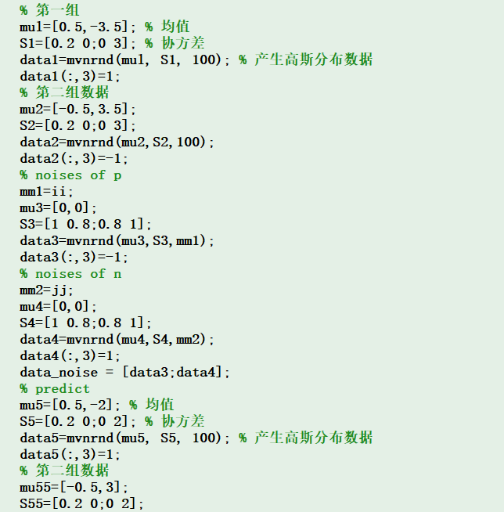
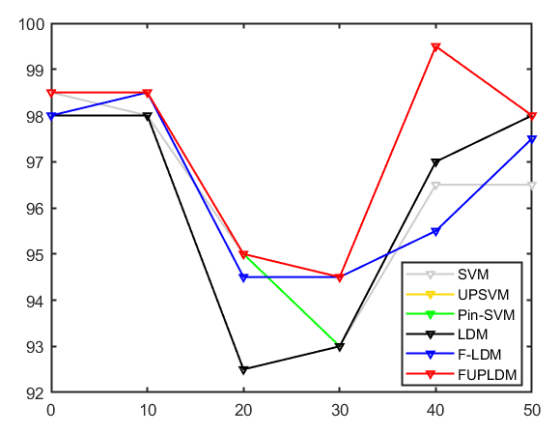
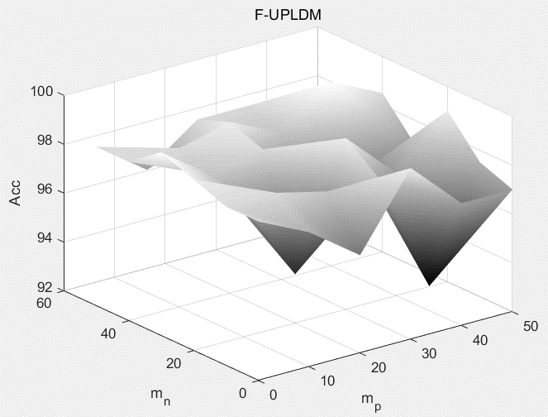

 |  |  |  |  |  |  | mall | SVM | Pin-SVM | LDM | F-UPLDM
 |  |  |  |  |  |  | 0
 |  |  |  |  |  |  | 10
 |  |  |  |  |  |  | 20
 |  |  |  |  |  |  | 30
 |  |  |  |  |  |  | 40
 |  |  |  |  |  |  | 50
Training Samples |  |  |  |  |  |  | 60
 | Distribution | Probability | Mean | Covariance | Number
Positive Class | Gaussian distribution Ⅰ | 1 | [0.5,-3] | [0.2, 0; 0, 3] | 100
Negative Class | Gaussian distribution Ⅱ |  | [-0.5,3]
Prediction samples
 | Distribution | Probability | Mean | Covariance | Number
Positive Class | Gaussian distribution Ⅲ | 1 | [0.5,-2] | [0.2, 0; 0, 3] | 100
Negative Class | Gaussian distribution Ⅳ |  | [-0.5,3]
Noises
 | Distribution | Probability | Mean | Covariance | Number
Positive Class | Gaussian distributionⅤ | 1 | [0,-0.2] | [1, 0.8; 0.8, 1] | {0,5,10,15,20,25,30}
Negative Class | Gaussian distribution Ⅵ |  | [0,0.2] |  | {0,5,10,15,20,25,30}

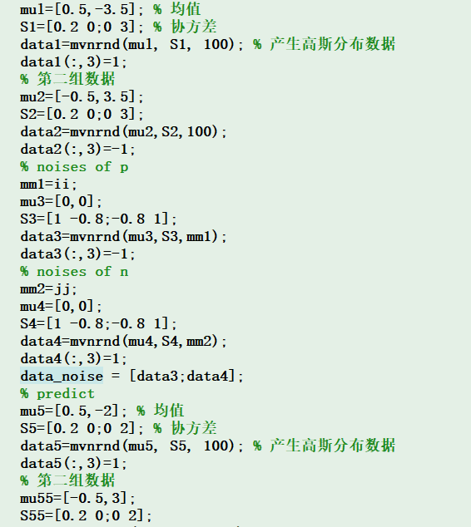
 |  | C=[1,5,10,50,100]

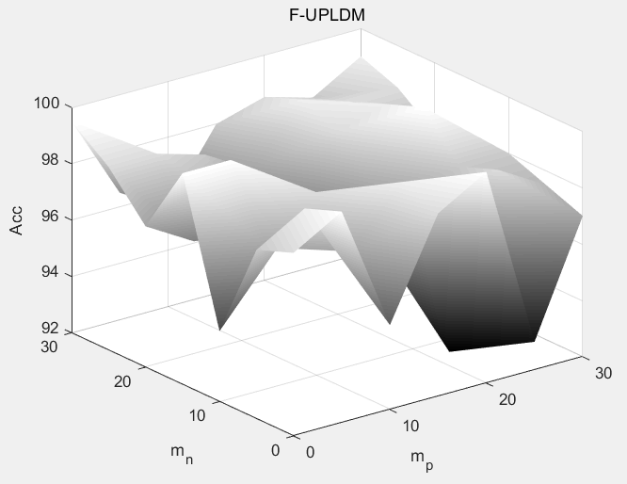

98 | 99.5 | 94.5 | 98.5 | 99.5 | 92.5 | 97 | 99 | 99.5 | 97.5 | 98.5 | 100 | 99 | 97 | 99 | 99.5 | 97.5 | 98.5 | 100 | 98.5 | 97 | 99 | 99.5 | 97.5 | 98.5 | 100 | 98.5 | 97 | 98.5 | 99.5 | 95 | 98.5 | 98.5 | 92.5 | 97 | 98 | 99.5 | 95 | 98.5 | 98.5 | 92.5 | 97 | 98.5 | 99.5 | 95 | 98.5 | 99.5 | 95.5 | 97 | 98.5 | 99.5 | 95 | 98.5 | 99.5 | 93 | 97
97.5 | 97.5 | 97 | 98.5 | 91 | 98.5 | 96.5 | 98.5 | 99 | 97 | 99.5 | 99.5 | 98.5 | 98.5 | 98.5 | 99 | 97 | 99 | 94 | 98.5 | 98 | 98.5 | 99 | 97 | 99 | 94 | 98.5 | 98 | 98 | 97 | 97 | 99.5 | 91 | 99 | 97.5 | 98 | 97.5 | 96.5 | 99.5 | 91.5 | 99 | 97 | 98 | 99 | 97 | 99.5 | 92.5 | 99 | 97.5 | 98 | 99 | 97 | 99.5 | 93 | 99 | 97.5
94 | 95 | 98.5 | 98 | 96 | 98 | 98 | 98.5 | 97.5 | 98.5 | 99 | 99 | 98 | 98.5 | 97 | 95 | 98.5 | 99 | 99 | 98 | 98.5 | 97 | 95 | 98.5 | 99 | 99 | 98 | 98.5 | 94 | 95.5 | 98.5 | 92.5 | 96.5 | 98 | 98.5 | 94.5 | 95 | 98.5 | 92.5 | 96.5 | 98 | 98 | 94.5 | 97 | 98.5 | 97 | 98 | 98 | 98.5 | 95 | 97 | 98.5 | 97 | 98 | 98 | 98.5
99 | 99.5 | 93.5 | 95 | 96 | 99.5 | 97 | 99.5 | 100 | 96.5 | 96.5 | 97.5 | 99.5 | 97.5 | 99 | 100 | 96.5 | 96.5 | 97.5 | 99.5 | 97.5 | 99 | 100 | 96.5 | 96.5 | 97.5 | 99.5 | 97.5 | 99.5 | 99.5 | 93.5 | 96.5 | 97 | 99.5 | 97 | 98.5 | 99.5 | 93.5 | 96.5 | 97 | 99.5 | 97.5 | 99.5 | 99.5 | 96.5 | 96.5 | 97 | 99.5 | 97.5 | 99 | 99.5 | 96.5 | 97 | 97 | 99.5 | 97.5
97 | 95.5 | 96 | 94.5 | 97 | 99 | 97 | 98 | 97 | 97 | 98.5 | 99 | 99.5 | 99 | 97.5 | 97.5 | 96.5 | 98.5 | 99 | 99.5 | 97 | 97.5 | 97.5 | 96.5 | 98.5 | 99 | 99.5 | 97 | 97 | 95.5 | 96 | 95 | 98 | 99 | 97 | 97 | 96 | 96 | 94.5 | 97.5 | 99 | 97.5 | 97 | 96 | 97 | 95 | 98.5 | 99 | 97.5 | 97.5 | 96.5 | 97 | 94.5 | 98.5 | 99.5 | 97.5
98 | 99 | 98 | 96.5 | 98 | 99 | 96 | 98.5 | 99.5 | 98 | 98.5 | 99 | 99 | 98 | 98 | 99.5 | 98 | 98 | 99 | 99 | 97.5 | 98 | 99.5 | 98 | 98 | 99 | 99 | 97.5 | 98 | 99.5 | 98 | 97 | 98 | 98.5 | 98 | 98.5 | 99.5 | 98 | 97 | 98 | 98.5 | 98 | 98.5 | 99.5 | 98 | 97 | 99 | 98.5 | 98.5 | 98.5 | 99.5 | 98 | 97 | 99 | 98.5 | 98.5
99.5 | 96 | 94.5 | 97.5 | 98.5 | 98 | 99 | 100 | 96.5 | 99 | 99 | 98.5 | 99 | 99 | 99.5 | 96 | 97.5 | 98 | 98.5 | 98.5 | 99 | 99.5 | 96 | 97.5 | 98 | 98.5 | 98.5 | 99 | 99.5 | 96 | 94.5 | 98 | 98.5 | 98 | 99 | 99.5 | 96 | 94 | 98 | 98.5 | 98 | 98 | 99.5 | 96.5 | 95.5 | 98 | 98.5 | 98 | 99 | 99.5 | 96.5 | 95.5 | 98 | 98.5 | 98 | 98

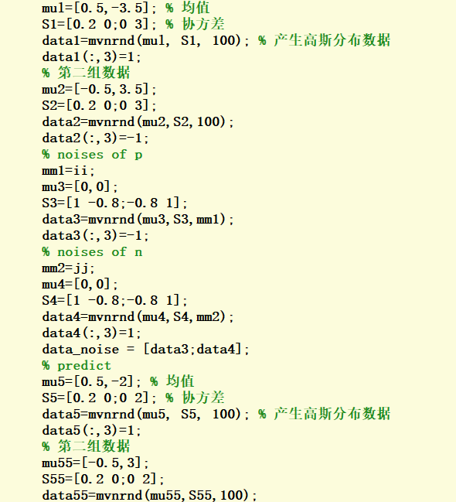
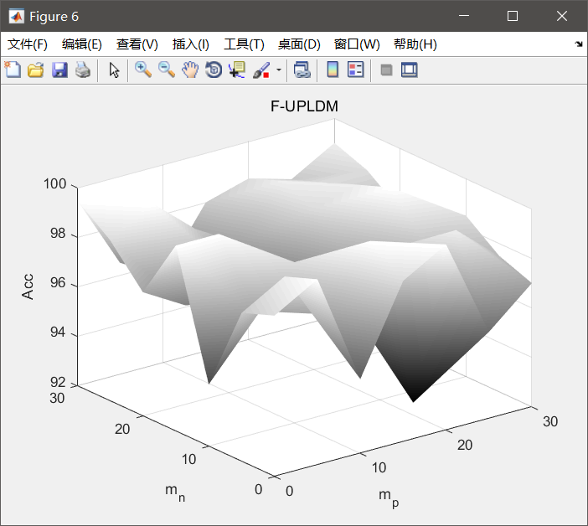
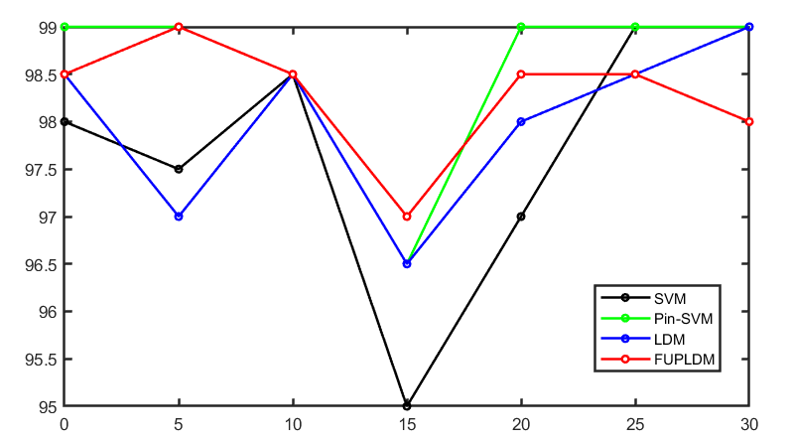

99.5 | 100 | 97.5 | 99 | 100 | 97 | 98 | 99.5 | 100 | 98.5 | 99 | 100 | 99.5 | 98.5 | 99.5 | 100 | 97.5 | 99 | 100 | 99.5 | 98 | 99.5 | 100 | 97.5 | 99 | 100 | 99.5 | 98 | 99.5 | 100 | 97 | 99 | 100 | 95.5 | 98.5 | 99.5 | 100 | 97 | 99 | 100 | 95.5 | 98.5 | 99.5 | 100 | 97.5 | 99.5 | 100 | 97.5 | 98.5 | 99.5 | 100 | 97.5 | 99.5 | 100 | 98 | 98.5
98.5 | 99 | 98 | 99.5 | 93.5 | 99 | 98.5 | 99.5 | 99.5 | 99 | 99.5 | 100 | 99 | 100 | 99.5 | 99.5 | 98.5 | 99.5 | 96.5 | 99 | 100 | 99.5 | 99.5 | 98.5 | 99.5 | 96.5 | 99 | 100 | 98.5 | 99 | 99 | 99.5 | 94 | 99 | 99 | 98.5 | 99.5 | 99 | 99.5 | 95.5 | 99 | 98.5 | 98.5 | 99.5 | 99 | 99.5 | 96 | 99 | 100 | 98.5 | 99.5 | 99 | 99.5 | 96 | 99 | 99
95.5 | 97 | 99.5 | 99 | 98.5 | 99.5 | 100 | 99 | 98.5 | 99.5 | 99.5 | 100 | 100 | 100 | 98.5 | 98 | 99.5 | 99.5 | 100 | 100 | 100 | 98.5 | 98 | 99.5 | 99.5 | 100 | 100 | 100 | 95.5 | 97.5 | 98.5 | 96 | 99 | 99.5 | 100 | 95.5 | 98 | 99.5 | 96 | 99 | 99.5 | 100 | 95.5 | 98 | 99 | 97.5 | 99.5 | 100 | 100 | 95.5 | 98 | 99.5 | 97.5 | 99.5 | 100 | 100
99.5 | 100 | 98 | 97.5 | 97.5 | 100 | 98 | 100 | 100 | 99.5 | 98 | 98.5 | 100 | 99 | 99.5 | 100 | 99 | 98 | 98.5 | 100 | 98 | 99.5 | 100 | 99 | 98 | 98.5 | 100 | 98 | 99.5 | 99.5 | 95 | 97 | 97.5 | 100 | 98 | 99.5 | 99.5 | 95.5 | 97.5 | 97.5 | 100 | 98.5 | 100 | 100 | 99.5 | 98 | 97.5 | 100 | 98.5 | 99.5 | 100 | 99.5 | 98 | 97.5 | 100 | 99
98 | 97.5 | 98.5 | 97 | 99 | 99.5 | 97.5 | 99.5 | 99 | 99 | 99.5 | 100 | 99.5 | 99.5 | 99 | 99 | 98.5 | 99.5 | 99.5 | 99.5 | 99 | 99 | 99 | 98.5 | 99.5 | 99.5 | 99.5 | 99 | 98.5 | 98 | 97.5 | 97 | 99 | 99.5 | 98.5 | 98.5 | 98 | 97.5 | 97 | 99 | 99.5 | 98.5 | 98.5 | 98 | 99 | 98 | 100 | 99.5 | 98.5 | 99 | 98 | 99 | 97 | 100 | 99.5 | 98.5
99.5 | 100 | 98 | 98.5 | 99.5 | 99.5 | 98 | 99.5 | 100 | 99 | 99.5 | 99.5 | 99.5 | 99 | 99.5 | 100 | 98 | 99 | 99.5 | 99.5 | 99 | 99.5 | 100 | 98 | 99 | 99.5 | 99.5 | 99 | 100 | 100 | 98 | 99 | 99.5 | 99.5 | 98.5 | 99.5 | 100 | 98 | 98.5 | 99.5 | 99.5 | 99 | 100 | 100 | 98 | 99 | 99.5 | 99.5 | 99 | 99.5 | 100 | 98 | 99 | 99.5 | 99.5 | 99
99.5 | 98 | 96.5 | 98 | 99 | 98.5 | 99.5 | 100 | 98.5 | 99.5 | 99.5 | 100 | 99.5 | 99.5 | 100 | 98 | 99.5 | 99.5 | 100 | 99.5 | 99.5 | 100 | 98 | 99.5 | 99.5 | 100 | 99.5 | 99.5 | 99.5 | 97.5 | 97.5 | 99.5 | 99 | 98.5 | 99.5 | 99.5 | 98 | 97 | 99 | 99 | 98.5 | 99.5 | 100 | 98 | 97.5 | 100 | 99 | 99 | 99.5 | 99.5 | 98 | 97 | 99 | 99 | 99 | 99.5

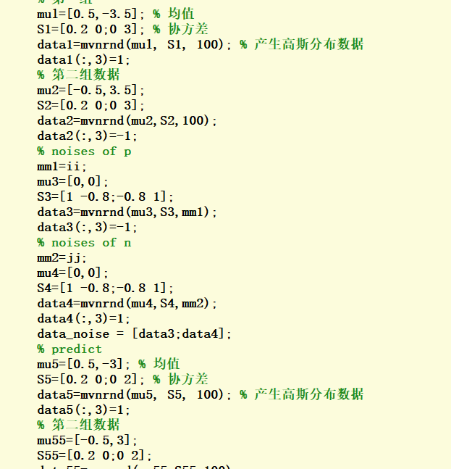
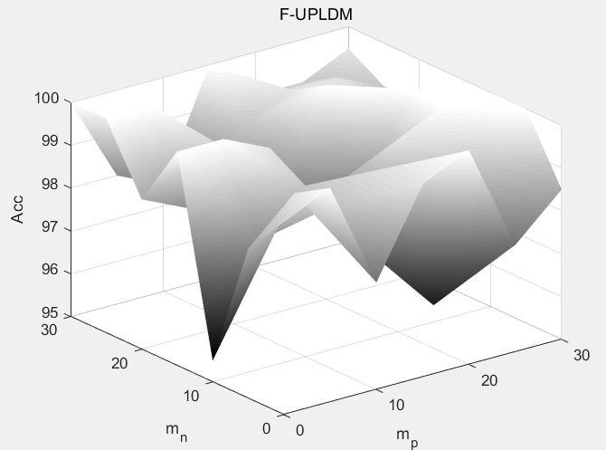
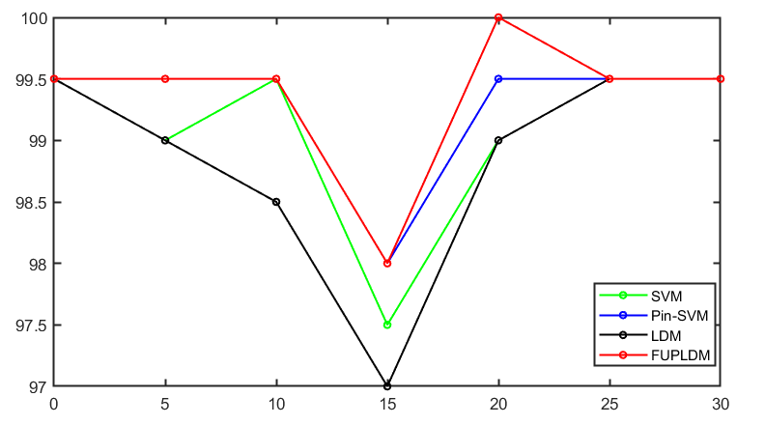

98 | 98.5 | 94 | 98.5 | 98.5 | 89 | 94.5 | 99 | 99.5 | 97.5 | 98.5 | 100 | 99 | 97 | 99 | 99.5 | 97.5 | 98.5 | 100 | 95 | 97 | 99 | 99.5 | 97.5 | 98.5 | 100 | 95 | 97 | 98.5 | 98.5 | 95 | 98.5 | 98.5 | 92.5 | 96.5 | 98 | 99 | 95 | 98.5 | 98.5 | 92.5 | 96.5 | 98.5 | 99.5 | 95 | 98.5 | 99.5 | 95.5 | 97 | 98.5 | 99.5 | 95 | 98.5 | 99.5 | 93 | 97
95.5 | 97.5 | 97 | 98.5 | 84.5 | 98.5 | 93.5 | 98.5 | 99 | 97 | 99.5 | 99.5 | 98.5 | 98.5 | 98 | 97.5 | 97 | 98.5 | 94 | 98.5 | 98 | 98 | 97.5 | 97 | 98.5 | 94 | 98.5 | 98 | 96 | 97 | 97 | 98.5 | 91 | 99 | 97.5 | 97 | 97.5 | 96.5 | 98.5 | 91.5 | 99 | 97 | 98 | 99 | 97 | 99.5 | 92.5 | 99 | 97.5 | 98 | 99 | 97 | 99.5 | 93 | 99 | 97.5
90.5 | 95 | 98.5 | 95 | 96 | 97.5 | 98 | 97.5 | 97.5 | 98.5 | 99 | 99 | 98 | 98.5 | 95 | 95 | 98.5 | 99 | 98.5 | 97.5 | 98 | 95 | 95 | 98.5 | 99 | 98.5 | 97.5 | 98 | 92.5 | 96 | 98.5 | 92 | 96 | 98 | 98 | 94 | 95 | 98.5 | 92 | 96.5 | 98 | 98 | 94.5 | 97 | 98.5 | 97 | 98 | 98 | 98.5 | 95 | 97 | 98.5 | 97 | 98 | 98 | 98
99 | 99.5 | 93.5 | 95 | 95 | 99.5 | 97 | 99.5 | 100 | 96.5 | 96.5 | 97.5 | 99.5 | 97.5 | 99 | 100 | 95.5 | 96.5 | 97 | 99.5 | 97.5 | 99 | 100 | 95.5 | 96.5 | 97 | 99.5 | 97.5 | 99.5 | 99 | 93 | 96.5 | 95.5 | 99.5 | 97 | 98.5 | 99.5 | 93.5 | 96.5 | 96 | 99.5 | 97.5 | 99.5 | 99.5 | 96.5 | 96.5 | 97 | 99.5 | 97.5 | 99 | 99.5 | 96.5 | 97 | 97 | 99.5 | 97.5
97 | 93 | 96 | 94 | 97 | 98.5 | 96.5 | 98 | 97 | 97 | 98.5 | 98.5 | 99.5 | 99 | 97.5 | 97 | 96.5 | 97 | 97 | 99.5 | 97 | 97.5 | 97 | 96.5 | 97 | 97 | 99.5 | 97 | 97 | 95 | 96 | 95 | 98 | 98.5 | 97 | 97 | 96 | 96 | 94 | 97 | 99 | 97.5 | 97 | 96 | 97 | 95 | 98.5 | 99 | 97.5 | 97.5 | 96.5 | 97 | 94.5 | 98.5 | 99.5 | 97.5
98 | 98 | 97.5 | 96 | 97.5 | 97.5 | 95.5 | 98.5 | 99.5 | 98 | 98 | 99 | 99 | 98 | 98 | 98.5 | 98 | 97.5 | 99 | 99 | 97.5 | 98 | 98.5 | 98 | 97.5 | 99 | 99 | 97.5 | 98 | 97.5 | 98 | 96.5 | 98 | 97.5 | 98 | 98.5 | 98 | 98 | 96 | 97.5 | 97.5 | 98 | 98.5 | 98.5 | 98 | 97 | 99 | 98.5 | 98.5 | 98.5 | 98.5 | 98 | 97 | 99 | 98.5 | 98.5
98.5 | 94.5 | 94 | 97.5 | 98 | 98 | 99 | 100 | 96.5 | 99 | 99 | 98.5 | 99 | 99 | 99.5 | 95.5 | 96 | 97.5 | 98.5 | 98.5 | 99 | 99.5 | 95.5 | 96 | 97.5 | 98.5 | 98.5 | 99 | 99.5 | 95.5 | 94.5 | 98 | 98 | 98 | 99 | 99.5 | 95.5 | 94 | 98 | 98 | 98 | 98 | 99.5 | 96.5 | 95.5 | 98 | 98.5 | 98 | 99 | 99.5 | 96.5 | 95.5 | 98 | 98.5 | 98 | 98

