Gameplay
1 | Basic rules about balls

 | 1 | There are 3 factors affect balls' movement
 |  | 1 | direction
 |  | 2 | hit power
 |  | 3 | environment
 |  | Players can control directions/hit power.
 |  | Players can only add force on balls on x and z axis. The y position can only be changed due to environmental reasons. |  |  |  |  | TBD

 | 2 | Balls can only be hit when they are idle |  |  | TBD

 | 3 | There is no death in this game, balls drop off the gound will return back to the start point after a few seconds.

2 | Common rules

 | 1 | The game are consisted of many mini games of different types. The core gameplay are the same, but the rules are different.

 | 2 | The game has many levels, each level are generated in level libraries randomly
 |  | e.g, if we have 3 game types in total, we can design 4 levels for each types. After game starts, it randoms each level in total 12 levels we have.
 |  | In this way players won't know what type next level will be.
 |  | And theoretically we can have endless levels by this random level mechanism.

 | 3 | There are many general mechanisms, which can be used in different types of levels freely.

 |  | (mechanisms below are collected from trello board)
 |  | Mechanisms |  | Category | Description |  |  | memo
 |  | Zombie/Ghost AI |  | AI | The AI will roam to a random point and if the player intersects their view range then, they will be chased/infected. Once being touched by AI, you die |  |  | Puzzle，Racing
 |  | Shield PowerUp |  | power | Shields damages from obstacles for a time period. Could be spawned as a collectable item in the environment. |  |  | Puzzle，Racing
 |  | Swap Position |  | static | Swap Position |  |  | Puzzle，Stick
 |  | Two-Way Portals |  | static | These portals should allow a player to travel through them in bi-directionally. |  |  | Puzzle，Stick
 |  | Dynamic moving platforms |  | static | Dynamic moving platforms |  |  | Puzzle，Racing
 |  | Countdown for PowerUp |  | others | Some PowerUps/Skills have limit effect time or cold down |  |  | bomb
 |  | Cubic |  | power | turn other players into cube, which can slow their movement. |  |  | Racing，
 |  | Bomb |  | power | leave bombs, bombs explode in a few seconds, can destroy certain objects/AI enemy/other players |  |  | Racing，Stick
 |  | Minify Power |  | power | Other players become small. Smaller ball move slower. |  |  | Racing，
 |  | Cannon AI |  | power | if the player enter their view range then, they will shoot at the first player, if player are hitted, then return to the start point |  |  | Racing，
 |  | Rotating Platform |  | static | Platform keep rotating |  |  | Racing，Puzzle，Co-op
 |  | Fizzle Floor |  | static | In this game mode, floor tiles will randomly disappear and reappear. |  |  | Puzzle
 |  | Hatch and buttons for co-op |  | static | In this game mode, floor tiles will randomly disappear and reappear. |  |  | Co-op
 |  | Connect to objects |  | static | Some objects can stick to players' ball |  |  | Stick and transport
 |  | Destroyable obstacles |  | static | Some obstacles can be destroyed by bomb or other powerup |  |  | Stick and transport, Puzzle

 | 4 | Only finishing the current level can players enter the next level.

 | 5 | Each turn has 10 levels (TBD, or it can be defined by players)

 | 6 | There is a score mechanism.（hasn't finished）

3 | Game types

 | (There are 5 types now.)
 | (if there is only one player,must multiplayer type won't be included in ranom level library)

 | 0 | Basic golf game

 |  | Rules:
 |  | Hit ball into the hole within limit times' try.

 |  | Win condition:
 |  | 1 | Ranked by the sequence of arrival at the hole

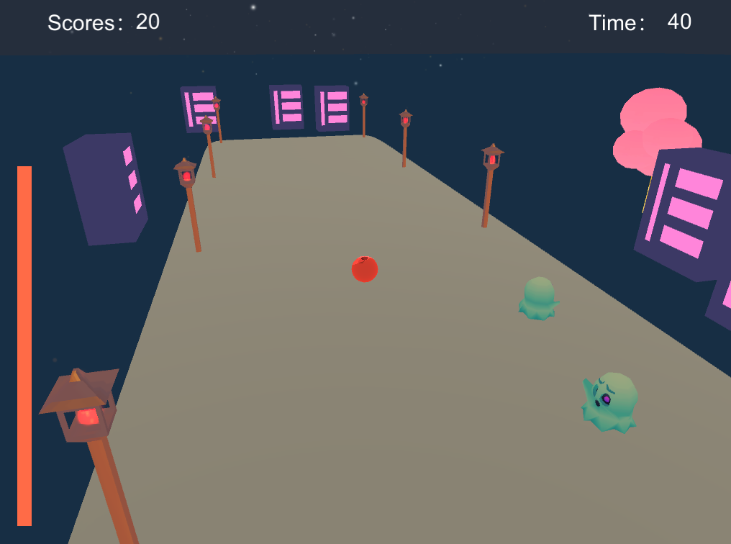
 | 1 | Racing

 |  | Rules:
 |  | 1 | There is a time limit for this game type. Countdown: 3mins(TBD)
 |  | 2 | The goal of this level is to reach the finishing line as fast as possible
 |  | 3 | There are AI enemies and different collectible PowerUps on the racing road

 |  | Win condition:
 |  | 1 | Ranked by the sequence of arrival at the finishing line
 |  | ※ | if no one get the line when countdown ends, no one win.

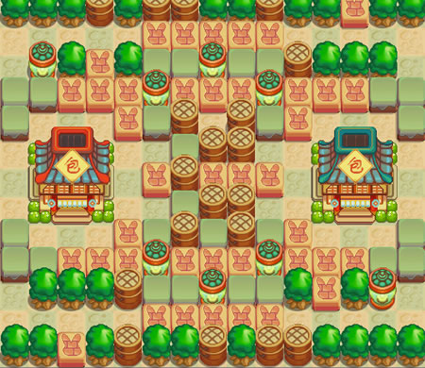
 | 2 | Stick and transport（must multiplayer）

 |  | Rules:
 |  | 1 | There is a time limit for this game type. Countdown: 3mins(TBD)
 |  | 2 | Players can put and carry objects by pressing a certain key |  |  | (same as gameTech coursework
 |  | 3 | Each ball can stick to one collectible objects at a time.
 |  | 4 | The goal is to move as many collectible objects to players' own base before game ends.
 |  | 5 | Players can put bombs in this level to create explosion, can only put one bomb at a time, after the current one boom, can put the next bomb
 |  | 6 | Players can only put bomb when they are not carrying objects.

 |  | Win condition:
 |  | 1 | When the countdown ends, the players will be ranked according to the number of objects they transport

 | 3 | Puzzle

 |  | Rules:
 |  | 1 | Players need to solve puzzles to make their way to the Goal point |  |  | (Zelda shrine)
 |  | 2 | use general mechanisms mentioned above, game design mainly

 |  | Win condition:
 |  | 1 | Active and get to the goal point

 | 4 | Co-op level（must multiplayer）

 |  | Rules：
 |  |  | Some puzzle levels require multiple players' cooperation.

 |  | Win condition:
 |  | 1 | Active and Get to the goal point

4 | Art Style

 | Low Poly Toon style.

 | e.g. City Scene

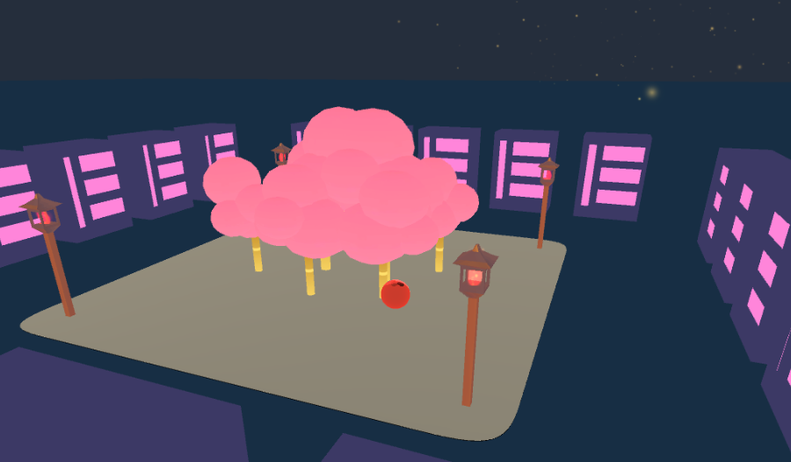

 |  |  |  |  | city， trees, streetlights， buildings...

 | e.g. small objects



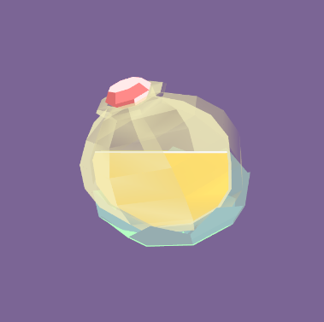

 |  |  |  |  |  | PowerUp potion

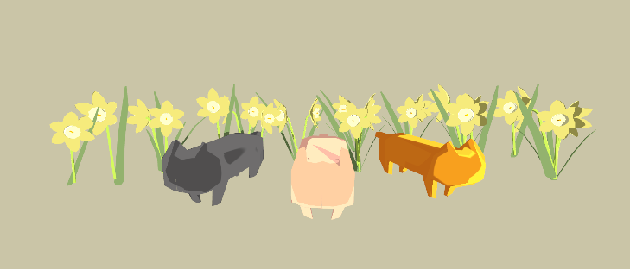

 |  |  |  |  |  | decorations

5 | UI

 | prototype：
 |  | https://d2xfge.axshare.com

Ref
