Plan1
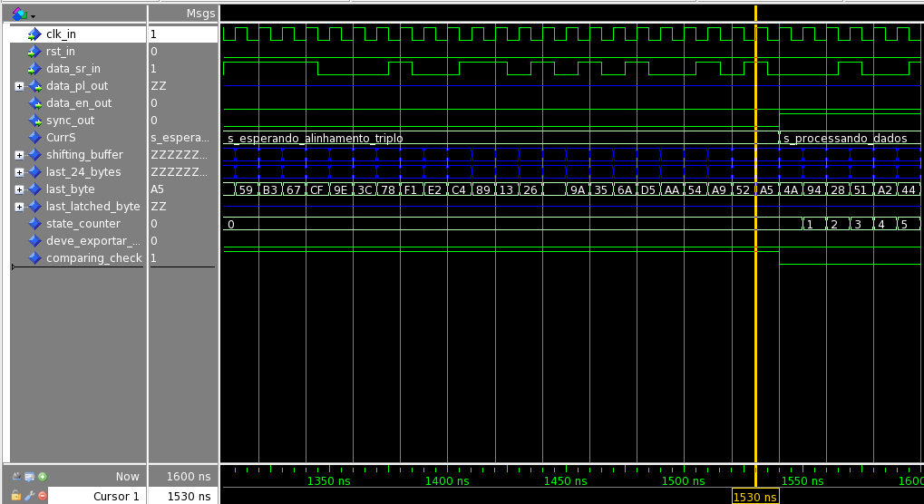
Verificação VLSI1 - T1
CUV - Grupo 08 - Gustavo Petry da Rosa; Jean Spadder Pimmel
Testbench - Grupo 06 - Giuseppe Generoso; Henrique Corrêa

Item | Verification Description | Expected Result | Obtained Result | Status
1 | Test alignment validation: Invalid sync transition 0 => 1 | transition 0 -> 1 of signal sync_out at simulation time 1530 ns | transition 0 -> 1 of signal sync_out at simulation time 1540 ns | Fail

