2022
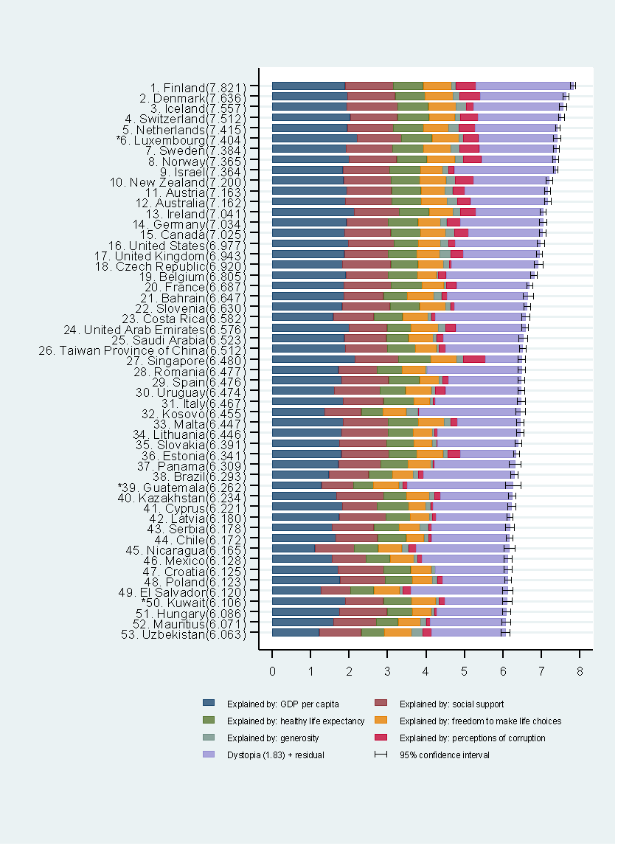
RANK | Country | Happiness score | Whisker-high | Whisker-low | Dystopia (1.83) + residual | Explained by: GDP per capita | Explained by: Social support | Explained by: Healthy life expectancy | Explained by: Freedom to make life choices | Explained by: Generosity | Explained by: Perceptions of corruption
1 | Finland | 7.821 | 7.886 | 7.756 | 2.518 | 1.892 | 1.258 | 0.775 | 0.736 | 0.109 | 0.534
2 | Denmark | 7.636 | 7.710 | 7.563 | 2.226 | 1.953 | 1.243 | 0.777 | 0.719 | 0.188 | 0.532
3 | Iceland | 7.557 | 7.651 | 7.464 | 2.320 | 1.936 | 1.320 | 0.803 | 0.718 | 0.270 | 0.191
4 | Switzerland | 7.512 | 7.586 | 7.437 | 2.153 | 2.026 | 1.226 | 0.822 | 0.677 | 0.147 | 0.461
5 | Netherlands | 7.415 | 7.471 | 7.359 | 2.137 | 1.945 | 1.206 | 0.787 | 0.651 | 0.271 | 0.419
6 | Luxembourg* | 7.404 | 7.501 | 7.307 | 2.042 | 2.209 | 1.155 | 0.790 | 0.700 | 0.120 | 0.388
7 | Sweden | 7.384 | 7.454 | 7.315 | 2.003 | 1.920 | 1.204 | 0.803 | 0.724 | 0.218 | 0.512
8 | Norway | 7.365 | 7.440 | 7.290 | 1.925 | 1.997 | 1.239 | 0.786 | 0.728 | 0.217 | 0.474
9 | Israel | 7.364 | 7.426 | 7.301 | 2.634 | 1.826 | 1.221 | 0.818 | 0.568 | 0.155 | 0.143
10 | New Zealand | 7.200 | 7.279 | 7.120 | 1.954 | 1.852 | 1.235 | 0.752 | 0.680 | 0.245 | 0.483
11 | Austria | 7.163 | 7.237 | 7.089 | 2.148 | 1.931 | 1.165 | 0.774 | 0.623 | 0.193 | 0.329
12 | Australia | 7.162 | 7.244 | 7.081 | 2.011 | 1.900 | 1.203 | 0.772 | 0.676 | 0.258 | 0.341
13 | Ireland | 7.041 | 7.121 | 6.961 | 1.743 | 2.129 | 1.166 | 0.779 | 0.627 | 0.190 | 0.408
14 | Germany | 7.034 | 7.122 | 6.947 | 2.142 | 1.924 | 1.088 | 0.776 | 0.585 | 0.163 | 0.358
15 | Canada | 7.025 | 7.107 | 6.943 | 1.924 | 1.886 | 1.188 | 0.783 | 0.659 | 0.217 | 0.368
16 | United States | 6.977 | 7.065 | 6.888 | 2.214 | 1.982 | 1.182 | 0.628 | 0.574 | 0.220 | 0.177
17 | United Kingdom | 6.943 | 7.018 | 6.867 | 1.967 | 1.867 | 1.143 | 0.750 | 0.597 | 0.289 | 0.329
18 | Czechia | 6.920 | 7.029 | 6.811 | 2.263 | 1.815 | 1.260 | 0.715 | 0.660 | 0.158 | 0.048
19 | Belgium | 6.805 | 6.890 | 6.720 | 2.283 | 1.907 | 1.106 | 0.764 | 0.492 | 0.049 | 0.204
20 | France | 6.687 | 6.758 | 6.615 | 1.895 | 1.863 | 1.219 | 0.808 | 0.567 | 0.070 | 0.266
21 | Bahrain | 6.647 | 6.779 | 6.514 | 2.092 | 1.854 | 1.029 | 0.625 | 0.693 | 0.199 | 0.155
22 | Slovenia | 6.630 | 6.718 | 6.542 | 1.885 | 1.810 | 1.249 | 0.769 | 0.685 | 0.118 | 0.115
23 | Costa Rica | 6.582 | 6.683 | 6.481 | 2.346 | 1.584 | 1.054 | 0.744 | 0.661 | 0.089 | 0.102
24 | United Arab Emirates | 6.576 | 6.660 | 6.492 | 1.809 | 1.998 | 0.980 | 0.633 | 0.702 | 0.204 | 0.250
25 | Saudi Arabia | 6.523 | 6.637 | 6.409 | 2.075 | 1.870 | 1.092 | 0.577 | 0.651 | 0.078 | 0.180
26 | Taiwan Province of China | 6.512 | 6.596 | 6.429 | 2.002 | 1.897 | 1.095 | 0.733 | 0.542 | 0.075 | 0.168
27 | Singapore | 6.480 | 6.569 | 6.392 | 0.932 | 2.149 | 1.127 | 0.851 | 0.672 | 0.163 | 0.587
28 | Romania | 6.477 | 6.575 | 6.379 | 2.446 | 1.719 | 1.006 | 0.655 | 0.605 | 0.039 | 0.006
29 | Spain | 6.476 | 6.560 | 6.392 | 1.893 | 1.808 | 1.211 | 0.808 | 0.505 | 0.101 | 0.149
30 | Uruguay | 6.474 | 6.562 | 6.386 | 1.974 | 1.615 | 1.180 | 0.672 | 0.665 | 0.103 | 0.265
31 | Italy | 6.467 | 6.570 | 6.363 | 2.222 | 1.834 | 1.052 | 0.801 | 0.412 | 0.085 | 0.059
32 | Kosovo | 6.455 | 6.571 | 6.339 | 2.631 | 1.362 | 0.949 | 0.569 | 0.599 | 0.309 | 0.035
33 | Malta | 6.447 | 6.535 | 6.359 | 1.631 | 1.838 | 1.169 | 0.789 | 0.679 | 0.174 | 0.166
34 | Lithuania | 6.446 | 6.535 | 6.356 | 2.153 | 1.804 | 1.204 | 0.659 | 0.496 | 0.053 | 0.077
35 | Slovakia | 6.391 | 6.475 | 6.306 | 2.094 | 1.736 | 1.232 | 0.707 | 0.479 | 0.118 | 0.025
36 | Estonia | 6.341 | 6.415 | 6.266 | 1.442 | 1.793 | 1.232 | 0.728 | 0.689 | 0.123 | 0.333
37 | Panama | 6.309 | 6.464 | 6.154 | 2.086 | 1.715 | 1.107 | 0.709 | 0.592 | 0.049 | 0.051
38 | Brazil | 6.293 | 6.384 | 6.202 | 2.361 | 1.462 | 1.044 | 0.615 | 0.546 | 0.131 | 0.134
39 | Guatemala* | 6.262 | 6.460 | 6.064 | 2.746 | 1.274 | 0.831 | 0.522 | 0.662 | 0.112 | 0.115
40 | Kazakhstan | 6.234 | 6.330 | 6.138 | 1.860 | 1.668 | 1.220 | 0.611 | 0.584 | 0.134 | 0.157
41 | Cyprus | 6.221 | 6.320 | 6.122 | 2.044 | 1.815 | 0.909 | 0.819 | 0.448 | 0.123 | 0.062
42 | Latvia | 6.180 | 6.255 | 6.106 | 1.923 | 1.732 | 1.221 | 0.637 | 0.502 | 0.075 | 0.090
43 | Serbia | 6.178 | 6.294 | 6.062 | 2.031 | 1.550 | 1.086 | 0.658 | 0.546 | 0.219 | 0.088
44 | Chile | 6.172 | 6.262 | 6.082 | 2.040 | 1.651 | 1.080 | 0.748 | 0.460 | 0.124 | 0.069
45 | Nicaragua | 6.165 | 6.312 | 6.017 | 2.418 | 1.105 | 1.029 | 0.617 | 0.617 | 0.168 | 0.212
46 | Mexico | 6.128 | 6.238 | 6.017 | 2.239 | 1.552 | 0.886 | 0.623 | 0.621 | 0.092 | 0.115
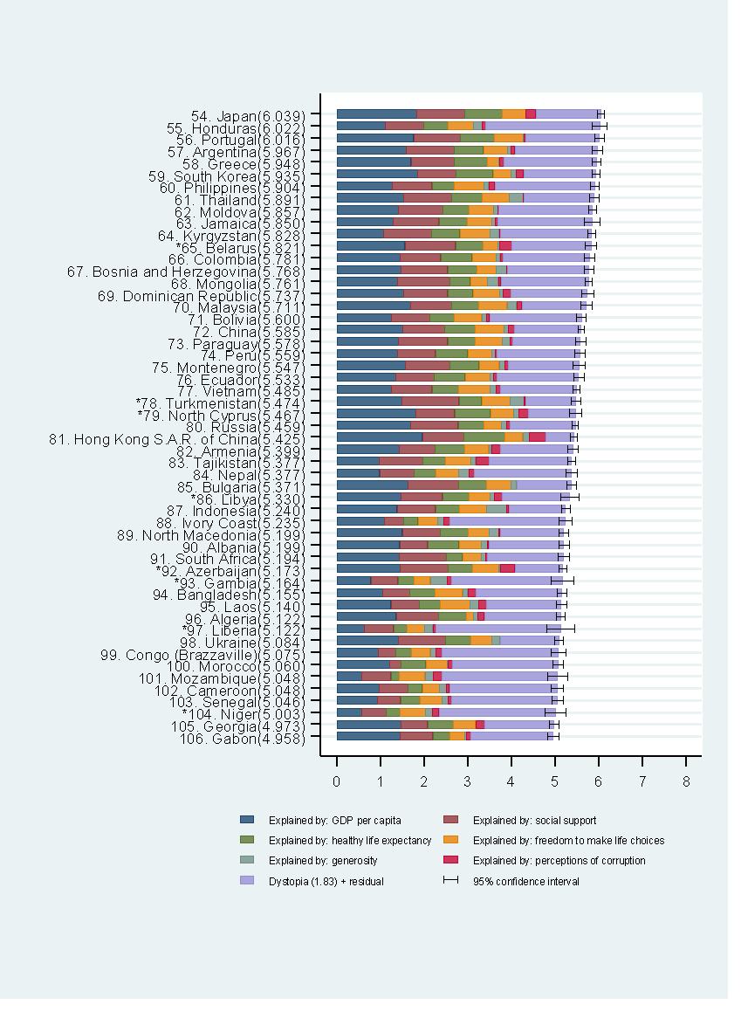
47 | Croatia | 6.125 | 6.229 | 6.022 | 1.884 | 1.705 | 1.183 | 0.709 | 0.535 | 0.109 | 0.000
48 | Poland | 6.123 | 6.205 | 6.040 | 1.693 | 1.758 | 1.174 | 0.712 | 0.523 | 0.124 | 0.140
49 | El Salvador | 6.120 | 6.250 | 5.990 | 2.514 | 1.265 | 0.768 | 0.607 | 0.666 | 0.089 | 0.212
50 | Kuwait* | 6.106 | 6.235 | 5.977 | 1.621 | 1.904 | 0.983 | 0.747 | 0.617 | 0.087 | 0.147
51 | Hungary | 6.086 | 6.187 | 5.985 | 1.812 | 1.748 | 1.233 | 0.668 | 0.485 | 0.078 | 0.064
52 | Mauritius | 6.071 | 6.184 | 5.958 | 1.969 | 1.591 | 1.116 | 0.568 | 0.589 | 0.131 | 0.107
53 | Uzbekistan | 6.063 | 6.178 | 5.948 | 1.913 | 1.219 | 1.092 | 0.600 | 0.716 | 0.283 | 0.240
54 | Japan | 6.039 | 6.119 | 5.959 | 1.487 | 1.835 | 1.089 | 0.866 | 0.537 | 0.007 | 0.218
55 | Honduras | 6.022 | 6.189 | 5.855 | 2.611 | 1.111 | 0.885 | 0.555 | 0.582 | 0.202 | 0.076
56 | Portugal | 6.016 | 6.122 | 5.911 | 1.691 | 1.760 | 1.078 | 0.777 | 0.655 | 0.016 | 0.039
57 | Argentina | 5.967 | 6.090 | 5.844 | 1.891 | 1.592 | 1.102 | 0.662 | 0.555 | 0.081 | 0.085
58 | Greece | 5.948 | 6.043 | 5.853 | 2.119 | 1.703 | 0.980 | 0.774 | 0.249 | 0.015 | 0.108
59 | South Korea | 5.935 | 6.021 | 5.849 | 1.656 | 1.851 | 0.886 | 0.841 | 0.414 | 0.111 | 0.176
60 | Philippines | 5.904 | 6.007 | 5.800 | 2.283 | 1.268 | 0.912 | 0.514 | 0.678 | 0.107 | 0.142
61 | Thailand | 5.891 | 5.994 | 5.788 | 1.600 | 1.535 | 1.096 | 0.697 | 0.617 | 0.321 | 0.026
62 | Moldova | 5.857 | 5.948 | 5.766 | 2.142 | 1.417 | 1.008 | 0.597 | 0.561 | 0.102 | 0.028
63 | Jamaica | 5.850 | 6.023 | 5.676 | 2.164 | 1.296 | 1.045 | 0.646 | 0.567 | 0.080 | 0.053
64 | Kyrgyzstan | 5.828 | 5.916 | 5.741 | 2.087 | 1.069 | 1.109 | 0.638 | 0.693 | 0.208 | 0.025
65 | Belarus* | 5.821 | 5.950 | 5.693 | 1.811 | 1.562 | 1.157 | 0.629 | 0.342 | 0.040 | 0.282
66 | Colombia | 5.781 | 5.903 | 5.659 | 1.971 | 1.452 | 0.929 | 0.720 | 0.545 | 0.087 | 0.077
67 | Bosnia and Herzegovina | 5.768 | 5.877 | 5.659 | 1.869 | 1.468 | 1.068 | 0.665 | 0.448 | 0.244 | 0.006
68 | Mongolia | 5.761 | 5.845 | 5.676 | 1.999 | 1.393 | 1.197 | 0.467 | 0.398 | 0.247 | 0.059
69 | Dominican Republic | 5.737 | 5.873 | 5.601 | 1.751 | 1.538 | 1.003 | 0.577 | 0.606 | 0.084 | 0.179
70 | Malaysia | 5.711 | 5.845 | 5.578 | 1.471 | 1.689 | 0.938 | 0.620 | 0.654 | 0.213 | 0.126
71 | Bolivia | 5.600 | 5.709 | 5.491 | 2.107 | 1.256 | 0.880 | 0.555 | 0.627 | 0.112 | 0.064
72 | China | 5.585 | 5.650 | 5.520 | 1.516 | 1.508 | 0.958 | 0.705 | 0.656 | 0.099 | 0.142
73 | Paraguay | 5.578 | 5.689 | 5.467 | 1.555 | 1.409 | 1.130 | 0.624 | 0.629 | 0.171 | 0.059
74 | Peru | 5.559 | 5.679 | 5.439 | 1.890 | 1.397 | 0.865 | 0.735 | 0.545 | 0.090 | 0.037
75 | Montenegro | 5.547 | 5.681 | 5.413 | 1.619 | 1.573 | 1.023 | 0.659 | 0.460 | 0.135 | 0.077
76 | Ecuador | 5.533 | 5.653 | 5.414 | 1.866 | 1.352 | 0.879 | 0.708 | 0.565 | 0.080 | 0.083
77 | Vietnam | 5.485 | 5.570 | 5.400 | 1.735 | 1.252 | 0.932 | 0.611 | 0.707 | 0.143 | 0.105
78 | Turkmenistan* | 5.474 | 5.578 | 5.371 | 1.160 | 1.484 | 1.319 | 0.516 | 0.649 | 0.314 | 0.032
79 | North Cyprus* | 5.467 | 5.609 | 5.325 | 1.078 | 1.815 | 0.888 | 0.819 | 0.523 | 0.130 | 0.213
80 | Russia | 5.459 | 5.525 | 5.392 | 1.494 | 1.685 | 1.095 | 0.586 | 0.401 | 0.117 | 0.080
81 | Hong Kong S.A.R. of China | 5.425 | 5.501 | 5.348 | 0.642 | 1.957 | 0.954 | 0.942 | 0.400 | 0.147 | 0.383
82 | Armenia | 5.399 | 5.519 | 5.278 | 1.654 | 1.434 | 0.820 | 0.668 | 0.558 | 0.054 | 0.210
83 | Tajikistan | 5.377 | 5.468 | 5.287 | 1.895 | 0.966 | 1.005 | 0.518 | 0.572 | 0.118 | 0.304
84 | Nepal | 5.377 | 5.502 | 5.251 | 2.224 | 0.984 | 0.784 | 0.499 | 0.519 | 0.237 | 0.130
85 | Bulgaria | 5.371 | 5.485 | 5.257 | 1.235 | 1.625 | 1.163 | 0.640 | 0.563 | 0.123 | 0.021
86 | Libya* | 5.330 | 5.543 | 5.118 | 1.544 | 1.476 | 0.943 | 0.606 | 0.477 | 0.106 | 0.179
87 | Indonesia | 5.240 | 5.341 | 5.139 | 1.300 | 1.382 | 0.883 | 0.539 | 0.620 | 0.468 | 0.047
88 | Ivory Coast | 5.235 | 5.384 | 5.085 | 2.652 | 1.094 | 0.442 | 0.322 | 0.451 | 0.149 | 0.124
89 | North Macedonia | 5.199 | 5.303 | 5.095 | 1.461 | 1.505 | 0.863 | 0.637 | 0.488 | 0.215 | 0.031
90 | Albania | 5.199 | 5.321 | 5.076 | 1.718 | 1.439 | 0.646 | 0.719 | 0.511 | 0.138 | 0.028
91 | South Africa | 5.194 | 5.315 | 5.073 | 1.742 | 1.425 | 1.088 | 0.361 | 0.442 | 0.089 | 0.046
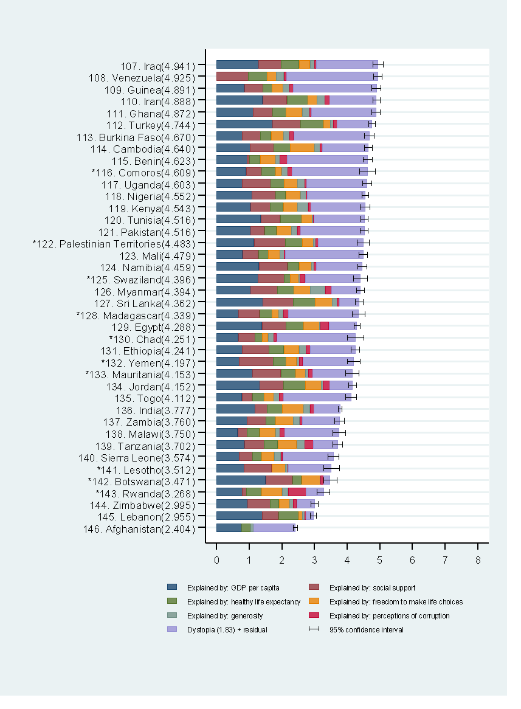
92 | Azerbaijan* | 5.173 | 5.265 | 5.082 | 1.098 | 1.458 | 1.093 | 0.560 | 0.601 | 0.023 | 0.341
93 | Gambia* | 5.164 | 5.409 | 4.918 | 2.531 | 0.785 | 0.621 | 0.369 | 0.367 | 0.388 | 0.103
94 | Bangladesh | 5.155 | 5.262 | 5.049 | 1.967 | 1.060 | 0.614 | 0.581 | 0.622 | 0.125 | 0.187
95 | Laos | 5.140 | 5.263 | 5.018 | 1.709 | 1.239 | 0.654 | 0.479 | 0.679 | 0.197 | 0.184
96 | Algeria | 5.122 | 5.215 | 5.030 | 1.744 | 1.363 | 0.970 | 0.643 | 0.146 | 0.106 | 0.150
97 | Liberia* | 5.122 | 5.428 | 4.815 | 2.844 | 0.636 | 0.670 | 0.309 | 0.405 | 0.178 | 0.080
98 | Ukraine | 5.084 | 5.190 | 4.978 | 1.331 | 1.411 | 1.081 | 0.583 | 0.473 | 0.188 | 0.017
99 | Congo | 5.075 | 5.235 | 4.915 | 2.658 | 0.950 | 0.405 | 0.355 | 0.431 | 0.130 | 0.146
100 | Morocco | 5.060 | 5.181 | 4.938 | 2.405 | 1.208 | 0.268 | 0.565 | 0.492 | 0.020 | 0.102
101 | Mozambique | 5.048 | 5.273 | 4.823 | 2.641 | 0.578 | 0.660 | 0.191 | 0.593 | 0.185 | 0.200
102 | Cameroon | 5.048 | 5.188 | 4.907 | 2.469 | 0.968 | 0.672 | 0.317 | 0.397 | 0.152 | 0.074
103 | Senegal | 5.046 | 5.171 | 4.921 | 2.419 | 0.933 | 0.530 | 0.447 | 0.494 | 0.143 | 0.081
104 | Niger* | 5.003 | 5.247 | 4.760 | 2.667 | 0.570 | 0.560 | 0.326 | 0.571 | 0.165 | 0.145
105 | Georgia | 4.973 | 5.079 | 4.867 | 1.583 | 1.467 | 0.612 | 0.595 | 0.508 | 0.000 | 0.208
106 | Gabon | 4.958 | 5.091 | 4.826 | 1.892 | 1.459 | 0.738 | 0.396 | 0.343 | 0.032 | 0.099
107 | Iraq | 4.941 | 5.099 | 4.783 | 1.894 | 1.289 | 0.682 | 0.554 | 0.328 | 0.147 | 0.046
108 | Venezuela | 4.925 | 5.051 | 4.800 | 2.790 | 0.000 | 0.968 | 0.578 | 0.283 | 0.225 | 0.082
109 | Guinea | 4.891 | 5.028 | 4.753 | 2.538 | 0.848 | 0.566 | 0.275 | 0.334 | 0.214 | 0.116
110 | Iran | 4.888 | 4.995 | 4.780 | 1.427 | 1.410 | 0.741 | 0.642 | 0.281 | 0.241 | 0.146
111 | Ghana | 4.872 | 4.999 | 4.745 | 1.972 | 1.112 | 0.595 | 0.409 | 0.500 | 0.230 | 0.056
112 | Turkey | 4.744 | 4.845 | 4.644 | 1.059 | 1.707 | 0.865 | 0.702 | 0.209 | 0.087 | 0.115
113 | Burkina Faso | 4.670 | 4.814 | 4.527 | 2.313 | 0.779 | 0.565 | 0.320 | 0.382 | 0.186 | 0.126
114 | Cambodia | 4.640 | 4.765 | 4.516 | 1.410 | 1.019 | 0.732 | 0.505 | 0.740 | 0.166 | 0.068
115 | Benin | 4.623 | 4.754 | 4.492 | 2.458 | 0.932 | 0.064 | 0.335 | 0.479 | 0.127 | 0.230
116 | Comoros* | 4.609 | 4.849 | 4.368 | 2.304 | 0.899 | 0.476 | 0.424 | 0.185 | 0.195 | 0.125
117 | Uganda | 4.603 | 4.747 | 4.459 | 1.842 | 0.777 | 0.875 | 0.418 | 0.402 | 0.222 | 0.066
118 | Nigeria | 4.552 | 4.651 | 4.453 | 1.784 | 1.079 | 0.732 | 0.300 | 0.444 | 0.175 | 0.038
119 | Kenya | 4.543 | 4.683 | 4.403 | 1.661 | 1.032 | 0.605 | 0.401 | 0.440 | 0.322 | 0.082
120 | Tunisia | 4.516 | 4.629 | 4.403 | 1.540 | 1.350 | 0.596 | 0.656 | 0.316 | 0.029 | 0.029
121 | Pakistan | 4.516 | 4.634 | 4.397 | 1.940 | 1.049 | 0.413 | 0.374 | 0.448 | 0.181 | 0.112
122 | Palestinian Territories* | 4.483 | 4.665 | 4.300 | 1.368 | 1.148 | 0.957 | 0.521 | 0.336 | 0.073 | 0.079
123 | Mali | 4.479 | 4.611 | 4.347 | 2.373 | 0.792 | 0.483 | 0.311 | 0.350 | 0.128 | 0.042
124 | Namibia | 4.459 | 4.593 | 4.326 | 1.414 | 1.292 | 0.877 | 0.354 | 0.384 | 0.067 | 0.071
125 | Eswatini, Kingdom of* | 4.396 | 4.607 | 4.185 | 1.688 | 1.274 | 0.786 | 0.197 | 0.259 | 0.038 | 0.154
126 | Myanmar | 4.394 | 4.511 | 4.277 | 0.877 | 1.038 | 0.829 | 0.491 | 0.513 | 0.452 | 0.194
127 | Sri Lanka | 4.362 | 4.487 | 4.237 | 0.595 | 1.415 | 0.934 | 0.660 | 0.529 | 0.150 | 0.079
128 | Madagascar* | 4.339 | 4.530 | 4.148 | 2.148 | 0.670 | 0.645 | 0.378 | 0.202 | 0.143 | 0.154
129 | Egypt | 4.288 | 4.377 | 4.198 | 0.856 | 1.388 | 0.732 | 0.548 | 0.469 | 0.041 | 0.254
130 | Chad* | 4.251 | 4.503 | 3.999 | 2.419 | 0.662 | 0.506 | 0.225 | 0.180 | 0.182 | 0.077
131 | Ethiopia | 4.241 | 4.365 | 4.118 | 1.375 | 0.788 | 0.809 | 0.457 | 0.472 | 0.205 | 0.136
132 | Yemen* | 4.197 | 4.384 | 4.010 | 1.561 | 0.691 | 1.043 | 0.384 | 0.330 | 0.090 | 0.098
133 | Mauritania* | 4.153 | 4.356 | 3.950 | 1.207 | 1.100 | 0.865 | 0.450 | 0.304 | 0.088 | 0.138
134 | Jordan | 4.152 | 4.276 | 4.029 | 0.695 | 1.324 | 0.724 | 0.675 | 0.476 | 0.058 | 0.200
135 | Togo | 4.112 | 4.272 | 3.953 | 2.061 | 0.771 | 0.322 | 0.360 | 0.292 | 0.174 | 0.132
136 | India | 3.777 | 3.828 | 3.726 | 0.795 | 1.167 | 0.376 | 0.471 | 0.647 | 0.198 | 0.123
137 | Zambia | 3.760 | 3.902 | 3.618 | 1.135 | 0.930 | 0.577 | 0.306 | 0.525 | 0.203 | 0.083
138 | Malawi | 3.750 | 3.941 | 3.560 | 1.661 | 0.648 | 0.279 | 0.388 | 0.477 | 0.140 | 0.157
139 | Tanzania | 3.702 | 3.847 | 3.558 | 0.735 | 0.848 | 0.597 | 0.425 | 0.578 | 0.248 | 0.270
140 | Sierra Leone | 3.574 | 3.732 | 3.416 | 1.556 | 0.686 | 0.416 | 0.273 | 0.387 | 0.202 | 0.055
141 | Lesotho* | 3.512 | 3.748 | 3.276 | 1.312 | 0.839 | 0.848 | 0.000 | 0.419 | 0.076 | 0.018
142 | Botswana* | 3.471 | 3.667 | 3.275 | 0.187 | 1.503 | 0.815 | 0.280 | 0.571 | 0.012 | 0.102
143 | Rwanda* | 3.268 | 3.462 | 3.074 | 0.536 | 0.785 | 0.133 | 0.462 | 0.621 | 0.187 | 0.544
144 | Zimbabwe | 2.995 | 3.110 | 2.880 | 0.548 | 0.947 | 0.690 | 0.270 | 0.329 | 0.106 | 0.105
145 | Lebanon | 2.955 | 3.049 | 2.862 | 0.216 | 1.392 | 0.498 | 0.631 | 0.103 | 0.082 | 0.034
146 | Afghanistan | 2.404 | 2.469 | 2.339 | 1.263 | 0.758 | 0.000 | 0.289 | 0.000 | 0.089 | 0.005
147 | xx

