INICIO

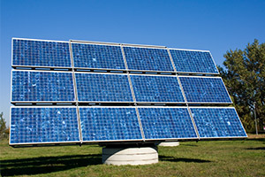
CONTROLE: EMPREGO

PROJETOS
HORÁRIOS

HORÁRIOS
Entrada | Saida | Mes | trabalhadas | extra

ANTERIOR
 |  |  |  |  | Rótulos de Linha | Soma de trabalhadas
 |  |  |  |  | (vazio)
 |  |  |  |  | Total Geral

INÍCIO

